Inverter History Report__17-08-
Inverter History Report_24/06/2023_Report

Inverter SN:054B7020C020042 |  | Inverter type:B7
Collector SN:4046045654 |  | Full Load Hours(h):3.24
Rated Power:10000Wp

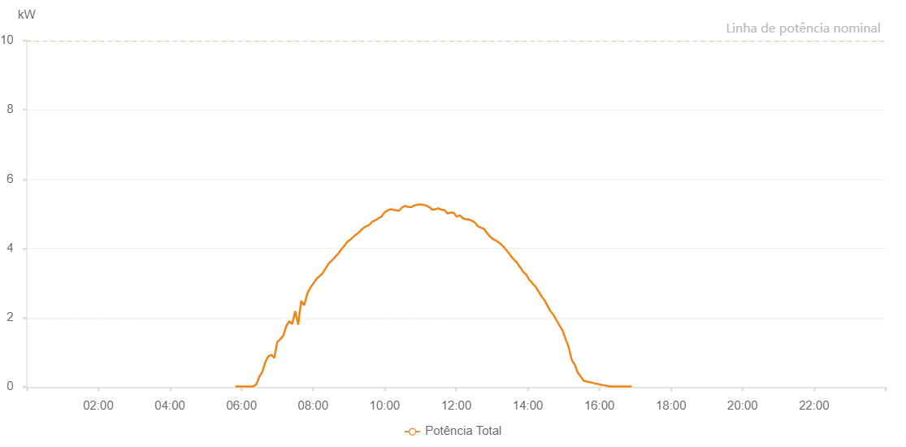

Number | Time | Working State | Alarm Code | Total Inverter Power(W)
1 | 24/06/2023 05:49:51 (UTC-4:00) | Normal |  | 20.000
2 | 24/06/2023 05:54:52 (UTC-4:00) | Normal |  | 20.000
3 | 24/06/2023 05:59:52 (UTC-4:00) | Normal |  | 20.000
4 | 24/06/2023 06:04:54 (UTC-4:00) | Normal |  | 20.000
5 | 24/06/2023 06:09:54 (UTC-4:00) | Normal |  | 20.000
6 | 24/06/2023 06:14:55 (UTC-4:00) | Normal |  | 20.000
7 | 24/06/2023 06:19:55 (UTC-4:00) | Normal |  | 20.000
8 | 24/06/2023 06:24:55 (UTC-4:00) | Normal |  | 80.000
9 | 24/06/2023 06:29:56 (UTC-4:00) | Normal |  | 300.000
10 | 24/06/2023 06:34:57 (UTC-4:00) | Normal |  | 440.000
11 | 24/06/2023 06:39:57 (UTC-4:00) | Normal |  | 720.000
12 | 24/06/2023 06:44:57 (UTC-4:00) | Normal |  | 890.000
13 | 24/06/2023 06:49:57 (UTC-4:00) | Normal |  | 930.000
14 | 24/06/2023 06:54:58 (UTC-4:00) | Normal |  | 840.000
15 | 24/06/2023 06:59:58 (UTC-4:00) | Normal |  | 1300.000
16 | 24/06/2023 07:05:00 (UTC-4:00) | Normal |  | 1380.000
17 | 24/06/2023 07:10:03 (UTC-4:00) | Normal |  | 1480.000
18 | 24/06/2023 07:15:04 (UTC-4:00) | Normal |  | 1760.000
19 | 24/06/2023 07:20:04 (UTC-4:00) | Normal |  | 1900.000
20 | 24/06/2023 07:25:04 (UTC-4:00) | Normal |  | 1820.000
21 | 24/06/2023 07:30:05 (UTC-4:00) | Normal |  | 2190.000
22 | 24/06/2023 07:35:05 (UTC-4:00) | Normal |  | 1800.000
23 | 24/06/2023 07:40:07 (UTC-4:00) | Normal |  | 2490.000
24 | 24/06/2023 07:45:06 (UTC-4:00) | Normal |  | 2360.000
25 | 24/06/2023 07:50:22 (UTC-4:00) | Normal |  | 2700.000
26 | 24/06/2023 07:55:09 (UTC-4:00) | Normal |  | 2860.000
27 | 24/06/2023 08:00:47 (UTC-4:00) | Normal |  | 3000.000
28 | 24/06/2023 08:05:16 (UTC-4:00) | Normal |  | 3110.000
29 | 24/06/2023 08:10:16 (UTC-4:00) | Normal |  | 3190.000
30 | 24/06/2023 08:15:20 (UTC-4:00) | Normal |  | 3270.000
31 | 24/06/2023 08:20:31 (UTC-4:00) | Normal |  | 3410.000
32 | 24/06/2023 08:25:29 (UTC-4:00) | Normal |  | 3550.000
33 | 24/06/2023 08:30:37 (UTC-4:00) | Normal |  | 3640.000
34 | 24/06/2023 08:35:41 (UTC-4:00) | Normal |  | 3730.000
35 | 24/06/2023 08:36:37 (UTC-4:00) | Normal |  | 3750.000
36 | 24/06/2023 08:42:02 (UTC-4:00) | Normal |  | 3850.000
37 | 24/06/2023 08:47:07 (UTC-4:00) | Normal |  | 3970.000
38 | 24/06/2023 08:52:06 (UTC-4:00) | Normal |  | 4070.000
39 | 24/06/2023 08:57:08 (UTC-4:00) | Normal |  | 4190.000
40 | 24/06/2023 09:02:09 (UTC-4:00) | Normal |  | 4250.000
41 | 24/06/2023 09:07:13 (UTC-4:00) | Normal |  | 4330.000
42 | 24/06/2023 09:12:22 (UTC-4:00) | Normal |  | 4410.000
43 | 24/06/2023 09:13:25 (UTC-4:00) | Normal |  | 4420.000
44 | 24/06/2023 09:18:51 (UTC-4:00) | Normal |  | 4500.000
45 | 24/06/2023 09:23:53 (UTC-4:00) | Normal |  | 4590.000
46 | 24/06/2023 09:24:05 (UTC-4:00) | Normal |  | 4590.000
47 | 24/06/2023 09:28:57 (UTC-4:00) | Normal |  | 4640.000
48 | 24/06/2023 09:33:58 (UTC-4:00) | Normal |  | 4680.000
49 | 24/06/2023 09:38:59 (UTC-4:00) | Normal |  | 4770.000
50 | 24/06/2023 09:44:00 (UTC-4:00) | Normal |  | 4810.000
51 | 24/06/2023 09:49:02 (UTC-4:00) | Normal |  | 4870.000
52 | 24/06/2023 09:54:04 (UTC-4:00) | Normal |  | 4910.000
53 | 24/06/2023 09:59:43 (UTC-4:00) | Normal |  | 5040.000
54 | 24/06/2023 10:04:48 (UTC-4:00) | Normal |  | 5100.000
55 | 24/06/2023 10:09:09 (UTC-4:00) | Normal |  | 5130.000
56 | 24/06/2023 10:14:11 (UTC-4:00) | Normal |  | 5120.000
57 | 24/06/2023 10:19:15 (UTC-4:00) | Normal |  | 5100.000
58 | 24/06/2023 10:24:22 (UTC-4:00) | Normal |  | 5090.000
59 | 24/06/2023 10:29:23 (UTC-4:00) | Normal |  | 5190.000
60 | 24/06/2023 10:34:19 (UTC-4:00) | Normal |  | 5230.000
61 | 24/06/2023 10:39:31 (UTC-4:00) | Normal |  | 5200.000
62 | 24/06/2023 10:39:32 (UTC-4:00) | Normal |  | 5200.000
63 | 24/06/2023 10:44:23 (UTC-4:00) | Normal |  | 5190.000
64 | 24/06/2023 10:49:25 (UTC-4:00) | Normal |  | 5240.000
65 | 24/06/2023 10:54:26 (UTC-4:00) | Normal |  | 5260.000
66 | 24/06/2023 10:59:24 (UTC-4:00) | Normal |  | 5270.000
67 | 24/06/2023 11:04:30 (UTC-4:00) | Normal |  | 5260.000
68 | 24/06/2023 11:09:36 (UTC-4:00) | Normal |  | 5240.000
69 | 24/06/2023 11:14:43 (UTC-4:00) | Normal |  | 5190.000
70 | 24/06/2023 11:15:09 (UTC-4:00) | Normal |  | 5190.000
71 | 24/06/2023 11:19:50 (UTC-4:00) | Normal |  | 5120.000
72 | 24/06/2023 11:24:57 (UTC-4:00) | Normal |  | 5130.000
73 | 24/06/2023 11:30:05 (UTC-4:00) | Normal |  | 5160.000
74 | 24/06/2023 11:35:09 (UTC-4:00) | Normal |  | 5120.000
75 | 24/06/2023 11:40:14 (UTC-4:00) | Normal |  | 5110.000
76 | 24/06/2023 11:45:21 (UTC-4:00) | Normal |  | 5010.000
77 | 24/06/2023 11:50:28 (UTC-4:00) | Normal |  | 5040.000
78 | 24/06/2023 11:55:39 (UTC-4:00) | Normal |  | 5030.000
79 | 24/06/2023 12:00:40 (UTC-4:00) | Normal |  | 4920.000
80 | 24/06/2023 12:05:47 (UTC-4:00) | Normal |  | 4960.000
81 | 24/06/2023 12:10:50 (UTC-4:00) | Normal |  | 4880.000
82 | 24/06/2023 12:15:56 (UTC-4:00) | Normal |  | 4840.000
83 | 24/06/2023 12:21:02 (UTC-4:00) | Normal |  | 4840.000
84 | 24/06/2023 12:26:07 (UTC-4:00) | Normal |  | 4800.000
85 | 24/06/2023 12:31:15 (UTC-4:00) | Normal |  | 4750.000
86 | 24/06/2023 12:36:21 (UTC-4:00) | Normal |  | 4640.000
87 | 24/06/2023 12:41:24 (UTC-4:00) | Normal |  | 4600.000
88 | 24/06/2023 12:46:26 (UTC-4:00) | Normal |  | 4570.000
89 | 24/06/2023 12:51:28 (UTC-4:00) | Normal |  | 4450.000
90 | 24/06/2023 12:56:30 (UTC-4:00) | Normal |  | 4350.000
91 | 24/06/2023 13:01:32 (UTC-4:00) | Normal |  | 4270.000
92 | 24/06/2023 13:06:34 (UTC-4:00) | Normal |  | 4230.000
93 | 24/06/2023 13:11:36 (UTC-4:00) | Normal |  | 4170.000
94 | 24/06/2023 13:16:38 (UTC-4:00) | Normal |  | 4100.000
95 | 24/06/2023 13:21:39 (UTC-4:00) | Normal |  | 4000.000
96 | 24/06/2023 13:26:41 (UTC-4:00) | Normal |  | 3900.000
97 | 24/06/2023 13:31:43 (UTC-4:00) | Normal |  | 3780.000
98 | 24/06/2023 13:36:44 (UTC-4:00) | Normal |  | 3680.000
99 | 24/06/2023 13:41:50 (UTC-4:00) | Normal |  | 3590.000
100 | 24/06/2023 13:46:55 (UTC-4:00) | Normal |  | 3460.000
101 | 24/06/2023 13:47:21 (UTC-4:00) | Normal |  | 3460.000
102 | 24/06/2023 13:52:01 (UTC-4:00) | Normal |  | 3330.000
103 | 24/06/2023 13:57:06 (UTC-4:00) | Normal |  | 3250.000
104 | 24/06/2023 13:57:18 (UTC-4:00) | Normal |  | 3250.000
105 | 24/06/2023 14:02:12 (UTC-4:00) | Normal |  | 3100.000
106 | 24/06/2023 14:07:19 (UTC-4:00) | Normal |  | 3010.000
107 | 24/06/2023 14:07:39 (UTC-4:00) | Normal |  | 3010.000
108 | 24/06/2023 14:08:03 (UTC-4:00) | Normal |  | 2990.000
109 | 24/06/2023 14:13:25 (UTC-4:00) | Normal |  | 2890.000
110 | 24/06/2023 14:18:25 (UTC-4:00) | Normal |  | 2750.000
111 | 24/06/2023 14:23:24 (UTC-4:00) | Normal |  | 2610.000
112 | 24/06/2023 14:28:32 (UTC-4:00) | Normal |  | 2490.000
113 | 24/06/2023 14:33:24 (UTC-4:00) | Normal |  | 2330.000
114 | 24/06/2023 14:38:23 (UTC-4:00) | Normal |  | 2180.000
115 | 24/06/2023 14:43:29 (UTC-4:00) | Normal |  | 2070.000
116 | 24/06/2023 14:48:23 (UTC-4:00) | Normal |  | 1920.000
117 | 24/06/2023 14:53:26 (UTC-4:00) | Normal |  | 1770.000
118 | 24/06/2023 14:58:25 (UTC-4:00) | Normal |  | 1630.000
119 | 24/06/2023 15:03:25 (UTC-4:00) | Normal |  | 1380.000
120 | 24/06/2023 15:08:32 (UTC-4:00) | Normal |  | 1150.000
121 | 24/06/2023 15:13:32 (UTC-4:00) | Normal |  | 790.000
122 | 24/06/2023 15:18:38 (UTC-4:00) | Normal |  | 650.000
123 | 24/06/2023 15:23:39 (UTC-4:00) | Normal |  | 420.000
124 | 24/06/2023 15:28:46 (UTC-4:00) | Normal |  | 300.000
125 | 24/06/2023 15:33:49 (UTC-4:00) | Normal |  | 180.000
126 | 24/06/2023 15:38:54 (UTC-4:00) | Normal |  | 160.000
127 | 24/06/2023 15:43:58 (UTC-4:00) | Normal |  | 140.000
128 | 24/06/2023 15:49:00 (UTC-4:00) | Normal |  | 120.000
129 | 24/06/2023 15:53:59 (UTC-4:00) | Normal |  | 100.000
130 | 24/06/2023 15:58:59 (UTC-4:00) | Normal |  | 80.000
131 | 24/06/2023 16:04:00 (UTC-4:00) | Normal |  | 60.000
132 | 24/06/2023 16:09:00 (UTC-4:00) | Normal |  | 50.000
133 | 24/06/2023 16:14:00 (UTC-4:00) | Normal |  | 30.000
134 | 24/06/2023 16:18:59 (UTC-4:00) | Normal |  | 20.000
135 | 24/06/2023 16:24:01 (UTC-4:00) | Normal |  | 20.000
136 | 24/06/2023 16:29:01 (UTC-4:00) | Normal |  | 20.000
137 | 24/06/2023 16:34:00 (UTC-4:00) | Normal |  | 20.000
138 | 24/06/2023 16:39:00 (UTC-4:00) | Normal |  | 20.000
139 | 24/06/2023 16:44:00 (UTC-4:00) | Normal |  | 20.000
140 | 24/06/2023 16:48:59 (UTC-4:00) | Normal |  | 20.000
141 | 24/06/2023 16:54:00 (UTC-4:00) | Normal |  | 20.000

