Inverter History Report__17-08-
Inverter History Report_25/06/2023_Report

Inverter SN:054B7020C020042 |  | Inverter type:B7
Collector SN:4046045654 |  | Full Load Hours(h):3.25
Rated Power:10000Wp

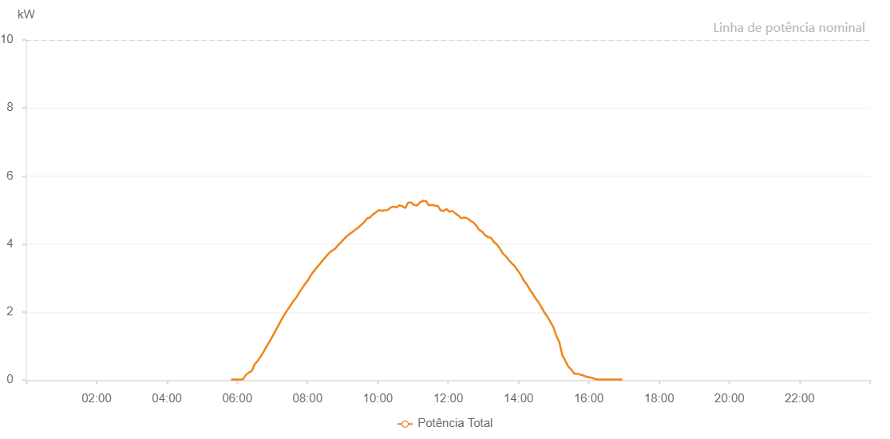

Number | Time | Working State | Alarm Code | Total Inverter Power(W)
1 | 25/06/2023 05:49:28 (UTC-4:00) | Normal |  | 20.000
2 | 25/06/2023 05:54:28 (UTC-4:00) | Normal |  | 20.000
3 | 25/06/2023 05:59:29 (UTC-4:00) | Normal |  | 20.000
4 | 25/06/2023 06:04:31 (UTC-4:00) | Normal |  | 20.000
5 | 25/06/2023 06:09:36 (UTC-4:00) | Normal |  | 20.000
6 | 25/06/2023 06:14:42 (UTC-4:00) | Normal |  | 150.000
7 | 25/06/2023 06:19:47 (UTC-4:00) | Normal |  | 220.000
8 | 25/06/2023 06:24:51 (UTC-4:00) | Normal |  | 270.000
9 | 25/06/2023 06:25:02 (UTC-4:00) | Normal |  | 270.000
10 | 25/06/2023 06:29:55 (UTC-4:00) | Normal |  | 470.000
11 | 25/06/2023 06:34:57 (UTC-4:00) | Normal |  | 570.000
12 | 25/06/2023 06:39:57 (UTC-4:00) | Normal |  | 690.000
13 | 25/06/2023 06:44:58 (UTC-4:00) | Normal |  | 830.000
14 | 25/06/2023 06:49:58 (UTC-4:00) | Normal |  | 990.000
15 | 25/06/2023 06:54:59 (UTC-4:00) | Normal |  | 1130.000
16 | 25/06/2023 07:00:00 (UTC-4:00) | Normal |  | 1280.000
17 | 25/06/2023 07:05:00 (UTC-4:00) | Normal |  | 1440.000
18 | 25/06/2023 07:10:02 (UTC-4:00) | Normal |  | 1600.000
19 | 25/06/2023 07:15:02 (UTC-4:00) | Normal |  | 1760.000
20 | 25/06/2023 07:20:03 (UTC-4:00) | Normal |  | 1910.000
21 | 25/06/2023 07:25:03 (UTC-4:00) | Normal |  | 2050.000
22 | 25/06/2023 07:30:04 (UTC-4:00) | Normal |  | 2170.000
23 | 25/06/2023 07:35:08 (UTC-4:00) | Normal |  | 2310.000
24 | 25/06/2023 07:40:13 (UTC-4:00) | Normal |  | 2410.000
25 | 25/06/2023 07:45:18 (UTC-4:00) | Normal |  | 2560.000
26 | 25/06/2023 07:50:24 (UTC-4:00) | Normal |  | 2690.000
27 | 25/06/2023 07:55:27 (UTC-4:00) | Normal |  | 2820.000
28 | 25/06/2023 08:00:31 (UTC-4:00) | Normal |  | 2930.000
29 | 25/06/2023 08:05:35 (UTC-4:00) | Normal |  | 3080.000
30 | 25/06/2023 08:10:42 (UTC-4:00) | Normal |  | 3200.000
31 | 25/06/2023 08:15:46 (UTC-4:00) | Normal |  | 3310.000
32 | 25/06/2023 08:20:50 (UTC-4:00) | Normal |  | 3410.000
33 | 25/06/2023 08:25:54 (UTC-4:00) | Normal |  | 3520.000
34 | 25/06/2023 08:31:01 (UTC-4:00) | Normal |  | 3620.000
35 | 25/06/2023 08:36:07 (UTC-4:00) | Normal |  | 3720.000
36 | 25/06/2023 08:41:12 (UTC-4:00) | Normal |  | 3800.000
37 | 25/06/2023 08:46:16 (UTC-4:00) | Normal |  | 3850.000
38 | 25/06/2023 08:51:20 (UTC-4:00) | Normal |  | 3950.000
39 | 25/06/2023 08:56:20 (UTC-4:00) | Normal |  | 4040.000
40 | 25/06/2023 09:01:21 (UTC-4:00) | Normal |  | 4130.000
41 | 25/06/2023 09:06:22 (UTC-4:00) | Normal |  | 4220.000
42 | 25/06/2023 09:11:22 (UTC-4:00) | Normal |  | 4290.000
43 | 25/06/2023 09:16:23 (UTC-4:00) | Normal |  | 4350.000
44 | 25/06/2023 09:21:23 (UTC-4:00) | Normal |  | 4420.000
45 | 25/06/2023 09:26:24 (UTC-4:00) | Normal |  | 4480.000
46 | 25/06/2023 09:31:24 (UTC-4:00) | Normal |  | 4560.000
47 | 25/06/2023 09:36:27 (UTC-4:00) | Normal |  | 4640.000
48 | 25/06/2023 09:41:27 (UTC-4:00) | Normal |  | 4750.000
49 | 25/06/2023 09:46:28 (UTC-4:00) | Normal |  | 4780.000
50 | 25/06/2023 09:51:29 (UTC-4:00) | Normal |  | 4870.000
51 | 25/06/2023 09:56:34 (UTC-4:00) | Normal |  | 4930.000
52 | 25/06/2023 10:01:37 (UTC-4:00) | Normal |  | 5000.000
53 | 25/06/2023 10:06:38 (UTC-4:00) | Normal |  | 4980.000
54 | 25/06/2023 10:11:38 (UTC-4:00) | Normal |  | 4990.000
55 | 25/06/2023 10:16:39 (UTC-4:00) | Normal |  | 5000.000
56 | 25/06/2023 10:21:40 (UTC-4:00) | Normal |  | 5070.000
57 | 25/06/2023 10:26:41 (UTC-4:00) | Normal |  | 5100.000
58 | 25/06/2023 10:31:42 (UTC-4:00) | Normal |  | 5080.000
59 | 25/06/2023 10:36:42 (UTC-4:00) | Normal |  | 5140.000
60 | 25/06/2023 10:41:46 (UTC-4:00) | Normal |  | 5110.000
61 | 25/06/2023 10:46:47 (UTC-4:00) | Normal |  | 5060.000
62 | 25/06/2023 10:51:48 (UTC-4:00) | Normal |  | 5220.000
63 | 25/06/2023 10:56:48 (UTC-4:00) | Normal |  | 5220.000
64 | 25/06/2023 11:01:49 (UTC-4:00) | Normal |  | 5150.000
65 | 25/06/2023 11:06:51 (UTC-4:00) | Normal |  | 5130.000
66 | 25/06/2023 11:11:57 (UTC-4:00) | Normal |  | 5230.000
67 | 25/06/2023 11:17:01 (UTC-4:00) | Normal |  | 5270.000
68 | 25/06/2023 11:22:10 (UTC-4:00) | Normal |  | 5260.000
69 | 25/06/2023 11:27:10 (UTC-4:00) | Normal |  | 5140.000
70 | 25/06/2023 11:32:11 (UTC-4:00) | Normal |  | 5150.000
71 | 25/06/2023 11:37:11 (UTC-4:00) | Normal |  | 5130.000
72 | 25/06/2023 11:42:12 (UTC-4:00) | Normal |  | 5120.000
73 | 25/06/2023 11:47:13 (UTC-4:00) | Normal |  | 4990.000
74 | 25/06/2023 11:52:13 (UTC-4:00) | Normal |  | 4970.000
75 | 25/06/2023 11:57:14 (UTC-4:00) | Normal |  | 5030.000
76 | 25/06/2023 12:02:14 (UTC-4:00) | Normal |  | 4950.000
77 | 25/06/2023 12:07:15 (UTC-4:00) | Normal |  | 4970.000
78 | 25/06/2023 12:12:15 (UTC-4:00) | Normal |  | 4900.000
79 | 25/06/2023 12:17:17 (UTC-4:00) | Normal |  | 4840.000
80 | 25/06/2023 12:22:18 (UTC-4:00) | Normal |  | 4760.000
81 | 25/06/2023 12:27:20 (UTC-4:00) | Normal |  | 4780.000
82 | 25/06/2023 12:32:25 (UTC-4:00) | Normal |  | 4760.000
83 | 25/06/2023 12:37:28 (UTC-4:00) | Normal |  | 4690.000
84 | 25/06/2023 12:42:33 (UTC-4:00) | Normal |  | 4640.000
85 | 25/06/2023 12:47:38 (UTC-4:00) | Normal |  | 4550.000
86 | 25/06/2023 12:52:44 (UTC-4:00) | Normal |  | 4420.000
87 | 25/06/2023 12:57:49 (UTC-4:00) | Normal |  | 4370.000
88 | 25/06/2023 13:02:55 (UTC-4:00) | Normal |  | 4260.000
89 | 25/06/2023 13:07:59 (UTC-4:00) | Normal |  | 4210.000
90 | 25/06/2023 13:13:05 (UTC-4:00) | Normal |  | 4180.000
91 | 25/06/2023 13:18:08 (UTC-4:00) | Normal |  | 4060.000
92 | 25/06/2023 13:23:12 (UTC-4:00) | Normal |  | 3990.000
93 | 25/06/2023 13:28:19 (UTC-4:00) | Normal |  | 3870.000
94 | 25/06/2023 13:33:23 (UTC-4:00) | Normal |  | 3720.000
95 | 25/06/2023 13:38:26 (UTC-4:00) | Normal |  | 3640.000
96 | 25/06/2023 13:43:31 (UTC-4:00) | Normal |  | 3530.000
97 | 25/06/2023 13:48:36 (UTC-4:00) | Normal |  | 3430.000
98 | 25/06/2023 13:53:40 (UTC-4:00) | Normal |  | 3350.000
99 | 25/06/2023 13:58:46 (UTC-4:00) | Normal |  | 3220.000
100 | 25/06/2023 14:03:50 (UTC-4:00) | Normal |  | 3100.000
101 | 25/06/2023 14:08:56 (UTC-4:00) | Normal |  | 2930.000
102 | 25/06/2023 14:14:01 (UTC-4:00) | Normal |  | 2820.000
103 | 25/06/2023 14:19:04 (UTC-4:00) | Normal |  | 2670.000
104 | 25/06/2023 14:24:08 (UTC-4:00) | Normal |  | 2540.000
105 | 25/06/2023 14:29:14 (UTC-4:00) | Normal |  | 2400.000
106 | 25/06/2023 14:34:18 (UTC-4:00) | Normal |  | 2290.000
107 | 25/06/2023 14:39:24 (UTC-4:00) | Normal |  | 2140.000
108 | 25/06/2023 14:44:28 (UTC-4:00) | Normal |  | 1980.000
109 | 25/06/2023 14:49:33 (UTC-4:00) | Normal |  | 1860.000
110 | 25/06/2023 14:54:37 (UTC-4:00) | Normal |  | 1710.000
111 | 25/06/2023 14:59:42 (UTC-4:00) | Normal |  | 1550.000
112 | 25/06/2023 15:04:46 (UTC-4:00) | Normal |  | 1300.000
113 | 25/06/2023 15:09:51 (UTC-4:00) | Normal |  | 1110.000
114 | 25/06/2023 15:14:55 (UTC-4:00) | Normal |  | 730.000
115 | 25/06/2023 15:19:59 (UTC-4:00) | Normal |  | 570.000
116 | 25/06/2023 15:25:04 (UTC-4:00) | Normal |  | 400.000
117 | 25/06/2023 15:30:10 (UTC-4:00) | Normal |  | 310.000
118 | 25/06/2023 15:35:16 (UTC-4:00) | Normal |  | 190.000
119 | 25/06/2023 15:40:17 (UTC-4:00) | Normal |  | 190.000
120 | 25/06/2023 15:45:22 (UTC-4:00) | Normal |  | 160.000
121 | 25/06/2023 15:50:28 (UTC-4:00) | Normal |  | 140.000
122 | 25/06/2023 15:51:09 (UTC-4:00) | Normal |  | 130.000
123 | 25/06/2023 15:56:29 (UTC-4:00) | Normal |  | 100.000
124 | 25/06/2023 16:01:31 (UTC-4:00) | Normal |  | 80.000
125 | 25/06/2023 16:06:33 (UTC-4:00) | Normal |  | 60.000
126 | 25/06/2023 16:11:38 (UTC-4:00) | Normal |  | 30.000
127 | 25/06/2023 16:16:40 (UTC-4:00) | Normal |  | 20.000
128 | 25/06/2023 16:21:42 (UTC-4:00) | Normal |  | 20.000
129 | 25/06/2023 16:26:44 (UTC-4:00) | Normal |  | 20.000
130 | 25/06/2023 16:31:49 (UTC-4:00) | Normal |  | 20.000
131 | 25/06/2023 16:36:54 (UTC-4:00) | Normal |  | 20.000
132 | 25/06/2023 16:42:01 (UTC-4:00) | Normal |  | 20.000
133 | 25/06/2023 16:47:09 (UTC-4:00) | Normal |  | 20.000
134 | 25/06/2023 16:52:15 (UTC-4:00) | Normal |  | 20.000
135 | 25/06/2023 16:52:26 (UTC-4:00) | Normal |  | 20.000
136 | 25/06/2023 16:57:20 (UTC-4:00) | Normal |  | 20.000

