Inverter History Report__17-08-
Inverter History Report_26/06/2023_Report

Inverter SN:054B7020C020042 |  | Inverter type:B7
Collector SN:4046045654 |  | Full Load Hours(h):3.31
Rated Power:10000Wp

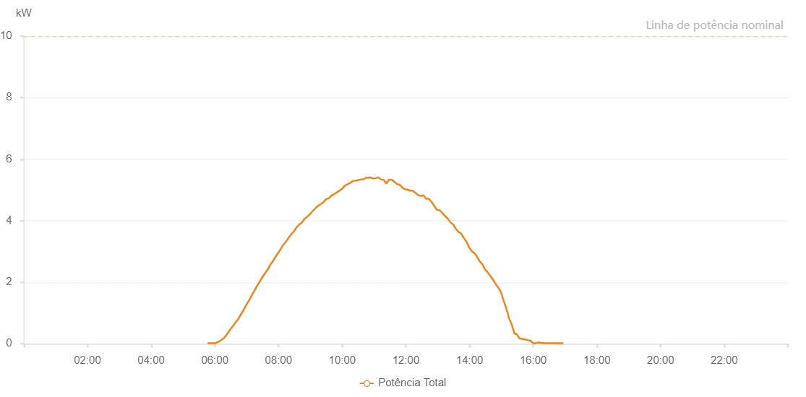

Number | Time | Working State | Alarm Code | Total Inverter Power(W)
1 | 26/06/2023 05:46:16 (UTC-4:00) | Normal |  | 20.000
2 | 26/06/2023 05:51:18 (UTC-4:00) | Normal |  | 20.000
3 | 26/06/2023 05:56:16 (UTC-4:00) | Normal |  | 20.000
4 | 26/06/2023 06:01:18 (UTC-4:00) | Normal |  | 20.000
5 | 26/06/2023 06:06:24 (UTC-4:00) | Normal |  | 60.000
6 | 26/06/2023 06:12:04 (UTC-4:00) | Normal |  | 120.000
7 | 26/06/2023 06:16:33 (UTC-4:00) | Normal |  | 180.000
8 | 26/06/2023 06:21:37 (UTC-4:00) | Normal |  | 280.000
9 | 26/06/2023 06:26:41 (UTC-4:00) | Normal |  | 410.000
10 | 26/06/2023 06:31:44 (UTC-4:00) | Normal |  | 520.000
11 | 26/06/2023 06:37:12 (UTC-4:00) | Normal |  | 650.000
12 | 26/06/2023 06:38:01 (UTC-4:00) | Normal |  | 670.000
13 | 26/06/2023 06:43:31 (UTC-4:00) | Normal |  | 790.000
14 | 26/06/2023 06:48:28 (UTC-4:00) | Normal |  | 940.000
15 | 26/06/2023 06:53:36 (UTC-4:00) | Normal |  | 1080.000
16 | 26/06/2023 06:58:30 (UTC-4:00) | Normal |  | 1240.000
17 | 26/06/2023 07:03:31 (UTC-4:00) | Normal |  | 1380.000
18 | 26/06/2023 07:08:31 (UTC-4:00) | Normal |  | 1540.000
19 | 26/06/2023 07:13:32 (UTC-4:00) | Normal |  | 1690.000
20 | 26/06/2023 07:18:32 (UTC-4:00) | Normal |  | 1850.000
21 | 26/06/2023 07:23:34 (UTC-4:00) | Normal |  | 1990.000
22 | 26/06/2023 07:28:37 (UTC-4:00) | Normal |  | 2140.000
23 | 26/06/2023 07:33:37 (UTC-4:00) | Normal |  | 2270.000
24 | 26/06/2023 07:38:41 (UTC-4:00) | Normal |  | 2390.000
25 | 26/06/2023 07:38:53 (UTC-4:00) | Normal |  | 2390.000
26 | 26/06/2023 07:43:45 (UTC-4:00) | Normal |  | 2550.000
27 | 26/06/2023 07:48:46 (UTC-4:00) | Normal |  | 2670.000
28 | 26/06/2023 07:53:47 (UTC-4:00) | Normal |  | 2810.000
29 | 26/06/2023 07:58:47 (UTC-4:00) | Normal |  | 2940.000
30 | 26/06/2023 08:03:50 (UTC-4:00) | Normal |  | 3070.000
31 | 26/06/2023 08:08:50 (UTC-4:00) | Normal |  | 3210.000
32 | 26/06/2023 08:13:51 (UTC-4:00) | Normal |  | 3320.000
33 | 26/06/2023 08:18:51 (UTC-4:00) | Normal |  | 3440.000
34 | 26/06/2023 08:23:57 (UTC-4:00) | Normal |  | 3560.000
35 | 26/06/2023 08:28:52 (UTC-4:00) | Normal |  | 3650.000
36 | 26/06/2023 08:33:53 (UTC-4:00) | Normal |  | 3780.000
37 | 26/06/2023 08:38:55 (UTC-4:00) | Normal |  | 3870.000
38 | 26/06/2023 08:43:55 (UTC-4:00) | Normal |  | 3940.000
39 | 26/06/2023 08:49:00 (UTC-4:00) | Normal |  | 4060.000
40 | 26/06/2023 08:54:04 (UTC-4:00) | Normal |  | 4130.000
41 | 26/06/2023 08:59:10 (UTC-4:00) | Normal |  | 4210.000
42 | 26/06/2023 09:04:15 (UTC-4:00) | Normal |  | 4310.000
43 | 26/06/2023 09:09:21 (UTC-4:00) | Normal |  | 4400.000
44 | 26/06/2023 09:14:25 (UTC-4:00) | Normal |  | 4480.000
45 | 26/06/2023 09:19:31 (UTC-4:00) | Normal |  | 4540.000
46 | 26/06/2023 09:19:43 (UTC-4:00) | Normal |  | 4540.000
47 | 26/06/2023 09:24:34 (UTC-4:00) | Normal |  | 4600.000
48 | 26/06/2023 09:29:39 (UTC-4:00) | Normal |  | 4700.000
49 | 26/06/2023 09:29:56 (UTC-4:00) | Normal |  | 4700.000
50 | 26/06/2023 09:34:44 (UTC-4:00) | Normal |  | 4730.000
51 | 26/06/2023 09:39:55 (UTC-4:00) | Normal |  | 4820.000
52 | 26/06/2023 09:44:54 (UTC-4:00) | Normal |  | 4860.000
53 | 26/06/2023 09:49:57 (UTC-4:00) | Normal |  | 4920.000
54 | 26/06/2023 09:50:09 (UTC-4:00) | Normal |  | 4920.000
55 | 26/06/2023 09:55:02 (UTC-4:00) | Normal |  | 4980.000
56 | 26/06/2023 10:00:06 (UTC-4:00) | Normal |  | 5040.000
57 | 26/06/2023 10:05:12 (UTC-4:00) | Normal |  | 5140.000
58 | 26/06/2023 10:10:19 (UTC-4:00) | Normal |  | 5190.000
59 | 26/06/2023 10:15:20 (UTC-4:00) | Normal |  | 5230.000
60 | 26/06/2023 10:20:24 (UTC-4:00) | Normal |  | 5290.000
61 | 26/06/2023 10:20:36 (UTC-4:00) | Normal |  | 5290.000
62 | 26/06/2023 10:25:25 (UTC-4:00) | Normal |  | 5300.000
63 | 26/06/2023 10:30:27 (UTC-4:00) | Normal |  | 5320.000
64 | 26/06/2023 10:30:41 (UTC-4:00) | Normal |  | 5320.000
65 | 26/06/2023 10:35:45 (UTC-4:00) | Normal |  | 5340.000
66 | 26/06/2023 10:35:46 (UTC-4:00) | Normal |  | 5340.000
67 | 26/06/2023 10:40:29 (UTC-4:00) | Normal |  | 5350.000
68 | 26/06/2023 10:45:29 (UTC-4:00) | Normal |  | 5400.000
69 | 26/06/2023 10:47:51 (UTC-4:00) | Normal |  | 5390.000
70 | 26/06/2023 10:52:40 (UTC-4:00) | Normal |  | 5410.000
71 | 26/06/2023 10:58:04 (UTC-4:00) | Normal |  | 5370.000
72 | 26/06/2023 11:03:04 (UTC-4:00) | Normal |  | 5380.000
73 | 26/06/2023 11:08:05 (UTC-4:00) | Normal |  | 5410.000
74 | 26/06/2023 11:13:05 (UTC-4:00) | Normal |  | 5340.000
75 | 26/06/2023 11:18:06 (UTC-4:00) | Normal |  | 5330.000
76 | 26/06/2023 11:23:06 (UTC-4:00) | Normal |  | 5210.000
77 | 26/06/2023 11:28:06 (UTC-4:00) | Normal |  | 5330.000
78 | 26/06/2023 11:33:07 (UTC-4:00) | Normal |  | 5330.000
79 | 26/06/2023 11:38:09 (UTC-4:00) | Normal |  | 5270.000
80 | 26/06/2023 11:43:09 (UTC-4:00) | Normal |  | 5190.000
81 | 26/06/2023 11:48:10 (UTC-4:00) | Normal |  | 5170.000
82 | 26/06/2023 11:53:12 (UTC-4:00) | Normal |  | 5080.000
83 | 26/06/2023 11:58:13 (UTC-4:00) | Normal |  | 5020.000
84 | 26/06/2023 12:03:13 (UTC-4:00) | Normal |  | 5010.000
85 | 26/06/2023 12:08:15 (UTC-4:00) | Normal |  | 4980.000
86 | 26/06/2023 12:13:16 (UTC-4:00) | Normal |  | 4970.000
87 | 26/06/2023 12:18:16 (UTC-4:00) | Normal |  | 4900.000
88 | 26/06/2023 12:23:16 (UTC-4:00) | Normal |  | 4830.000
89 | 26/06/2023 12:28:17 (UTC-4:00) | Normal |  | 4800.000
90 | 26/06/2023 12:33:17 (UTC-4:00) | Normal |  | 4820.000
91 | 26/06/2023 12:38:18 (UTC-4:00) | Normal |  | 4710.000
92 | 26/06/2023 12:43:21 (UTC-4:00) | Normal |  | 4710.000
93 | 26/06/2023 12:48:26 (UTC-4:00) | Normal |  | 4610.000
94 | 26/06/2023 12:53:31 (UTC-4:00) | Normal |  | 4480.000
95 | 26/06/2023 12:58:33 (UTC-4:00) | Normal |  | 4350.000
96 | 26/06/2023 13:03:52 (UTC-4:00) | Normal |  | 4340.000
97 | 26/06/2023 13:04:03 (UTC-4:00) | Normal |  | 4340.000
98 | 26/06/2023 13:08:44 (UTC-4:00) | Normal |  | 4250.000
99 | 26/06/2023 13:14:02 (UTC-4:00) | Normal |  | 4150.000
100 | 26/06/2023 13:18:50 (UTC-4:00) | Normal |  | 4070.000
101 | 26/06/2023 13:23:57 (UTC-4:00) | Normal |  | 3950.000
102 | 26/06/2023 13:29:11 (UTC-4:00) | Normal |  | 3880.000
103 | 26/06/2023 13:34:15 (UTC-4:00) | Normal |  | 3730.000
104 | 26/06/2023 13:39:48 (UTC-4:00) | Normal |  | 3630.000
105 | 26/06/2023 13:44:10 (UTC-4:00) | Normal |  | 3580.000
106 | 26/06/2023 13:49:10 (UTC-4:00) | Normal |  | 3440.000
107 | 26/06/2023 13:54:10 (UTC-4:00) | Normal |  | 3320.000
108 | 26/06/2023 13:59:11 (UTC-4:00) | Normal |  | 3130.000
109 | 26/06/2023 14:04:27 (UTC-4:00) | Normal |  | 3010.000
110 | 26/06/2023 14:09:39 (UTC-4:00) | Normal |  | 2940.000
111 | 26/06/2023 14:14:13 (UTC-4:00) | Normal |  | 2820.000
112 | 26/06/2023 14:19:13 (UTC-4:00) | Normal |  | 2680.000
113 | 26/06/2023 14:24:22 (UTC-4:00) | Normal |  | 2580.000
114 | 26/06/2023 14:29:19 (UTC-4:00) | Normal |  | 2410.000
115 | 26/06/2023 14:34:20 (UTC-4:00) | Normal |  | 2320.000
116 | 26/06/2023 14:39:20 (UTC-4:00) | Normal |  | 2200.000
117 | 26/06/2023 14:44:20 (UTC-4:00) | Normal |  | 2080.000
118 | 26/06/2023 14:49:21 (UTC-4:00) | Normal |  | 1940.000
119 | 26/06/2023 14:54:21 (UTC-4:00) | Normal |  | 1820.000
120 | 26/06/2023 14:59:21 (UTC-4:00) | Normal |  | 1670.000
121 | 26/06/2023 15:04:21 (UTC-4:00) | Normal |  | 1390.000
122 | 26/06/2023 15:09:22 (UTC-4:00) | Normal |  | 1150.000
123 | 26/06/2023 15:14:22 (UTC-4:00) | Normal |  | 830.000
124 | 26/06/2023 15:19:22 (UTC-4:00) | Normal |  | 630.000
125 | 26/06/2023 15:24:22 (UTC-4:00) | Normal |  | 340.000
126 | 26/06/2023 15:29:28 (UTC-4:00) | Normal |  | 300.000
127 | 26/06/2023 15:34:29 (UTC-4:00) | Normal |  | 170.000
128 | 26/06/2023 15:39:35 (UTC-4:00) | Normal |  | 160.000
129 | 26/06/2023 15:44:39 (UTC-4:00) | Normal |  | 140.000
130 | 26/06/2023 15:49:43 (UTC-4:00) | Normal |  | 120.000
131 | 26/06/2023 15:54:48 (UTC-4:00) | Normal |  | 100.000
132 | 26/06/2023 15:59:52 (UTC-4:00) | Normal |  | 20.000
133 | 26/06/2023 16:04:58 (UTC-4:00) | Normal |  | 20.000
134 | 26/06/2023 16:10:04 (UTC-4:00) | Normal |  | 40.000
135 | 26/06/2023 16:15:09 (UTC-4:00) | Normal |  | 30.000
136 | 26/06/2023 16:15:35 (UTC-4:00) | Normal |  | 30.000
137 | 26/06/2023 16:20:18 (UTC-4:00) | Normal |  | 20.000
138 | 26/06/2023 16:25:18 (UTC-4:00) | Normal |  | 20.000
139 | 26/06/2023 16:25:30 (UTC-4:00) | Normal |  | 20.000
140 | 26/06/2023 16:30:20 (UTC-4:00) | Normal |  | 20.000
141 | 26/06/2023 16:35:24 (UTC-4:00) | Normal |  | 20.000
142 | 26/06/2023 16:40:30 (UTC-4:00) | Normal |  | 20.000
143 | 26/06/2023 16:45:35 (UTC-4:00) | Normal |  | 20.000
144 | 26/06/2023 16:45:47 (UTC-4:00) | Normal |  | 20.000
145 | 26/06/2023 16:46:16 (UTC-4:00) | Normal |  | 20.000
146 | 26/06/2023 16:51:39 (UTC-4:00) | Normal |  | 20.000
147 | 26/06/2023 16:56:39 (UTC-4:00) | Normal |  | 20.000

