Inverter History Report__17-08-
Inverter History Report_28/06/2023_Report

Inverter SN:054B7020C020042 |  | Inverter type:B7
Collector SN:4046045654 |  | Full Load Hours(h):3.25
Rated Power:10000Wp

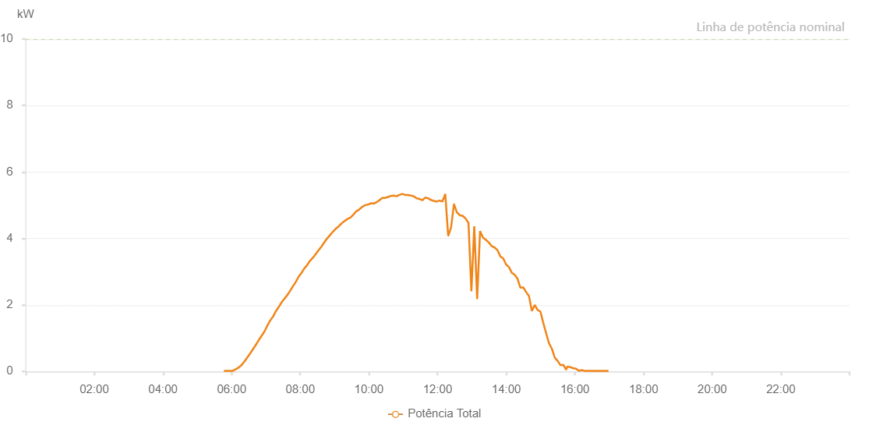

Number | Time | Working State | Alarm Code | Total Inverter Power(W)
1 | 28/06/2023 05:46:27 (UTC-4:00) | Normal |  | 20.000
2 | 28/06/2023 05:51:27 (UTC-4:00) | Normal |  | 20.000
3 | 28/06/2023 05:56:27 (UTC-4:00) | Normal |  | 20.000
4 | 28/06/2023 06:01:29 (UTC-4:00) | Normal |  | 20.000
5 | 28/06/2023 06:01:42 (UTC-4:00) | Normal |  | 20.000
6 | 28/06/2023 06:06:32 (UTC-4:00) | Normal |  | 60.000
7 | 28/06/2023 06:11:32 (UTC-4:00) | Normal |  | 110.000
8 | 28/06/2023 06:16:42 (UTC-4:00) | Normal |  | 180.000
9 | 28/06/2023 06:16:43 (UTC-4:00) | Normal |  | 180.000
10 | 28/06/2023 06:21:33 (UTC-4:00) | Normal |  | 280.000
11 | 28/06/2023 06:26:32 (UTC-4:00) | Normal |  | 400.000
12 | 28/06/2023 06:31:32 (UTC-4:00) | Normal |  | 520.000
13 | 28/06/2023 06:36:32 (UTC-4:00) | Normal |  | 650.000
14 | 28/06/2023 06:41:32 (UTC-4:00) | Normal |  | 780.000
15 | 28/06/2023 06:46:34 (UTC-4:00) | Normal |  | 920.000
16 | 28/06/2023 06:51:32 (UTC-4:00) | Normal |  | 1050.000
17 | 28/06/2023 06:56:32 (UTC-4:00) | Normal |  | 1180.000
18 | 28/06/2023 07:01:36 (UTC-4:00) | Normal |  | 1350.000
19 | 28/06/2023 07:06:40 (UTC-4:00) | Normal |  | 1510.000
20 | 28/06/2023 07:11:45 (UTC-4:00) | Normal |  | 1640.000
21 | 28/06/2023 07:12:11 (UTC-4:00) | Normal |  | 1640.000
22 | 28/06/2023 07:16:51 (UTC-4:00) | Normal |  | 1800.000
23 | 28/06/2023 07:21:55 (UTC-4:00) | Normal |  | 1930.000
24 | 28/06/2023 07:22:07 (UTC-4:00) | Normal |  | 1930.000
25 | 28/06/2023 07:26:57 (UTC-4:00) | Normal |  | 2070.000
26 | 28/06/2023 07:32:01 (UTC-4:00) | Normal |  | 2180.000
27 | 28/06/2023 07:37:01 (UTC-4:00) | Normal |  | 2290.000
28 | 28/06/2023 07:42:01 (UTC-4:00) | Normal |  | 2420.000
29 | 28/06/2023 07:47:01 (UTC-4:00) | Normal |  | 2560.000
30 | 28/06/2023 07:52:02 (UTC-4:00) | Normal |  | 2690.000
31 | 28/06/2023 07:57:02 (UTC-4:00) | Normal |  | 2850.000
32 | 28/06/2023 08:02:02 (UTC-4:00) | Normal |  | 2960.000
33 | 28/06/2023 08:07:02 (UTC-4:00) | Normal |  | 3100.000
34 | 28/06/2023 08:12:02 (UTC-4:00) | Normal |  | 3200.000
35 | 28/06/2023 08:17:01 (UTC-4:00) | Normal |  | 3330.000
36 | 28/06/2023 08:22:01 (UTC-4:00) | Normal |  | 3420.000
37 | 28/06/2023 08:27:01 (UTC-4:00) | Normal |  | 3530.000
38 | 28/06/2023 08:32:02 (UTC-4:00) | Normal |  | 3650.000
39 | 28/06/2023 08:32:04 (UTC-4:00) | Normal |  | 3650.000
40 | 28/06/2023 08:37:08 (UTC-4:00) | Normal |  | 3760.000
41 | 28/06/2023 08:42:11 (UTC-4:00) | Normal |  | 3890.000
42 | 28/06/2023 08:47:16 (UTC-4:00) | Normal |  | 4010.000
43 | 28/06/2023 08:52:20 (UTC-4:00) | Normal |  | 4110.000
44 | 28/06/2023 08:57:25 (UTC-4:00) | Normal |  | 4210.000
45 | 28/06/2023 09:02:26 (UTC-4:00) | Normal |  | 4300.000
46 | 28/06/2023 09:07:30 (UTC-4:00) | Normal |  | 4370.000
47 | 28/06/2023 09:12:35 (UTC-4:00) | Normal |  | 4460.000
48 | 28/06/2023 09:17:39 (UTC-4:00) | Normal |  | 4530.000
49 | 28/06/2023 09:22:42 (UTC-4:00) | Normal |  | 4590.000
50 | 28/06/2023 09:27:48 (UTC-4:00) | Normal |  | 4630.000
51 | 28/06/2023 09:32:54 (UTC-4:00) | Normal |  | 4720.000
52 | 28/06/2023 09:37:56 (UTC-4:00) | Normal |  | 4820.000
53 | 28/06/2023 09:43:00 (UTC-4:00) | Normal |  | 4870.000
54 | 28/06/2023 09:48:05 (UTC-4:00) | Normal |  | 4950.000
55 | 28/06/2023 09:53:07 (UTC-4:00) | Normal |  | 5000.000
56 | 28/06/2023 09:58:11 (UTC-4:00) | Normal |  | 5020.000
57 | 28/06/2023 09:58:23 (UTC-4:00) | Normal |  | 5020.000
58 | 28/06/2023 10:03:13 (UTC-4:00) | Normal |  | 5060.000
59 | 28/06/2023 10:08:13 (UTC-4:00) | Normal |  | 5050.000
60 | 28/06/2023 10:13:15 (UTC-4:00) | Normal |  | 5090.000
61 | 28/06/2023 10:18:15 (UTC-4:00) | Normal |  | 5150.000
62 | 28/06/2023 10:23:13 (UTC-4:00) | Normal |  | 5220.000
63 | 28/06/2023 10:28:13 (UTC-4:00) | Normal |  | 5220.000
64 | 28/06/2023 10:33:13 (UTC-4:00) | Normal |  | 5250.000
65 | 28/06/2023 10:38:13 (UTC-4:00) | Normal |  | 5280.000
66 | 28/06/2023 10:38:25 (UTC-4:00) | Normal |  | 5280.000
67 | 28/06/2023 10:43:13 (UTC-4:00) | Normal |  | 5290.000
68 | 28/06/2023 10:48:13 (UTC-4:00) | Normal |  | 5270.000
69 | 28/06/2023 10:53:13 (UTC-4:00) | Normal |  | 5310.000
70 | 28/06/2023 10:58:13 (UTC-4:00) | Normal |  | 5340.000
71 | 28/06/2023 11:03:17 (UTC-4:00) | Normal |  | 5310.000
72 | 28/06/2023 11:08:19 (UTC-4:00) | Normal |  | 5310.000
73 | 28/06/2023 11:13:19 (UTC-4:00) | Normal |  | 5290.000
74 | 28/06/2023 11:18:19 (UTC-4:00) | Normal |  | 5270.000
75 | 28/06/2023 11:23:19 (UTC-4:00) | Normal |  | 5210.000
76 | 28/06/2023 11:28:19 (UTC-4:00) | Normal |  | 5190.000
77 | 28/06/2023 11:33:19 (UTC-4:00) | Normal |  | 5150.000
78 | 28/06/2023 11:38:19 (UTC-4:00) | Normal |  | 5230.000
79 | 28/06/2023 11:43:19 (UTC-4:00) | Normal |  | 5210.000
80 | 28/06/2023 11:48:18 (UTC-4:00) | Normal |  | 5160.000
81 | 28/06/2023 11:53:18 (UTC-4:00) | Normal |  | 5130.000
82 | 28/06/2023 11:58:19 (UTC-4:00) | Normal |  | 5110.000
83 | 28/06/2023 12:03:21 (UTC-4:00) | Normal |  | 5140.000
84 | 28/06/2023 12:08:23 (UTC-4:00) | Normal |  | 5110.000
85 | 28/06/2023 12:13:24 (UTC-4:00) | Normal |  | 5340.000
86 | 28/06/2023 12:18:29 (UTC-4:00) | Normal |  | 4090.000
87 | 28/06/2023 12:18:55 (UTC-4:00) | Normal |  | 4090.000
88 | 28/06/2023 12:23:33 (UTC-4:00) | Normal |  | 4330.000
89 | 28/06/2023 12:28:38 (UTC-4:00) | Normal |  | 5030.000
90 | 28/06/2023 12:28:49 (UTC-4:00) | Normal |  | 5030.000
91 | 28/06/2023 12:33:40 (UTC-4:00) | Normal |  | 4790.000
92 | 28/06/2023 12:38:45 (UTC-4:00) | Normal |  | 4700.000
93 | 28/06/2023 12:43:49 (UTC-4:00) | Normal |  | 4680.000
94 | 28/06/2023 12:48:54 (UTC-4:00) | Normal |  | 4600.000
95 | 28/06/2023 12:54:00 (UTC-4:00) | Normal |  | 4470.000
96 | 28/06/2023 12:59:04 (UTC-4:00) | Normal |  | 2410.000
97 | 28/06/2023 13:04:06 (UTC-4:00) | Normal |  | 4370.000
98 | 28/06/2023 13:09:10 (UTC-4:00) | Normal |  | 2180.000
99 | 28/06/2023 13:14:13 (UTC-4:00) | Normal |  | 4220.000
100 | 28/06/2023 13:19:18 (UTC-4:00) | Normal |  | 4030.000
101 | 28/06/2023 13:24:23 (UTC-4:00) | Normal |  | 3960.000
102 | 28/06/2023 13:29:28 (UTC-4:00) | Normal |  | 3880.000
103 | 28/06/2023 13:34:31 (UTC-4:00) | Normal |  | 3770.000
104 | 28/06/2023 13:39:38 (UTC-4:00) | Normal |  | 3730.000
105 | 28/06/2023 13:44:39 (UTC-4:00) | Normal |  | 3650.000
106 | 28/06/2023 13:49:43 (UTC-4:00) | Normal |  | 3460.000
107 | 28/06/2023 13:54:42 (UTC-4:00) | Normal |  | 3400.000
108 | 28/06/2023 13:59:42 (UTC-4:00) | Normal |  | 3220.000
109 | 28/06/2023 14:04:43 (UTC-4:00) | Normal |  | 3140.000
110 | 28/06/2023 14:09:43 (UTC-4:00) | Normal |  | 2970.000
111 | 28/06/2023 14:14:43 (UTC-4:00) | Normal |  | 2910.000
112 | 28/06/2023 14:19:43 (UTC-4:00) | Normal |  | 2790.000
113 | 28/06/2023 14:24:43 (UTC-4:00) | Normal |  | 2520.000
114 | 28/06/2023 14:29:43 (UTC-4:00) | Normal |  | 2530.000
115 | 28/06/2023 14:34:42 (UTC-4:00) | Normal |  | 2390.000
116 | 28/06/2023 14:39:43 (UTC-4:00) | Normal |  | 2270.000
117 | 28/06/2023 14:44:43 (UTC-4:00) | Normal |  | 1820.000
118 | 28/06/2023 14:49:43 (UTC-4:00) | Normal |  | 2000.000
119 | 28/06/2023 14:54:45 (UTC-4:00) | Normal |  | 1850.000
120 | 28/06/2023 14:59:44 (UTC-4:00) | Normal |  | 1800.000
121 | 28/06/2023 15:04:44 (UTC-4:00) | Normal |  | 1460.000
122 | 28/06/2023 15:09:44 (UTC-4:00) | Normal |  | 1150.000
123 | 28/06/2023 15:14:44 (UTC-4:00) | Normal |  | 850.000
124 | 28/06/2023 15:19:48 (UTC-4:00) | Normal |  | 680.000
125 | 28/06/2023 15:24:46 (UTC-4:00) | Normal |  | 420.000
126 | 28/06/2023 15:29:46 (UTC-4:00) | Normal |  | 320.000
127 | 28/06/2023 15:34:46 (UTC-4:00) | Normal |  | 190.000
128 | 28/06/2023 15:39:47 (UTC-4:00) | Normal |  | 200.000
129 | 28/06/2023 15:44:46 (UTC-4:00) | Normal |  | 50.000
130 | 28/06/2023 15:46:45 (UTC-4:00) | Normal |  | 150.000
131 | 28/06/2023 15:52:01 (UTC-4:00) | Normal |  | 130.000
132 | 28/06/2023 15:57:01 (UTC-4:00) | Normal |  | 100.000
133 | 28/06/2023 16:02:01 (UTC-4:00) | Normal |  | 80.000
134 | 28/06/2023 16:07:01 (UTC-4:00) | Normal |  | 20.000
135 | 28/06/2023 16:12:00 (UTC-4:00) | Normal |  | 40.000
136 | 28/06/2023 16:16:59 (UTC-4:00) | Normal |  | 20.000
137 | 28/06/2023 16:21:59 (UTC-4:00) | Normal |  | 20.000
138 | 28/06/2023 16:27:00 (UTC-4:00) | Normal |  | 20.000
139 | 28/06/2023 16:32:04 (UTC-4:00) | Normal |  | 20.000
140 | 28/06/2023 16:37:07 (UTC-4:00) | Normal |  | 20.000
141 | 28/06/2023 16:43:16 (UTC-4:00) | Normal |  | 20.000
142 | 28/06/2023 16:48:37 (UTC-4:00) | Normal |  | 20.000
143 | 28/06/2023 16:53:39 (UTC-4:00) | Normal |  | 20.000
144 | 28/06/2023 16:58:41 (UTC-4:00) | Normal |  | 20.000

