Inverter History Report__17-08-
Inverter History Report_01/07/2023_Report

Inverter SN:054B7020C020042 |  | Inverter type:B7
Collector SN:4046045654 |  | Full Load Hours(h):3.17
Rated Power:10000Wp

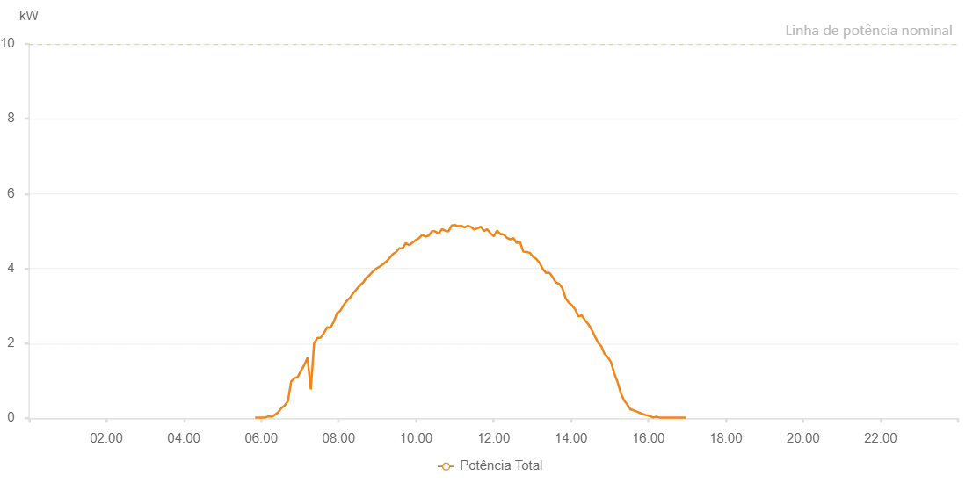

Number | Time | Working State | Alarm Code | Total Inverter Power(W)
1 | 01/07/2023 05:50:34 (UTC-4:00) | Normal |  | 20.000
2 | 01/07/2023 05:55:34 (UTC-4:00) | Normal |  | 20.000
3 | 01/07/2023 06:00:41 (UTC-4:00) | Normal |  | 20.000
4 | 01/07/2023 06:05:47 (UTC-4:00) | Normal |  | 20.000
5 | 01/07/2023 06:10:54 (UTC-4:00) | Normal |  | 50.000
6 | 01/07/2023 06:15:56 (UTC-4:00) | Normal |  | 40.000
7 | 01/07/2023 06:21:00 (UTC-4:00) | Normal |  | 90.000
8 | 01/07/2023 06:26:05 (UTC-4:00) | Normal |  | 160.000
9 | 01/07/2023 06:31:10 (UTC-4:00) | Normal |  | 270.000
10 | 01/07/2023 06:36:16 (UTC-4:00) | Normal |  | 340.000
11 | 01/07/2023 06:41:22 (UTC-4:00) | Normal |  | 460.000
12 | 01/07/2023 06:46:23 (UTC-4:00) | Normal |  | 980.000
13 | 01/07/2023 06:51:28 (UTC-4:00) | Normal |  | 1070.000
14 | 01/07/2023 06:56:34 (UTC-4:00) | Normal |  | 1100.000
15 | 01/07/2023 07:01:41 (UTC-4:00) | Normal |  | 1270.000
16 | 01/07/2023 07:06:43 (UTC-4:00) | Normal |  | 1420.000
17 | 01/07/2023 07:11:46 (UTC-4:00) | Normal |  | 1620.000
18 | 01/07/2023 07:16:52 (UTC-4:00) | Normal |  | 770.000
19 | 01/07/2023 07:21:58 (UTC-4:00) | Normal |  | 2000.000
20 | 01/07/2023 07:27:03 (UTC-4:00) | Normal |  | 2140.000
21 | 01/07/2023 07:32:06 (UTC-4:00) | Normal |  | 2150.000
22 | 01/07/2023 07:37:16 (UTC-4:00) | Normal |  | 2280.000
23 | 01/07/2023 07:42:16 (UTC-4:00) | Normal |  | 2430.000
24 | 01/07/2023 07:47:20 (UTC-4:00) | Normal |  | 2420.000
25 | 01/07/2023 07:52:26 (UTC-4:00) | Normal |  | 2580.000
26 | 01/07/2023 07:57:31 (UTC-4:00) | Normal |  | 2810.000
27 | 01/07/2023 08:02:35 (UTC-4:00) | Normal |  | 2870.000
28 | 01/07/2023 08:07:39 (UTC-4:00) | Normal |  | 3020.000
29 | 01/07/2023 08:12:44 (UTC-4:00) | Normal |  | 3140.000
30 | 01/07/2023 08:17:49 (UTC-4:00) | Normal |  | 3220.000
31 | 01/07/2023 08:22:57 (UTC-4:00) | Normal |  | 3350.000
32 | 01/07/2023 08:27:59 (UTC-4:00) | Normal |  | 3450.000
33 | 01/07/2023 08:33:06 (UTC-4:00) | Normal |  | 3550.000
34 | 01/07/2023 08:38:11 (UTC-4:00) | Normal |  | 3630.000
35 | 01/07/2023 08:43:13 (UTC-4:00) | Normal |  | 3760.000
36 | 01/07/2023 08:48:19 (UTC-4:00) | Normal |  | 3830.000
37 | 01/07/2023 08:53:22 (UTC-4:00) | Normal |  | 3930.000
38 | 01/07/2023 08:53:34 (UTC-4:00) | Normal |  | 3930.000
39 | 01/07/2023 08:58:27 (UTC-4:00) | Normal |  | 4000.000
40 | 01/07/2023 09:03:31 (UTC-4:00) | Normal |  | 4050.000
41 | 01/07/2023 09:08:36 (UTC-4:00) | Normal |  | 4110.000
42 | 01/07/2023 09:13:42 (UTC-4:00) | Normal |  | 4180.000
43 | 01/07/2023 09:18:47 (UTC-4:00) | Normal |  | 4280.000
44 | 01/07/2023 09:23:50 (UTC-4:00) | Normal |  | 4380.000
45 | 01/07/2023 09:28:56 (UTC-4:00) | Normal |  | 4440.000
46 | 01/07/2023 09:33:58 (UTC-4:00) | Normal |  | 4540.000
47 | 01/07/2023 09:39:03 (UTC-4:00) | Normal |  | 4540.000
48 | 01/07/2023 09:44:09 (UTC-4:00) | Normal |  | 4680.000
49 | 01/07/2023 09:49:14 (UTC-4:00) | Normal |  | 4620.000
50 | 01/07/2023 09:54:21 (UTC-4:00) | Normal |  | 4690.000
51 | 01/07/2023 09:59:25 (UTC-4:00) | Normal |  | 4760.000
52 | 01/07/2023 10:04:32 (UTC-4:00) | Normal |  | 4810.000
53 | 01/07/2023 10:09:36 (UTC-4:00) | Normal |  | 4900.000
54 | 01/07/2023 10:14:41 (UTC-4:00) | Normal |  | 4850.000
55 | 01/07/2023 10:19:43 (UTC-4:00) | Normal |  | 4880.000
56 | 01/07/2023 10:24:48 (UTC-4:00) | Normal |  | 5000.000
57 | 01/07/2023 10:29:54 (UTC-4:00) | Normal |  | 4990.000
58 | 01/07/2023 10:35:05 (UTC-4:00) | Normal |  | 4930.000
59 | 01/07/2023 10:40:04 (UTC-4:00) | Normal |  | 5050.000
60 | 01/07/2023 10:45:13 (UTC-4:00) | Normal |  | 5010.000
61 | 01/07/2023 10:50:08 (UTC-4:00) | Normal |  | 4990.000
62 | 01/07/2023 10:55:11 (UTC-4:00) | Normal |  | 5150.000
63 | 01/07/2023 11:00:11 (UTC-4:00) | Normal |  | 5160.000
64 | 01/07/2023 11:05:11 (UTC-4:00) | Normal |  | 5130.000
65 | 01/07/2023 11:10:12 (UTC-4:00) | Normal |  | 5140.000
66 | 01/07/2023 11:15:11 (UTC-4:00) | Normal |  | 5100.000
67 | 01/07/2023 11:20:11 (UTC-4:00) | Normal |  | 5140.000
68 | 01/07/2023 11:25:17 (UTC-4:00) | Normal |  | 5110.000
69 | 01/07/2023 11:30:12 (UTC-4:00) | Normal |  | 5040.000
70 | 01/07/2023 11:35:13 (UTC-4:00) | Normal |  | 5070.000
71 | 01/07/2023 11:40:18 (UTC-4:00) | Normal |  | 5120.000
72 | 01/07/2023 11:45:15 (UTC-4:00) | Normal |  | 5000.000
73 | 01/07/2023 11:50:18 (UTC-4:00) | Normal |  | 5050.000
74 | 01/07/2023 11:55:22 (UTC-4:00) | Normal |  | 4940.000
75 | 01/07/2023 12:00:27 (UTC-4:00) | Normal |  | 4860.000
76 | 01/07/2023 12:05:35 (UTC-4:00) | Normal |  | 5010.000
77 | 01/07/2023 12:10:38 (UTC-4:00) | Normal |  | 4920.000
78 | 01/07/2023 12:15:45 (UTC-4:00) | Normal |  | 4910.000
79 | 01/07/2023 12:20:47 (UTC-4:00) | Normal |  | 4820.000
80 | 01/07/2023 12:25:50 (UTC-4:00) | Normal |  | 4780.000
81 | 01/07/2023 12:30:55 (UTC-4:00) | Normal |  | 4810.000
82 | 01/07/2023 12:35:59 (UTC-4:00) | Normal |  | 4680.000
83 | 01/07/2023 12:41:09 (UTC-4:00) | Normal |  | 4710.000
84 | 01/07/2023 12:46:11 (UTC-4:00) | Normal |  | 4450.000
85 | 01/07/2023 12:51:15 (UTC-4:00) | Normal |  | 4440.000
86 | 01/07/2023 12:56:21 (UTC-4:00) | Normal |  | 4420.000
87 | 01/07/2023 13:01:23 (UTC-4:00) | Normal |  | 4310.000
88 | 01/07/2023 13:01:35 (UTC-4:00) | Normal |  | 4310.000
89 | 01/07/2023 13:06:36 (UTC-4:00) | Normal |  | 4250.000
90 | 01/07/2023 13:11:49 (UTC-4:00) | Normal |  | 4140.000
91 | 01/07/2023 13:16:35 (UTC-4:00) | Normal |  | 3980.000
92 | 01/07/2023 13:21:36 (UTC-4:00) | Normal |  | 3880.000
93 | 01/07/2023 13:26:36 (UTC-4:00) | Normal |  | 3890.000
94 | 01/07/2023 13:31:38 (UTC-4:00) | Normal |  | 3770.000
95 | 01/07/2023 13:36:38 (UTC-4:00) | Normal |  | 3630.000
96 | 01/07/2023 13:41:39 (UTC-4:00) | Normal |  | 3590.000
97 | 01/07/2023 13:46:39 (UTC-4:00) | Normal |  | 3480.000
98 | 01/07/2023 13:51:40 (UTC-4:00) | Normal |  | 3210.000
99 | 01/07/2023 13:56:40 (UTC-4:00) | Normal |  | 3090.000
100 | 01/07/2023 14:01:41 (UTC-4:00) | Normal |  | 3010.000
101 | 01/07/2023 14:06:41 (UTC-4:00) | Normal |  | 2910.000
102 | 01/07/2023 14:11:42 (UTC-4:00) | Normal |  | 2720.000
103 | 01/07/2023 14:16:43 (UTC-4:00) | Normal |  | 2750.000
104 | 01/07/2023 14:21:49 (UTC-4:00) | Normal |  | 2620.000
105 | 01/07/2023 14:26:54 (UTC-4:00) | Normal |  | 2510.000
106 | 01/07/2023 14:32:00 (UTC-4:00) | Normal |  | 2370.000
107 | 01/07/2023 14:37:03 (UTC-4:00) | Normal |  | 2190.000
108 | 01/07/2023 14:42:07 (UTC-4:00) | Normal |  | 2020.000
109 | 01/07/2023 14:47:10 (UTC-4:00) | Normal |  | 1920.000
110 | 01/07/2023 14:52:10 (UTC-4:00) | Normal |  | 1720.000
111 | 01/07/2023 14:57:12 (UTC-4:00) | Normal |  | 1630.000
112 | 01/07/2023 15:02:10 (UTC-4:00) | Normal |  | 1500.000
113 | 01/07/2023 15:07:10 (UTC-4:00) | Normal |  | 1200.000
114 | 01/07/2023 15:12:11 (UTC-4:00) | Normal |  | 970.000
115 | 01/07/2023 15:17:24 (UTC-4:00) | Normal |  | 670.000
116 | 01/07/2023 15:17:25 (UTC-4:00) | Normal |  | 670.000
117 | 01/07/2023 15:22:12 (UTC-4:00) | Normal |  | 480.000
118 | 01/07/2023 15:27:12 (UTC-4:00) | Normal |  | 370.000
119 | 01/07/2023 15:32:13 (UTC-4:00) | Normal |  | 240.000
120 | 01/07/2023 15:37:13 (UTC-4:00) | Normal |  | 210.000
121 | 01/07/2023 15:42:18 (UTC-4:00) | Normal |  | 180.000
122 | 01/07/2023 15:47:23 (UTC-4:00) | Normal |  | 140.000
123 | 01/07/2023 15:51:51 (UTC-4:00) | Normal |  | 110.000
124 | 01/07/2023 15:57:10 (UTC-4:00) | Normal |  | 80.000
125 | 01/07/2023 16:02:12 (UTC-4:00) | Normal |  | 60.000
126 | 01/07/2023 16:07:19 (UTC-4:00) | Normal |  | 20.000
127 | 01/07/2023 16:12:17 (UTC-4:00) | Normal |  | 40.000
128 | 01/07/2023 16:17:19 (UTC-4:00) | Normal |  | 20.000
129 | 01/07/2023 16:22:21 (UTC-4:00) | Normal |  | 20.000
130 | 01/07/2023 16:27:28 (UTC-4:00) | Normal |  | 20.000
131 | 01/07/2023 16:32:33 (UTC-4:00) | Normal |  | 20.000
132 | 01/07/2023 16:37:40 (UTC-4:00) | Normal |  | 20.000
133 | 01/07/2023 16:42:46 (UTC-4:00) | Normal |  | 20.000
134 | 01/07/2023 16:47:52 (UTC-4:00) | Normal |  | 20.000
135 | 01/07/2023 16:52:58 (UTC-4:00) | Normal |  | 20.000
136 | 01/07/2023 16:58:07 (UTC-4:00) | Normal |  | 20.000

