Inverter History Report__17-08-
Inverter History Report_02/07/2023_Report

Inverter SN:054B7020C020042 |  | Inverter type:B7
Collector SN:4046045654 |  | Full Load Hours(h):3.20
Rated Power:10000Wp

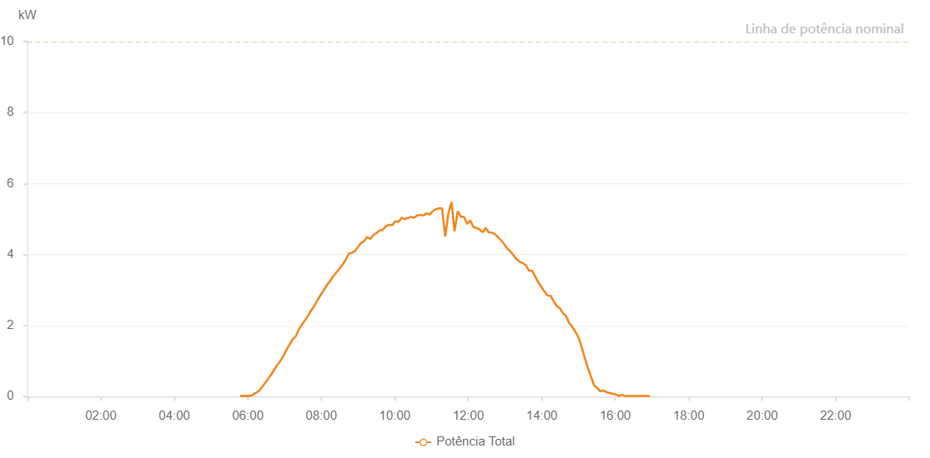

Number | Time | Working State | Alarm Code | Total Inverter Power(W)
1 | 02/07/2023 05:47:03 (UTC-4:00) | Normal |  | 20.000
2 | 02/07/2023 05:52:06 (UTC-4:00) | Normal |  | 20.000
3 | 02/07/2023 05:57:05 (UTC-4:00) | Normal |  | 20.000
4 | 02/07/2023 06:02:08 (UTC-4:00) | Normal |  | 20.000
5 | 02/07/2023 06:07:14 (UTC-4:00) | Normal |  | 40.000
6 | 02/07/2023 06:12:16 (UTC-4:00) | Normal |  | 100.000
7 | 02/07/2023 06:17:21 (UTC-4:00) | Normal |  | 150.000
8 | 02/07/2023 06:22:34 (UTC-4:00) | Normal |  | 260.000
9 | 02/07/2023 06:27:31 (UTC-4:00) | Normal |  | 370.000
10 | 02/07/2023 06:32:35 (UTC-4:00) | Normal |  | 490.000
11 | 02/07/2023 06:37:39 (UTC-4:00) | Normal |  | 610.000
12 | 02/07/2023 06:42:44 (UTC-4:00) | Normal |  | 750.000
13 | 02/07/2023 06:47:49 (UTC-4:00) | Normal |  | 880.000
14 | 02/07/2023 06:52:56 (UTC-4:00) | Normal |  | 1000.000
15 | 02/07/2023 06:58:03 (UTC-4:00) | Normal |  | 1150.000
16 | 02/07/2023 07:03:06 (UTC-4:00) | Normal |  | 1320.000
17 | 02/07/2023 07:08:12 (UTC-4:00) | Normal |  | 1470.000
18 | 02/07/2023 07:13:14 (UTC-4:00) | Normal |  | 1620.000
19 | 02/07/2023 07:13:25 (UTC-4:00) | Normal |  | 1620.000
20 | 02/07/2023 07:18:14 (UTC-4:00) | Normal |  | 1700.000
21 | 02/07/2023 07:23:15 (UTC-4:00) | Normal |  | 1890.000
22 | 02/07/2023 07:28:15 (UTC-4:00) | Normal |  | 2030.000
23 | 02/07/2023 07:33:18 (UTC-4:00) | Normal |  | 2150.000
24 | 02/07/2023 07:38:24 (UTC-4:00) | Normal |  | 2280.000
25 | 02/07/2023 07:43:18 (UTC-4:00) | Normal |  | 2430.000
26 | 02/07/2023 07:48:19 (UTC-4:00) | Normal |  | 2550.000
27 | 02/07/2023 07:53:21 (UTC-4:00) | Normal |  | 2710.000
28 | 02/07/2023 07:58:20 (UTC-4:00) | Normal |  | 2850.000
29 | 02/07/2023 08:03:28 (UTC-4:00) | Normal |  | 2980.000
30 | 02/07/2023 08:08:22 (UTC-4:00) | Normal |  | 3130.000
31 | 02/07/2023 08:13:41 (UTC-4:00) | Normal |  | 3240.000
32 | 02/07/2023 08:13:43 (UTC-4:00) | Normal |  | 3240.000
33 | 02/07/2023 08:18:29 (UTC-4:00) | Normal |  | 3370.000
34 | 02/07/2023 08:23:34 (UTC-4:00) | Normal |  | 3480.000
35 | 02/07/2023 08:29:04 (UTC-4:00) | Normal |  | 3590.000
36 | 02/07/2023 08:33:44 (UTC-4:00) | Normal |  | 3700.000
37 | 02/07/2023 08:33:56 (UTC-4:00) | Normal |  | 3700.000
38 | 02/07/2023 08:38:58 (UTC-4:00) | Normal |  | 3830.000
39 | 02/07/2023 08:39:19 (UTC-4:00) | Normal |  | 3840.000
40 | 02/07/2023 08:44:43 (UTC-4:00) | Normal |  | 4030.000
41 | 02/07/2023 08:49:46 (UTC-4:00) | Normal |  | 4050.000
42 | 02/07/2023 08:54:47 (UTC-4:00) | Normal |  | 4100.000
43 | 02/07/2023 08:59:49 (UTC-4:00) | Normal |  | 4210.000
44 | 02/07/2023 09:04:50 (UTC-4:00) | Normal |  | 4330.000
45 | 02/07/2023 09:09:52 (UTC-4:00) | Normal |  | 4380.000
46 | 02/07/2023 09:14:54 (UTC-4:00) | Normal |  | 4500.000
47 | 02/07/2023 09:19:55 (UTC-4:00) | Normal |  | 4440.000
48 | 02/07/2023 09:25:00 (UTC-4:00) | Normal |  | 4550.000
49 | 02/07/2023 09:30:07 (UTC-4:00) | Normal |  | 4610.000
50 | 02/07/2023 09:35:12 (UTC-4:00) | Normal |  | 4680.000
51 | 02/07/2023 09:40:19 (UTC-4:00) | Normal |  | 4700.000
52 | 02/07/2023 09:45:26 (UTC-4:00) | Normal |  | 4800.000
53 | 02/07/2023 09:50:33 (UTC-4:00) | Normal |  | 4840.000
54 | 02/07/2023 09:55:39 (UTC-4:00) | Normal |  | 4830.000
55 | 02/07/2023 10:00:45 (UTC-4:00) | Normal |  | 4940.000
56 | 02/07/2023 10:05:51 (UTC-4:00) | Normal |  | 4920.000
57 | 02/07/2023 10:10:58 (UTC-4:00) | Normal |  | 5040.000
58 | 02/07/2023 10:16:03 (UTC-4:00) | Normal |  | 5000.000
59 | 02/07/2023 10:21:07 (UTC-4:00) | Normal |  | 5030.000
60 | 02/07/2023 10:26:12 (UTC-4:00) | Normal |  | 5060.000
61 | 02/07/2023 10:31:21 (UTC-4:00) | Normal |  | 5040.000
62 | 02/07/2023 10:36:23 (UTC-4:00) | Normal |  | 5100.000
63 | 02/07/2023 10:41:30 (UTC-4:00) | Normal |  | 5120.000
64 | 02/07/2023 10:46:36 (UTC-4:00) | Normal |  | 5100.000
65 | 02/07/2023 10:51:42 (UTC-4:00) | Normal |  | 5160.000
66 | 02/07/2023 10:56:49 (UTC-4:00) | Normal |  | 5130.000
67 | 02/07/2023 11:01:55 (UTC-4:00) | Normal |  | 5220.000
68 | 02/07/2023 11:06:59 (UTC-4:00) | Normal |  | 5280.000
69 | 02/07/2023 11:12:06 (UTC-4:00) | Normal |  | 5300.000
70 | 02/07/2023 11:17:10 (UTC-4:00) | Normal |  | 5300.000
71 | 02/07/2023 11:22:17 (UTC-4:00) | Normal |  | 4510.000
72 | 02/07/2023 11:27:23 (UTC-4:00) | Normal |  | 5150.000
73 | 02/07/2023 11:32:30 (UTC-4:00) | Normal |  | 5480.000
74 | 02/07/2023 11:37:33 (UTC-4:00) | Normal |  | 4660.000
75 | 02/07/2023 11:42:40 (UTC-4:00) | Normal |  | 5220.000
76 | 02/07/2023 11:47:47 (UTC-4:00) | Normal |  | 5070.000
77 | 02/07/2023 11:52:53 (UTC-4:00) | Normal |  | 5070.000
78 | 02/07/2023 11:58:00 (UTC-4:00) | Normal |  | 4860.000
79 | 02/07/2023 12:03:05 (UTC-4:00) | Normal |  | 4970.000
80 | 02/07/2023 12:08:14 (UTC-4:00) | Normal |  | 4780.000
81 | 02/07/2023 12:13:16 (UTC-4:00) | Normal |  | 4750.000
82 | 02/07/2023 12:18:18 (UTC-4:00) | Normal |  | 4710.000
83 | 02/07/2023 12:23:19 (UTC-4:00) | Normal |  | 4630.000
84 | 02/07/2023 12:28:21 (UTC-4:00) | Normal |  | 4750.000
85 | 02/07/2023 12:33:22 (UTC-4:00) | Normal |  | 4630.000
86 | 02/07/2023 12:38:24 (UTC-4:00) | Normal |  | 4620.000
87 | 02/07/2023 12:43:25 (UTC-4:00) | Normal |  | 4580.000
88 | 02/07/2023 12:48:27 (UTC-4:00) | Normal |  | 4490.000
89 | 02/07/2023 12:53:28 (UTC-4:00) | Normal |  | 4400.000
90 | 02/07/2023 12:58:32 (UTC-4:00) | Normal |  | 4300.000
91 | 02/07/2023 13:03:33 (UTC-4:00) | Normal |  | 4170.000
92 | 02/07/2023 13:08:35 (UTC-4:00) | Normal |  | 4090.000
93 | 02/07/2023 13:13:36 (UTC-4:00) | Normal |  | 3990.000
94 | 02/07/2023 13:18:42 (UTC-4:00) | Normal |  | 3870.000
95 | 02/07/2023 13:23:54 (UTC-4:00) | Normal |  | 3800.000
96 | 02/07/2023 13:28:53 (UTC-4:00) | Normal |  | 3760.000
97 | 02/07/2023 13:33:59 (UTC-4:00) | Normal |  | 3700.000
98 | 02/07/2023 13:39:04 (UTC-4:00) | Normal |  | 3550.000
99 | 02/07/2023 13:44:12 (UTC-4:00) | Normal |  | 3550.000
100 | 02/07/2023 13:49:15 (UTC-4:00) | Normal |  | 3380.000
101 | 02/07/2023 13:54:17 (UTC-4:00) | Normal |  | 3220.000
102 | 02/07/2023 13:59:19 (UTC-4:00) | Normal |  | 3090.000
103 | 02/07/2023 14:04:20 (UTC-4:00) | Normal |  | 2960.000
104 | 02/07/2023 14:09:21 (UTC-4:00) | Normal |  | 2850.000
105 | 02/07/2023 14:14:24 (UTC-4:00) | Normal |  | 2840.000
106 | 02/07/2023 14:19:28 (UTC-4:00) | Normal |  | 2680.000
107 | 02/07/2023 14:24:27 (UTC-4:00) | Normal |  | 2550.000
108 | 02/07/2023 14:29:29 (UTC-4:00) | Normal |  | 2490.000
109 | 02/07/2023 14:34:30 (UTC-4:00) | Normal |  | 2350.000
110 | 02/07/2023 14:39:32 (UTC-4:00) | Normal |  | 2270.000
111 | 02/07/2023 14:44:33 (UTC-4:00) | Normal |  | 2080.000
112 | 02/07/2023 14:49:39 (UTC-4:00) | Normal |  | 1970.000
113 | 02/07/2023 14:54:45 (UTC-4:00) | Normal |  | 1830.000
114 | 02/07/2023 14:59:50 (UTC-4:00) | Normal |  | 1670.000
115 | 02/07/2023 15:04:57 (UTC-4:00) | Normal |  | 1410.000
116 | 02/07/2023 15:10:03 (UTC-4:00) | Normal |  | 1100.000
117 | 02/07/2023 15:15:12 (UTC-4:00) | Normal |  | 810.000
118 | 02/07/2023 15:20:14 (UTC-4:00) | Normal |  | 570.000
119 | 02/07/2023 15:25:16 (UTC-4:00) | Normal |  | 320.000
120 | 02/07/2023 15:30:17 (UTC-4:00) | Normal |  | 250.000
121 | 02/07/2023 15:35:19 (UTC-4:00) | Normal |  | 150.000
122 | 02/07/2023 15:40:21 (UTC-4:00) | Normal |  | 170.000
123 | 02/07/2023 15:45:22 (UTC-4:00) | Normal |  | 130.000
124 | 02/07/2023 15:50:26 (UTC-4:00) | Normal |  | 100.000
125 | 02/07/2023 15:55:27 (UTC-4:00) | Normal |  | 80.000
126 | 02/07/2023 16:00:30 (UTC-4:00) | Normal |  | 60.000
127 | 02/07/2023 16:05:33 (UTC-4:00) | Normal |  | 20.000
128 | 02/07/2023 16:10:34 (UTC-4:00) | Normal |  | 50.000
129 | 02/07/2023 16:15:36 (UTC-4:00) | Normal |  | 20.000
130 | 02/07/2023 16:20:37 (UTC-4:00) | Normal |  | 20.000
131 | 02/07/2023 16:25:41 (UTC-4:00) | Normal |  | 20.000
132 | 02/07/2023 16:30:47 (UTC-4:00) | Normal |  | 20.000
133 | 02/07/2023 16:35:56 (UTC-4:00) | Normal |  | 20.000
134 | 02/07/2023 16:41:00 (UTC-4:00) | Normal |  | 20.000
135 | 02/07/2023 16:46:05 (UTC-4:00) | Normal |  | 20.000
136 | 02/07/2023 16:51:13 (UTC-4:00) | Normal |  | 20.000
137 | 02/07/2023 16:56:19 (UTC-4:00) | Normal |  | 20.000

