Inverter History Report__17-08-
Inverter History Report_03/07/2023_Report

Inverter SN:054B7020C020042 |  | Inverter type:B7
Collector SN:4046045654 |  | Full Load Hours(h):3.36
Rated Power:10000Wp

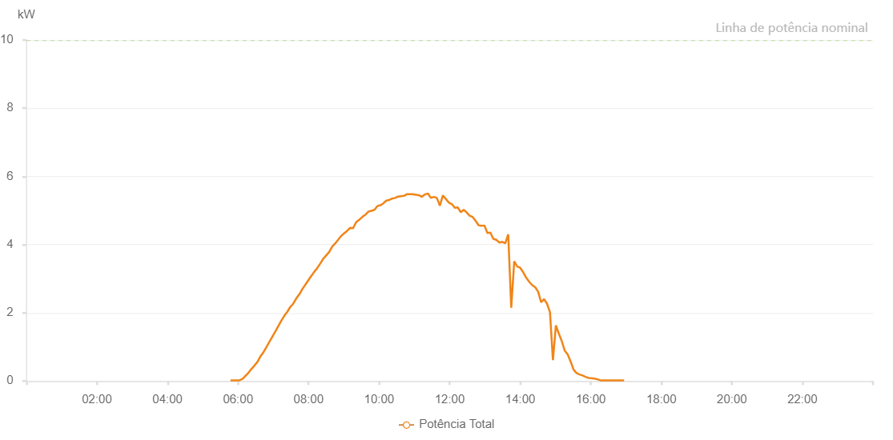

Number | Time | Working State | Alarm Code | Total Inverter Power(W)
1 | 03/07/2023 05:47:18 (UTC-4:00) | Normal |  | 20.000
2 | 03/07/2023 05:52:24 (UTC-4:00) | Normal |  | 20.000
3 | 03/07/2023 05:57:19 (UTC-4:00) | Normal |  | 20.000
4 | 03/07/2023 06:02:24 (UTC-4:00) | Normal |  | 20.000
5 | 03/07/2023 06:07:45 (UTC-4:00) | Normal |  | 60.000
6 | 03/07/2023 06:07:46 (UTC-4:00) | Normal |  | 60.000
7 | 03/07/2023 06:12:33 (UTC-4:00) | Normal |  | 150.000
8 | 03/07/2023 06:17:40 (UTC-4:00) | Normal |  | 240.000
9 | 03/07/2023 06:22:44 (UTC-4:00) | Normal |  | 350.000
10 | 03/07/2023 06:27:50 (UTC-4:00) | Normal |  | 450.000
11 | 03/07/2023 06:32:59 (UTC-4:00) | Normal |  | 560.000
12 | 03/07/2023 06:38:04 (UTC-4:00) | Normal |  | 720.000
13 | 03/07/2023 06:43:08 (UTC-4:00) | Normal |  | 840.000
14 | 03/07/2023 06:48:11 (UTC-4:00) | Normal |  | 990.000
15 | 03/07/2023 06:53:17 (UTC-4:00) | Normal |  | 1150.000
16 | 03/07/2023 06:53:28 (UTC-4:00) | Normal |  | 1150.000
17 | 03/07/2023 06:58:21 (UTC-4:00) | Normal |  | 1300.000
18 | 03/07/2023 07:03:26 (UTC-4:00) | Normal |  | 1450.000
19 | 03/07/2023 07:08:31 (UTC-4:00) | Normal |  | 1610.000
20 | 03/07/2023 07:13:35 (UTC-4:00) | Normal |  | 1770.000
21 | 03/07/2023 07:18:40 (UTC-4:00) | Normal |  | 1910.000
22 | 03/07/2023 07:23:51 (UTC-4:00) | Normal |  | 2030.000
23 | 03/07/2023 07:28:51 (UTC-4:00) | Normal |  | 2170.000
24 | 03/07/2023 07:34:00 (UTC-4:00) | Normal |  | 2270.000
25 | 03/07/2023 07:39:03 (UTC-4:00) | Normal |  | 2420.000
26 | 03/07/2023 07:44:35 (UTC-4:00) | Normal |  | 2550.000
27 | 03/07/2023 07:49:12 (UTC-4:00) | Normal |  | 2690.000
28 | 03/07/2023 07:54:21 (UTC-4:00) | Normal |  | 2820.000
29 | 03/07/2023 07:59:24 (UTC-4:00) | Normal |  | 2950.000
30 | 03/07/2023 08:04:28 (UTC-4:00) | Normal |  | 3080.000
31 | 03/07/2023 08:04:40 (UTC-4:00) | Normal |  | 3080.000
32 | 03/07/2023 08:09:34 (UTC-4:00) | Normal |  | 3200.000
33 | 03/07/2023 08:14:38 (UTC-4:00) | Normal |  | 3310.000
34 | 03/07/2023 08:19:43 (UTC-4:00) | Normal |  | 3440.000
35 | 03/07/2023 08:24:49 (UTC-4:00) | Normal |  | 3580.000
36 | 03/07/2023 08:29:52 (UTC-4:00) | Normal |  | 3680.000
37 | 03/07/2023 08:34:57 (UTC-4:00) | Normal |  | 3780.000
38 | 03/07/2023 08:40:01 (UTC-4:00) | Normal |  | 3940.000
39 | 03/07/2023 08:45:07 (UTC-4:00) | Normal |  | 4030.000
40 | 03/07/2023 08:50:15 (UTC-4:00) | Normal |  | 4140.000
41 | 03/07/2023 08:55:17 (UTC-4:00) | Normal |  | 4250.000
42 | 03/07/2023 09:00:23 (UTC-4:00) | Normal |  | 4330.000
43 | 03/07/2023 09:05:27 (UTC-4:00) | Normal |  | 4400.000
44 | 03/07/2023 09:10:34 (UTC-4:00) | Normal |  | 4490.000
45 | 03/07/2023 09:15:40 (UTC-4:00) | Normal |  | 4480.000
46 | 03/07/2023 09:20:45 (UTC-4:00) | Normal |  | 4650.000
47 | 03/07/2023 09:21:02 (UTC-4:00) | Normal |  | 4650.000
48 | 03/07/2023 09:21:34 (UTC-4:00) | Normal |  | 4670.000
49 | 03/07/2023 09:27:00 (UTC-4:00) | Normal |  | 4740.000
50 | 03/07/2023 09:31:59 (UTC-4:00) | Normal |  | 4820.000
51 | 03/07/2023 09:37:01 (UTC-4:00) | Normal |  | 4880.000
52 | 03/07/2023 09:42:03 (UTC-4:00) | Normal |  | 4970.000
53 | 03/07/2023 09:47:04 (UTC-4:00) | Normal |  | 4990.000
54 | 03/07/2023 09:52:06 (UTC-4:00) | Normal |  | 5020.000
55 | 03/07/2023 09:57:08 (UTC-4:00) | Normal |  | 5130.000
56 | 03/07/2023 10:02:58 (UTC-4:00) | Normal |  | 5160.000
57 | 03/07/2023 10:07:10 (UTC-4:00) | Normal |  | 5210.000
58 | 03/07/2023 10:12:13 (UTC-4:00) | Normal |  | 5290.000
59 | 03/07/2023 10:17:15 (UTC-4:00) | Normal |  | 5310.000
60 | 03/07/2023 10:22:16 (UTC-4:00) | Normal |  | 5350.000
61 | 03/07/2023 10:27:23 (UTC-4:00) | Normal |  | 5370.000
62 | 03/07/2023 10:32:19 (UTC-4:00) | Normal |  | 5410.000
63 | 03/07/2023 10:37:20 (UTC-4:00) | Normal |  | 5420.000
64 | 03/07/2023 10:42:22 (UTC-4:00) | Normal |  | 5430.000
65 | 03/07/2023 10:47:24 (UTC-4:00) | Normal |  | 5480.000
66 | 03/07/2023 10:52:26 (UTC-4:00) | Normal |  | 5480.000
67 | 03/07/2023 10:57:27 (UTC-4:00) | Normal |  | 5480.000
68 | 03/07/2023 11:02:32 (UTC-4:00) | Normal |  | 5460.000
69 | 03/07/2023 11:02:44 (UTC-4:00) | Normal |  | 5460.000
70 | 03/07/2023 11:07:37 (UTC-4:00) | Normal |  | 5450.000
71 | 03/07/2023 11:12:46 (UTC-4:00) | Normal |  | 5400.000
72 | 03/07/2023 11:17:47 (UTC-4:00) | Normal |  | 5470.000
73 | 03/07/2023 11:22:53 (UTC-4:00) | Normal |  | 5500.000
74 | 03/07/2023 11:27:58 (UTC-4:00) | Normal |  | 5370.000
75 | 03/07/2023 11:33:07 (UTC-4:00) | Normal |  | 5400.000
76 | 03/07/2023 11:38:12 (UTC-4:00) | Normal |  | 5370.000
77 | 03/07/2023 11:43:18 (UTC-4:00) | Normal |  | 5140.000
78 | 03/07/2023 11:48:24 (UTC-4:00) | Normal |  | 5440.000
79 | 03/07/2023 11:53:29 (UTC-4:00) | Normal |  | 5340.000
80 | 03/07/2023 11:58:35 (UTC-4:00) | Normal |  | 5230.000
81 | 03/07/2023 12:03:40 (UTC-4:00) | Normal |  | 5190.000
82 | 03/07/2023 12:08:46 (UTC-4:00) | Normal |  | 5080.000
83 | 03/07/2023 12:13:52 (UTC-4:00) | Normal |  | 5090.000
84 | 03/07/2023 12:18:55 (UTC-4:00) | Normal |  | 4950.000
85 | 03/07/2023 12:23:56 (UTC-4:00) | Normal |  | 5020.000
86 | 03/07/2023 12:28:58 (UTC-4:00) | Normal |  | 4940.000
87 | 03/07/2023 12:33:59 (UTC-4:00) | Normal |  | 4850.000
88 | 03/07/2023 12:39:01 (UTC-4:00) | Normal |  | 4810.000
89 | 03/07/2023 12:44:03 (UTC-4:00) | Normal |  | 4700.000
90 | 03/07/2023 12:49:04 (UTC-4:00) | Normal |  | 4570.000
91 | 03/07/2023 12:54:06 (UTC-4:00) | Normal |  | 4550.000
92 | 03/07/2023 12:59:07 (UTC-4:00) | Normal |  | 4560.000
93 | 03/07/2023 13:04:10 (UTC-4:00) | Normal |  | 4340.000
94 | 03/07/2023 13:09:11 (UTC-4:00) | Normal |  | 4350.000
95 | 03/07/2023 13:14:13 (UTC-4:00) | Normal |  | 4170.000
96 | 03/07/2023 13:19:16 (UTC-4:00) | Normal |  | 4140.000
97 | 03/07/2023 13:24:22 (UTC-4:00) | Normal |  | 4060.000
98 | 03/07/2023 13:29:28 (UTC-4:00) | Normal |  | 4080.000
99 | 03/07/2023 13:34:34 (UTC-4:00) | Normal |  | 4040.000
100 | 03/07/2023 13:39:36 (UTC-4:00) | Normal |  | 4300.000
101 | 03/07/2023 13:44:42 (UTC-4:00) | Normal |  | 2150.000
102 | 03/07/2023 13:49:47 (UTC-4:00) | Normal |  | 3510.000
103 | 03/07/2023 13:54:53 (UTC-4:00) | Normal |  | 3360.000
104 | 03/07/2023 14:00:00 (UTC-4:00) | Normal |  | 3320.000
105 | 03/07/2023 14:05:03 (UTC-4:00) | Normal |  | 3190.000
106 | 03/07/2023 14:10:11 (UTC-4:00) | Normal |  | 3030.000
107 | 03/07/2023 14:15:15 (UTC-4:00) | Normal |  | 2910.000
108 | 03/07/2023 14:20:23 (UTC-4:00) | Normal |  | 2810.000
109 | 03/07/2023 14:20:35 (UTC-4:00) | Normal |  | 2810.000
110 | 03/07/2023 14:25:27 (UTC-4:00) | Normal |  | 2750.000
111 | 03/07/2023 14:30:29 (UTC-4:00) | Normal |  | 2620.000
112 | 03/07/2023 14:35:30 (UTC-4:00) | Normal |  | 2310.000
113 | 03/07/2023 14:40:32 (UTC-4:00) | Normal |  | 2400.000
114 | 03/07/2023 14:45:34 (UTC-4:00) | Normal |  | 2270.000
115 | 03/07/2023 14:50:35 (UTC-4:00) | Normal |  | 2020.000
116 | 03/07/2023 14:55:37 (UTC-4:00) | Normal |  | 610.000
117 | 03/07/2023 15:00:38 (UTC-4:00) | Normal |  | 1630.000
118 | 03/07/2023 15:05:39 (UTC-4:00) | Normal |  | 1390.000
119 | 03/07/2023 15:10:40 (UTC-4:00) | Normal |  | 1170.000
120 | 03/07/2023 15:15:42 (UTC-4:00) | Normal |  | 890.000
121 | 03/07/2023 15:20:43 (UTC-4:00) | Normal |  | 780.000
122 | 03/07/2023 15:25:45 (UTC-4:00) | Normal |  | 570.000
123 | 03/07/2023 15:30:50 (UTC-4:00) | Normal |  | 330.000
124 | 03/07/2023 15:35:55 (UTC-4:00) | Normal |  | 230.000
125 | 03/07/2023 15:41:02 (UTC-4:00) | Normal |  | 190.000
126 | 03/07/2023 15:46:07 (UTC-4:00) | Normal |  | 160.000
127 | 03/07/2023 15:51:13 (UTC-4:00) | Normal |  | 120.000
128 | 03/07/2023 15:56:18 (UTC-4:00) | Normal |  | 90.000
129 | 03/07/2023 16:01:19 (UTC-4:00) | Normal |  | 80.000
130 | 03/07/2023 16:06:22 (UTC-4:00) | Normal |  | 70.000
131 | 03/07/2023 16:11:23 (UTC-4:00) | Normal |  | 50.000
132 | 03/07/2023 16:16:24 (UTC-4:00) | Normal |  | 20.000
133 | 03/07/2023 16:21:27 (UTC-4:00) | Normal |  | 20.000
134 | 03/07/2023 16:26:28 (UTC-4:00) | Normal |  | 20.000
135 | 03/07/2023 16:31:29 (UTC-4:00) | Normal |  | 20.000
136 | 03/07/2023 16:36:31 (UTC-4:00) | Normal |  | 20.000
137 | 03/07/2023 16:41:32 (UTC-4:00) | Normal |  | 20.000
138 | 03/07/2023 16:46:33 (UTC-4:00) | Normal |  | 20.000
139 | 03/07/2023 16:51:35 (UTC-4:00) | Normal |  | 20.000
140 | 03/07/2023 16:56:40 (UTC-4:00) | Normal |  | 20.000

