Inverter History Report__17-08-
Inverter History Report_06/07/2023_Report

Inverter SN:054B7020C020042 |  | Inverter type:B7
Collector SN:4046045654 |  | Full Load Hours(h):3.24
Rated Power:10000Wp

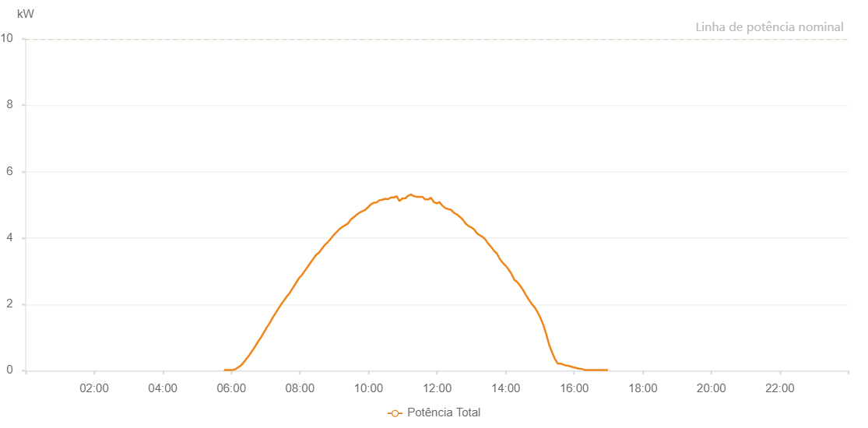

Number | Time | Working State | Alarm Code | Total Inverter Power(W)
1 | 06/07/2023 05:47:01 (UTC-4:00) | Normal |  | 20.000
2 | 06/07/2023 05:52:02 (UTC-4:00) | Normal |  | 20.000
3 | 06/07/2023 05:57:02 (UTC-4:00) | Normal |  | 20.000
4 | 06/07/2023 06:02:02 (UTC-4:00) | Normal |  | 20.000
5 | 06/07/2023 06:07:02 (UTC-4:00) | Normal |  | 40.000
6 | 06/07/2023 06:12:02 (UTC-4:00) | Normal |  | 100.000
7 | 06/07/2023 06:17:04 (UTC-4:00) | Normal |  | 160.000
8 | 06/07/2023 06:22:03 (UTC-4:00) | Normal |  | 260.000
9 | 06/07/2023 06:27:02 (UTC-4:00) | Normal |  | 370.000
10 | 06/07/2023 06:32:02 (UTC-4:00) | Normal |  | 480.000
11 | 06/07/2023 06:37:13 (UTC-4:00) | Normal |  | 620.000
12 | 06/07/2023 06:37:14 (UTC-4:00) | Normal |  | 620.000
13 | 06/07/2023 06:37:29 (UTC-4:00) | Normal |  | 620.000
14 | 06/07/2023 06:42:02 (UTC-4:00) | Normal |  | 740.000
15 | 06/07/2023 06:47:02 (UTC-4:00) | Normal |  | 880.000
16 | 06/07/2023 06:52:06 (UTC-4:00) | Normal |  | 1010.000
17 | 06/07/2023 06:57:09 (UTC-4:00) | Normal |  | 1160.000
18 | 06/07/2023 07:02:16 (UTC-4:00) | Normal |  | 1310.000
19 | 06/07/2023 07:07:20 (UTC-4:00) | Normal |  | 1440.000
20 | 06/07/2023 07:12:25 (UTC-4:00) | Normal |  | 1600.000
21 | 06/07/2023 07:17:36 (UTC-4:00) | Normal |  | 1740.000
22 | 06/07/2023 07:22:35 (UTC-4:00) | Normal |  | 1880.000
23 | 06/07/2023 07:27:40 (UTC-4:00) | Normal |  | 2010.000
24 | 06/07/2023 07:32:42 (UTC-4:00) | Normal |  | 2130.000
25 | 06/07/2023 07:37:47 (UTC-4:00) | Normal |  | 2250.000
26 | 06/07/2023 07:42:49 (UTC-4:00) | Normal |  | 2360.000
27 | 06/07/2023 07:47:53 (UTC-4:00) | Normal |  | 2500.000
28 | 06/07/2023 07:52:58 (UTC-4:00) | Normal |  | 2640.000
29 | 06/07/2023 07:58:02 (UTC-4:00) | Normal |  | 2780.000
30 | 06/07/2023 08:03:07 (UTC-4:00) | Normal |  | 2880.000
31 | 06/07/2023 08:03:19 (UTC-4:00) | Normal |  | 2880.000
32 | 06/07/2023 08:08:10 (UTC-4:00) | Normal |  | 3000.000
33 | 06/07/2023 08:13:14 (UTC-4:00) | Normal |  | 3120.000
34 | 06/07/2023 08:18:19 (UTC-4:00) | Normal |  | 3250.000
35 | 06/07/2023 08:23:23 (UTC-4:00) | Normal |  | 3370.000
36 | 06/07/2023 08:28:28 (UTC-4:00) | Normal |  | 3490.000
37 | 06/07/2023 08:33:32 (UTC-4:00) | Normal |  | 3560.000
38 | 06/07/2023 08:38:38 (UTC-4:00) | Normal |  | 3680.000
39 | 06/07/2023 08:43:43 (UTC-4:00) | Normal |  | 3790.000
40 | 06/07/2023 08:48:45 (UTC-4:00) | Normal |  | 3870.000
41 | 06/07/2023 08:53:45 (UTC-4:00) | Normal |  | 3970.000
42 | 06/07/2023 08:58:46 (UTC-4:00) | Normal |  | 4080.000
43 | 06/07/2023 09:03:46 (UTC-4:00) | Normal |  | 4170.000
44 | 06/07/2023 09:08:48 (UTC-4:00) | Normal |  | 4260.000
45 | 06/07/2023 09:13:48 (UTC-4:00) | Normal |  | 4330.000
46 | 06/07/2023 09:18:49 (UTC-4:00) | Normal |  | 4380.000
47 | 06/07/2023 09:23:49 (UTC-4:00) | Normal |  | 4430.000
48 | 06/07/2023 09:28:49 (UTC-4:00) | Normal |  | 4550.000
49 | 06/07/2023 09:33:49 (UTC-4:00) | Normal |  | 4620.000
50 | 06/07/2023 09:38:49 (UTC-4:00) | Normal |  | 4690.000
51 | 06/07/2023 09:43:49 (UTC-4:00) | Normal |  | 4760.000
52 | 06/07/2023 09:48:49 (UTC-4:00) | Normal |  | 4800.000
53 | 06/07/2023 09:53:52 (UTC-4:00) | Normal |  | 4840.000
54 | 06/07/2023 09:58:56 (UTC-4:00) | Normal |  | 4920.000
55 | 06/07/2023 10:04:02 (UTC-4:00) | Normal |  | 5010.000
56 | 06/07/2023 10:09:08 (UTC-4:00) | Normal |  | 5060.000
57 | 06/07/2023 10:14:11 (UTC-4:00) | Normal |  | 5070.000
58 | 06/07/2023 10:19:14 (UTC-4:00) | Normal |  | 5140.000
59 | 06/07/2023 10:24:14 (UTC-4:00) | Normal |  | 5150.000
60 | 06/07/2023 10:29:14 (UTC-4:00) | Normal |  | 5180.000
61 | 06/07/2023 10:34:14 (UTC-4:00) | Normal |  | 5170.000
62 | 06/07/2023 10:39:14 (UTC-4:00) | Normal |  | 5220.000
63 | 06/07/2023 10:44:14 (UTC-4:00) | Normal |  | 5220.000
64 | 06/07/2023 10:49:14 (UTC-4:00) | Normal |  | 5260.000
65 | 06/07/2023 10:54:14 (UTC-4:00) | Normal |  | 5110.000
66 | 06/07/2023 10:59:14 (UTC-4:00) | Normal |  | 5190.000
67 | 06/07/2023 11:04:14 (UTC-4:00) | Normal |  | 5190.000
68 | 06/07/2023 11:09:14 (UTC-4:00) | Normal |  | 5270.000
69 | 06/07/2023 11:14:14 (UTC-4:00) | Normal |  | 5310.000
70 | 06/07/2023 11:19:16 (UTC-4:00) | Normal |  | 5260.000
71 | 06/07/2023 11:24:16 (UTC-4:00) | Normal |  | 5240.000
72 | 06/07/2023 11:29:18 (UTC-4:00) | Normal |  | 5240.000
73 | 06/07/2023 11:34:19 (UTC-4:00) | Normal |  | 5240.000
74 | 06/07/2023 11:39:19 (UTC-4:00) | Normal |  | 5160.000
75 | 06/07/2023 11:44:19 (UTC-4:00) | Normal |  | 5160.000
76 | 06/07/2023 11:49:19 (UTC-4:00) | Normal |  | 5210.000
77 | 06/07/2023 11:54:19 (UTC-4:00) | Normal |  | 5080.000
78 | 06/07/2023 11:59:20 (UTC-4:00) | Normal |  | 5040.000
79 | 06/07/2023 12:04:20 (UTC-4:00) | Normal |  | 5080.000
80 | 06/07/2023 12:09:20 (UTC-4:00) | Normal |  | 4970.000
81 | 06/07/2023 12:14:20 (UTC-4:00) | Normal |  | 4900.000
82 | 06/07/2023 12:19:20 (UTC-4:00) | Normal |  | 4870.000
83 | 06/07/2023 12:24:22 (UTC-4:00) | Normal |  | 4850.000
84 | 06/07/2023 12:29:27 (UTC-4:00) | Normal |  | 4760.000
85 | 06/07/2023 12:34:33 (UTC-4:00) | Normal |  | 4710.000
86 | 06/07/2023 12:39:36 (UTC-4:00) | Normal |  | 4640.000
87 | 06/07/2023 12:44:40 (UTC-4:00) | Normal |  | 4560.000
88 | 06/07/2023 12:49:40 (UTC-4:00) | Normal |  | 4440.000
89 | 06/07/2023 12:54:40 (UTC-4:00) | Normal |  | 4360.000
90 | 06/07/2023 12:59:40 (UTC-4:00) | Normal |  | 4320.000
91 | 06/07/2023 13:04:40 (UTC-4:00) | Normal |  | 4260.000
92 | 06/07/2023 13:09:40 (UTC-4:00) | Normal |  | 4140.000
93 | 06/07/2023 13:14:40 (UTC-4:00) | Normal |  | 4080.000
94 | 06/07/2023 13:19:40 (UTC-4:00) | Normal |  | 4030.000
95 | 06/07/2023 13:24:40 (UTC-4:00) | Normal |  | 3950.000
96 | 06/07/2023 13:29:40 (UTC-4:00) | Normal |  | 3820.000
97 | 06/07/2023 13:34:40 (UTC-4:00) | Normal |  | 3730.000
98 | 06/07/2023 13:39:40 (UTC-4:00) | Normal |  | 3610.000
99 | 06/07/2023 13:44:44 (UTC-4:00) | Normal |  | 3530.000
100 | 06/07/2023 13:49:48 (UTC-4:00) | Normal |  | 3360.000
101 | 06/07/2023 13:54:53 (UTC-4:00) | Normal |  | 3250.000
102 | 06/07/2023 13:59:58 (UTC-4:00) | Normal |  | 3160.000
103 | 06/07/2023 14:00:10 (UTC-4:00) | Normal |  | 3160.000
104 | 06/07/2023 14:05:02 (UTC-4:00) | Normal |  | 3050.000
105 | 06/07/2023 14:10:05 (UTC-4:00) | Normal |  | 2920.000
106 | 06/07/2023 14:15:10 (UTC-4:00) | Normal |  | 2740.000
107 | 06/07/2023 14:20:16 (UTC-4:00) | Normal |  | 2670.000
108 | 06/07/2023 14:25:20 (UTC-4:00) | Normal |  | 2560.000
109 | 06/07/2023 14:30:24 (UTC-4:00) | Normal |  | 2430.000
110 | 06/07/2023 14:35:28 (UTC-4:00) | Normal |  | 2280.000
111 | 06/07/2023 14:40:34 (UTC-4:00) | Normal |  | 2140.000
112 | 06/07/2023 14:45:38 (UTC-4:00) | Normal |  | 2010.000
113 | 06/07/2023 14:50:43 (UTC-4:00) | Normal |  | 1910.000
114 | 06/07/2023 14:55:48 (UTC-4:00) | Normal |  | 1760.000
115 | 06/07/2023 15:00:51 (UTC-4:00) | Normal |  | 1590.000
116 | 06/07/2023 15:05:55 (UTC-4:00) | Normal |  | 1380.000
117 | 06/07/2023 15:11:00 (UTC-4:00) | Normal |  | 1100.000
118 | 06/07/2023 15:16:04 (UTC-4:00) | Normal |  | 780.000
119 | 06/07/2023 15:21:08 (UTC-4:00) | Normal |  | 550.000
120 | 06/07/2023 15:26:11 (UTC-4:00) | Normal |  | 350.000
121 | 06/07/2023 15:31:15 (UTC-4:00) | Normal |  | 210.000
122 | 06/07/2023 15:36:19 (UTC-4:00) | Normal |  | 210.000
123 | 06/07/2023 15:41:25 (UTC-4:00) | Normal |  | 180.000
124 | 06/07/2023 15:46:28 (UTC-4:00) | Normal |  | 150.000
125 | 06/07/2023 15:47:47 (UTC-4:00) | Normal |  | 150.000
126 | 06/07/2023 15:53:13 (UTC-4:00) | Normal |  | 130.000
127 | 06/07/2023 15:58:14 (UTC-4:00) | Normal |  | 100.000
128 | 06/07/2023 16:03:16 (UTC-4:00) | Normal |  | 80.000
129 | 06/07/2023 16:08:18 (UTC-4:00) | Normal |  | 60.000
130 | 06/07/2023 16:13:22 (UTC-4:00) | Normal |  | 50.000
131 | 06/07/2023 16:18:25 (UTC-4:00) | Normal |  | 20.000
132 | 06/07/2023 16:23:27 (UTC-4:00) | Normal |  | 20.000
133 | 06/07/2023 16:28:31 (UTC-4:00) | Normal |  | 20.000
134 | 06/07/2023 16:33:33 (UTC-4:00) | Normal |  | 20.000
135 | 06/07/2023 16:38:38 (UTC-4:00) | Normal |  | 20.000
136 | 06/07/2023 16:43:47 (UTC-4:00) | Normal |  | 20.000
137 | 06/07/2023 16:48:50 (UTC-4:00) | Normal |  | 20.000
138 | 06/07/2023 16:53:58 (UTC-4:00) | Normal |  | 20.000
139 | 06/07/2023 16:59:02 (UTC-4:00) | Normal |  | 20.000

