Inverter History Report__17-08-
Inverter History Report_07/07/2023_Report

Inverter SN:054B7020C020042 |  | Inverter type:B7
Collector SN:4046045654 |  | Full Load Hours(h):3.20
Rated Power:10000Wp

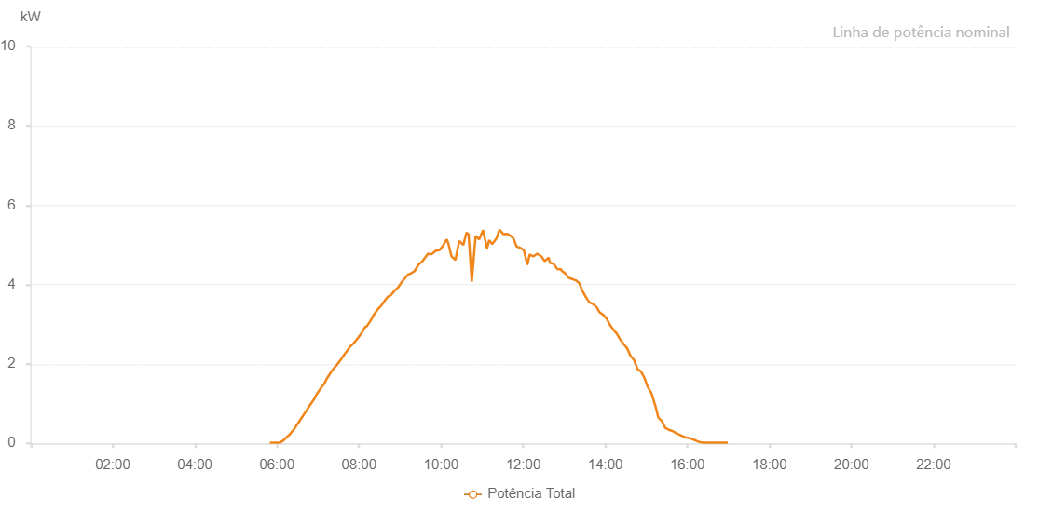

Number | Time | Working State | Alarm Code | Total Inverter Power(W)
1 | 07/07/2023 05:49:40 (UTC-4:00) | Normal |  | 20.000
2 | 07/07/2023 05:54:25 (UTC-4:00) | Normal |  | 20.000
3 | 07/07/2023 05:59:44 (UTC-4:00) | Normal |  | 20.000
4 | 07/07/2023 06:04:34 (UTC-4:00) | Normal |  | 20.000
5 | 07/07/2023 06:09:52 (UTC-4:00) | Normal |  | 80.000
6 | 07/07/2023 06:13:46 (UTC-4:00) | Normal |  | 150.000
7 | 07/07/2023 06:19:01 (UTC-4:00) | Normal |  | 230.000
8 | 07/07/2023 06:25:25 (UTC-4:00) | Normal |  | 370.000
9 | 07/07/2023 06:30:34 (UTC-4:00) | Normal |  | 500.000
10 | 07/07/2023 06:36:26 (UTC-4:00) | Normal |  | 650.000
11 | 07/07/2023 06:41:49 (UTC-4:00) | Normal |  | 790.000
12 | 07/07/2023 06:43:21 (UTC-4:00) | Normal |  | 830.000
13 | 07/07/2023 06:47:45 (UTC-4:00) | Normal |  | 950.000
14 | 07/07/2023 06:53:28 (UTC-4:00) | Normal |  | 1090.000
15 | 07/07/2023 06:58:33 (UTC-4:00) | Normal |  | 1250.000
16 | 07/07/2023 07:03:20 (UTC-4:00) | Normal |  | 1370.000
17 | 07/07/2023 07:09:24 (UTC-4:00) | Normal |  | 1510.000
18 | 07/07/2023 07:12:55 (UTC-4:00) | Normal |  | 1630.000
19 | 07/07/2023 07:17:46 (UTC-4:00) | Normal |  | 1760.000
20 | 07/07/2023 07:22:38 (UTC-4:00) | Normal |  | 1880.000
21 | 07/07/2023 07:27:50 (UTC-4:00) | Normal |  | 1980.000
22 | 07/07/2023 07:33:30 (UTC-4:00) | Normal |  | 2110.000
23 | 07/07/2023 07:38:35 (UTC-4:00) | Normal |  | 2240.000
24 | 07/07/2023 07:42:31 (UTC-4:00) | Normal |  | 2330.000
25 | 07/07/2023 07:47:04 (UTC-4:00) | Normal |  | 2440.000
26 | 07/07/2023 07:51:56 (UTC-4:00) | Normal |  | 2520.000
27 | 07/07/2023 07:57:45 (UTC-4:00) | Normal |  | 2640.000
28 | 07/07/2023 08:03:49 (UTC-4:00) | Normal |  | 2780.000
29 | 07/07/2023 08:08:26 (UTC-4:00) | Normal |  | 2920.000
30 | 07/07/2023 08:12:10 (UTC-4:00) | Normal |  | 2970.000
31 | 07/07/2023 08:17:09 (UTC-4:00) | Normal |  | 3100.000
32 | 07/07/2023 08:21:58 (UTC-4:00) | Normal |  | 3250.000
33 | 07/07/2023 08:27:33 (UTC-4:00) | Normal |  | 3380.000
34 | 07/07/2023 08:32:29 (UTC-4:00) | Normal |  | 3470.000
35 | 07/07/2023 08:38:41 (UTC-4:00) | Normal |  | 3620.000
36 | 07/07/2023 08:41:46 (UTC-4:00) | Normal |  | 3690.000
37 | 07/07/2023 08:46:18 (UTC-4:00) | Normal |  | 3730.000
38 | 07/07/2023 08:52:14 (UTC-4:00) | Normal |  | 3850.000
39 | 07/07/2023 08:57:34 (UTC-4:00) | Normal |  | 3940.000
40 | 07/07/2023 09:02:44 (UTC-4:00) | Normal |  | 4070.000
41 | 07/07/2023 09:07:38 (UTC-4:00) | Normal |  | 4170.000
42 | 07/07/2023 09:11:21 (UTC-4:00) | Normal |  | 4250.000
43 | 07/07/2023 09:16:29 (UTC-4:00) | Normal |  | 4290.000
44 | 07/07/2023 09:21:12 (UTC-4:00) | Normal |  | 4340.000
45 | 07/07/2023 09:27:12 (UTC-4:00) | Normal |  | 4510.000
46 | 07/07/2023 09:32:46 (UTC-4:00) | Normal |  | 4590.000
47 | 07/07/2023 09:37:08 (UTC-4:00) | Normal |  | 4690.000
48 | 07/07/2023 09:40:58 (UTC-4:00) | Normal |  | 4780.000
49 | 07/07/2023 09:45:48 (UTC-4:00) | Normal |  | 4760.000
50 | 07/07/2023 09:51:55 (UTC-4:00) | Normal |  | 4850.000
51 | 07/07/2023 09:57:38 (UTC-4:00) | Normal |  | 4870.000
52 | 07/07/2023 10:02:02 (UTC-4:00) | Normal |  | 4960.000
53 | 07/07/2023 10:08:15 (UTC-4:00) | Normal |  | 5140.000
54 | 07/07/2023 10:10:34 (UTC-4:00) | Normal |  | 5040.000
55 | 07/07/2023 10:15:00 (UTC-4:00) | Normal |  | 4720.000
56 | 07/07/2023 10:20:55 (UTC-4:00) | Normal |  | 4620.000
57 | 07/07/2023 10:26:33 (UTC-4:00) | Normal |  | 5100.000
58 | 07/07/2023 10:32:27 (UTC-4:00) | Normal |  | 5000.000
59 | 07/07/2023 10:37:10 (UTC-4:00) | Normal |  | 5310.000
60 | 07/07/2023 10:40:09 (UTC-4:00) | Normal |  | 5270.000
61 | 07/07/2023 10:44:53 (UTC-4:00) | Normal |  | 4080.000
62 | 07/07/2023 10:50:26 (UTC-4:00) | Normal |  | 5230.000
63 | 07/07/2023 10:55:35 (UTC-4:00) | Normal |  | 5140.000
64 | 07/07/2023 11:01:19 (UTC-4:00) | Normal |  | 5370.000
65 | 07/07/2023 11:07:09 (UTC-4:00) | Normal |  | 4910.000
66 | 07/07/2023 11:10:20 (UTC-4:00) | Normal |  | 5120.000
67 | 07/07/2023 11:14:45 (UTC-4:00) | Normal |  | 5020.000
68 | 07/07/2023 11:20:48 (UTC-4:00) | Normal |  | 5160.000
69 | 07/07/2023 11:25:26 (UTC-4:00) | Normal |  | 5380.000
70 | 07/07/2023 11:31:12 (UTC-4:00) | Normal |  | 5270.000
71 | 07/07/2023 11:36:18 (UTC-4:00) | Normal |  | 5280.000
72 | 07/07/2023 11:39:56 (UTC-4:00) | Normal |  | 5250.000
73 | 07/07/2023 11:45:40 (UTC-4:00) | Normal |  | 5170.000
74 | 07/07/2023 11:50:23 (UTC-4:00) | Normal |  | 4960.000
75 | 07/07/2023 11:55:29 (UTC-4:00) | Normal |  | 4930.000
76 | 07/07/2023 12:01:07 (UTC-4:00) | Normal |  | 4860.000
77 | 07/07/2023 12:06:05 (UTC-4:00) | Normal |  | 4500.000
78 | 07/07/2023 12:09:30 (UTC-4:00) | Normal |  | 4760.000
79 | 07/07/2023 12:14:44 (UTC-4:00) | Normal |  | 4710.000
80 | 07/07/2023 12:20:29 (UTC-4:00) | Normal |  | 4780.000
81 | 07/07/2023 12:26:45 (UTC-4:00) | Normal |  | 4710.000
82 | 07/07/2023 12:31:27 (UTC-4:00) | Normal |  | 4590.000
83 | 07/07/2023 12:37:20 (UTC-4:00) | Normal |  | 4680.000
84 | 07/07/2023 12:39:06 (UTC-4:00) | Normal |  | 4550.000
85 | 07/07/2023 12:44:50 (UTC-4:00) | Normal |  | 4520.000
86 | 07/07/2023 12:50:00 (UTC-4:00) | Normal |  | 4390.000
87 | 07/07/2023 12:55:05 (UTC-4:00) | Normal |  | 4390.000
88 | 07/07/2023 12:56:50 (UTC-4:00) | Normal |  | 4340.000
89 | 07/07/2023 13:01:42 (UTC-4:00) | Normal |  | 4280.000
90 | 07/07/2023 13:06:43 (UTC-4:00) | Normal |  | 4170.000
91 | 07/07/2023 13:11:43 (UTC-4:00) | Normal |  | 4140.000
92 | 07/07/2023 13:16:44 (UTC-4:00) | Normal |  | 4110.000
93 | 07/07/2023 13:21:45 (UTC-4:00) | Normal |  | 4040.000
94 | 07/07/2023 13:26:47 (UTC-4:00) | Normal |  | 3840.000
95 | 07/07/2023 13:31:48 (UTC-4:00) | Normal |  | 3680.000
96 | 07/07/2023 13:36:50 (UTC-4:00) | Normal |  | 3550.000
97 | 07/07/2023 13:41:51 (UTC-4:00) | Normal |  | 3510.000
98 | 07/07/2023 13:46:56 (UTC-4:00) | Normal |  | 3440.000
99 | 07/07/2023 13:51:57 (UTC-4:00) | Normal |  | 3300.000
100 | 07/07/2023 13:57:02 (UTC-4:00) | Normal |  | 3240.000
101 | 07/07/2023 14:02:01 (UTC-4:00) | Normal |  | 3140.000
102 | 07/07/2023 14:07:01 (UTC-4:00) | Normal |  | 2980.000
103 | 07/07/2023 14:12:02 (UTC-4:00) | Normal |  | 2860.000
104 | 07/07/2023 14:17:05 (UTC-4:00) | Normal |  | 2760.000
105 | 07/07/2023 14:22:04 (UTC-4:00) | Normal |  | 2610.000
106 | 07/07/2023 14:27:05 (UTC-4:00) | Normal |  | 2500.000
107 | 07/07/2023 14:32:05 (UTC-4:00) | Normal |  | 2390.000
108 | 07/07/2023 14:37:08 (UTC-4:00) | Normal |  | 2200.000
109 | 07/07/2023 14:42:06 (UTC-4:00) | Normal |  | 2100.000
110 | 07/07/2023 14:47:07 (UTC-4:00) | Normal |  | 1870.000
111 | 07/07/2023 14:52:10 (UTC-4:00) | Normal |  | 1810.000
112 | 07/07/2023 14:57:15 (UTC-4:00) | Normal |  | 1650.000
113 | 07/07/2023 15:02:22 (UTC-4:00) | Normal |  | 1410.000
114 | 07/07/2023 15:07:25 (UTC-4:00) | Normal |  | 1270.000
115 | 07/07/2023 15:12:40 (UTC-4:00) | Normal |  | 970.000
116 | 07/07/2023 15:12:41 (UTC-4:00) | Normal |  | 970.000
117 | 07/07/2023 15:12:52 (UTC-4:00) | Normal |  | 970.000
118 | 07/07/2023 15:17:34 (UTC-4:00) | Normal |  | 650.000
119 | 07/07/2023 15:22:41 (UTC-4:00) | Normal |  | 560.000
120 | 07/07/2023 15:27:47 (UTC-4:00) | Normal |  | 390.000
121 | 07/07/2023 15:32:53 (UTC-4:00) | Normal |  | 340.000
122 | 07/07/2023 15:37:58 (UTC-4:00) | Normal |  | 310.000
123 | 07/07/2023 15:38:24 (UTC-4:00) | Normal |  | 310.000
124 | 07/07/2023 15:43:01 (UTC-4:00) | Normal |  | 260.000
125 | 07/07/2023 15:48:07 (UTC-4:00) | Normal |  | 220.000
126 | 07/07/2023 15:53:10 (UTC-4:00) | Normal |  | 180.000
127 | 07/07/2023 15:58:17 (UTC-4:00) | Normal |  | 150.000
128 | 07/07/2023 16:03:21 (UTC-4:00) | Normal |  | 130.000
129 | 07/07/2023 16:08:25 (UTC-4:00) | Normal |  | 100.000
130 | 07/07/2023 16:13:31 (UTC-4:00) | Normal |  | 60.000
131 | 07/07/2023 16:18:34 (UTC-4:00) | Normal |  | 30.000
132 | 07/07/2023 16:23:40 (UTC-4:00) | Normal |  | 20.000
133 | 07/07/2023 16:28:46 (UTC-4:00) | Normal |  | 20.000
134 | 07/07/2023 16:33:48 (UTC-4:00) | Normal |  | 20.000
135 | 07/07/2023 16:38:53 (UTC-4:00) | Normal |  | 20.000
136 | 07/07/2023 16:43:57 (UTC-4:00) | Normal |  | 20.000
137 | 07/07/2023 16:49:02 (UTC-4:00) | Normal |  | 20.000
138 | 07/07/2023 16:54:06 (UTC-4:00) | Normal |  | 20.000
139 | 07/07/2023 16:59:11 (UTC-4:00) | Normal |  | 20.000

