Inverter History Report__17-08-
Inverter History Report_08/07/2023_Report

Inverter SN:054B7020C020042 |  | Inverter type:B7
Collector SN:4046045654 |  | Full Load Hours(h):2.93
Rated Power:10000Wp

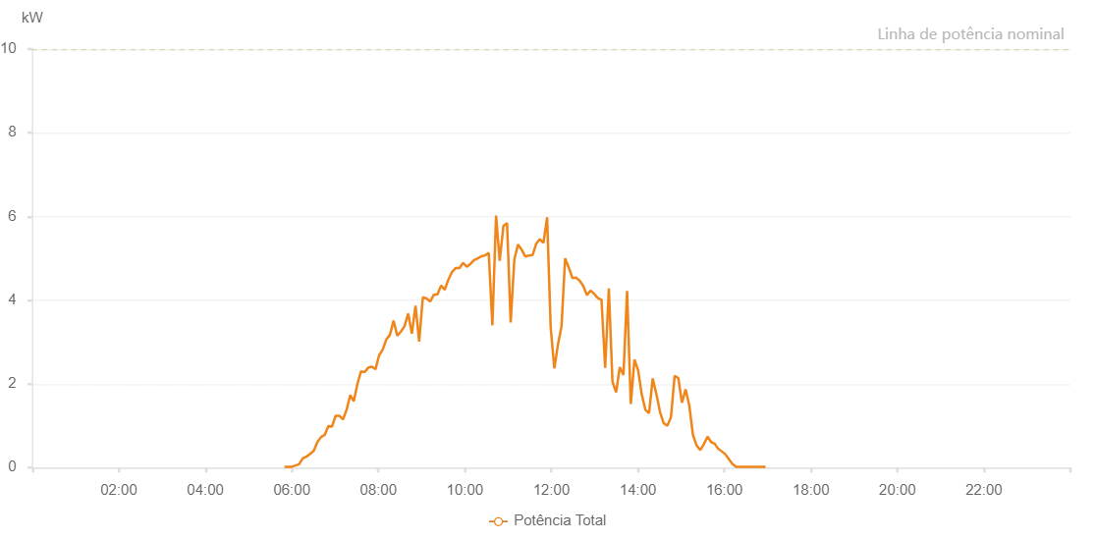

Number | Time | Working State | Alarm Code | Total Inverter Power(W)
1 | 08/07/2023 05:49:50 (UTC-4:00) | Normal |  | 20.000
2 | 08/07/2023 05:54:51 (UTC-4:00) | Normal |  | 20.000
3 | 08/07/2023 05:59:51 (UTC-4:00) | Normal |  | 20.000
4 | 08/07/2023 06:04:52 (UTC-4:00) | Normal |  | 50.000
5 | 08/07/2023 06:09:57 (UTC-4:00) | Normal |  | 80.000
6 | 08/07/2023 06:15:04 (UTC-4:00) | Normal |  | 220.000
7 | 08/07/2023 06:20:08 (UTC-4:00) | Normal |  | 260.000
8 | 08/07/2023 06:25:13 (UTC-4:00) | Normal |  | 330.000
9 | 08/07/2023 06:30:17 (UTC-4:00) | Normal |  | 400.000
10 | 08/07/2023 06:35:22 (UTC-4:00) | Normal |  | 610.000
11 | 08/07/2023 06:40:27 (UTC-4:00) | Normal |  | 730.000
12 | 08/07/2023 06:45:31 (UTC-4:00) | Normal |  | 780.000
13 | 08/07/2023 06:50:34 (UTC-4:00) | Normal |  | 990.000
14 | 08/07/2023 06:55:37 (UTC-4:00) | Normal |  | 980.000
15 | 08/07/2023 07:00:43 (UTC-4:00) | Normal |  | 1240.000
16 | 08/07/2023 07:05:49 (UTC-4:00) | Normal |  | 1240.000
17 | 08/07/2023 07:10:53 (UTC-4:00) | Normal |  | 1150.000
18 | 08/07/2023 07:15:55 (UTC-4:00) | Normal |  | 1380.000
19 | 08/07/2023 07:20:56 (UTC-4:00) | Normal |  | 1730.000
20 | 08/07/2023 07:25:56 (UTC-4:00) | Normal |  | 1590.000
21 | 08/07/2023 07:30:56 (UTC-4:00) | Normal |  | 2000.000
22 | 08/07/2023 07:35:57 (UTC-4:00) | Normal |  | 2300.000
23 | 08/07/2023 07:40:57 (UTC-4:00) | Normal |  | 2280.000
24 | 08/07/2023 07:45:58 (UTC-4:00) | Normal |  | 2390.000
25 | 08/07/2023 07:50:58 (UTC-4:00) | Normal |  | 2410.000
26 | 08/07/2023 07:55:58 (UTC-4:00) | Normal |  | 2350.000
27 | 08/07/2023 08:00:59 (UTC-4:00) | Normal |  | 2680.000
28 | 08/07/2023 08:05:59 (UTC-4:00) | Normal |  | 2820.000
29 | 08/07/2023 08:10:59 (UTC-4:00) | Normal |  | 3060.000
30 | 08/07/2023 08:16:01 (UTC-4:00) | Normal |  | 3170.000
31 | 08/07/2023 08:21:05 (UTC-4:00) | Normal |  | 3510.000
32 | 08/07/2023 08:26:10 (UTC-4:00) | Normal |  | 3150.000
33 | 08/07/2023 08:31:16 (UTC-4:00) | Normal |  | 3250.000
34 | 08/07/2023 08:36:18 (UTC-4:00) | Normal |  | 3380.000
35 | 08/07/2023 08:41:24 (UTC-4:00) | Normal |  | 3680.000
36 | 08/07/2023 08:46:26 (UTC-4:00) | Normal |  | 3200.000
37 | 08/07/2023 08:51:31 (UTC-4:00) | Normal |  | 3870.000
38 | 08/07/2023 08:56:35 (UTC-4:00) | Normal |  | 3010.000
39 | 08/07/2023 09:01:40 (UTC-4:00) | Normal |  | 4070.000
40 | 08/07/2023 09:06:45 (UTC-4:00) | Normal |  | 4040.000
41 | 08/07/2023 09:11:51 (UTC-4:00) | Normal |  | 3970.000
42 | 08/07/2023 09:16:56 (UTC-4:00) | Normal |  | 4130.000
43 | 08/07/2023 09:22:02 (UTC-4:00) | Normal |  | 4140.000
44 | 08/07/2023 09:27:04 (UTC-4:00) | Normal |  | 4350.000
45 | 08/07/2023 09:32:09 (UTC-4:00) | Normal |  | 4250.000
46 | 08/07/2023 09:37:16 (UTC-4:00) | Normal |  | 4500.000
47 | 08/07/2023 09:42:21 (UTC-4:00) | Normal |  | 4680.000
48 | 08/07/2023 09:47:27 (UTC-4:00) | Normal |  | 4770.000
49 | 08/07/2023 09:52:32 (UTC-4:00) | Normal |  | 4770.000
50 | 08/07/2023 09:57:34 (UTC-4:00) | Normal |  | 4890.000
51 | 08/07/2023 10:02:40 (UTC-4:00) | Normal |  | 4800.000
52 | 08/07/2023 10:07:45 (UTC-4:00) | Normal |  | 4870.000
53 | 08/07/2023 10:12:49 (UTC-4:00) | Normal |  | 4960.000
54 | 08/07/2023 10:17:54 (UTC-4:00) | Normal |  | 5000.000
55 | 08/07/2023 10:22:58 (UTC-4:00) | Normal |  | 5050.000
56 | 08/07/2023 10:28:02 (UTC-4:00) | Normal |  | 5070.000
57 | 08/07/2023 10:33:05 (UTC-4:00) | Normal |  | 5130.000
58 | 08/07/2023 10:38:09 (UTC-4:00) | Normal |  | 3400.000
59 | 08/07/2023 10:43:14 (UTC-4:00) | Normal |  | 6020.000
60 | 08/07/2023 10:48:19 (UTC-4:00) | Normal |  | 4940.000
61 | 08/07/2023 10:53:24 (UTC-4:00) | Normal |  | 5770.000
62 | 08/07/2023 10:58:29 (UTC-4:00) | Normal |  | 5840.000
63 | 08/07/2023 11:03:31 (UTC-4:00) | Normal |  | 3470.000
64 | 08/07/2023 11:08:37 (UTC-4:00) | Normal |  | 4980.000
65 | 08/07/2023 11:13:39 (UTC-4:00) | Normal |  | 5330.000
66 | 08/07/2023 11:18:43 (UTC-4:00) | Normal |  | 5210.000
67 | 08/07/2023 11:23:47 (UTC-4:00) | Normal |  | 5040.000
68 | 08/07/2023 11:28:51 (UTC-4:00) | Normal |  | 5070.000
69 | 08/07/2023 11:33:58 (UTC-4:00) | Normal |  | 5080.000
70 | 08/07/2023 11:39:00 (UTC-4:00) | Normal |  | 5350.000
71 | 08/07/2023 11:44:00 (UTC-4:00) | Normal |  | 5460.000
72 | 08/07/2023 11:49:01 (UTC-4:00) | Normal |  | 5370.000
73 | 08/07/2023 11:54:02 (UTC-4:00) | Normal |  | 5980.000
74 | 08/07/2023 11:59:02 (UTC-4:00) | Normal |  | 3350.000
75 | 08/07/2023 12:04:03 (UTC-4:00) | Normal |  | 2370.000
76 | 08/07/2023 12:09:03 (UTC-4:00) | Normal |  | 2930.000
77 | 08/07/2023 12:14:03 (UTC-4:00) | Normal |  | 3380.000
78 | 08/07/2023 12:19:03 (UTC-4:00) | Normal |  | 5000.000
79 | 08/07/2023 12:24:06 (UTC-4:00) | Normal |  | 4780.000
80 | 08/07/2023 12:29:06 (UTC-4:00) | Normal |  | 4530.000
81 | 08/07/2023 12:34:06 (UTC-4:00) | Normal |  | 4540.000
82 | 08/07/2023 12:39:06 (UTC-4:00) | Normal |  | 4470.000
83 | 08/07/2023 12:44:10 (UTC-4:00) | Normal |  | 4340.000
84 | 08/07/2023 12:49:16 (UTC-4:00) | Normal |  | 4120.000
85 | 08/07/2023 12:54:19 (UTC-4:00) | Normal |  | 4230.000
86 | 08/07/2023 12:59:24 (UTC-4:00) | Normal |  | 4150.000
87 | 08/07/2023 13:04:27 (UTC-4:00) | Normal |  | 4050.000
88 | 08/07/2023 13:09:30 (UTC-4:00) | Normal |  | 4010.000
89 | 08/07/2023 13:14:36 (UTC-4:00) | Normal |  | 2380.000
90 | 08/07/2023 13:19:40 (UTC-4:00) | Normal |  | 4280.000
91 | 08/07/2023 13:24:45 (UTC-4:00) | Normal |  | 2050.000
92 | 08/07/2023 13:29:48 (UTC-4:00) | Normal |  | 1800.000
93 | 08/07/2023 13:34:53 (UTC-4:00) | Normal |  | 2400.000
94 | 08/07/2023 13:39:57 (UTC-4:00) | Normal |  | 2210.000
95 | 08/07/2023 13:45:01 (UTC-4:00) | Normal |  | 4220.000
96 | 08/07/2023 13:50:08 (UTC-4:00) | Normal |  | 1520.000
97 | 08/07/2023 13:55:12 (UTC-4:00) | Normal |  | 2580.000
98 | 08/07/2023 14:00:14 (UTC-4:00) | Normal |  | 2330.000
99 | 08/07/2023 14:05:18 (UTC-4:00) | Normal |  | 1750.000
100 | 08/07/2023 14:10:23 (UTC-4:00) | Normal |  | 1380.000
101 | 08/07/2023 14:15:27 (UTC-4:00) | Normal |  | 1300.000
102 | 08/07/2023 14:20:31 (UTC-4:00) | Normal |  | 2130.000
103 | 08/07/2023 14:25:37 (UTC-4:00) | Normal |  | 1760.000
104 | 08/07/2023 14:30:40 (UTC-4:00) | Normal |  | 1330.000
105 | 08/07/2023 14:35:43 (UTC-4:00) | Normal |  | 1060.000
106 | 08/07/2023 14:40:49 (UTC-4:00) | Normal |  | 1000.000
107 | 08/07/2023 14:45:51 (UTC-4:00) | Normal |  | 1200.000
108 | 08/07/2023 14:50:57 (UTC-4:00) | Normal |  | 2190.000
109 | 08/07/2023 14:56:01 (UTC-4:00) | Normal |  | 2140.000
110 | 08/07/2023 15:01:05 (UTC-4:00) | Normal |  | 1550.000
111 | 08/07/2023 15:06:09 (UTC-4:00) | Normal |  | 1870.000
112 | 08/07/2023 15:11:14 (UTC-4:00) | Normal |  | 1490.000
113 | 08/07/2023 15:16:21 (UTC-4:00) | Normal |  | 780.000
114 | 08/07/2023 15:21:25 (UTC-4:00) | Normal |  | 530.000
115 | 08/07/2023 15:26:31 (UTC-4:00) | Normal |  | 420.000
116 | 08/07/2023 15:31:32 (UTC-4:00) | Normal |  | 560.000
117 | 08/07/2023 15:36:33 (UTC-4:00) | Normal |  | 740.000
118 | 08/07/2023 15:41:33 (UTC-4:00) | Normal |  | 610.000
119 | 08/07/2023 15:46:33 (UTC-4:00) | Normal |  | 570.000
120 | 08/07/2023 15:50:51 (UTC-4:00) | Normal |  | 460.000
121 | 08/07/2023 15:56:10 (UTC-4:00) | Normal |  | 390.000
122 | 08/07/2023 16:01:12 (UTC-4:00) | Normal |  | 320.000
123 | 08/07/2023 16:06:14 (UTC-4:00) | Normal |  | 200.000
124 | 08/07/2023 16:11:17 (UTC-4:00) | Normal |  | 80.000
125 | 08/07/2023 16:16:19 (UTC-4:00) | Normal |  | 20.000
126 | 08/07/2023 16:21:22 (UTC-4:00) | Normal |  | 20.000
127 | 08/07/2023 16:26:27 (UTC-4:00) | Normal |  | 20.000
128 | 08/07/2023 16:31:31 (UTC-4:00) | Normal |  | 20.000
129 | 08/07/2023 16:36:39 (UTC-4:00) | Normal |  | 20.000
130 | 08/07/2023 16:41:46 (UTC-4:00) | Normal |  | 20.000
131 | 08/07/2023 16:46:53 (UTC-4:00) | Normal |  | 20.000
132 | 08/07/2023 16:51:56 (UTC-4:00) | Normal |  | 20.000
133 | 08/07/2023 16:57:05 (UTC-4:00) | Normal |  | 20.000

