Inverter History Report__17-08-
Inverter History Report_09/07/2023_Report

Inverter SN:054B7020C020042 |  | Inverter type:B7
Collector SN:4046045654 |  | Full Load Hours(h):0.64
Rated Power:10000Wp

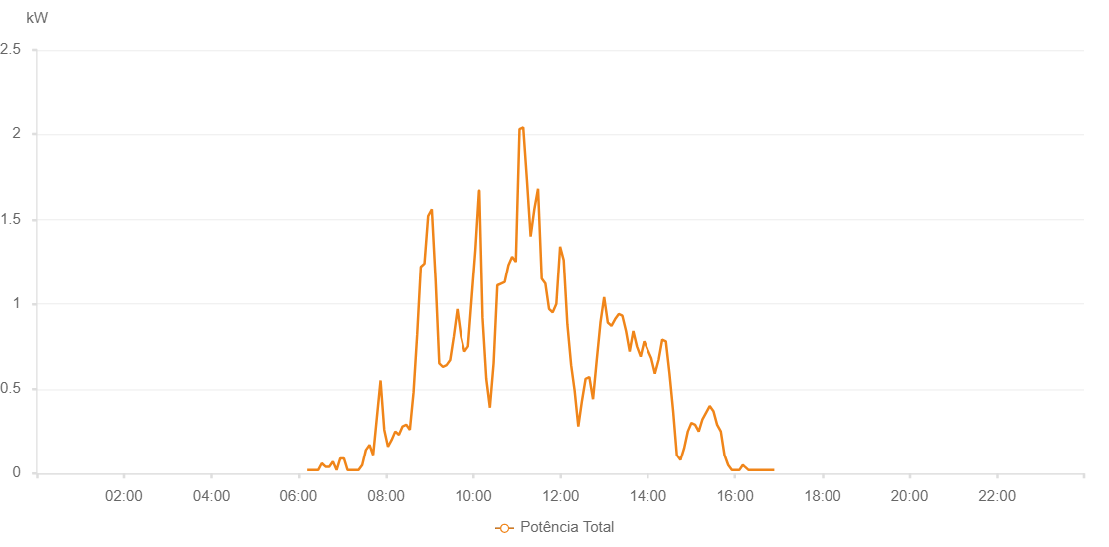

Number | Time | Working State | Alarm Code | Total Inverter Power(W)
1 | 09/07/2023 06:12:03 (UTC-4:00) | Normal |  | 20.000
2 | 09/07/2023 06:17:03 (UTC-4:00) | Normal |  | 20.000
3 | 09/07/2023 06:22:05 (UTC-4:00) | Normal |  | 20.000
4 | 09/07/2023 06:27:05 (UTC-4:00) | Normal |  | 20.000
5 | 09/07/2023 06:32:05 (UTC-4:00) | Normal |  | 60.000
6 | 09/07/2023 06:37:10 (UTC-4:00) | Normal |  | 40.000
7 | 09/07/2023 06:42:14 (UTC-4:00) | Normal |  | 40.000
8 | 09/07/2023 06:47:15 (UTC-4:00) | Normal |  | 70.000
9 | 09/07/2023 06:52:16 (UTC-4:00) | Normal |  | 20.000
10 | 09/07/2023 06:57:16 (UTC-4:00) | Normal |  | 90.000
11 | 09/07/2023 07:02:16 (UTC-4:00) | Normal |  | 90.000
12 | 09/07/2023 07:07:17 (UTC-4:00) | Normal |  | 20.000
13 | 09/07/2023 07:12:17 (UTC-4:00) | Normal |  | 20.000
14 | 09/07/2023 07:17:17 (UTC-4:00) | Normal |  | 20.000
15 | 09/07/2023 07:22:17 (UTC-4:00) | Normal |  | 20.000
16 | 09/07/2023 07:27:18 (UTC-4:00) | Normal |  | 50.000
17 | 09/07/2023 07:32:18 (UTC-4:00) | Normal |  | 140.000
18 | 09/07/2023 07:37:20 (UTC-4:00) | Normal |  | 170.000
19 | 09/07/2023 07:42:19 (UTC-4:00) | Normal |  | 110.000
20 | 09/07/2023 07:47:22 (UTC-4:00) | Normal |  | 330.000
21 | 09/07/2023 07:52:27 (UTC-4:00) | Normal |  | 550.000
22 | 09/07/2023 07:57:30 (UTC-4:00) | Normal |  | 260.000
23 | 09/07/2023 08:02:35 (UTC-4:00) | Normal |  | 160.000
24 | 09/07/2023 08:07:35 (UTC-4:00) | Normal |  | 200.000
25 | 09/07/2023 08:12:35 (UTC-4:00) | Normal |  | 250.000
26 | 09/07/2023 08:17:35 (UTC-4:00) | Normal |  | 230.000
27 | 09/07/2023 08:22:36 (UTC-4:00) | Normal |  | 280.000
28 | 09/07/2023 08:27:36 (UTC-4:00) | Normal |  | 290.000
29 | 09/07/2023 08:32:36 (UTC-4:00) | Normal |  | 260.000
30 | 09/07/2023 08:37:38 (UTC-4:00) | Normal |  | 480.000
31 | 09/07/2023 08:42:37 (UTC-4:00) | Normal |  | 820.000
32 | 09/07/2023 08:47:37 (UTC-4:00) | Normal |  | 1220.000
33 | 09/07/2023 08:52:39 (UTC-4:00) | Normal |  | 1240.000
34 | 09/07/2023 08:57:39 (UTC-4:00) | Normal |  | 1520.000
35 | 09/07/2023 09:02:43 (UTC-4:00) | Normal |  | 1560.000
36 | 09/07/2023 09:07:48 (UTC-4:00) | Normal |  | 1150.000
37 | 09/07/2023 09:12:54 (UTC-4:00) | Normal |  | 650.000
38 | 09/07/2023 09:17:55 (UTC-4:00) | Normal |  | 630.000
39 | 09/07/2023 09:22:59 (UTC-4:00) | Normal |  | 640.000
40 | 09/07/2023 09:27:59 (UTC-4:00) | Normal |  | 670.000
41 | 09/07/2023 09:33:00 (UTC-4:00) | Normal |  | 810.000
42 | 09/07/2023 09:38:00 (UTC-4:00) | Normal |  | 970.000
43 | 09/07/2023 09:43:02 (UTC-4:00) | Normal |  | 810.000
44 | 09/07/2023 09:48:00 (UTC-4:00) | Normal |  | 720.000
45 | 09/07/2023 09:53:01 (UTC-4:00) | Normal |  | 750.000
46 | 09/07/2023 09:58:01 (UTC-4:00) | Normal |  | 1030.000
47 | 09/07/2023 10:03:14 (UTC-4:00) | Normal |  | 1320.000
48 | 09/07/2023 10:08:14 (UTC-4:00) | Normal |  | 1670.000
49 | 09/07/2023 10:08:15 (UTC-4:00) | Normal |  | 1670.000
50 | 09/07/2023 10:08:41 (UTC-4:00) | Normal |  | 1670.000
51 | 09/07/2023 10:13:07 (UTC-4:00) | Normal |  | 920.000
52 | 09/07/2023 10:18:15 (UTC-4:00) | Normal |  | 560.000
53 | 09/07/2023 10:23:14 (UTC-4:00) | Normal |  | 390.000
54 | 09/07/2023 10:28:20 (UTC-4:00) | Normal |  | 650.000
55 | 09/07/2023 10:33:24 (UTC-4:00) | Normal |  | 1110.000
56 | 09/07/2023 10:38:27 (UTC-4:00) | Normal |  | 1120.000
57 | 09/07/2023 10:43:32 (UTC-4:00) | Normal |  | 1130.000
58 | 09/07/2023 10:48:35 (UTC-4:00) | Normal |  | 1230.000
59 | 09/07/2023 10:53:40 (UTC-4:00) | Normal |  | 1280.000
60 | 09/07/2023 10:58:45 (UTC-4:00) | Normal |  | 1250.000
61 | 09/07/2023 11:03:48 (UTC-4:00) | Normal |  | 2030.000
62 | 09/07/2023 11:08:54 (UTC-4:00) | Normal |  | 2040.000
63 | 09/07/2023 11:13:59 (UTC-4:00) | Normal |  | 1730.000
64 | 09/07/2023 11:19:01 (UTC-4:00) | Normal |  | 1400.000
65 | 09/07/2023 11:24:07 (UTC-4:00) | Normal |  | 1560.000
66 | 09/07/2023 11:29:11 (UTC-4:00) | Normal |  | 1680.000
67 | 09/07/2023 11:34:14 (UTC-4:00) | Normal |  | 1150.000
68 | 09/07/2023 11:39:14 (UTC-4:00) | Normal |  | 1120.000
69 | 09/07/2023 11:44:14 (UTC-4:00) | Normal |  | 970.000
70 | 09/07/2023 11:49:14 (UTC-4:00) | Normal |  | 950.000
71 | 09/07/2023 11:54:14 (UTC-4:00) | Normal |  | 1000.000
72 | 09/07/2023 11:59:22 (UTC-4:00) | Normal |  | 1340.000
73 | 09/07/2023 12:04:17 (UTC-4:00) | Normal |  | 1260.000
74 | 09/07/2023 12:09:19 (UTC-4:00) | Normal |  | 880.000
75 | 09/07/2023 12:14:30 (UTC-4:00) | Normal |  | 640.000
76 | 09/07/2023 12:19:17 (UTC-4:00) | Normal |  | 490.000
77 | 09/07/2023 12:24:17 (UTC-4:00) | Normal |  | 280.000
78 | 09/07/2023 12:29:17 (UTC-4:00) | Normal |  | 430.000
79 | 09/07/2023 12:34:18 (UTC-4:00) | Normal |  | 560.000
80 | 09/07/2023 12:39:23 (UTC-4:00) | Normal |  | 570.000
81 | 09/07/2023 12:44:29 (UTC-4:00) | Normal |  | 440.000
82 | 09/07/2023 12:49:33 (UTC-4:00) | Normal |  | 670.000
83 | 09/07/2023 12:54:38 (UTC-4:00) | Normal |  | 890.000
84 | 09/07/2023 12:59:43 (UTC-4:00) | Normal |  | 1040.000
85 | 09/07/2023 13:04:45 (UTC-4:00) | Normal |  | 890.000
86 | 09/07/2023 13:09:47 (UTC-4:00) | Normal |  | 870.000
87 | 09/07/2023 13:14:50 (UTC-4:00) | Normal |  | 910.000
88 | 09/07/2023 13:19:48 (UTC-4:00) | Normal |  | 940.000
89 | 09/07/2023 13:24:48 (UTC-4:00) | Normal |  | 930.000
90 | 09/07/2023 13:29:50 (UTC-4:00) | Normal |  | 840.000
91 | 09/07/2023 13:34:50 (UTC-4:00) | Normal |  | 720.000
92 | 09/07/2023 13:39:50 (UTC-4:00) | Normal |  | 840.000
93 | 09/07/2023 13:44:50 (UTC-4:00) | Normal |  | 750.000
94 | 09/07/2023 13:49:58 (UTC-4:00) | Normal |  | 690.000
95 | 09/07/2023 13:54:55 (UTC-4:00) | Normal |  | 780.000
96 | 09/07/2023 13:59:53 (UTC-4:00) | Normal |  | 730.000
97 | 09/07/2023 14:04:59 (UTC-4:00) | Normal |  | 680.000
98 | 09/07/2023 14:10:06 (UTC-4:00) | Normal |  | 590.000
99 | 09/07/2023 14:15:08 (UTC-4:00) | Normal |  | 670.000
100 | 09/07/2023 14:20:08 (UTC-4:00) | Normal |  | 790.000
101 | 09/07/2023 14:25:08 (UTC-4:00) | Normal |  | 780.000
102 | 09/07/2023 14:30:10 (UTC-4:00) | Normal |  | 590.000
103 | 09/07/2023 14:35:12 (UTC-4:00) | Normal |  | 370.000
104 | 09/07/2023 14:40:12 (UTC-4:00) | Normal |  | 110.000
105 | 09/07/2023 14:45:12 (UTC-4:00) | Normal |  | 80.000
106 | 09/07/2023 14:50:15 (UTC-4:00) | Normal |  | 150.000
107 | 09/07/2023 14:55:18 (UTC-4:00) | Normal |  | 250.000
108 | 09/07/2023 15:00:16 (UTC-4:00) | Normal |  | 300.000
109 | 09/07/2023 15:05:17 (UTC-4:00) | Normal |  | 290.000
110 | 09/07/2023 15:10:17 (UTC-4:00) | Normal |  | 250.000
111 | 09/07/2023 15:15:17 (UTC-4:00) | Normal |  | 320.000
112 | 09/07/2023 15:20:18 (UTC-4:00) | Normal |  | 360.000
113 | 09/07/2023 15:25:18 (UTC-4:00) | Normal |  | 400.000
114 | 09/07/2023 15:30:21 (UTC-4:00) | Normal |  | 370.000
115 | 09/07/2023 15:35:26 (UTC-4:00) | Normal |  | 290.000
116 | 09/07/2023 15:40:32 (UTC-4:00) | Normal |  | 250.000
117 | 09/07/2023 15:45:35 (UTC-4:00) | Normal |  | 110.000
118 | 09/07/2023 15:50:35 (UTC-4:00) | Normal |  | 50.000
119 | 09/07/2023 15:55:36 (UTC-4:00) | Normal |  | 20.000
120 | 09/07/2023 16:00:42 (UTC-4:00) | Normal |  | 20.000
121 | 09/07/2023 16:05:48 (UTC-4:00) | Normal |  | 20.000
122 | 09/07/2023 16:10:36 (UTC-4:00) | Normal |  | 50.000
123 | 09/07/2023 16:13:13 (UTC-4:00) | Normal |  | 40.000
124 | 09/07/2023 16:18:32 (UTC-4:00) | Normal |  | 20.000
125 | 09/07/2023 16:23:34 (UTC-4:00) | Normal |  | 20.000
126 | 09/07/2023 16:28:35 (UTC-4:00) | Normal |  | 20.000
127 | 09/07/2023 16:33:37 (UTC-4:00) | Normal |  | 20.000
128 | 09/07/2023 16:38:38 (UTC-4:00) | Normal |  | 20.000
129 | 09/07/2023 16:43:42 (UTC-4:00) | Normal |  | 20.000
130 | 09/07/2023 16:48:43 (UTC-4:00) | Normal |  | 20.000
131 | 09/07/2023 16:53:49 (UTC-4:00) | Normal |  | 20.000

