Inverter History Report__17-08-
Inverter History Report_10/07/2023_Report

Inverter SN:054B7020C020042 |  | Inverter type:B7
Collector SN:4046045654 |  | Full Load Hours(h):1.64
Rated Power:10000Wp

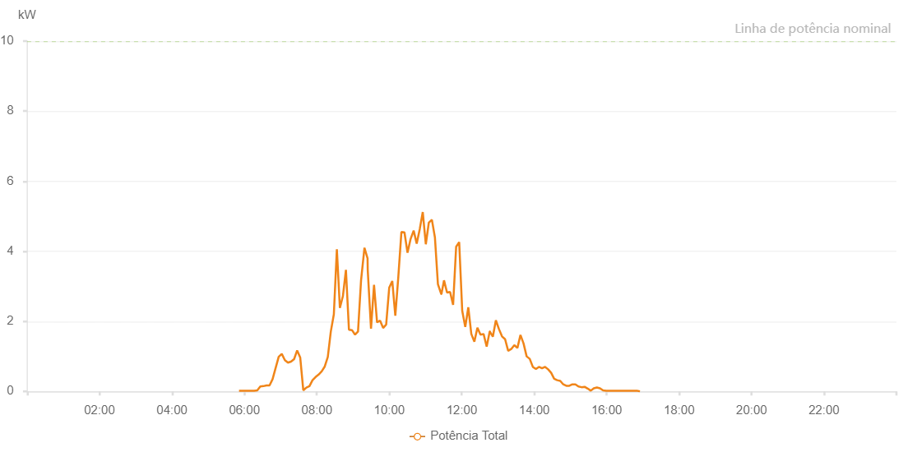

Number | Time | Working State | Alarm Code | Total Inverter Power(W)
1 | 10/07/2023 05:51:04 (UTC-4:00) | Normal |  | 20.000
2 | 10/07/2023 05:56:04 (UTC-4:00) | Normal |  | 20.000
3 | 10/07/2023 06:01:07 (UTC-4:00) | Normal |  | 20.000
4 | 10/07/2023 06:06:07 (UTC-4:00) | Normal |  | 20.000
5 | 10/07/2023 06:11:08 (UTC-4:00) | Normal |  | 20.000
6 | 10/07/2023 06:16:11 (UTC-4:00) | Normal |  | 20.000
7 | 10/07/2023 06:21:17 (UTC-4:00) | Normal |  | 30.000
8 | 10/07/2023 06:26:20 (UTC-4:00) | Normal |  | 140.000
9 | 10/07/2023 06:31:25 (UTC-4:00) | Normal |  | 150.000
10 | 10/07/2023 06:36:31 (UTC-4:00) | Normal |  | 170.000
11 | 10/07/2023 06:41:34 (UTC-4:00) | Normal |  | 170.000
12 | 10/07/2023 06:46:38 (UTC-4:00) | Normal |  | 350.000
13 | 10/07/2023 06:51:44 (UTC-4:00) | Normal |  | 670.000
14 | 10/07/2023 06:56:48 (UTC-4:00) | Normal |  | 990.000
15 | 10/07/2023 07:01:53 (UTC-4:00) | Normal |  | 1070.000
16 | 10/07/2023 07:07:00 (UTC-4:00) | Normal |  | 890.000
17 | 10/07/2023 07:12:06 (UTC-4:00) | Normal |  | 820.000
18 | 10/07/2023 07:17:12 (UTC-4:00) | Normal |  | 850.000
19 | 10/07/2023 07:22:16 (UTC-4:00) | Normal |  | 920.000
20 | 10/07/2023 07:27:20 (UTC-4:00) | Normal |  | 1170.000
21 | 10/07/2023 07:32:24 (UTC-4:00) | Normal |  | 970.000
22 | 10/07/2023 07:37:31 (UTC-4:00) | Normal |  | 30.000
23 | 10/07/2023 07:42:35 (UTC-4:00) | Normal |  | 110.000
24 | 10/07/2023 07:47:41 (UTC-4:00) | Normal |  | 150.000
25 | 10/07/2023 07:52:46 (UTC-4:00) | Normal |  | 320.000
26 | 10/07/2023 07:57:49 (UTC-4:00) | Normal |  | 410.000
27 | 10/07/2023 08:02:53 (UTC-4:00) | Normal |  | 480.000
28 | 10/07/2023 08:07:58 (UTC-4:00) | Normal |  | 570.000
29 | 10/07/2023 08:13:04 (UTC-4:00) | Normal |  | 710.000
30 | 10/07/2023 08:18:06 (UTC-4:00) | Normal |  | 980.000
31 | 10/07/2023 08:23:06 (UTC-4:00) | Normal |  | 1710.000
32 | 10/07/2023 08:28:07 (UTC-4:00) | Normal |  | 2200.000
33 | 10/07/2023 08:33:07 (UTC-4:00) | Normal |  | 4060.000
34 | 10/07/2023 08:38:07 (UTC-4:00) | Normal |  | 2380.000
35 | 10/07/2023 08:43:08 (UTC-4:00) | Normal |  | 2720.000
36 | 10/07/2023 08:48:08 (UTC-4:00) | Normal |  | 3470.000
37 | 10/07/2023 08:53:09 (UTC-4:00) | Normal |  | 1760.000
38 | 10/07/2023 08:58:09 (UTC-4:00) | Normal |  | 1750.000
39 | 10/07/2023 09:03:16 (UTC-4:00) | Normal |  | 1620.000
40 | 10/07/2023 09:08:10 (UTC-4:00) | Normal |  | 1710.000
41 | 10/07/2023 09:13:11 (UTC-4:00) | Normal |  | 3170.000
42 | 10/07/2023 09:18:52 (UTC-4:00) | Normal |  | 4100.000
43 | 10/07/2023 09:23:57 (UTC-4:00) | Normal |  | 3800.000
44 | 10/07/2023 09:24:14 (UTC-4:00) | Normal |  | 3470.000
45 | 10/07/2023 09:29:40 (UTC-4:00) | Normal |  | 1790.000
46 | 10/07/2023 09:34:41 (UTC-4:00) | Normal |  | 3040.000
47 | 10/07/2023 09:39:43 (UTC-4:00) | Normal |  | 1970.000
48 | 10/07/2023 09:44:44 (UTC-4:00) | Normal |  | 2020.000
49 | 10/07/2023 09:49:47 (UTC-4:00) | Normal |  | 1810.000
50 | 10/07/2023 09:54:48 (UTC-4:00) | Normal |  | 1910.000
51 | 10/07/2023 09:59:50 (UTC-4:00) | Normal |  | 2960.000
52 | 10/07/2023 10:04:54 (UTC-4:00) | Normal |  | 3150.000
53 | 10/07/2023 10:09:56 (UTC-4:00) | Normal |  | 2160.000
54 | 10/07/2023 10:14:58 (UTC-4:00) | Normal |  | 3280.000
55 | 10/07/2023 10:20:01 (UTC-4:00) | Normal |  | 4550.000
56 | 10/07/2023 10:25:05 (UTC-4:00) | Normal |  | 4540.000
57 | 10/07/2023 10:30:09 (UTC-4:00) | Normal |  | 3960.000
58 | 10/07/2023 10:35:14 (UTC-4:00) | Normal |  | 4350.000
59 | 10/07/2023 10:40:20 (UTC-4:00) | Normal |  | 4590.000
60 | 10/07/2023 10:45:21 (UTC-4:00) | Normal |  | 4220.000
61 | 10/07/2023 10:50:23 (UTC-4:00) | Normal |  | 4630.000
62 | 10/07/2023 10:55:24 (UTC-4:00) | Normal |  | 5120.000
63 | 10/07/2023 11:00:27 (UTC-4:00) | Normal |  | 4200.000
64 | 10/07/2023 11:05:28 (UTC-4:00) | Normal |  | 4820.000
65 | 10/07/2023 11:10:30 (UTC-4:00) | Normal |  | 4900.000
66 | 10/07/2023 11:15:31 (UTC-4:00) | Normal |  | 4400.000
67 | 10/07/2023 11:20:32 (UTC-4:00) | Normal |  | 3060.000
68 | 10/07/2023 11:26:01 (UTC-4:00) | Normal |  | 2780.000
69 | 10/07/2023 11:26:23 (UTC-4:00) | Normal |  | 2780.000
70 | 10/07/2023 11:30:36 (UTC-4:00) | Normal |  | 3170.000
71 | 10/07/2023 11:35:37 (UTC-4:00) | Normal |  | 2820.000
72 | 10/07/2023 11:40:39 (UTC-4:00) | Normal |  | 2840.000
73 | 10/07/2023 11:45:40 (UTC-4:00) | Normal |  | 2470.000
74 | 10/07/2023 11:50:42 (UTC-4:00) | Normal |  | 4130.000
75 | 10/07/2023 11:55:44 (UTC-4:00) | Normal |  | 4260.000
76 | 10/07/2023 12:00:46 (UTC-4:00) | Normal |  | 2300.000
77 | 10/07/2023 12:05:48 (UTC-4:00) | Normal |  | 1840.000
78 | 10/07/2023 12:10:49 (UTC-4:00) | Normal |  | 2400.000
79 | 10/07/2023 12:15:50 (UTC-4:00) | Normal |  | 1640.000
80 | 10/07/2023 12:20:52 (UTC-4:00) | Normal |  | 1420.000
81 | 10/07/2023 12:25:56 (UTC-4:00) | Normal |  | 1820.000
82 | 10/07/2023 12:31:01 (UTC-4:00) | Normal |  | 1620.000
83 | 10/07/2023 12:36:08 (UTC-4:00) | Normal |  | 1640.000
84 | 10/07/2023 12:41:15 (UTC-4:00) | Normal |  | 1280.000
85 | 10/07/2023 12:46:20 (UTC-4:00) | Normal |  | 1710.000
86 | 10/07/2023 12:46:32 (UTC-4:00) | Normal |  | 1710.000
87 | 10/07/2023 12:51:28 (UTC-4:00) | Normal |  | 1560.000
88 | 10/07/2023 12:56:30 (UTC-4:00) | Normal |  | 2030.000
89 | 10/07/2023 13:01:35 (UTC-4:00) | Normal |  | 1780.000
90 | 10/07/2023 13:06:41 (UTC-4:00) | Normal |  | 1570.000
91 | 10/07/2023 13:11:47 (UTC-4:00) | Normal |  | 1490.000
92 | 10/07/2023 13:16:52 (UTC-4:00) | Normal |  | 1160.000
93 | 10/07/2023 13:21:58 (UTC-4:00) | Normal |  | 1210.000
94 | 10/07/2023 13:27:03 (UTC-4:00) | Normal |  | 1320.000
95 | 10/07/2023 13:32:10 (UTC-4:00) | Normal |  | 1240.000
96 | 10/07/2023 13:37:14 (UTC-4:00) | Normal |  | 1610.000
97 | 10/07/2023 13:42:20 (UTC-4:00) | Normal |  | 1370.000
98 | 10/07/2023 13:47:27 (UTC-4:00) | Normal |  | 1000.000
99 | 10/07/2023 13:52:34 (UTC-4:00) | Normal |  | 930.000
100 | 10/07/2023 13:57:42 (UTC-4:00) | Normal |  | 700.000
101 | 10/07/2023 14:02:51 (UTC-4:00) | Normal |  | 640.000
102 | 10/07/2023 14:07:52 (UTC-4:00) | Normal |  | 700.000
103 | 10/07/2023 14:12:58 (UTC-4:00) | Normal |  | 660.000
104 | 10/07/2023 14:17:59 (UTC-4:00) | Normal |  | 700.000
105 | 10/07/2023 14:23:01 (UTC-4:00) | Normal |  | 630.000
106 | 10/07/2023 14:28:03 (UTC-4:00) | Normal |  | 530.000
107 | 10/07/2023 14:33:04 (UTC-4:00) | Normal |  | 360.000
108 | 10/07/2023 14:38:05 (UTC-4:00) | Normal |  | 320.000
109 | 10/07/2023 14:43:08 (UTC-4:00) | Normal |  | 300.000
110 | 10/07/2023 14:48:08 (UTC-4:00) | Normal |  | 200.000
111 | 10/07/2023 14:53:10 (UTC-4:00) | Normal |  | 160.000
112 | 10/07/2023 14:58:11 (UTC-4:00) | Normal |  | 160.000
113 | 10/07/2023 15:03:13 (UTC-4:00) | Normal |  | 200.000
114 | 10/07/2023 15:08:14 (UTC-4:00) | Normal |  | 200.000
115 | 10/07/2023 15:13:18 (UTC-4:00) | Normal |  | 140.000
116 | 10/07/2023 15:18:23 (UTC-4:00) | Normal |  | 120.000
117 | 10/07/2023 15:23:29 (UTC-4:00) | Normal |  | 130.000
118 | 10/07/2023 15:28:34 (UTC-4:00) | Normal |  | 80.000
119 | 10/07/2023 15:33:40 (UTC-4:00) | Normal |  | 20.000
120 | 10/07/2023 15:38:44 (UTC-4:00) | Normal |  | 90.000
121 | 10/07/2023 15:43:51 (UTC-4:00) | Normal |  | 110.000
122 | 10/07/2023 15:48:56 (UTC-4:00) | Normal |  | 90.000
123 | 10/07/2023 15:54:01 (UTC-4:00) | Normal |  | 30.000
124 | 10/07/2023 15:59:07 (UTC-4:00) | Normal |  | 20.000
125 | 10/07/2023 16:04:12 (UTC-4:00) | Normal |  | 20.000
126 | 10/07/2023 16:09:18 (UTC-4:00) | Normal |  | 20.000
127 | 10/07/2023 16:14:23 (UTC-4:00) | Normal |  | 20.000
128 | 10/07/2023 16:19:29 (UTC-4:00) | Normal |  | 20.000
129 | 10/07/2023 16:24:34 (UTC-4:00) | Normal |  | 20.000
130 | 10/07/2023 16:29:40 (UTC-4:00) | Normal |  | 20.000
131 | 10/07/2023 16:34:47 (UTC-4:00) | Normal |  | 20.000
132 | 10/07/2023 16:39:53 (UTC-4:00) | Normal |  | 20.000
133 | 10/07/2023 16:44:57 (UTC-4:00) | Normal |  | 20.000
134 | 10/07/2023 16:50:04 (UTC-4:00) | Normal |  | 20.000
135 | 10/07/2023 16:55:07 (UTC-4:00) | Normal |  | 0.000

