Inverter History Report__17-08-
Inverter History Report_12/07/2023_Report

Inverter SN:054B7020C020042 |  | Inverter type:B7
Collector SN:4046045654 |  | Full Load Hours(h):2.63
Rated Power:10000Wp

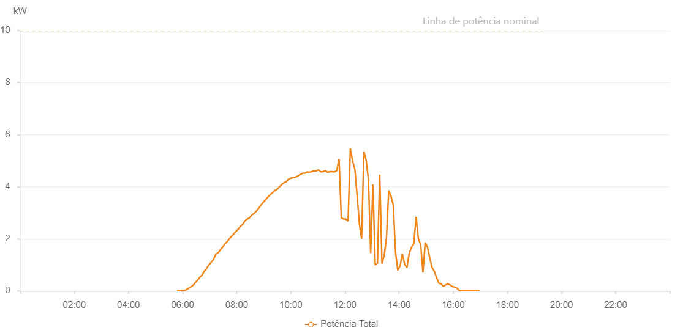

Number | Time | Working State | Alarm Code | Total Inverter Power(W)
1 | 12/07/2023 05:47:41 (UTC-4:00) | Normal |  | 20.000
2 | 12/07/2023 05:52:42 (UTC-4:00) | Normal |  | 20.000
3 | 12/07/2023 05:57:45 (UTC-4:00) | Normal |  | 20.000
4 | 12/07/2023 06:02:48 (UTC-4:00) | Normal |  | 20.000
5 | 12/07/2023 06:07:57 (UTC-4:00) | Normal |  | 40.000
6 | 12/07/2023 06:12:58 (UTC-4:00) | Normal |  | 100.000
7 | 12/07/2023 06:18:13 (UTC-4:00) | Normal |  | 150.000
8 | 12/07/2023 06:18:15 (UTC-4:00) | Normal |  | 150.000
9 | 12/07/2023 06:23:30 (UTC-4:00) | Normal |  | 220.000
10 | 12/07/2023 06:28:13 (UTC-4:00) | Normal |  | 320.000
11 | 12/07/2023 06:33:21 (UTC-4:00) | Normal |  | 420.000
12 | 12/07/2023 06:38:26 (UTC-4:00) | Normal |  | 530.000
13 | 12/07/2023 06:43:24 (UTC-4:00) | Normal |  | 610.000
14 | 12/07/2023 06:48:24 (UTC-4:00) | Normal |  | 760.000
15 | 12/07/2023 06:53:27 (UTC-4:00) | Normal |  | 870.000
16 | 12/07/2023 06:58:28 (UTC-4:00) | Normal |  | 1000.000
17 | 12/07/2023 07:03:47 (UTC-4:00) | Normal |  | 1110.000
18 | 12/07/2023 07:08:32 (UTC-4:00) | Normal |  | 1210.000
19 | 12/07/2023 07:13:32 (UTC-4:00) | Normal |  | 1410.000
20 | 12/07/2023 07:18:32 (UTC-4:00) | Normal |  | 1460.000
21 | 12/07/2023 07:23:33 (UTC-4:00) | Normal |  | 1570.000
22 | 12/07/2023 07:28:34 (UTC-4:00) | Normal |  | 1680.000
23 | 12/07/2023 07:33:34 (UTC-4:00) | Normal |  | 1800.000
24 | 12/07/2023 07:38:39 (UTC-4:00) | Normal |  | 1890.000
25 | 12/07/2023 07:43:44 (UTC-4:00) | Normal |  | 2000.000
26 | 12/07/2023 07:48:57 (UTC-4:00) | Normal |  | 2110.000
27 | 12/07/2023 07:53:55 (UTC-4:00) | Normal |  | 2200.000
28 | 12/07/2023 07:58:58 (UTC-4:00) | Normal |  | 2300.000
29 | 12/07/2023 08:02:52 (UTC-4:00) | Normal |  | 2360.000
30 | 12/07/2023 08:08:12 (UTC-4:00) | Normal |  | 2480.000
31 | 12/07/2023 08:13:14 (UTC-4:00) | Normal |  | 2560.000
32 | 12/07/2023 08:18:16 (UTC-4:00) | Normal |  | 2690.000
33 | 12/07/2023 08:23:18 (UTC-4:00) | Normal |  | 2760.000
34 | 12/07/2023 08:23:30 (UTC-4:00) | Normal |  | 2760.000
35 | 12/07/2023 08:28:21 (UTC-4:00) | Normal |  | 2810.000
36 | 12/07/2023 08:33:22 (UTC-4:00) | Normal |  | 2910.000
37 | 12/07/2023 08:38:40 (UTC-4:00) | Normal |  | 2980.000
38 | 12/07/2023 08:38:41 (UTC-4:00) | Normal |  | 2980.000
39 | 12/07/2023 08:43:26 (UTC-4:00) | Normal |  | 3060.000
40 | 12/07/2023 08:48:28 (UTC-4:00) | Normal |  | 3170.000
41 | 12/07/2023 08:53:33 (UTC-4:00) | Normal |  | 3290.000
42 | 12/07/2023 08:58:40 (UTC-4:00) | Normal |  | 3400.000
43 | 12/07/2023 09:03:53 (UTC-4:00) | Normal |  | 3500.000
44 | 12/07/2023 09:08:54 (UTC-4:00) | Normal |  | 3600.000
45 | 12/07/2023 09:13:59 (UTC-4:00) | Normal |  | 3690.000
46 | 12/07/2023 09:19:06 (UTC-4:00) | Normal |  | 3770.000
47 | 12/07/2023 09:24:10 (UTC-4:00) | Normal |  | 3850.000
48 | 12/07/2023 09:29:16 (UTC-4:00) | Normal |  | 3900.000
49 | 12/07/2023 09:34:24 (UTC-4:00) | Normal |  | 3990.000
50 | 12/07/2023 09:39:31 (UTC-4:00) | Normal |  | 4080.000
51 | 12/07/2023 09:44:35 (UTC-4:00) | Normal |  | 4150.000
52 | 12/07/2023 09:49:40 (UTC-4:00) | Normal |  | 4190.000
53 | 12/07/2023 09:54:46 (UTC-4:00) | Normal |  | 4290.000
54 | 12/07/2023 09:59:54 (UTC-4:00) | Normal |  | 4330.000
55 | 12/07/2023 10:04:59 (UTC-4:00) | Normal |  | 4350.000
56 | 12/07/2023 10:10:12 (UTC-4:00) | Normal |  | 4370.000
57 | 12/07/2023 10:15:11 (UTC-4:00) | Normal |  | 4410.000
58 | 12/07/2023 10:20:58 (UTC-4:00) | Normal |  | 4470.000
59 | 12/07/2023 10:26:17 (UTC-4:00) | Normal |  | 4520.000
60 | 12/07/2023 10:31:17 (UTC-4:00) | Normal |  | 4520.000
61 | 12/07/2023 10:36:18 (UTC-4:00) | Normal |  | 4570.000
62 | 12/07/2023 10:41:18 (UTC-4:00) | Normal |  | 4560.000
63 | 12/07/2023 10:46:18 (UTC-4:00) | Normal |  | 4580.000
64 | 12/07/2023 10:51:18 (UTC-4:00) | Normal |  | 4610.000
65 | 12/07/2023 10:56:18 (UTC-4:00) | Normal |  | 4610.000
66 | 12/07/2023 11:01:18 (UTC-4:00) | Normal |  | 4650.000
67 | 12/07/2023 11:06:18 (UTC-4:00) | Normal |  | 4570.000
68 | 12/07/2023 11:11:22 (UTC-4:00) | Normal |  | 4580.000
69 | 12/07/2023 11:16:30 (UTC-4:00) | Normal |  | 4620.000
70 | 12/07/2023 11:21:30 (UTC-4:00) | Normal |  | 4550.000
71 | 12/07/2023 11:26:35 (UTC-4:00) | Normal |  | 4580.000
72 | 12/07/2023 11:31:40 (UTC-4:00) | Normal |  | 4580.000
73 | 12/07/2023 11:36:44 (UTC-4:00) | Normal |  | 4570.000
74 | 12/07/2023 11:41:49 (UTC-4:00) | Normal |  | 4620.000
75 | 12/07/2023 11:46:51 (UTC-4:00) | Normal |  | 5060.000
76 | 12/07/2023 11:51:50 (UTC-4:00) | Normal |  | 2810.000
77 | 12/07/2023 11:56:50 (UTC-4:00) | Normal |  | 2760.000
78 | 12/07/2023 12:01:50 (UTC-4:00) | Normal |  | 2760.000
79 | 12/07/2023 12:06:51 (UTC-4:00) | Normal |  | 2680.000
80 | 12/07/2023 12:11:52 (UTC-4:00) | Normal |  | 5470.000
81 | 12/07/2023 12:16:51 (UTC-4:00) | Normal |  | 4990.000
82 | 12/07/2023 12:21:51 (UTC-4:00) | Normal |  | 4680.000
83 | 12/07/2023 12:26:51 (UTC-4:00) | Normal |  | 3680.000
84 | 12/07/2023 12:31:53 (UTC-4:00) | Normal |  | 2590.000
85 | 12/07/2023 12:36:53 (UTC-4:00) | Normal |  | 2000.000
86 | 12/07/2023 12:41:53 (UTC-4:00) | Normal |  | 5360.000
87 | 12/07/2023 12:46:54 (UTC-4:00) | Normal |  | 5020.000
88 | 12/07/2023 12:51:59 (UTC-4:00) | Normal |  | 4280.000
89 | 12/07/2023 12:57:00 (UTC-4:00) | Normal |  | 1450.000
90 | 12/07/2023 13:02:00 (UTC-4:00) | Normal |  | 4090.000
91 | 12/07/2023 13:07:00 (UTC-4:00) | Normal |  | 1000.000
92 | 12/07/2023 13:12:00 (UTC-4:00) | Normal |  | 1060.000
93 | 12/07/2023 13:16:59 (UTC-4:00) | Normal |  | 4460.000
94 | 12/07/2023 13:22:00 (UTC-4:00) | Normal |  | 1050.000
95 | 12/07/2023 13:27:00 (UTC-4:00) | Normal |  | 1360.000
96 | 12/07/2023 13:32:00 (UTC-4:00) | Normal |  | 2040.000
97 | 12/07/2023 13:37:00 (UTC-4:00) | Normal |  | 3860.000
98 | 12/07/2023 13:42:01 (UTC-4:00) | Normal |  | 3640.000
99 | 12/07/2023 13:47:01 (UTC-4:00) | Normal |  | 3300.000
100 | 12/07/2023 13:52:01 (UTC-4:00) | Normal |  | 1500.000
101 | 12/07/2023 13:57:01 (UTC-4:00) | Normal |  | 790.000
102 | 12/07/2023 14:02:06 (UTC-4:00) | Normal |  | 970.000
103 | 12/07/2023 14:02:18 (UTC-4:00) | Normal |  | 970.000
104 | 12/07/2023 14:07:10 (UTC-4:00) | Normal |  | 1430.000
105 | 12/07/2023 14:12:14 (UTC-4:00) | Normal |  | 1020.000
106 | 12/07/2023 14:17:19 (UTC-4:00) | Normal |  | 900.000
107 | 12/07/2023 14:22:24 (UTC-4:00) | Normal |  | 1440.000
108 | 12/07/2023 14:27:29 (UTC-4:00) | Normal |  | 1680.000
109 | 12/07/2023 14:32:32 (UTC-4:00) | Normal |  | 1810.000
110 | 12/07/2023 14:37:39 (UTC-4:00) | Normal |  | 2840.000
111 | 12/07/2023 14:42:44 (UTC-4:00) | Normal |  | 2000.000
112 | 12/07/2023 14:47:45 (UTC-4:00) | Normal |  | 1780.000
113 | 12/07/2023 14:52:48 (UTC-4:00) | Normal |  | 710.000
114 | 12/07/2023 14:57:55 (UTC-4:00) | Normal |  | 1860.000
115 | 12/07/2023 15:03:00 (UTC-4:00) | Normal |  | 1670.000
116 | 12/07/2023 15:08:04 (UTC-4:00) | Normal |  | 1260.000
117 | 12/07/2023 15:13:06 (UTC-4:00) | Normal |  | 900.000
118 | 12/07/2023 15:18:06 (UTC-4:00) | Normal |  | 750.000
119 | 12/07/2023 15:23:06 (UTC-4:00) | Normal |  | 510.000
120 | 12/07/2023 15:28:07 (UTC-4:00) | Normal |  | 300.000
121 | 12/07/2023 15:33:07 (UTC-4:00) | Normal |  | 270.000
122 | 12/07/2023 15:38:07 (UTC-4:00) | Normal |  | 180.000
123 | 12/07/2023 15:43:08 (UTC-4:00) | Normal |  | 230.000
124 | 12/07/2023 15:48:07 (UTC-4:00) | Normal |  | 270.000
125 | 12/07/2023 15:53:07 (UTC-4:00) | Normal |  | 230.000
126 | 12/07/2023 15:58:07 (UTC-4:00) | Normal |  | 170.000
127 | 12/07/2023 16:03:07 (UTC-4:00) | Normal |  | 150.000
128 | 12/07/2023 16:08:07 (UTC-4:00) | Normal |  | 110.000
129 | 12/07/2023 16:13:07 (UTC-4:00) | Normal |  | 20.000
130 | 12/07/2023 16:18:11 (UTC-4:00) | Normal |  | 20.000
131 | 12/07/2023 16:23:17 (UTC-4:00) | Normal |  | 20.000
132 | 12/07/2023 16:28:20 (UTC-4:00) | Normal |  | 20.000
133 | 12/07/2023 16:33:24 (UTC-4:00) | Normal |  | 20.000
134 | 12/07/2023 16:38:27 (UTC-4:00) | Normal |  | 20.000
135 | 12/07/2023 16:43:32 (UTC-4:00) | Normal |  | 20.000
136 | 12/07/2023 16:48:36 (UTC-4:00) | Normal |  | 20.000
137 | 12/07/2023 16:53:40 (UTC-4:00) | Normal |  | 20.000
138 | 12/07/2023 16:58:44 (UTC-4:00) | Normal |  | 20.000

