Inverter History Report__17-08-
Inverter History Report_13/07/2023_Report

Inverter SN:054B7020C020042 |  | Inverter type:B7
Collector SN:4046045654 |  | Full Load Hours(h):3.05
Rated Power:10000Wp

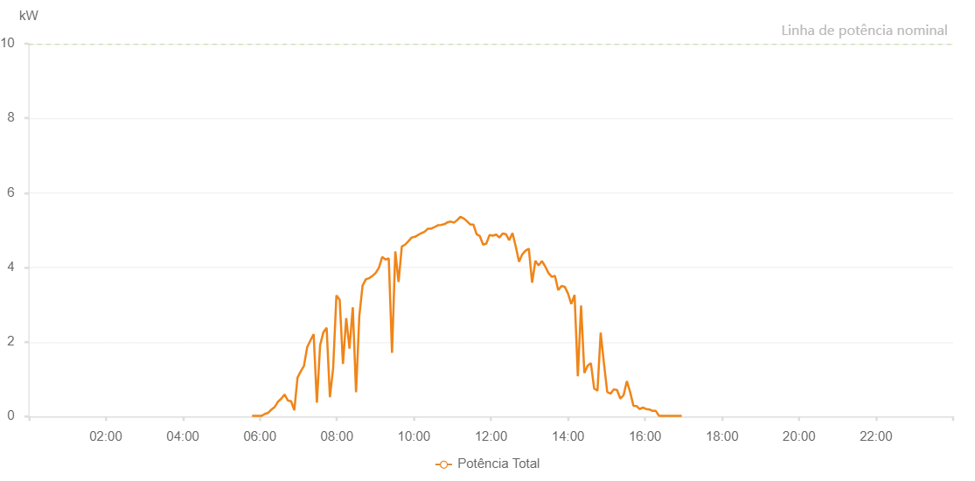

Number | Time | Working State | Alarm Code | Total Inverter Power(W)
1 | 13/07/2023 05:47:50 (UTC-4:00) | Normal |  | 20.000
2 | 13/07/2023 05:52:51 (UTC-4:00) | Normal |  | 20.000
3 | 13/07/2023 05:57:52 (UTC-4:00) | Normal |  | 20.000
4 | 13/07/2023 06:02:57 (UTC-4:00) | Normal |  | 20.000
5 | 13/07/2023 06:08:00 (UTC-4:00) | Normal |  | 70.000
6 | 13/07/2023 06:13:06 (UTC-4:00) | Normal |  | 100.000
7 | 13/07/2023 06:18:11 (UTC-4:00) | Normal |  | 190.000
8 | 13/07/2023 06:23:18 (UTC-4:00) | Normal |  | 260.000
9 | 13/07/2023 06:28:23 (UTC-4:00) | Normal |  | 400.000
10 | 13/07/2023 06:33:31 (UTC-4:00) | Normal |  | 480.000
11 | 13/07/2023 06:38:33 (UTC-4:00) | Normal |  | 590.000
12 | 13/07/2023 06:43:34 (UTC-4:00) | Normal |  | 430.000
13 | 13/07/2023 06:48:36 (UTC-4:00) | Normal |  | 410.000
14 | 13/07/2023 06:53:37 (UTC-4:00) | Normal |  | 170.000
15 | 13/07/2023 06:58:39 (UTC-4:00) | Normal |  | 1040.000
16 | 13/07/2023 07:03:40 (UTC-4:00) | Normal |  | 1210.000
17 | 13/07/2023 07:08:41 (UTC-4:00) | Normal |  | 1360.000
18 | 13/07/2023 07:13:43 (UTC-4:00) | Normal |  | 1860.000
19 | 13/07/2023 07:18:44 (UTC-4:00) | Normal |  | 2040.000
20 | 13/07/2023 07:23:47 (UTC-4:00) | Normal |  | 2210.000
21 | 13/07/2023 07:28:48 (UTC-4:00) | Normal |  | 370.000
22 | 13/07/2023 07:33:49 (UTC-4:00) | Normal |  | 1910.000
23 | 13/07/2023 07:38:55 (UTC-4:00) | Normal |  | 2260.000
24 | 13/07/2023 07:43:59 (UTC-4:00) | Normal |  | 2380.000
25 | 13/07/2023 07:49:06 (UTC-4:00) | Normal |  | 520.000
26 | 13/07/2023 07:54:09 (UTC-4:00) | Normal |  | 1300.000
27 | 13/07/2023 07:59:15 (UTC-4:00) | Normal |  | 3250.000
28 | 13/07/2023 08:04:20 (UTC-4:00) | Normal |  | 3130.000
29 | 13/07/2023 08:09:26 (UTC-4:00) | Normal |  | 1410.000
30 | 13/07/2023 08:14:31 (UTC-4:00) | Normal |  | 2640.000
31 | 13/07/2023 08:19:36 (UTC-4:00) | Normal |  | 1820.000
32 | 13/07/2023 08:24:43 (UTC-4:00) | Normal |  | 2930.000
33 | 13/07/2023 08:29:49 (UTC-4:00) | Normal |  | 650.000
34 | 13/07/2023 08:34:56 (UTC-4:00) | Normal |  | 2700.000
35 | 13/07/2023 08:39:59 (UTC-4:00) | Normal |  | 3510.000
36 | 13/07/2023 08:45:05 (UTC-4:00) | Normal |  | 3680.000
37 | 13/07/2023 08:50:10 (UTC-4:00) | Normal |  | 3710.000
38 | 13/07/2023 08:55:17 (UTC-4:00) | Normal |  | 3770.000
39 | 13/07/2023 09:00:23 (UTC-4:00) | Normal |  | 3850.000
40 | 13/07/2023 09:05:31 (UTC-4:00) | Normal |  | 3990.000
41 | 13/07/2023 09:10:34 (UTC-4:00) | Normal |  | 4280.000
42 | 13/07/2023 09:15:40 (UTC-4:00) | Normal |  | 4210.000
43 | 13/07/2023 09:20:46 (UTC-4:00) | Normal |  | 4240.000
44 | 13/07/2023 09:25:52 (UTC-4:00) | Normal |  | 1710.000
45 | 13/07/2023 09:30:58 (UTC-4:00) | Normal |  | 4430.000
46 | 13/07/2023 09:36:03 (UTC-4:00) | Normal |  | 3610.000
47 | 13/07/2023 09:41:07 (UTC-4:00) | Normal |  | 4560.000
48 | 13/07/2023 09:46:14 (UTC-4:00) | Normal |  | 4610.000
49 | 13/07/2023 09:51:19 (UTC-4:00) | Normal |  | 4700.000
50 | 13/07/2023 09:56:25 (UTC-4:00) | Normal |  | 4800.000
51 | 13/07/2023 10:01:32 (UTC-4:00) | Normal |  | 4820.000
52 | 13/07/2023 10:06:37 (UTC-4:00) | Normal |  | 4870.000
53 | 13/07/2023 10:11:43 (UTC-4:00) | Normal |  | 4920.000
54 | 13/07/2023 10:16:50 (UTC-4:00) | Normal |  | 4960.000
55 | 13/07/2023 10:21:54 (UTC-4:00) | Normal |  | 5040.000
56 | 13/07/2023 10:27:01 (UTC-4:00) | Normal |  | 5040.000
57 | 13/07/2023 10:32:06 (UTC-4:00) | Normal |  | 5080.000
58 | 13/07/2023 10:37:12 (UTC-4:00) | Normal |  | 5130.000
59 | 13/07/2023 10:37:24 (UTC-4:00) | Normal |  | 5130.000
60 | 13/07/2023 10:42:17 (UTC-4:00) | Normal |  | 5140.000
61 | 13/07/2023 10:47:22 (UTC-4:00) | Normal |  | 5160.000
62 | 13/07/2023 10:47:34 (UTC-4:00) | Normal |  | 5160.000
63 | 13/07/2023 10:52:24 (UTC-4:00) | Normal |  | 5210.000
64 | 13/07/2023 10:57:25 (UTC-4:00) | Normal |  | 5230.000
65 | 13/07/2023 11:02:26 (UTC-4:00) | Normal |  | 5200.000
66 | 13/07/2023 11:07:28 (UTC-4:00) | Normal |  | 5270.000
67 | 13/07/2023 11:12:29 (UTC-4:00) | Normal |  | 5360.000
68 | 13/07/2023 11:17:32 (UTC-4:00) | Normal |  | 5310.000
69 | 13/07/2023 11:17:48 (UTC-4:00) | Normal |  | 5310.000
70 | 13/07/2023 11:22:33 (UTC-4:00) | Normal |  | 5240.000
71 | 13/07/2023 11:27:37 (UTC-4:00) | Normal |  | 5150.000
72 | 13/07/2023 11:32:37 (UTC-4:00) | Normal |  | 5150.000
73 | 13/07/2023 11:37:40 (UTC-4:00) | Normal |  | 4890.000
74 | 13/07/2023 11:42:41 (UTC-4:00) | Normal |  | 4840.000
75 | 13/07/2023 11:47:43 (UTC-4:00) | Normal |  | 4610.000
76 | 13/07/2023 11:52:46 (UTC-4:00) | Normal |  | 4640.000
77 | 13/07/2023 11:57:52 (UTC-4:00) | Normal |  | 4870.000
78 | 13/07/2023 12:02:58 (UTC-4:00) | Normal |  | 4850.000
79 | 13/07/2023 12:08:04 (UTC-4:00) | Normal |  | 4880.000
80 | 13/07/2023 12:08:16 (UTC-4:00) | Normal |  | 4880.000
81 | 13/07/2023 12:13:07 (UTC-4:00) | Normal |  | 4800.000
82 | 13/07/2023 12:18:14 (UTC-4:00) | Normal |  | 4910.000
83 | 13/07/2023 12:23:21 (UTC-4:00) | Normal |  | 4890.000
84 | 13/07/2023 12:28:26 (UTC-4:00) | Normal |  | 4730.000
85 | 13/07/2023 12:33:34 (UTC-4:00) | Normal |  | 4920.000
86 | 13/07/2023 12:38:37 (UTC-4:00) | Normal |  | 4560.000
87 | 13/07/2023 12:43:43 (UTC-4:00) | Normal |  | 4150.000
88 | 13/07/2023 12:48:47 (UTC-4:00) | Normal |  | 4350.000
89 | 13/07/2023 12:53:52 (UTC-4:00) | Normal |  | 4450.000
90 | 13/07/2023 12:58:59 (UTC-4:00) | Normal |  | 4500.000
91 | 13/07/2023 13:04:06 (UTC-4:00) | Normal |  | 3590.000
92 | 13/07/2023 13:09:11 (UTC-4:00) | Normal |  | 4180.000
93 | 13/07/2023 13:14:14 (UTC-4:00) | Normal |  | 4050.000
94 | 13/07/2023 13:19:20 (UTC-4:00) | Normal |  | 4170.000
95 | 13/07/2023 13:24:26 (UTC-4:00) | Normal |  | 4030.000
96 | 13/07/2023 13:29:31 (UTC-4:00) | Normal |  | 3850.000
97 | 13/07/2023 13:34:36 (UTC-4:00) | Normal |  | 3750.000
98 | 13/07/2023 13:39:43 (UTC-4:00) | Normal |  | 3770.000
99 | 13/07/2023 13:44:46 (UTC-4:00) | Normal |  | 3390.000
100 | 13/07/2023 13:49:52 (UTC-4:00) | Normal |  | 3500.000
101 | 13/07/2023 13:54:59 (UTC-4:00) | Normal |  | 3480.000
102 | 13/07/2023 14:00:02 (UTC-4:00) | Normal |  | 3300.000
103 | 13/07/2023 14:05:08 (UTC-4:00) | Normal |  | 3020.000
104 | 13/07/2023 14:10:14 (UTC-4:00) | Normal |  | 3260.000
105 | 13/07/2023 14:15:20 (UTC-4:00) | Normal |  | 1080.000
106 | 13/07/2023 14:20:23 (UTC-4:00) | Normal |  | 2980.000
107 | 13/07/2023 14:25:29 (UTC-4:00) | Normal |  | 1170.000
108 | 13/07/2023 14:30:35 (UTC-4:00) | Normal |  | 1360.000
109 | 13/07/2023 14:35:40 (UTC-4:00) | Normal |  | 1430.000
110 | 13/07/2023 14:40:46 (UTC-4:00) | Normal |  | 750.000
111 | 13/07/2023 14:45:54 (UTC-4:00) | Normal |  | 690.000
112 | 13/07/2023 14:50:56 (UTC-4:00) | Normal |  | 2250.000
113 | 13/07/2023 14:56:01 (UTC-4:00) | Normal |  | 1420.000
114 | 13/07/2023 15:01:07 (UTC-4:00) | Normal |  | 660.000
115 | 13/07/2023 15:06:13 (UTC-4:00) | Normal |  | 610.000
116 | 13/07/2023 15:11:17 (UTC-4:00) | Normal |  | 730.000
117 | 13/07/2023 15:16:24 (UTC-4:00) | Normal |  | 710.000
118 | 13/07/2023 15:21:29 (UTC-4:00) | Normal |  | 480.000
119 | 13/07/2023 15:26:35 (UTC-4:00) | Normal |  | 570.000
120 | 13/07/2023 15:31:42 (UTC-4:00) | Normal |  | 950.000
121 | 13/07/2023 15:36:47 (UTC-4:00) | Normal |  | 660.000
122 | 13/07/2023 15:41:54 (UTC-4:00) | Normal |  | 290.000
123 | 13/07/2023 15:46:57 (UTC-4:00) | Normal |  | 280.000
124 | 13/07/2023 15:51:27 (UTC-4:00) | Normal |  | 200.000
125 | 13/07/2023 15:57:01 (UTC-4:00) | Normal |  | 240.000
126 | 13/07/2023 16:01:45 (UTC-4:00) | Normal |  | 200.000
127 | 13/07/2023 16:06:44 (UTC-4:00) | Normal |  | 190.000
128 | 13/07/2023 16:11:44 (UTC-4:00) | Normal |  | 150.000
129 | 13/07/2023 16:16:44 (UTC-4:00) | Normal |  | 150.000
130 | 13/07/2023 16:21:44 (UTC-4:00) | Normal |  | 20.000
131 | 13/07/2023 16:21:56 (UTC-4:00) | Normal |  | 20.000
132 | 13/07/2023 16:26:50 (UTC-4:00) | Normal |  | 20.000
133 | 13/07/2023 16:31:49 (UTC-4:00) | Normal |  | 20.000
134 | 13/07/2023 16:32:16 (UTC-4:00) | Normal |  | 20.000
135 | 13/07/2023 16:36:51 (UTC-4:00) | Normal |  | 20.000
136 | 13/07/2023 16:41:57 (UTC-4:00) | Normal |  | 20.000
137 | 13/07/2023 16:47:00 (UTC-4:00) | Normal |  | 20.000
138 | 13/07/2023 16:52:07 (UTC-4:00) | Normal |  | 20.000
139 | 13/07/2023 16:57:11 (UTC-4:00) | Normal |  | 20.000

