Inverter History Report__17-08-
Inverter History Report_14/07/2023_Report

Inverter SN:054B7020C020042 |  | Inverter type:B7
Collector SN:4046045654 |  | Full Load Hours(h):3.31
Rated Power:10000Wp

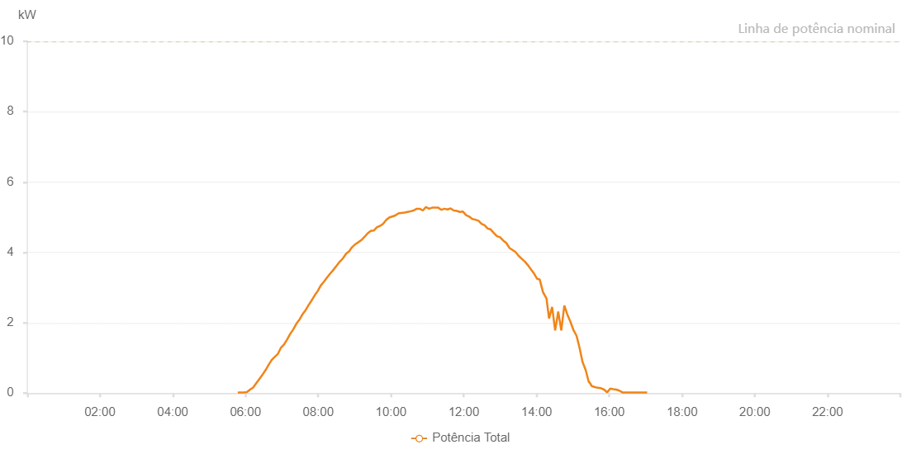

Number | Time | Working State | Alarm Code | Total Inverter Power(W)
1 | 14/07/2023 05:47:18 (UTC-4:00) | Normal |  | 20.000
2 | 14/07/2023 05:52:19 (UTC-4:00) | Normal |  | 20.000
3 | 14/07/2023 05:57:20 (UTC-4:00) | Normal |  | 20.000
4 | 14/07/2023 06:02:25 (UTC-4:00) | Normal |  | 30.000
5 | 14/07/2023 06:07:30 (UTC-4:00) | Normal |  | 100.000
6 | 14/07/2023 06:12:37 (UTC-4:00) | Normal |  | 160.000
7 | 14/07/2023 06:17:43 (UTC-4:00) | Normal |  | 280.000
8 | 14/07/2023 06:22:49 (UTC-4:00) | Normal |  | 400.000
9 | 14/07/2023 06:27:55 (UTC-4:00) | Normal |  | 520.000
10 | 14/07/2023 06:32:56 (UTC-4:00) | Normal |  | 650.000
11 | 14/07/2023 06:38:03 (UTC-4:00) | Normal |  | 800.000
12 | 14/07/2023 06:43:09 (UTC-4:00) | Normal |  | 940.000
13 | 14/07/2023 06:48:13 (UTC-4:00) | Normal |  | 1030.000
14 | 14/07/2023 06:53:18 (UTC-4:00) | Normal |  | 1110.000
15 | 14/07/2023 06:58:25 (UTC-4:00) | Normal |  | 1290.000
16 | 14/07/2023 07:03:31 (UTC-4:00) | Normal |  | 1380.000
17 | 14/07/2023 07:08:36 (UTC-4:00) | Normal |  | 1520.000
18 | 14/07/2023 07:13:39 (UTC-4:00) | Normal |  | 1680.000
19 | 14/07/2023 07:18:46 (UTC-4:00) | Normal |  | 1810.000
20 | 14/07/2023 07:23:50 (UTC-4:00) | Normal |  | 1970.000
21 | 14/07/2023 07:28:55 (UTC-4:00) | Normal |  | 2090.000
22 | 14/07/2023 07:29:07 (UTC-4:00) | Normal |  | 2090.000
23 | 14/07/2023 07:34:00 (UTC-4:00) | Normal |  | 2240.000
24 | 14/07/2023 07:39:12 (UTC-4:00) | Normal |  | 2360.000
25 | 14/07/2023 07:44:03 (UTC-4:00) | Normal |  | 2500.000
26 | 14/07/2023 07:49:19 (UTC-4:00) | Normal |  | 2640.000
27 | 14/07/2023 07:54:34 (UTC-4:00) | Normal |  | 2790.000
28 | 14/07/2023 07:59:06 (UTC-4:00) | Normal |  | 2900.000
29 | 14/07/2023 08:04:08 (UTC-4:00) | Normal |  | 3060.000
30 | 14/07/2023 08:09:09 (UTC-4:00) | Normal |  | 3160.000
31 | 14/07/2023 08:14:12 (UTC-4:00) | Normal |  | 3280.000
32 | 14/07/2023 08:19:18 (UTC-4:00) | Normal |  | 3390.000
33 | 14/07/2023 08:24:46 (UTC-4:00) | Normal |  | 3500.000
34 | 14/07/2023 08:25:16 (UTC-4:00) | Normal |  | 3510.000
35 | 14/07/2023 08:30:41 (UTC-4:00) | Normal |  | 3630.000
36 | 14/07/2023 08:35:42 (UTC-4:00) | Normal |  | 3740.000
37 | 14/07/2023 08:40:44 (UTC-4:00) | Normal |  | 3830.000
38 | 14/07/2023 08:45:46 (UTC-4:00) | Normal |  | 3960.000
39 | 14/07/2023 08:50:51 (UTC-4:00) | Normal |  | 4030.000
40 | 14/07/2023 08:55:56 (UTC-4:00) | Normal |  | 4150.000
41 | 14/07/2023 09:01:01 (UTC-4:00) | Normal |  | 4230.000
42 | 14/07/2023 09:06:17 (UTC-4:00) | Normal |  | 4290.000
43 | 14/07/2023 09:11:14 (UTC-4:00) | Normal |  | 4350.000
44 | 14/07/2023 09:16:18 (UTC-4:00) | Normal |  | 4440.000
45 | 14/07/2023 09:21:24 (UTC-4:00) | Normal |  | 4540.000
46 | 14/07/2023 09:26:32 (UTC-4:00) | Normal |  | 4610.000
47 | 14/07/2023 09:31:35 (UTC-4:00) | Normal |  | 4620.000
48 | 14/07/2023 09:37:01 (UTC-4:00) | Normal |  | 4720.000
49 | 14/07/2023 09:41:46 (UTC-4:00) | Normal |  | 4750.000
50 | 14/07/2023 09:46:51 (UTC-4:00) | Normal |  | 4810.000
51 | 14/07/2023 09:52:00 (UTC-4:00) | Normal |  | 4920.000
52 | 14/07/2023 09:57:05 (UTC-4:00) | Normal |  | 4990.000
53 | 14/07/2023 10:02:09 (UTC-4:00) | Normal |  | 5020.000
54 | 14/07/2023 10:07:13 (UTC-4:00) | Normal |  | 5050.000
55 | 14/07/2023 10:12:12 (UTC-4:00) | Normal |  | 5110.000
56 | 14/07/2023 10:17:13 (UTC-4:00) | Normal |  | 5120.000
57 | 14/07/2023 10:22:16 (UTC-4:00) | Normal |  | 5130.000
58 | 14/07/2023 10:27:17 (UTC-4:00) | Normal |  | 5150.000
59 | 14/07/2023 10:32:45 (UTC-4:00) | Normal |  | 5170.000
60 | 14/07/2023 10:37:19 (UTC-4:00) | Normal |  | 5190.000
61 | 14/07/2023 10:42:20 (UTC-4:00) | Normal |  | 5240.000
62 | 14/07/2023 10:47:24 (UTC-4:00) | Normal |  | 5240.000
63 | 14/07/2023 10:52:32 (UTC-4:00) | Normal |  | 5190.000
64 | 14/07/2023 10:57:32 (UTC-4:00) | Normal |  | 5290.000
65 | 14/07/2023 11:02:40 (UTC-4:00) | Normal |  | 5240.000
66 | 14/07/2023 11:07:44 (UTC-4:00) | Normal |  | 5270.000
67 | 14/07/2023 11:08:10 (UTC-4:00) | Normal |  | 5270.000
68 | 14/07/2023 11:08:18 (UTC-4:00) | Normal |  | 5270.000
69 | 14/07/2023 11:12:49 (UTC-4:00) | Normal |  | 5270.000
70 | 14/07/2023 11:17:55 (UTC-4:00) | Normal |  | 5270.000
71 | 14/07/2023 11:23:02 (UTC-4:00) | Normal |  | 5210.000
72 | 14/07/2023 11:28:06 (UTC-4:00) | Normal |  | 5240.000
73 | 14/07/2023 11:33:11 (UTC-4:00) | Normal |  | 5220.000
74 | 14/07/2023 11:38:19 (UTC-4:00) | Normal |  | 5250.000
75 | 14/07/2023 11:43:25 (UTC-4:00) | Normal |  | 5190.000
76 | 14/07/2023 11:48:30 (UTC-4:00) | Normal |  | 5180.000
77 | 14/07/2023 11:53:34 (UTC-4:00) | Normal |  | 5150.000
78 | 14/07/2023 11:58:39 (UTC-4:00) | Normal |  | 5160.000
79 | 14/07/2023 12:03:46 (UTC-4:00) | Normal |  | 5060.000
80 | 14/07/2023 12:08:52 (UTC-4:00) | Normal |  | 5020.000
81 | 14/07/2023 12:13:59 (UTC-4:00) | Normal |  | 4950.000
82 | 14/07/2023 12:19:06 (UTC-4:00) | Normal |  | 4930.000
83 | 14/07/2023 12:24:08 (UTC-4:00) | Normal |  | 4900.000
84 | 14/07/2023 12:29:14 (UTC-4:00) | Normal |  | 4810.000
85 | 14/07/2023 12:34:21 (UTC-4:00) | Normal |  | 4770.000
86 | 14/07/2023 12:39:26 (UTC-4:00) | Normal |  | 4680.000
87 | 14/07/2023 12:44:31 (UTC-4:00) | Normal |  | 4650.000
88 | 14/07/2023 12:49:43 (UTC-4:00) | Normal |  | 4550.000
89 | 14/07/2023 12:54:44 (UTC-4:00) | Normal |  | 4460.000
90 | 14/07/2023 12:59:49 (UTC-4:00) | Normal |  | 4430.000
91 | 14/07/2023 13:05:22 (UTC-4:00) | Normal |  | 4330.000
92 | 14/07/2023 13:05:32 (UTC-4:00) | Normal |  | 4330.000
93 | 14/07/2023 13:10:03 (UTC-4:00) | Normal |  | 4270.000
94 | 14/07/2023 13:15:06 (UTC-4:00) | Normal |  | 4130.000
95 | 14/07/2023 13:20:10 (UTC-4:00) | Normal |  | 4070.000
96 | 14/07/2023 13:25:16 (UTC-4:00) | Normal |  | 4010.000
97 | 14/07/2023 13:30:33 (UTC-4:00) | Normal |  | 3900.000
98 | 14/07/2023 13:35:26 (UTC-4:00) | Normal |  | 3820.000
99 | 14/07/2023 13:40:32 (UTC-4:00) | Normal |  | 3740.000
100 | 14/07/2023 13:40:44 (UTC-4:00) | Normal |  | 3740.000
101 | 14/07/2023 13:45:37 (UTC-4:00) | Normal |  | 3640.000
102 | 14/07/2023 13:50:43 (UTC-4:00) | Normal |  | 3520.000
103 | 14/07/2023 13:55:48 (UTC-4:00) | Normal |  | 3400.000
104 | 14/07/2023 14:00:55 (UTC-4:00) | Normal |  | 3250.000
105 | 14/07/2023 14:05:16 (UTC-4:00) | Normal |  | 3230.000
106 | 14/07/2023 14:10:37 (UTC-4:00) | Normal |  | 2870.000
107 | 14/07/2023 14:16:25 (UTC-4:00) | Normal |  | 2690.000
108 | 14/07/2023 14:20:39 (UTC-4:00) | Normal |  | 2120.000
109 | 14/07/2023 14:25:41 (UTC-4:00) | Normal |  | 2450.000
110 | 14/07/2023 14:30:43 (UTC-4:00) | Normal |  | 1780.000
111 | 14/07/2023 14:35:45 (UTC-4:00) | Normal |  | 2320.000
112 | 14/07/2023 14:40:47 (UTC-4:00) | Normal |  | 1780.000
113 | 14/07/2023 14:45:51 (UTC-4:00) | Normal |  | 2490.000
114 | 14/07/2023 14:50:53 (UTC-4:00) | Normal |  | 2230.000
115 | 14/07/2023 14:55:55 (UTC-4:00) | Normal |  | 2030.000
116 | 14/07/2023 15:00:57 (UTC-4:00) | Normal |  | 1790.000
117 | 14/07/2023 15:05:59 (UTC-4:00) | Normal |  | 1630.000
118 | 14/07/2023 15:11:04 (UTC-4:00) | Normal |  | 1280.000
119 | 14/07/2023 15:16:04 (UTC-4:00) | Normal |  | 870.000
120 | 14/07/2023 15:16:15 (UTC-4:00) | Normal |  | 870.000
121 | 14/07/2023 15:21:08 (UTC-4:00) | Normal |  | 650.000
122 | 14/07/2023 15:26:13 (UTC-4:00) | Normal |  | 310.000
123 | 14/07/2023 15:27:10 (UTC-4:00) | Normal |  | 310.000
124 | 14/07/2023 15:31:15 (UTC-4:00) | Normal |  | 200.000
125 | 14/07/2023 15:36:25 (UTC-4:00) | Normal |  | 170.000
126 | 14/07/2023 15:41:19 (UTC-4:00) | Normal |  | 150.000
127 | 14/07/2023 15:46:21 (UTC-4:00) | Normal |  | 140.000
128 | 14/07/2023 15:51:35 (UTC-4:00) | Normal |  | 100.000
129 | 14/07/2023 15:51:36 (UTC-4:00) | Normal |  | 100.000
130 | 14/07/2023 15:56:24 (UTC-4:00) | Normal |  | 20.000
131 | 14/07/2023 16:01:34 (UTC-4:00) | Normal |  | 130.000
132 | 14/07/2023 16:06:31 (UTC-4:00) | Normal |  | 110.000
133 | 14/07/2023 16:11:33 (UTC-4:00) | Normal |  | 100.000
134 | 14/07/2023 16:16:35 (UTC-4:00) | Normal |  | 70.000
135 | 14/07/2023 16:21:39 (UTC-4:00) | Normal |  | 20.000
136 | 14/07/2023 16:26:48 (UTC-4:00) | Normal |  | 20.000
137 | 14/07/2023 16:31:51 (UTC-4:00) | Normal |  | 20.000
138 | 14/07/2023 16:36:59 (UTC-4:00) | Normal |  | 20.000
139 | 14/07/2023 16:42:04 (UTC-4:00) | Normal |  | 20.000
140 | 14/07/2023 16:47:10 (UTC-4:00) | Normal |  | 20.000
141 | 14/07/2023 16:52:29 (UTC-4:00) | Normal |  | 20.000
142 | 14/07/2023 16:57:22 (UTC-4:00) | Normal |  | 20.000
143 | 14/07/2023 17:02:30 (UTC-4:00) | Normal |  | 20.000

