Inverter History Report__17-08-
Inverter History Report_15/07/2023_Report

Inverter SN:054B7020C020042 |  | Inverter type:B7
Collector SN:4046045654 |  | Full Load Hours(h):3.34
Rated Power:10000Wp

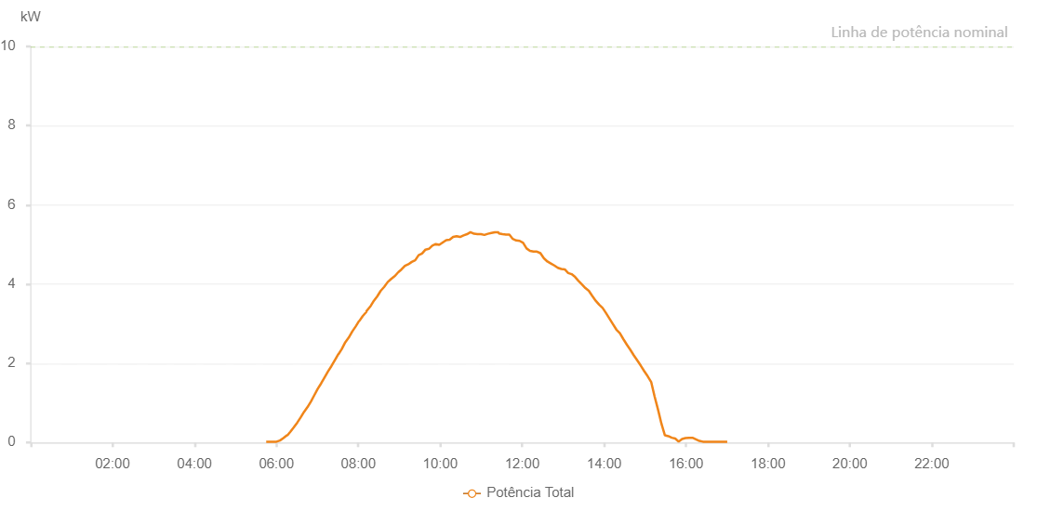

Number | Time | Working State | Alarm Code | Total Inverter Power(W)
1 | 15/07/2023 05:45:03 (UTC-4:00) | Normal |  | 20.000
2 | 15/07/2023 05:50:04 (UTC-4:00) | Normal |  | 20.000
3 | 15/07/2023 05:55:03 (UTC-4:00) | Normal |  | 20.000
4 | 15/07/2023 06:00:08 (UTC-4:00) | Normal |  | 20.000
5 | 15/07/2023 06:05:10 (UTC-4:00) | Normal |  | 50.000
6 | 15/07/2023 06:10:17 (UTC-4:00) | Normal |  | 110.000
7 | 15/07/2023 06:15:25 (UTC-4:00) | Normal |  | 180.000
8 | 15/07/2023 06:15:34 (UTC-4:00) | Normal |  | 180.000
9 | 15/07/2023 06:15:51 (UTC-4:00) | Normal |  | 180.000
10 | 15/07/2023 06:16:12 (UTC-4:00) | Normal |  | 180.000
11 | 15/07/2023 06:20:24 (UTC-4:00) | Normal |  | 270.000
12 | 15/07/2023 06:25:24 (UTC-4:00) | Normal |  | 380.000
13 | 15/07/2023 06:30:30 (UTC-4:00) | Normal |  | 500.000
14 | 15/07/2023 06:35:24 (UTC-4:00) | Normal |  | 630.000
15 | 15/07/2023 06:40:24 (UTC-4:00) | Normal |  | 770.000
16 | 15/07/2023 06:45:25 (UTC-4:00) | Normal |  | 890.000
17 | 15/07/2023 06:50:25 (UTC-4:00) | Normal |  | 1030.000
18 | 15/07/2023 06:55:25 (UTC-4:00) | Normal |  | 1190.000
19 | 15/07/2023 07:00:25 (UTC-4:00) | Normal |  | 1350.000
20 | 15/07/2023 07:05:28 (UTC-4:00) | Normal |  | 1490.000
21 | 15/07/2023 07:10:26 (UTC-4:00) | Normal |  | 1640.000
22 | 15/07/2023 07:15:30 (UTC-4:00) | Normal |  | 1790.000
23 | 15/07/2023 07:20:37 (UTC-4:00) | Normal |  | 1930.000
24 | 15/07/2023 07:25:39 (UTC-4:00) | Normal |  | 2080.000
25 | 15/07/2023 07:30:43 (UTC-4:00) | Normal |  | 2230.000
26 | 15/07/2023 07:30:55 (UTC-4:00) | Normal |  | 2230.000
27 | 15/07/2023 07:35:48 (UTC-4:00) | Normal |  | 2360.000
28 | 15/07/2023 07:40:51 (UTC-4:00) | Normal |  | 2530.000
29 | 15/07/2023 07:45:59 (UTC-4:00) | Normal |  | 2650.000
30 | 15/07/2023 07:51:01 (UTC-4:00) | Normal |  | 2800.000
31 | 15/07/2023 07:56:07 (UTC-4:00) | Normal |  | 2930.000
32 | 15/07/2023 08:01:10 (UTC-4:00) | Normal |  | 3070.000
33 | 15/07/2023 08:01:36 (UTC-4:00) | Normal |  | 3070.000
34 | 15/07/2023 08:06:22 (UTC-4:00) | Normal |  | 3190.000
35 | 15/07/2023 08:11:26 (UTC-4:00) | Normal |  | 3290.000
36 | 15/07/2023 08:12:03 (UTC-4:00) | Normal |  | 3320.000
37 | 15/07/2023 08:18:12 (UTC-4:00) | Normal |  | 3450.000
38 | 15/07/2023 08:22:47 (UTC-4:00) | Normal |  | 3580.000
39 | 15/07/2023 08:27:41 (UTC-4:00) | Normal |  | 3690.000
40 | 15/07/2023 08:32:46 (UTC-4:00) | Normal |  | 3830.000
41 | 15/07/2023 08:37:55 (UTC-4:00) | Normal |  | 3930.000
42 | 15/07/2023 08:42:58 (UTC-4:00) | Normal |  | 4050.000
43 | 15/07/2023 08:48:04 (UTC-4:00) | Normal |  | 4130.000
44 | 15/07/2023 08:53:08 (UTC-4:00) | Normal |  | 4200.000
45 | 15/07/2023 08:53:20 (UTC-4:00) | Normal |  | 4200.000
46 | 15/07/2023 08:58:29 (UTC-4:00) | Normal |  | 4300.000
47 | 15/07/2023 08:58:30 (UTC-4:00) | Normal |  | 4300.000
48 | 15/07/2023 09:03:14 (UTC-4:00) | Normal |  | 4370.000
49 | 15/07/2023 09:08:15 (UTC-4:00) | Normal |  | 4460.000
50 | 15/07/2023 09:13:16 (UTC-4:00) | Normal |  | 4500.000
51 | 15/07/2023 09:18:17 (UTC-4:00) | Normal |  | 4560.000
52 | 15/07/2023 09:23:18 (UTC-4:00) | Normal |  | 4600.000
53 | 15/07/2023 09:28:20 (UTC-4:00) | Normal |  | 4730.000
54 | 15/07/2023 09:33:21 (UTC-4:00) | Normal |  | 4770.000
55 | 15/07/2023 09:38:22 (UTC-4:00) | Normal |  | 4870.000
56 | 15/07/2023 09:43:24 (UTC-4:00) | Normal |  | 4890.000
57 | 15/07/2023 09:48:24 (UTC-4:00) | Normal |  | 4970.000
58 | 15/07/2023 09:53:25 (UTC-4:00) | Normal |  | 5010.000
59 | 15/07/2023 09:58:30 (UTC-4:00) | Normal |  | 4990.000
60 | 15/07/2023 10:03:36 (UTC-4:00) | Normal |  | 5050.000
61 | 15/07/2023 10:08:42 (UTC-4:00) | Normal |  | 5110.000
62 | 15/07/2023 10:13:47 (UTC-4:00) | Normal |  | 5120.000
63 | 15/07/2023 10:18:50 (UTC-4:00) | Normal |  | 5190.000
64 | 15/07/2023 10:23:57 (UTC-4:00) | Normal |  | 5210.000
65 | 15/07/2023 10:29:03 (UTC-4:00) | Normal |  | 5190.000
66 | 15/07/2023 10:34:06 (UTC-4:00) | Normal |  | 5230.000
67 | 15/07/2023 10:39:11 (UTC-4:00) | Normal |  | 5260.000
68 | 15/07/2023 10:44:16 (UTC-4:00) | Normal |  | 5310.000
69 | 15/07/2023 10:49:23 (UTC-4:00) | Normal |  | 5270.000
70 | 15/07/2023 10:54:30 (UTC-4:00) | Normal |  | 5260.000
71 | 15/07/2023 10:59:34 (UTC-4:00) | Normal |  | 5260.000
72 | 15/07/2023 11:04:38 (UTC-4:00) | Normal |  | 5240.000
73 | 15/07/2023 11:09:44 (UTC-4:00) | Normal |  | 5270.000
74 | 15/07/2023 11:14:50 (UTC-4:00) | Normal |  | 5290.000
75 | 15/07/2023 11:20:00 (UTC-4:00) | Normal |  | 5310.000
76 | 15/07/2023 11:25:06 (UTC-4:00) | Normal |  | 5310.000
77 | 15/07/2023 11:25:44 (UTC-4:00) | Normal |  | 5280.000
78 | 15/07/2023 11:31:10 (UTC-4:00) | Normal |  | 5260.000
79 | 15/07/2023 11:36:12 (UTC-4:00) | Normal |  | 5250.000
80 | 15/07/2023 11:41:13 (UTC-4:00) | Normal |  | 5250.000
81 | 15/07/2023 11:46:15 (UTC-4:00) | Normal |  | 5140.000
82 | 15/07/2023 11:51:17 (UTC-4:00) | Normal |  | 5100.000
83 | 15/07/2023 11:56:18 (UTC-4:00) | Normal |  | 5090.000
84 | 15/07/2023 12:01:22 (UTC-4:00) | Normal |  | 5040.000
85 | 15/07/2023 12:06:24 (UTC-4:00) | Normal |  | 4900.000
86 | 15/07/2023 12:11:25 (UTC-4:00) | Normal |  | 4840.000
87 | 15/07/2023 12:16:31 (UTC-4:00) | Normal |  | 4820.000
88 | 15/07/2023 12:21:38 (UTC-4:00) | Normal |  | 4820.000
89 | 15/07/2023 12:26:41 (UTC-4:00) | Normal |  | 4780.000
90 | 15/07/2023 12:31:49 (UTC-4:00) | Normal |  | 4650.000
91 | 15/07/2023 12:36:53 (UTC-4:00) | Normal |  | 4570.000
92 | 15/07/2023 12:41:59 (UTC-4:00) | Normal |  | 4520.000
93 | 15/07/2023 12:47:06 (UTC-4:00) | Normal |  | 4470.000
94 | 15/07/2023 12:52:11 (UTC-4:00) | Normal |  | 4410.000
95 | 15/07/2023 12:57:18 (UTC-4:00) | Normal |  | 4380.000
96 | 15/07/2023 13:02:22 (UTC-4:00) | Normal |  | 4370.000
97 | 15/07/2023 13:07:23 (UTC-4:00) | Normal |  | 4280.000
98 | 15/07/2023 13:12:26 (UTC-4:00) | Normal |  | 4250.000
99 | 15/07/2023 13:17:28 (UTC-4:00) | Normal |  | 4180.000
100 | 15/07/2023 13:22:29 (UTC-4:00) | Normal |  | 4080.000
101 | 15/07/2023 13:27:31 (UTC-4:00) | Normal |  | 3990.000
102 | 15/07/2023 13:32:34 (UTC-4:00) | Normal |  | 3900.000
103 | 15/07/2023 13:37:36 (UTC-4:00) | Normal |  | 3830.000
104 | 15/07/2023 13:42:38 (UTC-4:00) | Normal |  | 3700.000
105 | 15/07/2023 13:47:39 (UTC-4:00) | Normal |  | 3580.000
106 | 15/07/2023 13:52:41 (UTC-4:00) | Normal |  | 3480.000
107 | 15/07/2023 13:57:43 (UTC-4:00) | Normal |  | 3400.000
108 | 15/07/2023 14:02:44 (UTC-4:00) | Normal |  | 3270.000
109 | 15/07/2023 14:07:49 (UTC-4:00) | Normal |  | 3130.000
110 | 15/07/2023 14:12:55 (UTC-4:00) | Normal |  | 2990.000
111 | 15/07/2023 14:17:59 (UTC-4:00) | Normal |  | 2850.000
112 | 15/07/2023 14:23:05 (UTC-4:00) | Normal |  | 2760.000
113 | 15/07/2023 14:28:11 (UTC-4:00) | Normal |  | 2610.000
114 | 15/07/2023 14:33:19 (UTC-4:00) | Normal |  | 2470.000
115 | 15/07/2023 14:38:25 (UTC-4:00) | Normal |  | 2340.000
116 | 15/07/2023 14:43:31 (UTC-4:00) | Normal |  | 2200.000
117 | 15/07/2023 14:48:39 (UTC-4:00) | Normal |  | 2070.000
118 | 15/07/2023 14:53:43 (UTC-4:00) | Normal |  | 1940.000
119 | 15/07/2023 14:58:48 (UTC-4:00) | Normal |  | 1800.000
120 | 15/07/2023 15:03:53 (UTC-4:00) | Normal |  | 1670.000
121 | 15/07/2023 15:08:55 (UTC-4:00) | Normal |  | 1530.000
122 | 15/07/2023 15:13:57 (UTC-4:00) | Normal |  | 1160.000
123 | 15/07/2023 15:18:59 (UTC-4:00) | Normal |  | 830.000
124 | 15/07/2023 15:24:01 (UTC-4:00) | Normal |  | 470.000
125 | 15/07/2023 15:29:03 (UTC-4:00) | Normal |  | 180.000
126 | 15/07/2023 15:34:06 (UTC-4:00) | Normal |  | 160.000
127 | 15/07/2023 15:39:07 (UTC-4:00) | Normal |  | 120.000
128 | 15/07/2023 15:44:09 (UTC-4:00) | Normal |  | 100.000
129 | 15/07/2023 15:49:11 (UTC-4:00) | Normal |  | 20.000
130 | 15/07/2023 15:54:13 (UTC-4:00) | Normal |  | 90.000
131 | 15/07/2023 15:59:15 (UTC-4:00) | Normal |  | 110.000
132 | 15/07/2023 16:04:17 (UTC-4:00) | Normal |  | 120.000
133 | 15/07/2023 16:09:21 (UTC-4:00) | Normal |  | 120.000
134 | 15/07/2023 16:14:28 (UTC-4:00) | Normal |  | 80.000
135 | 15/07/2023 16:19:33 (UTC-4:00) | Normal |  | 40.000
136 | 15/07/2023 16:24:40 (UTC-4:00) | Normal |  | 20.000
137 | 15/07/2023 16:29:48 (UTC-4:00) | Normal |  | 20.000
138 | 15/07/2023 16:34:51 (UTC-4:00) | Normal |  | 20.000
139 | 15/07/2023 16:39:59 (UTC-4:00) | Normal |  | 20.000
140 | 15/07/2023 16:45:03 (UTC-4:00) | Normal |  | 20.000
141 | 15/07/2023 16:50:09 (UTC-4:00) | Normal |  | 20.000
142 | 15/07/2023 16:55:17 (UTC-4:00) | Normal |  | 20.000
143 | 15/07/2023 17:00:22 (UTC-4:00) | Normal |  | 20.000

