Inverter History Report__17-08-
Inverter History Report_16/07/2023_Report

Inverter SN:054B7020C020042 |  | Inverter type:B7
Collector SN:4046045654 |  | Full Load Hours(h):2.55
Rated Power:10000Wp

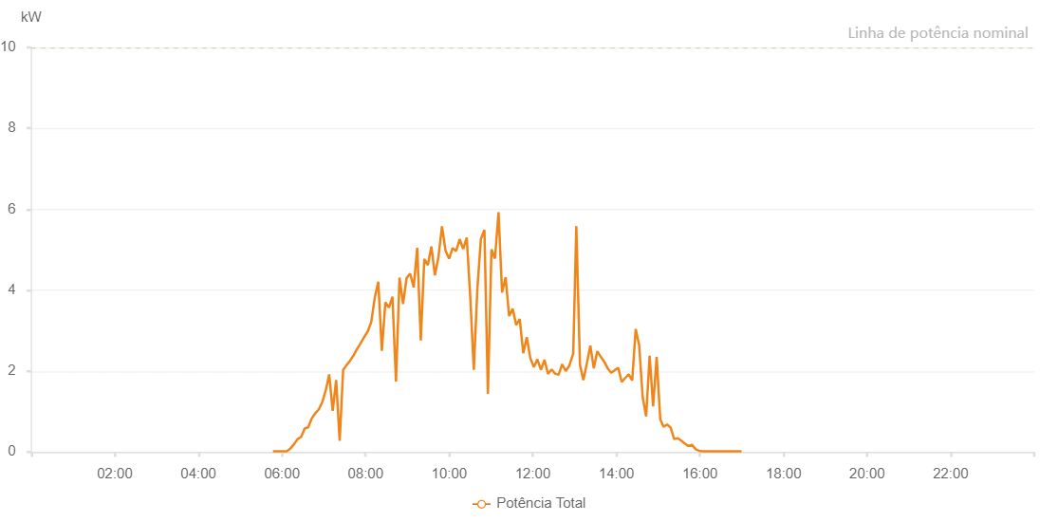

Number | Time | Working State | Alarm Code | Total Inverter Power(W)
1 | 16/07/2023 05:46:58 (UTC-4:00) | Normal |  | 20.000
2 | 16/07/2023 05:51:58 (UTC-4:00) | Normal |  | 20.000
3 | 16/07/2023 05:56:59 (UTC-4:00) | Normal |  | 20.000
4 | 16/07/2023 06:02:02 (UTC-4:00) | Normal |  | 20.000
5 | 16/07/2023 06:07:05 (UTC-4:00) | Normal |  | 20.000
6 | 16/07/2023 06:12:10 (UTC-4:00) | Normal |  | 90.000
7 | 16/07/2023 06:17:14 (UTC-4:00) | Normal |  | 190.000
8 | 16/07/2023 06:22:19 (UTC-4:00) | Normal |  | 320.000
9 | 16/07/2023 06:27:24 (UTC-4:00) | Normal |  | 370.000
10 | 16/07/2023 06:32:31 (UTC-4:00) | Normal |  | 580.000
11 | 16/07/2023 06:37:35 (UTC-4:00) | Normal |  | 610.000
12 | 16/07/2023 06:42:41 (UTC-4:00) | Normal |  | 830.000
13 | 16/07/2023 06:47:43 (UTC-4:00) | Normal |  | 960.000
14 | 16/07/2023 06:52:43 (UTC-4:00) | Normal |  | 1050.000
15 | 16/07/2023 06:57:44 (UTC-4:00) | Normal |  | 1230.000
16 | 16/07/2023 07:02:45 (UTC-4:00) | Normal |  | 1520.000
17 | 16/07/2023 07:07:45 (UTC-4:00) | Normal |  | 1920.000
18 | 16/07/2023 07:12:46 (UTC-4:00) | Normal |  | 1020.000
19 | 16/07/2023 07:17:46 (UTC-4:00) | Normal |  | 1780.000
20 | 16/07/2023 07:22:47 (UTC-4:00) | Normal |  | 280.000
21 | 16/07/2023 07:27:47 (UTC-4:00) | Normal |  | 2030.000
22 | 16/07/2023 07:32:47 (UTC-4:00) | Normal |  | 2150.000
23 | 16/07/2023 07:37:48 (UTC-4:00) | Normal |  | 2260.000
24 | 16/07/2023 07:42:48 (UTC-4:00) | Normal |  | 2390.000
25 | 16/07/2023 07:47:51 (UTC-4:00) | Normal |  | 2550.000
26 | 16/07/2023 07:52:55 (UTC-4:00) | Normal |  | 2690.000
27 | 16/07/2023 07:57:59 (UTC-4:00) | Normal |  | 2840.000
28 | 16/07/2023 08:03:04 (UTC-4:00) | Normal |  | 2980.000
29 | 16/07/2023 08:08:08 (UTC-4:00) | Normal |  | 3210.000
30 | 16/07/2023 08:13:13 (UTC-4:00) | Normal |  | 3820.000
31 | 16/07/2023 08:18:15 (UTC-4:00) | Normal |  | 4210.000
32 | 16/07/2023 08:23:20 (UTC-4:00) | Normal |  | 2500.000
33 | 16/07/2023 08:28:25 (UTC-4:00) | Normal |  | 3700.000
34 | 16/07/2023 08:33:31 (UTC-4:00) | Normal |  | 3570.000
35 | 16/07/2023 08:38:33 (UTC-4:00) | Normal |  | 3840.000
36 | 16/07/2023 08:43:39 (UTC-4:00) | Normal |  | 1740.000
37 | 16/07/2023 08:48:42 (UTC-4:00) | Normal |  | 4310.000
38 | 16/07/2023 08:53:47 (UTC-4:00) | Normal |  | 3660.000
39 | 16/07/2023 08:58:51 (UTC-4:00) | Normal |  | 4300.000
40 | 16/07/2023 09:03:58 (UTC-4:00) | Normal |  | 4410.000
41 | 16/07/2023 09:09:01 (UTC-4:00) | Normal |  | 4070.000
42 | 16/07/2023 09:14:08 (UTC-4:00) | Normal |  | 5050.000
43 | 16/07/2023 09:19:13 (UTC-4:00) | Normal |  | 2760.000
44 | 16/07/2023 09:24:18 (UTC-4:00) | Normal |  | 4770.000
45 | 16/07/2023 09:29:21 (UTC-4:00) | Normal |  | 4620.000
46 | 16/07/2023 09:34:26 (UTC-4:00) | Normal |  | 5080.000
47 | 16/07/2023 09:39:31 (UTC-4:00) | Normal |  | 4370.000
48 | 16/07/2023 09:44:36 (UTC-4:00) | Normal |  | 4820.000
49 | 16/07/2023 09:49:40 (UTC-4:00) | Normal |  | 5580.000
50 | 16/07/2023 09:54:46 (UTC-4:00) | Normal |  | 4980.000
51 | 16/07/2023 09:59:51 (UTC-4:00) | Normal |  | 4780.000
52 | 16/07/2023 10:04:53 (UTC-4:00) | Normal |  | 5040.000
53 | 16/07/2023 10:09:58 (UTC-4:00) | Normal |  | 4970.000
54 | 16/07/2023 10:15:02 (UTC-4:00) | Normal |  | 5260.000
55 | 16/07/2023 10:20:07 (UTC-4:00) | Normal |  | 5020.000
56 | 16/07/2023 10:25:11 (UTC-4:00) | Normal |  | 5300.000
57 | 16/07/2023 10:30:16 (UTC-4:00) | Normal |  | 3840.000
58 | 16/07/2023 10:35:21 (UTC-4:00) | Normal |  | 2030.000
59 | 16/07/2023 10:40:26 (UTC-4:00) | Normal |  | 4020.000
60 | 16/07/2023 10:45:29 (UTC-4:00) | Normal |  | 5260.000
61 | 16/07/2023 10:50:35 (UTC-4:00) | Normal |  | 5490.000
62 | 16/07/2023 10:55:37 (UTC-4:00) | Normal |  | 1440.000
63 | 16/07/2023 11:00:42 (UTC-4:00) | Normal |  | 5010.000
64 | 16/07/2023 11:05:45 (UTC-4:00) | Normal |  | 4780.000
65 | 16/07/2023 11:10:51 (UTC-4:00) | Normal |  | 5930.000
66 | 16/07/2023 11:15:57 (UTC-4:00) | Normal |  | 3940.000
67 | 16/07/2023 11:21:01 (UTC-4:00) | Normal |  | 4320.000
68 | 16/07/2023 11:26:06 (UTC-4:00) | Normal |  | 3360.000
69 | 16/07/2023 11:31:09 (UTC-4:00) | Normal |  | 3540.000
70 | 16/07/2023 11:36:13 (UTC-4:00) | Normal |  | 3140.000
71 | 16/07/2023 11:41:18 (UTC-4:00) | Normal |  | 3290.000
72 | 16/07/2023 11:46:21 (UTC-4:00) | Normal |  | 2440.000
73 | 16/07/2023 11:51:26 (UTC-4:00) | Normal |  | 2840.000
74 | 16/07/2023 11:56:30 (UTC-4:00) | Normal |  | 2320.000
75 | 16/07/2023 12:01:34 (UTC-4:00) | Normal |  | 2100.000
76 | 16/07/2023 12:06:39 (UTC-4:00) | Normal |  | 2290.000
77 | 16/07/2023 12:11:45 (UTC-4:00) | Normal |  | 2030.000
78 | 16/07/2023 12:16:50 (UTC-4:00) | Normal |  | 2280.000
79 | 16/07/2023 12:21:51 (UTC-4:00) | Normal |  | 1930.000
80 | 16/07/2023 12:26:57 (UTC-4:00) | Normal |  | 2040.000
81 | 16/07/2023 12:32:03 (UTC-4:00) | Normal |  | 1940.000
82 | 16/07/2023 12:37:07 (UTC-4:00) | Normal |  | 1910.000
83 | 16/07/2023 12:42:13 (UTC-4:00) | Normal |  | 2170.000
84 | 16/07/2023 12:47:19 (UTC-4:00) | Normal |  | 2000.000
85 | 16/07/2023 12:52:20 (UTC-4:00) | Normal |  | 2130.000
86 | 16/07/2023 12:57:50 (UTC-4:00) | Normal |  | 2420.000
87 | 16/07/2023 12:58:06 (UTC-4:00) | Normal |  | 2420.000
88 | 16/07/2023 13:02:30 (UTC-4:00) | Normal |  | 5580.000
89 | 16/07/2023 13:07:48 (UTC-4:00) | Normal |  | 2150.000
90 | 16/07/2023 13:12:38 (UTC-4:00) | Normal |  | 1780.000
91 | 16/07/2023 13:17:38 (UTC-4:00) | Normal |  | 2190.000
92 | 16/07/2023 13:22:38 (UTC-4:00) | Normal |  | 2630.000
93 | 16/07/2023 13:27:39 (UTC-4:00) | Normal |  | 2070.000
94 | 16/07/2023 13:32:39 (UTC-4:00) | Normal |  | 2490.000
95 | 16/07/2023 13:37:45 (UTC-4:00) | Normal |  | 2350.000
96 | 16/07/2023 13:42:39 (UTC-4:00) | Normal |  | 2230.000
97 | 16/07/2023 13:47:48 (UTC-4:00) | Normal |  | 2060.000
98 | 16/07/2023 13:52:40 (UTC-4:00) | Normal |  | 1960.000
99 | 16/07/2023 13:57:42 (UTC-4:00) | Normal |  | 2020.000
100 | 16/07/2023 14:02:42 (UTC-4:00) | Normal |  | 2080.000
101 | 16/07/2023 14:07:43 (UTC-4:00) | Normal |  | 1730.000
102 | 16/07/2023 14:12:45 (UTC-4:00) | Normal |  | 1830.000
103 | 16/07/2023 14:17:45 (UTC-4:00) | Normal |  | 1920.000
104 | 16/07/2023 14:22:46 (UTC-4:00) | Normal |  | 1770.000
105 | 16/07/2023 14:27:46 (UTC-4:00) | Normal |  | 3040.000
106 | 16/07/2023 14:32:46 (UTC-4:00) | Normal |  | 2640.000
107 | 16/07/2023 14:37:47 (UTC-4:00) | Normal |  | 1360.000
108 | 16/07/2023 14:42:47 (UTC-4:00) | Normal |  | 880.000
109 | 16/07/2023 14:47:47 (UTC-4:00) | Normal |  | 2380.000
110 | 16/07/2023 14:52:47 (UTC-4:00) | Normal |  | 1130.000
111 | 16/07/2023 14:57:51 (UTC-4:00) | Normal |  | 2350.000
112 | 16/07/2023 15:03:03 (UTC-4:00) | Normal |  | 810.000
113 | 16/07/2023 15:07:50 (UTC-4:00) | Normal |  | 620.000
114 | 16/07/2023 15:12:52 (UTC-4:00) | Normal |  | 680.000
115 | 16/07/2023 15:17:59 (UTC-4:00) | Normal |  | 600.000
116 | 16/07/2023 15:23:01 (UTC-4:00) | Normal |  | 320.000
117 | 16/07/2023 15:28:09 (UTC-4:00) | Normal |  | 340.000
118 | 16/07/2023 15:33:13 (UTC-4:00) | Normal |  | 280.000
119 | 16/07/2023 15:38:08 (UTC-4:00) | Normal |  | 210.000
120 | 16/07/2023 15:43:10 (UTC-4:00) | Normal |  | 150.000
121 | 16/07/2023 15:48:27 (UTC-4:00) | Normal |  | 180.000
122 | 16/07/2023 15:53:46 (UTC-4:00) | Normal |  | 70.000
123 | 16/07/2023 15:58:48 (UTC-4:00) | Normal |  | 30.000
124 | 16/07/2023 16:04:04 (UTC-4:00) | Normal |  | 20.000
125 | 16/07/2023 16:08:54 (UTC-4:00) | Normal |  | 20.000
126 | 16/07/2023 16:13:55 (UTC-4:00) | Normal |  | 20.000
127 | 16/07/2023 16:19:01 (UTC-4:00) | Normal |  | 20.000
128 | 16/07/2023 16:24:09 (UTC-4:00) | Normal |  | 20.000
129 | 16/07/2023 16:29:06 (UTC-4:00) | Normal |  | 20.000
130 | 16/07/2023 16:34:15 (UTC-4:00) | Normal |  | 20.000
131 | 16/07/2023 16:39:20 (UTC-4:00) | Normal |  | 20.000
132 | 16/07/2023 16:44:24 (UTC-4:00) | Normal |  | 20.000
133 | 16/07/2023 16:49:32 (UTC-4:00) | Normal |  | 20.000
134 | 16/07/2023 16:54:42 (UTC-4:00) | Normal |  | 20.000
135 | 16/07/2023 16:59:43 (UTC-4:00) | Normal |  | 20.000

