Inverter History Report__17-08-
Inverter History Report_17/07/2023_Report

Inverter SN:054B7020C020042 |  | Inverter type:B7
Collector SN:4046045654 |  | Full Load Hours(h):2.29
Rated Power:10000Wp

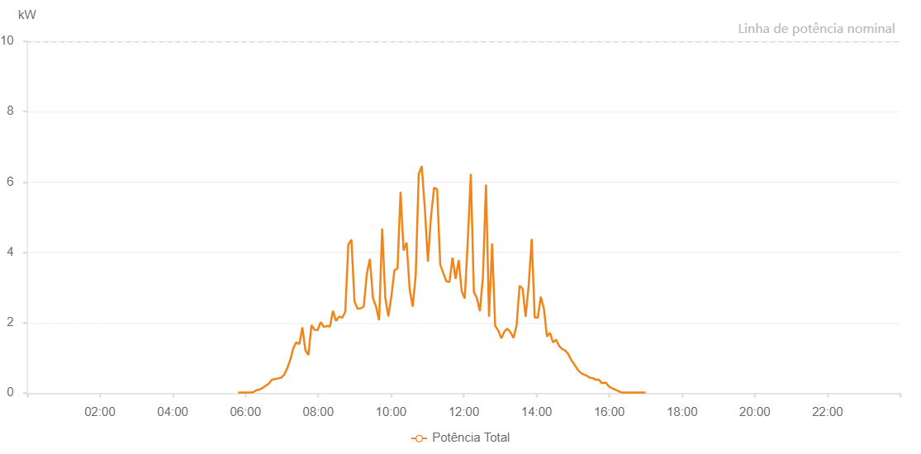

Number | Time | Working State | Alarm Code | Total Inverter Power(W)
1 | 17/07/2023 05:47:57 (UTC-4:00) | Normal |  | 20.000
2 | 17/07/2023 05:52:57 (UTC-4:00) | Normal |  | 20.000
3 | 17/07/2023 05:57:58 (UTC-4:00) | Normal |  | 20.000
4 | 17/07/2023 06:03:00 (UTC-4:00) | Normal |  | 20.000
5 | 17/07/2023 06:08:04 (UTC-4:00) | Normal |  | 20.000
6 | 17/07/2023 06:13:07 (UTC-4:00) | Normal |  | 30.000
7 | 17/07/2023 06:18:14 (UTC-4:00) | Normal |  | 90.000
8 | 17/07/2023 06:23:16 (UTC-4:00) | Normal |  | 100.000
9 | 17/07/2023 06:28:21 (UTC-4:00) | Normal |  | 150.000
10 | 17/07/2023 06:33:26 (UTC-4:00) | Normal |  | 210.000
11 | 17/07/2023 06:38:30 (UTC-4:00) | Normal |  | 270.000
12 | 17/07/2023 06:43:34 (UTC-4:00) | Normal |  | 380.000
13 | 17/07/2023 06:48:38 (UTC-4:00) | Normal |  | 400.000
14 | 17/07/2023 06:53:43 (UTC-4:00) | Normal |  | 420.000
15 | 17/07/2023 06:58:44 (UTC-4:00) | Normal |  | 440.000
16 | 17/07/2023 07:03:45 (UTC-4:00) | Normal |  | 520.000
17 | 17/07/2023 07:08:45 (UTC-4:00) | Normal |  | 700.000
18 | 17/07/2023 07:13:45 (UTC-4:00) | Normal |  | 940.000
19 | 17/07/2023 07:18:46 (UTC-4:00) | Normal |  | 1270.000
20 | 17/07/2023 07:23:46 (UTC-4:00) | Normal |  | 1450.000
21 | 17/07/2023 07:28:48 (UTC-4:00) | Normal |  | 1390.000
22 | 17/07/2023 07:33:48 (UTC-4:00) | Normal |  | 1870.000
23 | 17/07/2023 07:38:48 (UTC-4:00) | Normal |  | 1220.000
24 | 17/07/2023 07:43:48 (UTC-4:00) | Normal |  | 1080.000
25 | 17/07/2023 07:48:48 (UTC-4:00) | Normal |  | 1930.000
26 | 17/07/2023 07:53:48 (UTC-4:00) | Normal |  | 1800.000
27 | 17/07/2023 07:58:53 (UTC-4:00) | Normal |  | 1790.000
28 | 17/07/2023 08:03:58 (UTC-4:00) | Normal |  | 2020.000
29 | 17/07/2023 08:09:03 (UTC-4:00) | Normal |  | 1880.000
30 | 17/07/2023 08:14:07 (UTC-4:00) | Normal |  | 1910.000
31 | 17/07/2023 08:19:13 (UTC-4:00) | Normal |  | 1890.000
32 | 17/07/2023 08:24:19 (UTC-4:00) | Normal |  | 2340.000
33 | 17/07/2023 08:29:21 (UTC-4:00) | Normal |  | 2050.000
34 | 17/07/2023 08:34:26 (UTC-4:00) | Normal |  | 2180.000
35 | 17/07/2023 08:39:31 (UTC-4:00) | Normal |  | 2140.000
36 | 17/07/2023 08:44:33 (UTC-4:00) | Normal |  | 2310.000
37 | 17/07/2023 08:49:39 (UTC-4:00) | Normal |  | 4230.000
38 | 17/07/2023 08:54:44 (UTC-4:00) | Normal |  | 4360.000
39 | 17/07/2023 08:59:50 (UTC-4:00) | Normal |  | 2600.000
40 | 17/07/2023 09:04:53 (UTC-4:00) | Normal |  | 2400.000
41 | 17/07/2023 09:09:58 (UTC-4:00) | Normal |  | 2410.000
42 | 17/07/2023 09:15:02 (UTC-4:00) | Normal |  | 2460.000
43 | 17/07/2023 09:20:07 (UTC-4:00) | Normal |  | 3390.000
44 | 17/07/2023 09:25:12 (UTC-4:00) | Normal |  | 3810.000
45 | 17/07/2023 09:30:14 (UTC-4:00) | Normal |  | 2700.000
46 | 17/07/2023 09:35:18 (UTC-4:00) | Normal |  | 2460.000
47 | 17/07/2023 09:40:23 (UTC-4:00) | Normal |  | 2070.000
48 | 17/07/2023 09:45:27 (UTC-4:00) | Normal |  | 4680.000
49 | 17/07/2023 09:50:31 (UTC-4:00) | Normal |  | 2720.000
50 | 17/07/2023 09:55:37 (UTC-4:00) | Normal |  | 2180.000
51 | 17/07/2023 10:00:41 (UTC-4:00) | Normal |  | 2760.000
52 | 17/07/2023 10:05:43 (UTC-4:00) | Normal |  | 3500.000
53 | 17/07/2023 10:10:43 (UTC-4:00) | Normal |  | 3540.000
54 | 17/07/2023 10:15:44 (UTC-4:00) | Normal |  | 5720.000
55 | 17/07/2023 10:20:44 (UTC-4:00) | Normal |  | 4050.000
56 | 17/07/2023 10:25:44 (UTC-4:00) | Normal |  | 4280.000
57 | 17/07/2023 10:30:44 (UTC-4:00) | Normal |  | 2950.000
58 | 17/07/2023 10:35:44 (UTC-4:00) | Normal |  | 2460.000
59 | 17/07/2023 10:40:44 (UTC-4:00) | Normal |  | 3350.000
60 | 17/07/2023 10:45:45 (UTC-4:00) | Normal |  | 6230.000
61 | 17/07/2023 10:50:45 (UTC-4:00) | Normal |  | 6450.000
62 | 17/07/2023 10:55:45 (UTC-4:00) | Normal |  | 5250.000
63 | 17/07/2023 11:00:53 (UTC-4:00) | Normal |  | 3740.000
64 | 17/07/2023 11:05:56 (UTC-4:00) | Normal |  | 5020.000
65 | 17/07/2023 11:11:00 (UTC-4:00) | Normal |  | 5830.000
66 | 17/07/2023 11:11:12 (UTC-4:00) | Normal |  | 5830.000
67 | 17/07/2023 11:16:04 (UTC-4:00) | Normal |  | 5790.000
68 | 17/07/2023 11:21:10 (UTC-4:00) | Normal |  | 3650.000
69 | 17/07/2023 11:26:15 (UTC-4:00) | Normal |  | 3410.000
70 | 17/07/2023 11:31:19 (UTC-4:00) | Normal |  | 3180.000
71 | 17/07/2023 11:36:25 (UTC-4:00) | Normal |  | 3160.000
72 | 17/07/2023 11:41:27 (UTC-4:00) | Normal |  | 3850.000
73 | 17/07/2023 11:46:31 (UTC-4:00) | Normal |  | 3250.000
74 | 17/07/2023 11:51:36 (UTC-4:00) | Normal |  | 3780.000
75 | 17/07/2023 11:56:36 (UTC-4:00) | Normal |  | 2890.000
76 | 17/07/2023 12:01:36 (UTC-4:00) | Normal |  | 2690.000
77 | 17/07/2023 12:06:36 (UTC-4:00) | Normal |  | 4330.000
78 | 17/07/2023 12:11:38 (UTC-4:00) | Normal |  | 6230.000
79 | 17/07/2023 12:16:39 (UTC-4:00) | Normal |  | 2870.000
80 | 17/07/2023 12:21:39 (UTC-4:00) | Normal |  | 2700.000
81 | 17/07/2023 12:26:39 (UTC-4:00) | Normal |  | 2330.000
82 | 17/07/2023 12:31:39 (UTC-4:00) | Normal |  | 3330.000
83 | 17/07/2023 12:36:39 (UTC-4:00) | Normal |  | 5930.000
84 | 17/07/2023 12:41:39 (UTC-4:00) | Normal |  | 2170.000
85 | 17/07/2023 12:46:45 (UTC-4:00) | Normal |  | 4250.000
86 | 17/07/2023 12:51:47 (UTC-4:00) | Normal |  | 1910.000
87 | 17/07/2023 12:56:52 (UTC-4:00) | Normal |  | 1780.000
88 | 17/07/2023 13:01:57 (UTC-4:00) | Normal |  | 1560.000
89 | 17/07/2023 13:06:58 (UTC-4:00) | Normal |  | 1750.000
90 | 17/07/2023 13:11:58 (UTC-4:00) | Normal |  | 1830.000
91 | 17/07/2023 13:16:59 (UTC-4:00) | Normal |  | 1730.000
92 | 17/07/2023 13:22:00 (UTC-4:00) | Normal |  | 1570.000
93 | 17/07/2023 13:27:00 (UTC-4:00) | Normal |  | 1910.000
94 | 17/07/2023 13:32:00 (UTC-4:00) | Normal |  | 3050.000
95 | 17/07/2023 13:37:00 (UTC-4:00) | Normal |  | 2970.000
96 | 17/07/2023 13:42:00 (UTC-4:00) | Normal |  | 2170.000
97 | 17/07/2023 13:47:01 (UTC-4:00) | Normal |  | 3060.000
98 | 17/07/2023 13:52:01 (UTC-4:00) | Normal |  | 4380.000
99 | 17/07/2023 13:57:01 (UTC-4:00) | Normal |  | 2150.000
100 | 17/07/2023 14:02:02 (UTC-4:00) | Normal |  | 2140.000
101 | 17/07/2023 14:07:04 (UTC-4:00) | Normal |  | 2740.000
102 | 17/07/2023 14:12:11 (UTC-4:00) | Normal |  | 2400.000
103 | 17/07/2023 14:17:13 (UTC-4:00) | Normal |  | 1610.000
104 | 17/07/2023 14:22:13 (UTC-4:00) | Normal |  | 1710.000
105 | 17/07/2023 14:27:13 (UTC-4:00) | Normal |  | 1440.000
106 | 17/07/2023 14:32:13 (UTC-4:00) | Normal |  | 1520.000
107 | 17/07/2023 14:37:13 (UTC-4:00) | Normal |  | 1340.000
108 | 17/07/2023 14:42:13 (UTC-4:00) | Normal |  | 1250.000
109 | 17/07/2023 14:47:14 (UTC-4:00) | Normal |  | 1210.000
110 | 17/07/2023 14:52:14 (UTC-4:00) | Normal |  | 1110.000
111 | 17/07/2023 14:57:14 (UTC-4:00) | Normal |  | 940.000
112 | 17/07/2023 15:02:14 (UTC-4:00) | Normal |  | 820.000
113 | 17/07/2023 15:07:14 (UTC-4:00) | Normal |  | 680.000
114 | 17/07/2023 15:12:20 (UTC-4:00) | Normal |  | 580.000
115 | 17/07/2023 15:17:22 (UTC-4:00) | Normal |  | 530.000
116 | 17/07/2023 15:22:26 (UTC-4:00) | Normal |  | 500.000
117 | 17/07/2023 15:27:32 (UTC-4:00) | Normal |  | 440.000
118 | 17/07/2023 15:32:37 (UTC-4:00) | Normal |  | 430.000
119 | 17/07/2023 15:37:42 (UTC-4:00) | Normal |  | 380.000
120 | 17/07/2023 15:42:48 (UTC-4:00) | Normal |  | 380.000
121 | 17/07/2023 15:47:51 (UTC-4:00) | Normal |  | 280.000
122 | 17/07/2023 15:49:04 (UTC-4:00) | Normal |  | 290.000
123 | 17/07/2023 15:54:21 (UTC-4:00) | Normal |  | 300.000
124 | 17/07/2023 15:59:23 (UTC-4:00) | Normal |  | 190.000
125 | 17/07/2023 16:04:25 (UTC-4:00) | Normal |  | 140.000
126 | 17/07/2023 16:09:26 (UTC-4:00) | Normal |  | 100.000
127 | 17/07/2023 16:14:28 (UTC-4:00) | Normal |  | 60.000
128 | 17/07/2023 16:19:42 (UTC-4:00) | Normal |  | 20.000
129 | 17/07/2023 16:19:43 (UTC-4:00) | Normal |  | 20.000
130 | 17/07/2023 16:24:31 (UTC-4:00) | Normal |  | 20.000
131 | 17/07/2023 16:29:32 (UTC-4:00) | Normal |  | 20.000
132 | 17/07/2023 16:34:34 (UTC-4:00) | Normal |  | 20.000
133 | 17/07/2023 16:39:40 (UTC-4:00) | Normal |  | 20.000
134 | 17/07/2023 16:44:45 (UTC-4:00) | Normal |  | 20.000
135 | 17/07/2023 16:49:53 (UTC-4:00) | Normal |  | 20.000
136 | 17/07/2023 16:54:57 (UTC-4:00) | Normal |  | 20.000
137 | 17/07/2023 16:59:59 (UTC-4:00) | Normal |  | 20.000

