Inverter History Report__17-08-
Inverter History Report_18/07/2023_Report

Inverter SN:054B7020C020042 |  | Inverter type:B7
Collector SN:4046045654 |  | Full Load Hours(h):2.59
Rated Power:10000Wp

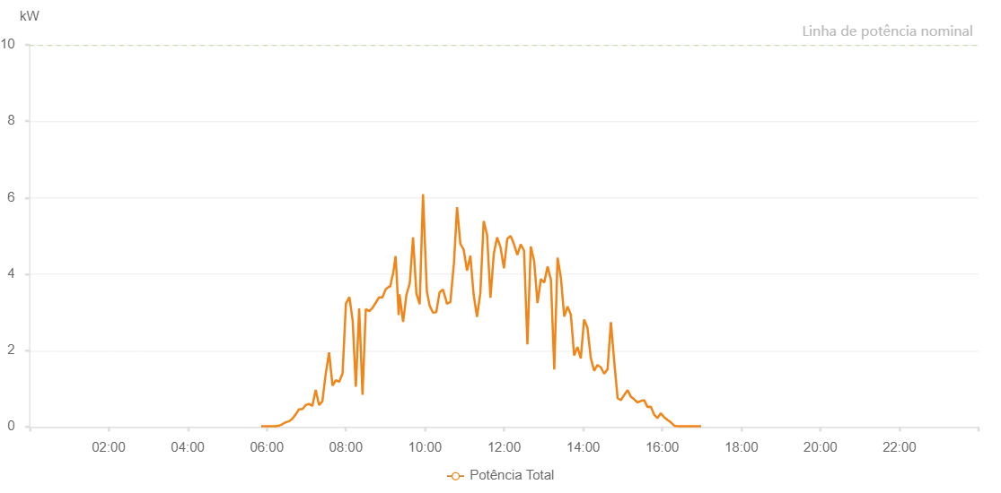

Number | Time | Working State | Alarm Code | Total Inverter Power(W)
1 | 18/07/2023 05:51:34 (UTC-4:00) | Normal |  | 20.000
2 | 18/07/2023 05:56:37 (UTC-4:00) | Normal |  | 20.000
3 | 18/07/2023 06:01:36 (UTC-4:00) | Normal |  | 20.000
4 | 18/07/2023 06:06:41 (UTC-4:00) | Normal |  | 20.000
5 | 18/07/2023 06:12:06 (UTC-4:00) | Normal |  | 20.000
6 | 18/07/2023 06:13:01 (UTC-4:00) | Normal |  | 20.000
7 | 18/07/2023 06:18:25 (UTC-4:00) | Normal |  | 30.000
8 | 18/07/2023 06:23:26 (UTC-4:00) | Normal |  | 70.000
9 | 18/07/2023 06:28:29 (UTC-4:00) | Normal |  | 120.000
10 | 18/07/2023 06:34:09 (UTC-4:00) | Normal |  | 150.000
11 | 18/07/2023 06:38:33 (UTC-4:00) | Normal |  | 210.000
12 | 18/07/2023 06:43:38 (UTC-4:00) | Normal |  | 320.000
13 | 18/07/2023 06:48:44 (UTC-4:00) | Normal |  | 460.000
14 | 18/07/2023 06:54:14 (UTC-4:00) | Normal |  | 470.000
15 | 18/07/2023 06:58:55 (UTC-4:00) | Normal |  | 570.000
16 | 18/07/2023 07:04:01 (UTC-4:00) | Normal |  | 600.000
17 | 18/07/2023 07:09:06 (UTC-4:00) | Normal |  | 550.000
18 | 18/07/2023 07:14:12 (UTC-4:00) | Normal |  | 970.000
19 | 18/07/2023 07:19:16 (UTC-4:00) | Normal |  | 570.000
20 | 18/07/2023 07:24:21 (UTC-4:00) | Normal |  | 670.000
21 | 18/07/2023 07:29:28 (UTC-4:00) | Normal |  | 1400.000
22 | 18/07/2023 07:34:33 (UTC-4:00) | Normal |  | 1950.000
23 | 18/07/2023 07:39:41 (UTC-4:00) | Normal |  | 1080.000
24 | 18/07/2023 07:44:45 (UTC-4:00) | Normal |  | 1220.000
25 | 18/07/2023 07:49:51 (UTC-4:00) | Normal |  | 1180.000
26 | 18/07/2023 07:54:57 (UTC-4:00) | Normal |  | 1400.000
27 | 18/07/2023 08:00:04 (UTC-4:00) | Normal |  | 3230.000
28 | 18/07/2023 08:05:22 (UTC-4:00) | Normal |  | 3400.000
29 | 18/07/2023 08:10:14 (UTC-4:00) | Normal |  | 2790.000
30 | 18/07/2023 08:15:08 (UTC-4:00) | Normal |  | 1050.000
31 | 18/07/2023 08:20:10 (UTC-4:00) | Normal |  | 3100.000
32 | 18/07/2023 08:25:15 (UTC-4:00) | Normal |  | 840.000
33 | 18/07/2023 08:30:12 (UTC-4:00) | Normal |  | 3080.000
34 | 18/07/2023 08:35:35 (UTC-4:00) | Normal |  | 3030.000
35 | 18/07/2023 08:40:14 (UTC-4:00) | Normal |  | 3110.000
36 | 18/07/2023 08:45:15 (UTC-4:00) | Normal |  | 3250.000
37 | 18/07/2023 08:50:18 (UTC-4:00) | Normal |  | 3390.000
38 | 18/07/2023 08:55:20 (UTC-4:00) | Normal |  | 3390.000
39 | 18/07/2023 09:00:26 (UTC-4:00) | Normal |  | 3600.000
40 | 18/07/2023 09:05:28 (UTC-4:00) | Normal |  | 3670.000
41 | 18/07/2023 09:07:15 (UTC-4:00) | Normal |  | 3670.000
42 | 18/07/2023 09:10:53 (UTC-4:00) | Normal |  | 3970.000
43 | 18/07/2023 09:10:54 (UTC-4:00) | Normal |  | 3970.000
44 | 18/07/2023 09:11:20 (UTC-4:00) | Normal |  | 3970.000
45 | 18/07/2023 09:15:31 (UTC-4:00) | Normal |  | 4470.000
46 | 18/07/2023 09:20:07 (UTC-4:00) | Normal |  | 2930.000
47 | 18/07/2023 09:21:20 (UTC-4:00) | Normal |  | 3470.000
48 | 18/07/2023 09:26:47 (UTC-4:00) | Normal |  | 2750.000
49 | 18/07/2023 09:31:51 (UTC-4:00) | Normal |  | 3460.000
50 | 18/07/2023 09:36:51 (UTC-4:00) | Normal |  | 3750.000
51 | 18/07/2023 09:41:55 (UTC-4:00) | Normal |  | 4960.000
52 | 18/07/2023 09:46:57 (UTC-4:00) | Normal |  | 3490.000
53 | 18/07/2023 09:51:58 (UTC-4:00) | Normal |  | 3210.000
54 | 18/07/2023 09:57:00 (UTC-4:00) | Normal |  | 6090.000
55 | 18/07/2023 10:02:50 (UTC-4:00) | Normal |  | 3550.000
56 | 18/07/2023 10:07:07 (UTC-4:00) | Normal |  | 3170.000
57 | 18/07/2023 10:12:05 (UTC-4:00) | Normal |  | 2990.000
58 | 18/07/2023 10:17:08 (UTC-4:00) | Normal |  | 3000.000
59 | 18/07/2023 10:22:06 (UTC-4:00) | Normal |  | 3520.000
60 | 18/07/2023 10:27:11 (UTC-4:00) | Normal |  | 3600.000
61 | 18/07/2023 10:32:39 (UTC-4:00) | Normal |  | 3280.000
62 | 18/07/2023 10:33:13 (UTC-4:00) | Normal |  | 3220.000
63 | 18/07/2023 10:38:36 (UTC-4:00) | Normal |  | 3270.000
64 | 18/07/2023 10:43:39 (UTC-4:00) | Normal |  | 4240.000
65 | 18/07/2023 10:43:51 (UTC-4:00) | Normal |  | 4240.000
66 | 18/07/2023 10:48:41 (UTC-4:00) | Normal |  | 5750.000
67 | 18/07/2023 10:53:44 (UTC-4:00) | Normal |  | 4790.000
68 | 18/07/2023 10:58:45 (UTC-4:00) | Normal |  | 4640.000
69 | 18/07/2023 11:03:47 (UTC-4:00) | Normal |  | 4090.000
70 | 18/07/2023 11:08:51 (UTC-4:00) | Normal |  | 4480.000
71 | 18/07/2023 11:13:53 (UTC-4:00) | Normal |  | 3460.000
72 | 18/07/2023 11:18:56 (UTC-4:00) | Normal |  | 2880.000
73 | 18/07/2023 11:24:01 (UTC-4:00) | Normal |  | 3500.000
74 | 18/07/2023 11:29:07 (UTC-4:00) | Normal |  | 5390.000
75 | 18/07/2023 11:34:15 (UTC-4:00) | Normal |  | 5020.000
76 | 18/07/2023 11:39:23 (UTC-4:00) | Normal |  | 3380.000
77 | 18/07/2023 11:44:28 (UTC-4:00) | Normal |  | 4540.000
78 | 18/07/2023 11:49:33 (UTC-4:00) | Normal |  | 4960.000
79 | 18/07/2023 11:54:40 (UTC-4:00) | Normal |  | 4700.000
80 | 18/07/2023 11:59:45 (UTC-4:00) | Normal |  | 4150.000
81 | 18/07/2023 12:04:51 (UTC-4:00) | Normal |  | 4920.000
82 | 18/07/2023 12:09:58 (UTC-4:00) | Normal |  | 5000.000
83 | 18/07/2023 12:15:05 (UTC-4:00) | Normal |  | 4780.000
84 | 18/07/2023 12:20:10 (UTC-4:00) | Normal |  | 4500.000
85 | 18/07/2023 12:25:17 (UTC-4:00) | Normal |  | 4780.000
86 | 18/07/2023 12:30:21 (UTC-4:00) | Normal |  | 4610.000
87 | 18/07/2023 12:35:27 (UTC-4:00) | Normal |  | 2160.000
88 | 18/07/2023 12:40:32 (UTC-4:00) | Normal |  | 4720.000
89 | 18/07/2023 12:45:40 (UTC-4:00) | Normal |  | 4340.000
90 | 18/07/2023 12:50:47 (UTC-4:00) | Normal |  | 3240.000
91 | 18/07/2023 12:55:53 (UTC-4:00) | Normal |  | 3870.000
92 | 18/07/2023 13:00:58 (UTC-4:00) | Normal |  | 3780.000
93 | 18/07/2023 13:06:04 (UTC-4:00) | Normal |  | 4200.000
94 | 18/07/2023 13:11:08 (UTC-4:00) | Normal |  | 3850.000
95 | 18/07/2023 13:16:10 (UTC-4:00) | Normal |  | 1500.000
96 | 18/07/2023 13:21:11 (UTC-4:00) | Normal |  | 4430.000
97 | 18/07/2023 13:26:13 (UTC-4:00) | Normal |  | 3910.000
98 | 18/07/2023 13:31:18 (UTC-4:00) | Normal |  | 2890.000
99 | 18/07/2023 13:36:20 (UTC-4:00) | Normal |  | 3150.000
100 | 18/07/2023 13:41:21 (UTC-4:00) | Normal |  | 2940.000
101 | 18/07/2023 13:46:23 (UTC-4:00) | Normal |  | 1870.000
102 | 18/07/2023 13:51:25 (UTC-4:00) | Normal |  | 2090.000
103 | 18/07/2023 13:56:27 (UTC-4:00) | Normal |  | 1790.000
104 | 18/07/2023 14:01:28 (UTC-4:00) | Normal |  | 2810.000
105 | 18/07/2023 14:06:31 (UTC-4:00) | Normal |  | 2600.000
106 | 18/07/2023 14:11:33 (UTC-4:00) | Normal |  | 1810.000
107 | 18/07/2023 14:16:41 (UTC-4:00) | Normal |  | 1470.000
108 | 18/07/2023 14:21:46 (UTC-4:00) | Normal |  | 1620.000
109 | 18/07/2023 14:26:52 (UTC-4:00) | Normal |  | 1560.000
110 | 18/07/2023 14:31:57 (UTC-4:00) | Normal |  | 1390.000
111 | 18/07/2023 14:37:04 (UTC-4:00) | Normal |  | 1510.000
112 | 18/07/2023 14:42:09 (UTC-4:00) | Normal |  | 2740.000
113 | 18/07/2023 14:47:15 (UTC-4:00) | Normal |  | 1690.000
114 | 18/07/2023 14:52:19 (UTC-4:00) | Normal |  | 750.000
115 | 18/07/2023 14:57:25 (UTC-4:00) | Normal |  | 700.000
116 | 18/07/2023 15:02:27 (UTC-4:00) | Normal |  | 840.000
117 | 18/07/2023 15:07:28 (UTC-4:00) | Normal |  | 960.000
118 | 18/07/2023 15:12:30 (UTC-4:00) | Normal |  | 790.000
119 | 18/07/2023 15:17:33 (UTC-4:00) | Normal |  | 720.000
120 | 18/07/2023 15:22:35 (UTC-4:00) | Normal |  | 640.000
121 | 18/07/2023 15:27:36 (UTC-4:00) | Normal |  | 680.000
122 | 18/07/2023 15:32:38 (UTC-4:00) | Normal |  | 700.000
123 | 18/07/2023 15:37:40 (UTC-4:00) | Normal |  | 520.000
124 | 18/07/2023 15:42:42 (UTC-4:00) | Normal |  | 530.000
125 | 18/07/2023 15:47:45 (UTC-4:00) | Normal |  | 320.000
126 | 18/07/2023 15:52:46 (UTC-4:00) | Normal |  | 230.000
127 | 18/07/2023 15:57:49 (UTC-4:00) | Normal |  | 360.000
128 | 18/07/2023 16:02:54 (UTC-4:00) | Normal |  | 250.000
129 | 18/07/2023 16:08:02 (UTC-4:00) | Normal |  | 180.000
130 | 18/07/2023 16:13:06 (UTC-4:00) | Normal |  | 120.000
131 | 18/07/2023 16:18:12 (UTC-4:00) | Normal |  | 30.000
132 | 18/07/2023 16:23:17 (UTC-4:00) | Normal |  | 20.000
133 | 18/07/2023 16:28:23 (UTC-4:00) | Normal |  | 20.000
134 | 18/07/2023 16:33:30 (UTC-4:00) | Normal |  | 20.000
135 | 18/07/2023 16:38:35 (UTC-4:00) | Normal |  | 20.000
136 | 18/07/2023 16:43:41 (UTC-4:00) | Normal |  | 20.000
137 | 18/07/2023 16:48:47 (UTC-4:00) | Normal |  | 20.000
138 | 18/07/2023 16:53:53 (UTC-4:00) | Normal |  | 20.000
139 | 18/07/2023 16:58:59 (UTC-4:00) | Normal |  | 20.000

