Inverter History Report__17-08-
Inverter History Report_19/07/2023_Report

Inverter SN:054B7020C020042 |  | Inverter type:B7
Collector SN:4046045654 |  | Full Load Hours(h):2.66
Rated Power:10000Wp

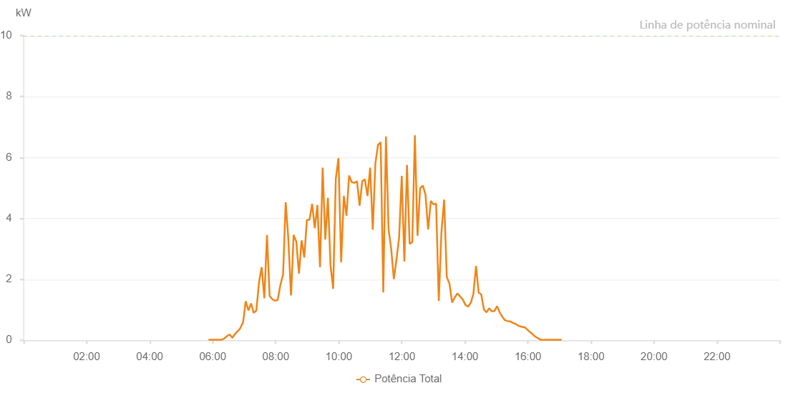

Number | Time | Working State | Alarm Code | Total Inverter Power(W)
1 | 19/07/2023 05:51:57 (UTC-4:00) | Normal |  | 20.000
2 | 19/07/2023 05:56:57 (UTC-4:00) | Normal |  | 20.000
3 | 19/07/2023 06:01:58 (UTC-4:00) | Normal |  | 20.000
4 | 19/07/2023 06:07:00 (UTC-4:00) | Normal |  | 20.000
5 | 19/07/2023 06:12:05 (UTC-4:00) | Normal |  | 20.000
6 | 19/07/2023 06:17:10 (UTC-4:00) | Normal |  | 20.000
7 | 19/07/2023 06:22:12 (UTC-4:00) | Normal |  | 60.000
8 | 19/07/2023 06:27:18 (UTC-4:00) | Normal |  | 140.000
9 | 19/07/2023 06:32:23 (UTC-4:00) | Normal |  | 190.000
10 | 19/07/2023 06:37:25 (UTC-4:00) | Normal |  | 80.000
11 | 19/07/2023 06:42:31 (UTC-4:00) | Normal |  | 210.000
12 | 19/07/2023 06:47:35 (UTC-4:00) | Normal |  | 300.000
13 | 19/07/2023 06:52:39 (UTC-4:00) | Normal |  | 400.000
14 | 19/07/2023 06:57:43 (UTC-4:00) | Normal |  | 600.000
15 | 19/07/2023 06:57:54 (UTC-4:00) | Normal |  | 600.000
16 | 19/07/2023 07:02:47 (UTC-4:00) | Normal |  | 1280.000
17 | 19/07/2023 07:07:51 (UTC-4:00) | Normal |  | 980.000
18 | 19/07/2023 07:13:02 (UTC-4:00) | Normal |  | 1210.000
19 | 19/07/2023 07:17:59 (UTC-4:00) | Normal |  | 900.000
20 | 19/07/2023 07:23:05 (UTC-4:00) | Normal |  | 980.000
21 | 19/07/2023 07:28:07 (UTC-4:00) | Normal |  | 1900.000
22 | 19/07/2023 07:33:11 (UTC-4:00) | Normal |  | 2400.000
23 | 19/07/2023 07:38:15 (UTC-4:00) | Normal |  | 1380.000
24 | 19/07/2023 07:43:19 (UTC-4:00) | Normal |  | 3460.000
25 | 19/07/2023 07:48:23 (UTC-4:00) | Normal |  | 1450.000
26 | 19/07/2023 07:53:27 (UTC-4:00) | Normal |  | 1350.000
27 | 19/07/2023 07:58:33 (UTC-4:00) | Normal |  | 1300.000
28 | 19/07/2023 08:03:37 (UTC-4:00) | Normal |  | 1320.000
29 | 19/07/2023 08:08:39 (UTC-4:00) | Normal |  | 1800.000
30 | 19/07/2023 08:13:55 (UTC-4:00) | Normal |  | 2160.000
31 | 19/07/2023 08:13:58 (UTC-4:00) | Normal |  | 2160.000
32 | 19/07/2023 08:18:53 (UTC-4:00) | Normal |  | 4530.000
33 | 19/07/2023 08:23:53 (UTC-4:00) | Normal |  | 3350.000
34 | 19/07/2023 08:28:57 (UTC-4:00) | Normal |  | 1490.000
35 | 19/07/2023 08:29:14 (UTC-4:00) | Normal |  | 1490.000
36 | 19/07/2023 08:34:01 (UTC-4:00) | Normal |  | 3460.000
37 | 19/07/2023 08:39:05 (UTC-4:00) | Normal |  | 3240.000
38 | 19/07/2023 08:44:11 (UTC-4:00) | Normal |  | 2190.000
39 | 19/07/2023 08:49:12 (UTC-4:00) | Normal |  | 3280.000
40 | 19/07/2023 08:54:16 (UTC-4:00) | Normal |  | 2720.000
41 | 19/07/2023 08:59:16 (UTC-4:00) | Normal |  | 3950.000
42 | 19/07/2023 09:04:16 (UTC-4:00) | Normal |  | 3960.000
43 | 19/07/2023 09:09:16 (UTC-4:00) | Normal |  | 4480.000
44 | 19/07/2023 09:14:16 (UTC-4:00) | Normal |  | 3680.000
45 | 19/07/2023 09:19:16 (UTC-4:00) | Normal |  | 4440.000
46 | 19/07/2023 09:24:16 (UTC-4:00) | Normal |  | 2400.000
47 | 19/07/2023 09:29:16 (UTC-4:00) | Normal |  | 5670.000
48 | 19/07/2023 09:34:18 (UTC-4:00) | Normal |  | 3310.000
49 | 19/07/2023 09:39:16 (UTC-4:00) | Normal |  | 4680.000
50 | 19/07/2023 09:44:17 (UTC-4:00) | Normal |  | 2460.000
51 | 19/07/2023 09:49:17 (UTC-4:00) | Normal |  | 1690.000
52 | 19/07/2023 09:54:19 (UTC-4:00) | Normal |  | 5310.000
53 | 19/07/2023 09:59:22 (UTC-4:00) | Normal |  | 5980.000
54 | 19/07/2023 10:04:30 (UTC-4:00) | Normal |  | 2560.000
55 | 19/07/2023 10:09:37 (UTC-4:00) | Normal |  | 4730.000
56 | 19/07/2023 10:09:40 (UTC-4:00) | Normal |  | 4730.000
57 | 19/07/2023 10:14:36 (UTC-4:00) | Normal |  | 4090.000
58 | 19/07/2023 10:19:38 (UTC-4:00) | Normal |  | 5410.000
59 | 19/07/2023 10:24:40 (UTC-4:00) | Normal |  | 5190.000
60 | 19/07/2023 10:29:40 (UTC-4:00) | Normal |  | 5170.000
61 | 19/07/2023 10:34:40 (UTC-4:00) | Normal |  | 5220.000
62 | 19/07/2023 10:39:40 (UTC-4:00) | Normal |  | 4420.000
63 | 19/07/2023 10:44:40 (UTC-4:00) | Normal |  | 5230.000
64 | 19/07/2023 10:49:40 (UTC-4:00) | Normal |  | 5280.000
65 | 19/07/2023 10:54:40 (UTC-4:00) | Normal |  | 4740.000
66 | 19/07/2023 10:59:40 (UTC-4:00) | Normal |  | 5670.000
67 | 19/07/2023 11:04:42 (UTC-4:00) | Normal |  | 3630.000
68 | 19/07/2023 11:09:40 (UTC-4:00) | Normal |  | 5810.000
69 | 19/07/2023 11:14:40 (UTC-4:00) | Normal |  | 6420.000
70 | 19/07/2023 11:19:41 (UTC-4:00) | Normal |  | 6500.000
71 | 19/07/2023 11:24:42 (UTC-4:00) | Normal |  | 1570.000
72 | 19/07/2023 11:29:46 (UTC-4:00) | Normal |  | 6690.000
73 | 19/07/2023 11:34:46 (UTC-4:00) | Normal |  | 3630.000
74 | 19/07/2023 11:39:46 (UTC-4:00) | Normal |  | 3000.000
75 | 19/07/2023 11:44:46 (UTC-4:00) | Normal |  | 2010.000
76 | 19/07/2023 11:49:46 (UTC-4:00) | Normal |  | 2650.000
77 | 19/07/2023 11:54:49 (UTC-4:00) | Normal |  | 3380.000
78 | 19/07/2023 11:59:49 (UTC-4:00) | Normal |  | 5400.000
79 | 19/07/2023 12:04:49 (UTC-4:00) | Normal |  | 2590.000
80 | 19/07/2023 12:09:49 (UTC-4:00) | Normal |  | 5760.000
81 | 19/07/2023 12:14:49 (UTC-4:00) | Normal |  | 3170.000
82 | 19/07/2023 12:19:49 (UTC-4:00) | Normal |  | 3220.000
83 | 19/07/2023 12:24:49 (UTC-4:00) | Normal |  | 6730.000
84 | 19/07/2023 12:29:50 (UTC-4:00) | Normal |  | 3430.000
85 | 19/07/2023 12:34:50 (UTC-4:00) | Normal |  | 4990.000
86 | 19/07/2023 12:39:54 (UTC-4:00) | Normal |  | 5080.000
87 | 19/07/2023 12:44:59 (UTC-4:00) | Normal |  | 4790.000
88 | 19/07/2023 12:50:04 (UTC-4:00) | Normal |  | 3640.000
89 | 19/07/2023 12:55:09 (UTC-4:00) | Normal |  | 4580.000
90 | 19/07/2023 13:00:11 (UTC-4:00) | Normal |  | 4460.000
91 | 19/07/2023 13:05:15 (UTC-4:00) | Normal |  | 4490.000
92 | 19/07/2023 13:10:19 (UTC-4:00) | Normal |  | 1290.000
93 | 19/07/2023 13:15:23 (UTC-4:00) | Normal |  | 3560.000
94 | 19/07/2023 13:20:29 (UTC-4:00) | Normal |  | 4620.000
95 | 19/07/2023 13:25:34 (UTC-4:00) | Normal |  | 2080.000
96 | 19/07/2023 13:30:38 (UTC-4:00) | Normal |  | 1860.000
97 | 19/07/2023 13:35:43 (UTC-4:00) | Normal |  | 1240.000
98 | 19/07/2023 13:40:47 (UTC-4:00) | Normal |  | 1410.000
99 | 19/07/2023 13:45:52 (UTC-4:00) | Normal |  | 1540.000
100 | 19/07/2023 13:50:54 (UTC-4:00) | Normal |  | 1440.000
101 | 19/07/2023 13:55:59 (UTC-4:00) | Normal |  | 1340.000
102 | 19/07/2023 14:01:03 (UTC-4:00) | Normal |  | 1160.000
103 | 19/07/2023 14:06:08 (UTC-4:00) | Normal |  | 1110.000
104 | 19/07/2023 14:06:20 (UTC-4:00) | Normal |  | 1110.000
105 | 19/07/2023 14:11:11 (UTC-4:00) | Normal |  | 1230.000
106 | 19/07/2023 14:16:11 (UTC-4:00) | Normal |  | 1520.000
107 | 19/07/2023 14:21:11 (UTC-4:00) | Normal |  | 2440.000
108 | 19/07/2023 14:26:12 (UTC-4:00) | Normal |  | 1570.000
109 | 19/07/2023 14:31:12 (UTC-4:00) | Normal |  | 1500.000
110 | 19/07/2023 14:36:12 (UTC-4:00) | Normal |  | 1010.000
111 | 19/07/2023 14:41:12 (UTC-4:00) | Normal |  | 920.000
112 | 19/07/2023 14:46:12 (UTC-4:00) | Normal |  | 1050.000
113 | 19/07/2023 14:51:13 (UTC-4:00) | Normal |  | 950.000
114 | 19/07/2023 14:56:14 (UTC-4:00) | Normal |  | 960.000
115 | 19/07/2023 15:01:14 (UTC-4:00) | Normal |  | 1120.000
116 | 19/07/2023 15:06:14 (UTC-4:00) | Normal |  | 920.000
117 | 19/07/2023 15:11:14 (UTC-4:00) | Normal |  | 770.000
118 | 19/07/2023 15:16:18 (UTC-4:00) | Normal |  | 660.000
119 | 19/07/2023 15:21:23 (UTC-4:00) | Normal |  | 630.000
120 | 19/07/2023 15:26:26 (UTC-4:00) | Normal |  | 620.000
121 | 19/07/2023 15:31:31 (UTC-4:00) | Normal |  | 570.000
122 | 19/07/2023 15:36:33 (UTC-4:00) | Normal |  | 540.000
123 | 19/07/2023 15:41:37 (UTC-4:00) | Normal |  | 480.000
124 | 19/07/2023 15:46:42 (UTC-4:00) | Normal |  | 450.000
125 | 19/07/2023 15:51:48 (UTC-4:00) | Normal |  | 430.000
126 | 19/07/2023 15:52:52 (UTC-4:00) | Normal |  | 440.000
127 | 19/07/2023 15:58:17 (UTC-4:00) | Normal |  | 360.000
128 | 19/07/2023 16:03:19 (UTC-4:00) | Normal |  | 280.000
129 | 19/07/2023 16:08:20 (UTC-4:00) | Normal |  | 210.000
130 | 19/07/2023 16:13:22 (UTC-4:00) | Normal |  | 130.000
131 | 19/07/2023 16:18:24 (UTC-4:00) | Normal |  | 80.000
132 | 19/07/2023 16:23:25 (UTC-4:00) | Normal |  | 20.000
133 | 19/07/2023 16:28:28 (UTC-4:00) | Normal |  | 20.000
134 | 19/07/2023 16:33:29 (UTC-4:00) | Normal |  | 20.000
135 | 19/07/2023 16:38:35 (UTC-4:00) | Normal |  | 20.000
136 | 19/07/2023 16:43:41 (UTC-4:00) | Normal |  | 20.000
137 | 19/07/2023 16:43:53 (UTC-4:00) | Normal |  | 20.000
138 | 19/07/2023 16:48:46 (UTC-4:00) | Normal |  | 20.000
139 | 19/07/2023 16:53:52 (UTC-4:00) | Normal |  | 20.000
140 | 19/07/2023 16:58:57 (UTC-4:00) | Normal |  | 20.000
141 | 19/07/2023 17:04:05 (UTC-4:00) | Normal |  | 20.000

