Inverter History Report__17-08-
Inverter History Report_20/07/2023_Report

Inverter SN:054B7020C020042 |  | Inverter type:B7
Collector SN:4046045654 |  | Full Load Hours(h):3.07
Rated Power:10000Wp

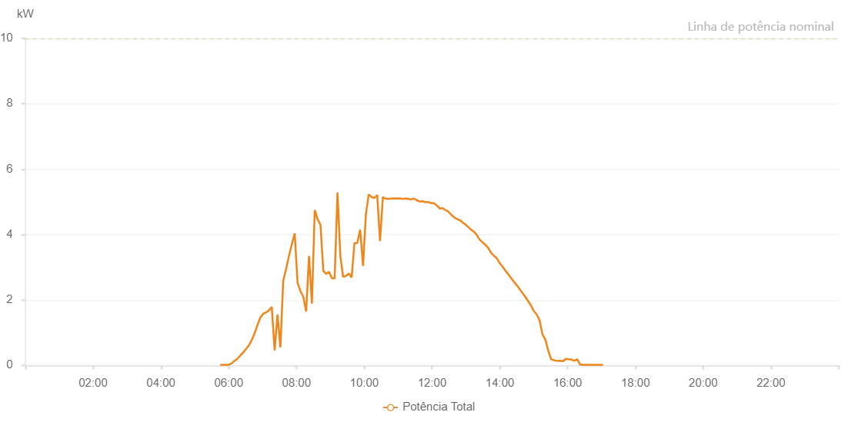

Number | Time | Working State | Alarm Code | Total Inverter Power(W)
1 | 20/07/2023 05:45:04 (UTC-4:00) | Normal |  | 20.000
2 | 20/07/2023 05:50:04 (UTC-4:00) | Normal |  | 20.000
3 | 20/07/2023 05:55:05 (UTC-4:00) | Normal |  | 20.000
4 | 20/07/2023 06:00:08 (UTC-4:00) | Normal |  | 20.000
5 | 20/07/2023 06:05:11 (UTC-4:00) | Normal |  | 60.000
6 | 20/07/2023 06:10:17 (UTC-4:00) | Normal |  | 140.000
7 | 20/07/2023 06:15:19 (UTC-4:00) | Normal |  | 200.000
8 | 20/07/2023 06:20:24 (UTC-4:00) | Normal |  | 300.000
9 | 20/07/2023 06:25:30 (UTC-4:00) | Normal |  | 390.000
10 | 20/07/2023 06:30:34 (UTC-4:00) | Normal |  | 500.000
11 | 20/07/2023 06:35:38 (UTC-4:00) | Normal |  | 610.000
12 | 20/07/2023 06:40:44 (UTC-4:00) | Normal |  | 770.000
13 | 20/07/2023 06:45:47 (UTC-4:00) | Normal |  | 980.000
14 | 20/07/2023 06:50:52 (UTC-4:00) | Normal |  | 1230.000
15 | 20/07/2023 06:55:56 (UTC-4:00) | Normal |  | 1460.000
16 | 20/07/2023 07:01:01 (UTC-4:00) | Normal |  | 1580.000
17 | 20/07/2023 07:06:07 (UTC-4:00) | Normal |  | 1620.000
18 | 20/07/2023 07:11:13 (UTC-4:00) | Normal |  | 1680.000
19 | 20/07/2023 07:16:15 (UTC-4:00) | Normal |  | 1790.000
20 | 20/07/2023 07:21:21 (UTC-4:00) | Normal |  | 460.000
21 | 20/07/2023 07:26:25 (UTC-4:00) | Normal |  | 1550.000
22 | 20/07/2023 07:31:30 (UTC-4:00) | Normal |  | 550.000
23 | 20/07/2023 07:36:34 (UTC-4:00) | Normal |  | 2590.000
24 | 20/07/2023 07:41:38 (UTC-4:00) | Normal |  | 2950.000
25 | 20/07/2023 07:46:41 (UTC-4:00) | Normal |  | 3350.000
26 | 20/07/2023 07:51:46 (UTC-4:00) | Normal |  | 3700.000
27 | 20/07/2023 07:56:51 (UTC-4:00) | Normal |  | 4040.000
28 | 20/07/2023 08:01:55 (UTC-4:00) | Normal |  | 2530.000
29 | 20/07/2023 08:07:00 (UTC-4:00) | Normal |  | 2270.000
30 | 20/07/2023 08:12:04 (UTC-4:00) | Normal |  | 2100.000
31 | 20/07/2023 08:17:07 (UTC-4:00) | Normal |  | 1650.000
32 | 20/07/2023 08:22:13 (UTC-4:00) | Normal |  | 3350.000
33 | 20/07/2023 08:27:19 (UTC-4:00) | Normal |  | 1890.000
34 | 20/07/2023 08:32:21 (UTC-4:00) | Normal |  | 4750.000
35 | 20/07/2023 08:37:26 (UTC-4:00) | Normal |  | 4460.000
36 | 20/07/2023 08:37:37 (UTC-4:00) | Normal |  | 4460.000
37 | 20/07/2023 08:42:30 (UTC-4:00) | Normal |  | 4300.000
38 | 20/07/2023 08:47:30 (UTC-4:00) | Normal |  | 2890.000
39 | 20/07/2023 08:52:30 (UTC-4:00) | Normal |  | 2800.000
40 | 20/07/2023 08:57:33 (UTC-4:00) | Normal |  | 2860.000
41 | 20/07/2023 09:02:33 (UTC-4:00) | Normal |  | 2670.000
42 | 20/07/2023 09:07:33 (UTC-4:00) | Normal |  | 2660.000
43 | 20/07/2023 09:12:37 (UTC-4:00) | Normal |  | 5290.000
44 | 20/07/2023 09:17:37 (UTC-4:00) | Normal |  | 3350.000
45 | 20/07/2023 09:22:37 (UTC-4:00) | Normal |  | 2710.000
46 | 20/07/2023 09:27:38 (UTC-4:00) | Normal |  | 2740.000
47 | 20/07/2023 09:32:38 (UTC-4:00) | Normal |  | 2810.000
48 | 20/07/2023 09:37:38 (UTC-4:00) | Normal |  | 2690.000
49 | 20/07/2023 09:42:39 (UTC-4:00) | Normal |  | 3740.000
50 | 20/07/2023 09:47:42 (UTC-4:00) | Normal |  | 3740.000
51 | 20/07/2023 09:52:47 (UTC-4:00) | Normal |  | 4150.000
52 | 20/07/2023 09:57:49 (UTC-4:00) | Normal |  | 3040.000
53 | 20/07/2023 10:02:53 (UTC-4:00) | Normal |  | 4630.000
54 | 20/07/2023 10:07:53 (UTC-4:00) | Normal |  | 5230.000
55 | 20/07/2023 10:12:54 (UTC-4:00) | Normal |  | 5150.000
56 | 20/07/2023 10:17:54 (UTC-4:00) | Normal |  | 5120.000
57 | 20/07/2023 10:22:54 (UTC-4:00) | Normal |  | 5210.000
58 | 20/07/2023 10:27:55 (UTC-4:00) | Normal |  | 3800.000
59 | 20/07/2023 10:32:55 (UTC-4:00) | Normal |  | 5150.000
60 | 20/07/2023 10:37:58 (UTC-4:00) | Normal |  | 5100.000
61 | 20/07/2023 10:42:58 (UTC-4:00) | Normal |  | 5090.000
62 | 20/07/2023 10:47:58 (UTC-4:00) | Normal |  | 5100.000
63 | 20/07/2023 10:52:58 (UTC-4:00) | Normal |  | 5110.000
64 | 20/07/2023 10:58:03 (UTC-4:00) | Normal |  | 5100.000
65 | 20/07/2023 11:03:03 (UTC-4:00) | Normal |  | 5110.000
66 | 20/07/2023 11:08:03 (UTC-4:00) | Normal |  | 5090.000
67 | 20/07/2023 11:13:04 (UTC-4:00) | Normal |  | 5100.000
68 | 20/07/2023 11:18:04 (UTC-4:00) | Normal |  | 5090.000
69 | 20/07/2023 11:23:05 (UTC-4:00) | Normal |  | 5080.000
70 | 20/07/2023 11:28:05 (UTC-4:00) | Normal |  | 5100.000
71 | 20/07/2023 11:33:05 (UTC-4:00) | Normal |  | 5050.000
72 | 20/07/2023 11:38:06 (UTC-4:00) | Normal |  | 5010.000
73 | 20/07/2023 11:43:06 (UTC-4:00) | Normal |  | 5020.000
74 | 20/07/2023 11:48:06 (UTC-4:00) | Normal |  | 4990.000
75 | 20/07/2023 11:53:09 (UTC-4:00) | Normal |  | 5000.000
76 | 20/07/2023 11:58:13 (UTC-4:00) | Normal |  | 4960.000
77 | 20/07/2023 12:03:17 (UTC-4:00) | Normal |  | 4960.000
78 | 20/07/2023 12:08:22 (UTC-4:00) | Normal |  | 4890.000
79 | 20/07/2023 12:08:34 (UTC-4:00) | Normal |  | 4890.000
80 | 20/07/2023 12:13:27 (UTC-4:00) | Normal |  | 4800.000
81 | 20/07/2023 12:18:31 (UTC-4:00) | Normal |  | 4810.000
82 | 20/07/2023 12:23:35 (UTC-4:00) | Normal |  | 4750.000
83 | 20/07/2023 12:28:39 (UTC-4:00) | Normal |  | 4710.000
84 | 20/07/2023 12:33:44 (UTC-4:00) | Normal |  | 4610.000
85 | 20/07/2023 12:38:49 (UTC-4:00) | Normal |  | 4530.000
86 | 20/07/2023 12:43:53 (UTC-4:00) | Normal |  | 4480.000
87 | 20/07/2023 12:48:59 (UTC-4:00) | Normal |  | 4440.000
88 | 20/07/2023 12:49:25 (UTC-4:00) | Normal |  | 4440.000
89 | 20/07/2023 12:54:02 (UTC-4:00) | Normal |  | 4370.000
90 | 20/07/2023 12:59:02 (UTC-4:00) | Normal |  | 4310.000
91 | 20/07/2023 13:04:04 (UTC-4:00) | Normal |  | 4230.000
92 | 20/07/2023 13:09:04 (UTC-4:00) | Normal |  | 4150.000
93 | 20/07/2023 13:14:06 (UTC-4:00) | Normal |  | 4090.000
94 | 20/07/2023 13:19:06 (UTC-4:00) | Normal |  | 3990.000
95 | 20/07/2023 13:24:07 (UTC-4:00) | Normal |  | 3850.000
96 | 20/07/2023 13:29:09 (UTC-4:00) | Normal |  | 3770.000
97 | 20/07/2023 13:34:10 (UTC-4:00) | Normal |  | 3690.000
98 | 20/07/2023 13:39:10 (UTC-4:00) | Normal |  | 3600.000
99 | 20/07/2023 13:44:11 (UTC-4:00) | Normal |  | 3450.000
100 | 20/07/2023 13:49:11 (UTC-4:00) | Normal |  | 3360.000
101 | 20/07/2023 13:54:11 (UTC-4:00) | Normal |  | 3280.000
102 | 20/07/2023 13:59:17 (UTC-4:00) | Normal |  | 3140.000
103 | 20/07/2023 14:04:22 (UTC-4:00) | Normal |  | 3030.000
104 | 20/07/2023 14:09:24 (UTC-4:00) | Normal |  | 2910.000
105 | 20/07/2023 14:14:28 (UTC-4:00) | Normal |  | 2800.000
106 | 20/07/2023 14:19:33 (UTC-4:00) | Normal |  | 2680.000
107 | 20/07/2023 14:24:39 (UTC-4:00) | Normal |  | 2560.000
108 | 20/07/2023 14:29:43 (UTC-4:00) | Normal |  | 2460.000
109 | 20/07/2023 14:34:47 (UTC-4:00) | Normal |  | 2340.000
110 | 20/07/2023 14:39:53 (UTC-4:00) | Normal |  | 2220.000
111 | 20/07/2023 14:44:56 (UTC-4:00) | Normal |  | 2100.000
112 | 20/07/2023 14:50:02 (UTC-4:00) | Normal |  | 1970.000
113 | 20/07/2023 14:55:08 (UTC-4:00) | Normal |  | 1830.000
114 | 20/07/2023 15:00:13 (UTC-4:00) | Normal |  | 1660.000
115 | 20/07/2023 15:05:18 (UTC-4:00) | Normal |  | 1560.000
116 | 20/07/2023 15:10:22 (UTC-4:00) | Normal |  | 1380.000
117 | 20/07/2023 15:15:26 (UTC-4:00) | Normal |  | 950.000
118 | 20/07/2023 15:20:32 (UTC-4:00) | Normal |  | 790.000
119 | 20/07/2023 15:25:36 (UTC-4:00) | Normal |  | 460.000
120 | 20/07/2023 15:30:39 (UTC-4:00) | Normal |  | 190.000
121 | 20/07/2023 15:35:44 (UTC-4:00) | Normal |  | 160.000
122 | 20/07/2023 15:40:49 (UTC-4:00) | Normal |  | 140.000
123 | 20/07/2023 15:45:52 (UTC-4:00) | Normal |  | 140.000
124 | 20/07/2023 15:46:30 (UTC-4:00) | Normal |  | 140.000
125 | 20/07/2023 15:51:48 (UTC-4:00) | Normal |  | 130.000
126 | 20/07/2023 15:56:49 (UTC-4:00) | Normal |  | 200.000
127 | 20/07/2023 16:01:51 (UTC-4:00) | Normal |  | 190.000
128 | 20/07/2023 16:06:52 (UTC-4:00) | Normal |  | 180.000
129 | 20/07/2023 16:11:53 (UTC-4:00) | Normal |  | 140.000
130 | 20/07/2023 16:16:55 (UTC-4:00) | Normal |  | 190.000
131 | 20/07/2023 16:21:58 (UTC-4:00) | Normal |  | 30.000
132 | 20/07/2023 16:27:03 (UTC-4:00) | Normal |  | 20.000
133 | 20/07/2023 16:32:09 (UTC-4:00) | Normal |  | 20.000
134 | 20/07/2023 16:37:16 (UTC-4:00) | Normal |  | 20.000
135 | 20/07/2023 16:42:22 (UTC-4:00) | Normal |  | 20.000
136 | 20/07/2023 16:47:27 (UTC-4:00) | Normal |  | 20.000
137 | 20/07/2023 16:52:31 (UTC-4:00) | Normal |  | 20.000
138 | 20/07/2023 16:57:36 (UTC-4:00) | Normal |  | 20.000
139 | 20/07/2023 17:02:42 (UTC-4:00) | Normal |  | 20.000

