Inverter History Report__17-08-
Inverter History Report_21/07/2023_Report

Inverter SN:054B7020C020042 |  | Inverter type:B7
Collector SN:4046045654 |  | Full Load Hours(h):3.16
Rated Power:10000Wp

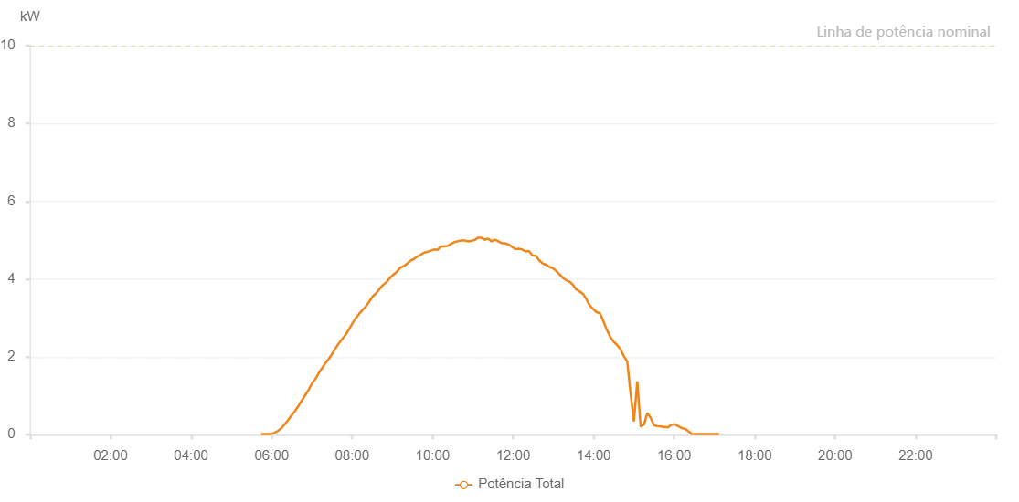

Number | Time | Working State | Alarm Code | Total Inverter Power(W)
1 | 21/07/2023 05:44:17 (UTC-4:00) | Normal |  | 20.000
2 | 21/07/2023 05:49:19 (UTC-4:00) | Normal |  | 20.000
3 | 21/07/2023 05:54:18 (UTC-4:00) | Normal |  | 20.000
4 | 21/07/2023 05:59:20 (UTC-4:00) | Normal |  | 20.000
5 | 21/07/2023 06:04:25 (UTC-4:00) | Normal |  | 50.000
6 | 21/07/2023 06:09:32 (UTC-4:00) | Normal |  | 100.000
7 | 21/07/2023 06:14:37 (UTC-4:00) | Normal |  | 170.000
8 | 21/07/2023 06:19:42 (UTC-4:00) | Normal |  | 270.000
9 | 21/07/2023 06:24:46 (UTC-4:00) | Normal |  | 380.000
10 | 21/07/2023 06:29:50 (UTC-4:00) | Normal |  | 500.000
11 | 21/07/2023 06:30:02 (UTC-4:00) | Normal |  | 500.000
12 | 21/07/2023 06:34:53 (UTC-4:00) | Normal |  | 610.000
13 | 21/07/2023 06:39:58 (UTC-4:00) | Normal |  | 740.000
14 | 21/07/2023 06:45:03 (UTC-4:00) | Normal |  | 880.000
15 | 21/07/2023 06:50:10 (UTC-4:00) | Normal |  | 1020.000
16 | 21/07/2023 06:55:12 (UTC-4:00) | Normal |  | 1160.000
17 | 21/07/2023 07:00:16 (UTC-4:00) | Normal |  | 1320.000
18 | 21/07/2023 07:05:22 (UTC-4:00) | Normal |  | 1440.000
19 | 21/07/2023 07:10:27 (UTC-4:00) | Normal |  | 1590.000
20 | 21/07/2023 07:15:30 (UTC-4:00) | Normal |  | 1720.000
21 | 21/07/2023 07:20:36 (UTC-4:00) | Normal |  | 1850.000
22 | 21/07/2023 07:25:39 (UTC-4:00) | Normal |  | 1960.000
23 | 21/07/2023 07:30:39 (UTC-4:00) | Normal |  | 2090.000
24 | 21/07/2023 07:35:39 (UTC-4:00) | Normal |  | 2230.000
25 | 21/07/2023 07:40:40 (UTC-4:00) | Normal |  | 2360.000
26 | 21/07/2023 07:45:42 (UTC-4:00) | Normal |  | 2470.000
27 | 21/07/2023 07:50:43 (UTC-4:00) | Normal |  | 2580.000
28 | 21/07/2023 07:55:43 (UTC-4:00) | Normal |  | 2720.000
29 | 21/07/2023 08:00:43 (UTC-4:00) | Normal |  | 2870.000
30 | 21/07/2023 08:05:44 (UTC-4:00) | Normal |  | 3000.000
31 | 21/07/2023 08:10:44 (UTC-4:00) | Normal |  | 3110.000
32 | 21/07/2023 08:15:45 (UTC-4:00) | Normal |  | 3210.000
33 | 21/07/2023 08:20:45 (UTC-4:00) | Normal |  | 3300.000
34 | 21/07/2023 08:25:49 (UTC-4:00) | Normal |  | 3430.000
35 | 21/07/2023 08:30:54 (UTC-4:00) | Normal |  | 3560.000
36 | 21/07/2023 08:35:59 (UTC-4:00) | Normal |  | 3640.000
37 | 21/07/2023 08:41:04 (UTC-4:00) | Normal |  | 3750.000
38 | 21/07/2023 08:46:09 (UTC-4:00) | Normal |  | 3850.000
39 | 21/07/2023 08:51:16 (UTC-4:00) | Normal |  | 3920.000
40 | 21/07/2023 08:56:19 (UTC-4:00) | Normal |  | 4030.000
41 | 21/07/2023 09:01:25 (UTC-4:00) | Normal |  | 4110.000
42 | 21/07/2023 09:06:31 (UTC-4:00) | Normal |  | 4180.000
43 | 21/07/2023 09:11:34 (UTC-4:00) | Normal |  | 4290.000
44 | 21/07/2023 09:16:39 (UTC-4:00) | Normal |  | 4330.000
45 | 21/07/2023 09:21:44 (UTC-4:00) | Normal |  | 4390.000
46 | 21/07/2023 09:26:47 (UTC-4:00) | Normal |  | 4470.000
47 | 21/07/2023 09:31:51 (UTC-4:00) | Normal |  | 4510.000
48 | 21/07/2023 09:36:57 (UTC-4:00) | Normal |  | 4580.000
49 | 21/07/2023 09:42:01 (UTC-4:00) | Normal |  | 4620.000
50 | 21/07/2023 09:47:19 (UTC-4:00) | Normal |  | 4680.000
51 | 21/07/2023 09:52:10 (UTC-4:00) | Normal |  | 4700.000
52 | 21/07/2023 09:57:14 (UTC-4:00) | Normal |  | 4730.000
53 | 21/07/2023 10:02:15 (UTC-4:00) | Normal |  | 4760.000
54 | 21/07/2023 10:07:15 (UTC-4:00) | Normal |  | 4750.000
55 | 21/07/2023 10:12:16 (UTC-4:00) | Normal |  | 4840.000
56 | 21/07/2023 10:17:17 (UTC-4:00) | Normal |  | 4840.000
57 | 21/07/2023 10:22:17 (UTC-4:00) | Normal |  | 4850.000
58 | 21/07/2023 10:27:17 (UTC-4:00) | Normal |  | 4900.000
59 | 21/07/2023 10:32:19 (UTC-4:00) | Normal |  | 4950.000
60 | 21/07/2023 10:37:20 (UTC-4:00) | Normal |  | 4970.000
61 | 21/07/2023 10:42:20 (UTC-4:00) | Normal |  | 4990.000
62 | 21/07/2023 10:47:22 (UTC-4:00) | Normal |  | 4990.000
63 | 21/07/2023 10:52:22 (UTC-4:00) | Normal |  | 4970.000
64 | 21/07/2023 10:57:23 (UTC-4:00) | Normal |  | 4980.000
65 | 21/07/2023 11:02:26 (UTC-4:00) | Normal |  | 5000.000
66 | 21/07/2023 11:07:31 (UTC-4:00) | Normal |  | 5060.000
67 | 21/07/2023 11:12:38 (UTC-4:00) | Normal |  | 5060.000
68 | 21/07/2023 11:17:40 (UTC-4:00) | Normal |  | 5010.000
69 | 21/07/2023 11:22:44 (UTC-4:00) | Normal |  | 5040.000
70 | 21/07/2023 11:27:49 (UTC-4:00) | Normal |  | 4970.000
71 | 21/07/2023 11:32:56 (UTC-4:00) | Normal |  | 5010.000
72 | 21/07/2023 11:37:59 (UTC-4:00) | Normal |  | 4970.000
73 | 21/07/2023 11:43:05 (UTC-4:00) | Normal |  | 4920.000
74 | 21/07/2023 11:48:11 (UTC-4:00) | Normal |  | 4920.000
75 | 21/07/2023 11:53:13 (UTC-4:00) | Normal |  | 4890.000
76 | 21/07/2023 11:58:19 (UTC-4:00) | Normal |  | 4830.000
77 | 21/07/2023 12:03:23 (UTC-4:00) | Normal |  | 4770.000
78 | 21/07/2023 12:08:28 (UTC-4:00) | Normal |  | 4780.000
79 | 21/07/2023 12:13:31 (UTC-4:00) | Normal |  | 4760.000
80 | 21/07/2023 12:18:36 (UTC-4:00) | Normal |  | 4710.000
81 | 21/07/2023 12:23:40 (UTC-4:00) | Normal |  | 4720.000
82 | 21/07/2023 12:28:45 (UTC-4:00) | Normal |  | 4610.000
83 | 21/07/2023 12:33:51 (UTC-4:00) | Normal |  | 4600.000
84 | 21/07/2023 12:38:53 (UTC-4:00) | Normal |  | 4480.000
85 | 21/07/2023 12:43:58 (UTC-4:00) | Normal |  | 4400.000
86 | 21/07/2023 12:49:04 (UTC-4:00) | Normal |  | 4370.000
87 | 21/07/2023 12:54:06 (UTC-4:00) | Normal |  | 4310.000
88 | 21/07/2023 12:59:11 (UTC-4:00) | Normal |  | 4280.000
89 | 21/07/2023 13:04:11 (UTC-4:00) | Normal |  | 4210.000
90 | 21/07/2023 13:09:11 (UTC-4:00) | Normal |  | 4120.000
91 | 21/07/2023 13:14:12 (UTC-4:00) | Normal |  | 4030.000
92 | 21/07/2023 13:19:12 (UTC-4:00) | Normal |  | 3970.000
93 | 21/07/2023 13:24:12 (UTC-4:00) | Normal |  | 3930.000
94 | 21/07/2023 13:29:13 (UTC-4:00) | Normal |  | 3850.000
95 | 21/07/2023 13:34:13 (UTC-4:00) | Normal |  | 3730.000
96 | 21/07/2023 13:39:13 (UTC-4:00) | Normal |  | 3680.000
97 | 21/07/2023 13:44:14 (UTC-4:00) | Normal |  | 3620.000
98 | 21/07/2023 13:49:14 (UTC-4:00) | Normal |  | 3480.000
99 | 21/07/2023 13:54:16 (UTC-4:00) | Normal |  | 3320.000
100 | 21/07/2023 13:59:16 (UTC-4:00) | Normal |  | 3230.000
101 | 21/07/2023 14:04:20 (UTC-4:00) | Normal |  | 3150.000
102 | 21/07/2023 14:09:24 (UTC-4:00) | Normal |  | 3120.000
103 | 21/07/2023 14:14:30 (UTC-4:00) | Normal |  | 2920.000
104 | 21/07/2023 14:19:36 (UTC-4:00) | Normal |  | 2700.000
105 | 21/07/2023 14:24:38 (UTC-4:00) | Normal |  | 2520.000
106 | 21/07/2023 14:29:45 (UTC-4:00) | Normal |  | 2390.000
107 | 21/07/2023 14:34:49 (UTC-4:00) | Normal |  | 2310.000
108 | 21/07/2023 14:39:55 (UTC-4:00) | Normal |  | 2200.000
109 | 21/07/2023 14:45:00 (UTC-4:00) | Normal |  | 2020.000
110 | 21/07/2023 14:50:02 (UTC-4:00) | Normal |  | 1890.000
111 | 21/07/2023 14:55:03 (UTC-4:00) | Normal |  | 1070.000
112 | 21/07/2023 15:00:03 (UTC-4:00) | Normal |  | 340.000
113 | 21/07/2023 15:05:04 (UTC-4:00) | Normal |  | 1370.000
114 | 21/07/2023 15:10:05 (UTC-4:00) | Normal |  | 210.000
115 | 21/07/2023 15:15:05 (UTC-4:00) | Normal |  | 260.000
116 | 21/07/2023 15:20:07 (UTC-4:00) | Normal |  | 560.000
117 | 21/07/2023 15:25:07 (UTC-4:00) | Normal |  | 430.000
118 | 21/07/2023 15:30:07 (UTC-4:00) | Normal |  | 240.000
119 | 21/07/2023 15:35:08 (UTC-4:00) | Normal |  | 220.000
120 | 21/07/2023 15:40:08 (UTC-4:00) | Normal |  | 210.000
121 | 21/07/2023 15:45:09 (UTC-4:00) | Normal |  | 200.000
122 | 21/07/2023 15:45:47 (UTC-4:00) | Normal |  | 200.000
123 | 21/07/2023 15:51:06 (UTC-4:00) | Normal |  | 190.000
124 | 21/07/2023 15:56:08 (UTC-4:00) | Normal |  | 260.000
125 | 21/07/2023 16:01:09 (UTC-4:00) | Normal |  | 270.000
126 | 21/07/2023 16:06:11 (UTC-4:00) | Normal |  | 220.000
127 | 21/07/2023 16:11:13 (UTC-4:00) | Normal |  | 170.000
128 | 21/07/2023 16:16:15 (UTC-4:00) | Normal |  | 150.000
129 | 21/07/2023 16:21:21 (UTC-4:00) | Normal |  | 90.000
130 | 21/07/2023 16:26:28 (UTC-4:00) | Normal |  | 20.000
131 | 21/07/2023 16:31:33 (UTC-4:00) | Normal |  | 20.000
132 | 21/07/2023 16:36:39 (UTC-4:00) | Normal |  | 20.000
133 | 21/07/2023 16:41:44 (UTC-4:00) | Normal |  | 20.000
134 | 21/07/2023 16:46:46 (UTC-4:00) | Normal |  | 20.000
135 | 21/07/2023 16:51:47 (UTC-4:00) | Normal |  | 20.000
136 | 21/07/2023 16:56:49 (UTC-4:00) | Normal |  | 20.000
137 | 21/07/2023 17:01:52 (UTC-4:00) | Normal |  | 20.000
138 | 21/07/2023 17:06:52 (UTC-4:00) | Normal |  | 20.000

