Inverter History Report__17-08-
Inverter History Report_22/07/2023_Report

Inverter SN:054B7020C020042 |  | Inverter type:B7
Collector SN:4046045654 |  | Full Load Hours(h):3.31
Rated Power:10000Wp

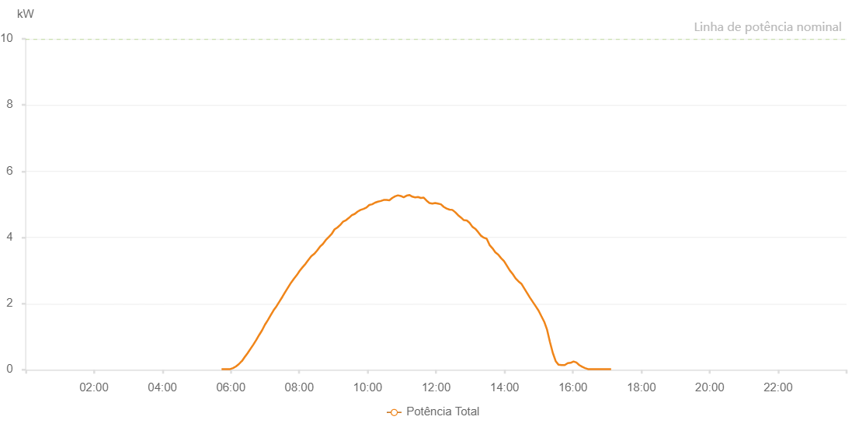

Number | Time | Working State | Alarm Code | Total Inverter Power(W)
1 | 22/07/2023 05:43:46 (UTC-4:00) | Normal |  | 20.000
2 | 22/07/2023 05:48:47 (UTC-4:00) | Normal |  | 20.000
3 | 22/07/2023 05:53:48 (UTC-4:00) | Normal |  | 20.000
4 | 22/07/2023 05:58:51 (UTC-4:00) | Normal |  | 20.000
5 | 22/07/2023 06:03:54 (UTC-4:00) | Normal |  | 50.000
6 | 22/07/2023 06:09:00 (UTC-4:00) | Normal |  | 100.000
7 | 22/07/2023 06:14:05 (UTC-4:00) | Normal |  | 170.000
8 | 22/07/2023 06:19:09 (UTC-4:00) | Normal |  | 260.000
9 | 22/07/2023 06:19:21 (UTC-4:00) | Normal |  | 260.000
10 | 22/07/2023 06:24:15 (UTC-4:00) | Normal |  | 380.000
11 | 22/07/2023 06:29:20 (UTC-4:00) | Normal |  | 500.000
12 | 22/07/2023 06:34:25 (UTC-4:00) | Normal |  | 630.000
13 | 22/07/2023 06:39:30 (UTC-4:00) | Normal |  | 760.000
14 | 22/07/2023 06:44:36 (UTC-4:00) | Normal |  | 900.000
15 | 22/07/2023 06:49:41 (UTC-4:00) | Normal |  | 1050.000
16 | 22/07/2023 06:54:46 (UTC-4:00) | Normal |  | 1190.000
17 | 22/07/2023 06:59:49 (UTC-4:00) | Normal |  | 1360.000
18 | 22/07/2023 07:04:54 (UTC-4:00) | Normal |  | 1500.000
19 | 22/07/2023 07:10:00 (UTC-4:00) | Normal |  | 1650.000
20 | 22/07/2023 07:15:05 (UTC-4:00) | Normal |  | 1800.000
21 | 22/07/2023 07:20:10 (UTC-4:00) | Normal |  | 1920.000
22 | 22/07/2023 07:25:16 (UTC-4:00) | Normal |  | 2060.000
23 | 22/07/2023 07:30:18 (UTC-4:00) | Normal |  | 2200.000
24 | 22/07/2023 07:35:24 (UTC-4:00) | Normal |  | 2350.000
25 | 22/07/2023 07:40:29 (UTC-4:00) | Normal |  | 2490.000
26 | 22/07/2023 07:45:34 (UTC-4:00) | Normal |  | 2630.000
27 | 22/07/2023 07:50:42 (UTC-4:00) | Normal |  | 2750.000
28 | 22/07/2023 07:55:44 (UTC-4:00) | Normal |  | 2860.000
29 | 22/07/2023 08:00:49 (UTC-4:00) | Normal |  | 2990.000
30 | 22/07/2023 08:05:55 (UTC-4:00) | Normal |  | 3100.000
31 | 22/07/2023 08:11:00 (UTC-4:00) | Normal |  | 3200.000
32 | 22/07/2023 08:16:04 (UTC-4:00) | Normal |  | 3320.000
33 | 22/07/2023 08:21:07 (UTC-4:00) | Normal |  | 3430.000
34 | 22/07/2023 08:26:12 (UTC-4:00) | Normal |  | 3500.000
35 | 22/07/2023 08:31:18 (UTC-4:00) | Normal |  | 3600.000
36 | 22/07/2023 08:36:25 (UTC-4:00) | Normal |  | 3720.000
37 | 22/07/2023 08:41:28 (UTC-4:00) | Normal |  | 3800.000
38 | 22/07/2023 08:46:33 (UTC-4:00) | Normal |  | 3920.000
39 | 22/07/2023 08:51:40 (UTC-4:00) | Normal |  | 4010.000
40 | 22/07/2023 08:56:46 (UTC-4:00) | Normal |  | 4100.000
41 | 22/07/2023 09:01:51 (UTC-4:00) | Normal |  | 4240.000
42 | 22/07/2023 09:06:57 (UTC-4:00) | Normal |  | 4300.000
43 | 22/07/2023 09:12:02 (UTC-4:00) | Normal |  | 4380.000
44 | 22/07/2023 09:17:09 (UTC-4:00) | Normal |  | 4480.000
45 | 22/07/2023 09:22:10 (UTC-4:00) | Normal |  | 4520.000
46 | 22/07/2023 09:27:15 (UTC-4:00) | Normal |  | 4590.000
47 | 22/07/2023 09:32:19 (UTC-4:00) | Normal |  | 4670.000
48 | 22/07/2023 09:37:27 (UTC-4:00) | Normal |  | 4710.000
49 | 22/07/2023 09:42:28 (UTC-4:00) | Normal |  | 4780.000
50 | 22/07/2023 09:47:33 (UTC-4:00) | Normal |  | 4830.000
51 | 22/07/2023 09:52:39 (UTC-4:00) | Normal |  | 4860.000
52 | 22/07/2023 09:57:45 (UTC-4:00) | Normal |  | 4900.000
53 | 22/07/2023 10:02:49 (UTC-4:00) | Normal |  | 4980.000
54 | 22/07/2023 10:07:54 (UTC-4:00) | Normal |  | 5000.000
55 | 22/07/2023 10:13:01 (UTC-4:00) | Normal |  | 5050.000
56 | 22/07/2023 10:18:03 (UTC-4:00) | Normal |  | 5080.000
57 | 22/07/2023 10:23:03 (UTC-4:00) | Normal |  | 5100.000
58 | 22/07/2023 10:28:04 (UTC-4:00) | Normal |  | 5130.000
59 | 22/07/2023 10:33:04 (UTC-4:00) | Normal |  | 5130.000
60 | 22/07/2023 10:38:05 (UTC-4:00) | Normal |  | 5120.000
61 | 22/07/2023 10:43:06 (UTC-4:00) | Normal |  | 5190.000
62 | 22/07/2023 10:48:06 (UTC-4:00) | Normal |  | 5240.000
63 | 22/07/2023 10:53:07 (UTC-4:00) | Normal |  | 5270.000
64 | 22/07/2023 10:58:07 (UTC-4:00) | Normal |  | 5250.000
65 | 22/07/2023 11:03:08 (UTC-4:00) | Normal |  | 5210.000
66 | 22/07/2023 11:08:10 (UTC-4:00) | Normal |  | 5260.000
67 | 22/07/2023 11:13:10 (UTC-4:00) | Normal |  | 5280.000
68 | 22/07/2023 11:18:18 (UTC-4:00) | Normal |  | 5230.000
69 | 22/07/2023 11:23:19 (UTC-4:00) | Normal |  | 5210.000
70 | 22/07/2023 11:28:20 (UTC-4:00) | Normal |  | 5220.000
71 | 22/07/2023 11:33:20 (UTC-4:00) | Normal |  | 5190.000
72 | 22/07/2023 11:38:21 (UTC-4:00) | Normal |  | 5200.000
73 | 22/07/2023 11:43:22 (UTC-4:00) | Normal |  | 5110.000
74 | 22/07/2023 11:48:23 (UTC-4:00) | Normal |  | 5040.000
75 | 22/07/2023 11:53:24 (UTC-4:00) | Normal |  | 5020.000
76 | 22/07/2023 11:58:24 (UTC-4:00) | Normal |  | 5040.000
77 | 22/07/2023 12:03:25 (UTC-4:00) | Normal |  | 5020.000
78 | 22/07/2023 12:08:28 (UTC-4:00) | Normal |  | 5000.000
79 | 22/07/2023 12:13:28 (UTC-4:00) | Normal |  | 4920.000
80 | 22/07/2023 12:18:29 (UTC-4:00) | Normal |  | 4870.000
81 | 22/07/2023 12:23:33 (UTC-4:00) | Normal |  | 4840.000
82 | 22/07/2023 12:28:35 (UTC-4:00) | Normal |  | 4830.000
83 | 22/07/2023 12:33:39 (UTC-4:00) | Normal |  | 4760.000
84 | 22/07/2023 12:38:40 (UTC-4:00) | Normal |  | 4670.000
85 | 22/07/2023 12:43:40 (UTC-4:00) | Normal |  | 4600.000
86 | 22/07/2023 12:48:41 (UTC-4:00) | Normal |  | 4520.000
87 | 22/07/2023 12:53:44 (UTC-4:00) | Normal |  | 4510.000
88 | 22/07/2023 12:53:56 (UTC-4:00) | Normal |  | 4510.000
89 | 22/07/2023 12:58:44 (UTC-4:00) | Normal |  | 4440.000
90 | 22/07/2023 13:03:45 (UTC-4:00) | Normal |  | 4320.000
91 | 22/07/2023 13:08:45 (UTC-4:00) | Normal |  | 4260.000
92 | 22/07/2023 13:13:46 (UTC-4:00) | Normal |  | 4160.000
93 | 22/07/2023 13:18:47 (UTC-4:00) | Normal |  | 4050.000
94 | 22/07/2023 13:23:48 (UTC-4:00) | Normal |  | 3990.000
95 | 22/07/2023 13:28:49 (UTC-4:00) | Normal |  | 3960.000
96 | 22/07/2023 13:33:49 (UTC-4:00) | Normal |  | 3770.000
97 | 22/07/2023 13:38:55 (UTC-4:00) | Normal |  | 3670.000
98 | 22/07/2023 13:43:57 (UTC-4:00) | Normal |  | 3550.000
99 | 22/07/2023 13:49:03 (UTC-4:00) | Normal |  | 3480.000
100 | 22/07/2023 13:54:09 (UTC-4:00) | Normal |  | 3370.000
101 | 22/07/2023 13:59:12 (UTC-4:00) | Normal |  | 3280.000
102 | 22/07/2023 14:04:18 (UTC-4:00) | Normal |  | 3140.000
103 | 22/07/2023 14:09:20 (UTC-4:00) | Normal |  | 3000.000
104 | 22/07/2023 14:14:26 (UTC-4:00) | Normal |  | 2890.000
105 | 22/07/2023 14:19:30 (UTC-4:00) | Normal |  | 2760.000
106 | 22/07/2023 14:24:34 (UTC-4:00) | Normal |  | 2670.000
107 | 22/07/2023 14:29:34 (UTC-4:00) | Normal |  | 2600.000
108 | 22/07/2023 14:34:35 (UTC-4:00) | Normal |  | 2460.000
109 | 22/07/2023 14:39:36 (UTC-4:00) | Normal |  | 2320.000
110 | 22/07/2023 14:44:37 (UTC-4:00) | Normal |  | 2180.000
111 | 22/07/2023 14:49:37 (UTC-4:00) | Normal |  | 2050.000
112 | 22/07/2023 14:54:39 (UTC-4:00) | Normal |  | 1920.000
113 | 22/07/2023 14:59:40 (UTC-4:00) | Normal |  | 1790.000
114 | 22/07/2023 15:04:40 (UTC-4:00) | Normal |  | 1620.000
115 | 22/07/2023 15:09:41 (UTC-4:00) | Normal |  | 1450.000
116 | 22/07/2023 15:14:41 (UTC-4:00) | Normal |  | 1210.000
117 | 22/07/2023 15:19:42 (UTC-4:00) | Normal |  | 840.000
118 | 22/07/2023 15:24:43 (UTC-4:00) | Normal |  | 510.000
119 | 22/07/2023 15:29:48 (UTC-4:00) | Normal |  | 260.000
120 | 22/07/2023 15:34:53 (UTC-4:00) | Normal |  | 150.000
121 | 22/07/2023 15:39:58 (UTC-4:00) | Normal |  | 140.000
122 | 22/07/2023 15:45:05 (UTC-4:00) | Normal |  | 140.000
123 | 22/07/2023 15:45:38 (UTC-4:00) | Normal |  | 140.000
124 | 22/07/2023 15:50:58 (UTC-4:00) | Normal |  | 200.000
125 | 22/07/2023 15:56:00 (UTC-4:00) | Normal |  | 210.000
126 | 22/07/2023 16:01:04 (UTC-4:00) | Normal |  | 250.000
127 | 22/07/2023 16:06:06 (UTC-4:00) | Normal |  | 220.000
128 | 22/07/2023 16:11:09 (UTC-4:00) | Normal |  | 140.000
129 | 22/07/2023 16:16:11 (UTC-4:00) | Normal |  | 90.000
130 | 22/07/2023 16:21:13 (UTC-4:00) | Normal |  | 50.000
131 | 22/07/2023 16:26:21 (UTC-4:00) | Normal |  | 20.000
132 | 22/07/2023 16:31:28 (UTC-4:00) | Normal |  | 20.000
133 | 22/07/2023 16:36:33 (UTC-4:00) | Normal |  | 20.000
134 | 22/07/2023 16:41:40 (UTC-4:00) | Normal |  | 20.000
135 | 22/07/2023 16:46:48 (UTC-4:00) | Normal |  | 20.000
136 | 22/07/2023 16:51:51 (UTC-4:00) | Normal |  | 20.000
137 | 22/07/2023 16:56:53 (UTC-4:00) | Normal |  | 20.000
138 | 22/07/2023 17:01:56 (UTC-4:00) | Normal |  | 20.000
139 | 22/07/2023 17:06:58 (UTC-4:00) | Normal |  | 20.000

