Inverter History Report__17-08-
Inverter History Report_23/07/2023_Report

Inverter SN:054B7020C020042 |  | Inverter type:B7
Collector SN:4046045654 |  | Full Load Hours(h):3.21
Rated Power:10000Wp

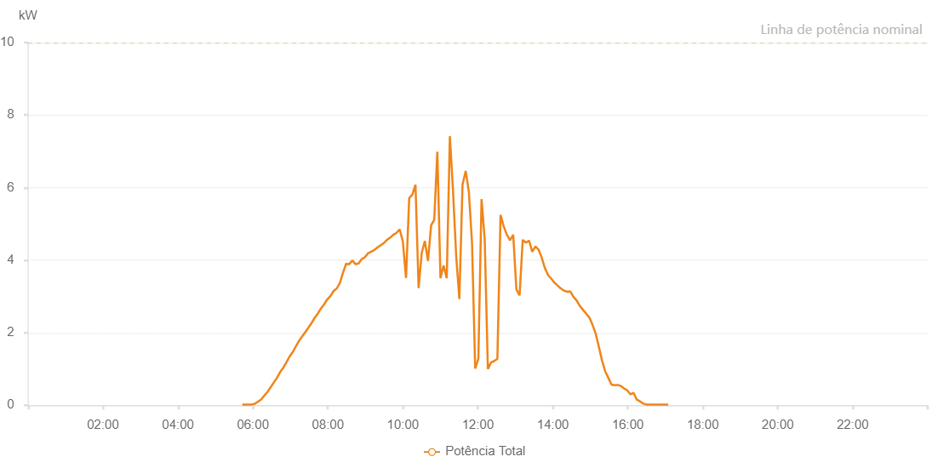

Number | Time | Working State | Alarm Code | Total Inverter Power(W)
1 | 23/07/2023 05:42:58 (UTC-4:00) | Normal |  | 20.000
2 | 23/07/2023 05:47:59 (UTC-4:00) | Normal |  | 20.000
3 | 23/07/2023 05:52:59 (UTC-4:00) | Normal |  | 20.000
4 | 23/07/2023 05:58:00 (UTC-4:00) | Normal |  | 20.000
5 | 23/07/2023 06:03:05 (UTC-4:00) | Normal |  | 40.000
6 | 23/07/2023 06:08:08 (UTC-4:00) | Normal |  | 100.000
7 | 23/07/2023 06:13:12 (UTC-4:00) | Normal |  | 160.000
8 | 23/07/2023 06:18:17 (UTC-4:00) | Normal |  | 270.000
9 | 23/07/2023 06:23:22 (UTC-4:00) | Normal |  | 370.000
10 | 23/07/2023 06:28:25 (UTC-4:00) | Normal |  | 500.000
11 | 23/07/2023 06:33:30 (UTC-4:00) | Normal |  | 630.000
12 | 23/07/2023 06:38:35 (UTC-4:00) | Normal |  | 760.000
13 | 23/07/2023 06:43:40 (UTC-4:00) | Normal |  | 920.000
14 | 23/07/2023 06:48:45 (UTC-4:00) | Normal |  | 1040.000
15 | 23/07/2023 06:53:48 (UTC-4:00) | Normal |  | 1190.000
16 | 23/07/2023 06:58:52 (UTC-4:00) | Normal |  | 1350.000
17 | 23/07/2023 07:03:52 (UTC-4:00) | Normal |  | 1470.000
18 | 23/07/2023 07:08:52 (UTC-4:00) | Normal |  | 1630.000
19 | 23/07/2023 07:13:52 (UTC-4:00) | Normal |  | 1780.000
20 | 23/07/2023 07:18:53 (UTC-4:00) | Normal |  | 1900.000
21 | 23/07/2023 07:23:53 (UTC-4:00) | Normal |  | 2020.000
22 | 23/07/2023 07:28:53 (UTC-4:00) | Normal |  | 2140.000
23 | 23/07/2023 07:33:53 (UTC-4:00) | Normal |  | 2270.000
24 | 23/07/2023 07:38:53 (UTC-4:00) | Normal |  | 2410.000
25 | 23/07/2023 07:43:54 (UTC-4:00) | Normal |  | 2530.000
26 | 23/07/2023 07:48:53 (UTC-4:00) | Normal |  | 2670.000
27 | 23/07/2023 07:53:55 (UTC-4:00) | Normal |  | 2780.000
28 | 23/07/2023 07:58:59 (UTC-4:00) | Normal |  | 2920.000
29 | 23/07/2023 08:04:04 (UTC-4:00) | Normal |  | 3010.000
30 | 23/07/2023 08:09:06 (UTC-4:00) | Normal |  | 3150.000
31 | 23/07/2023 08:14:06 (UTC-4:00) | Normal |  | 3220.000
32 | 23/07/2023 08:19:06 (UTC-4:00) | Normal |  | 3370.000
33 | 23/07/2023 08:24:06 (UTC-4:00) | Normal |  | 3650.000
34 | 23/07/2023 08:29:06 (UTC-4:00) | Normal |  | 3900.000
35 | 23/07/2023 08:34:08 (UTC-4:00) | Normal |  | 3890.000
36 | 23/07/2023 08:39:08 (UTC-4:00) | Normal |  | 3990.000
37 | 23/07/2023 08:44:08 (UTC-4:00) | Normal |  | 3890.000
38 | 23/07/2023 08:49:08 (UTC-4:00) | Normal |  | 3910.000
39 | 23/07/2023 08:54:08 (UTC-4:00) | Normal |  | 4030.000
40 | 23/07/2023 08:59:09 (UTC-4:00) | Normal |  | 4080.000
41 | 23/07/2023 09:04:09 (UTC-4:00) | Normal |  | 4190.000
42 | 23/07/2023 09:09:10 (UTC-4:00) | Normal |  | 4230.000
43 | 23/07/2023 09:14:13 (UTC-4:00) | Normal |  | 4280.000
44 | 23/07/2023 09:19:19 (UTC-4:00) | Normal |  | 4350.000
45 | 23/07/2023 09:24:23 (UTC-4:00) | Normal |  | 4410.000
46 | 23/07/2023 09:29:27 (UTC-4:00) | Normal |  | 4470.000
47 | 23/07/2023 09:34:32 (UTC-4:00) | Normal |  | 4560.000
48 | 23/07/2023 09:39:39 (UTC-4:00) | Normal |  | 4620.000
49 | 23/07/2023 09:44:42 (UTC-4:00) | Normal |  | 4700.000
50 | 23/07/2023 09:49:44 (UTC-4:00) | Normal |  | 4750.000
51 | 23/07/2023 09:54:50 (UTC-4:00) | Normal |  | 4850.000
52 | 23/07/2023 09:59:56 (UTC-4:00) | Normal |  | 4510.000
53 | 23/07/2023 10:05:00 (UTC-4:00) | Normal |  | 3510.000
54 | 23/07/2023 10:10:05 (UTC-4:00) | Normal |  | 5710.000
55 | 23/07/2023 10:15:08 (UTC-4:00) | Normal |  | 5810.000
56 | 23/07/2023 10:20:08 (UTC-4:00) | Normal |  | 6080.000
57 | 23/07/2023 10:25:08 (UTC-4:00) | Normal |  | 3230.000
58 | 23/07/2023 10:30:08 (UTC-4:00) | Normal |  | 4200.000
59 | 23/07/2023 10:35:08 (UTC-4:00) | Normal |  | 4530.000
60 | 23/07/2023 10:40:08 (UTC-4:00) | Normal |  | 3980.000
61 | 23/07/2023 10:45:08 (UTC-4:00) | Normal |  | 4960.000
62 | 23/07/2023 10:50:08 (UTC-4:00) | Normal |  | 5110.000
63 | 23/07/2023 10:55:08 (UTC-4:00) | Normal |  | 6990.000
64 | 23/07/2023 11:00:08 (UTC-4:00) | Normal |  | 3500.000
65 | 23/07/2023 11:05:08 (UTC-4:00) | Normal |  | 3850.000
66 | 23/07/2023 11:10:10 (UTC-4:00) | Normal |  | 3500.000
67 | 23/07/2023 11:15:11 (UTC-4:00) | Normal |  | 7420.000
68 | 23/07/2023 11:20:15 (UTC-4:00) | Normal |  | 5900.000
69 | 23/07/2023 11:25:18 (UTC-4:00) | Normal |  | 4110.000
70 | 23/07/2023 11:30:24 (UTC-4:00) | Normal |  | 2930.000
71 | 23/07/2023 11:35:25 (UTC-4:00) | Normal |  | 6080.000
72 | 23/07/2023 11:40:31 (UTC-4:00) | Normal |  | 6460.000
73 | 23/07/2023 11:45:36 (UTC-4:00) | Normal |  | 5880.000
74 | 23/07/2023 11:50:39 (UTC-4:00) | Normal |  | 4470.000
75 | 23/07/2023 11:55:44 (UTC-4:00) | Normal |  | 1010.000
76 | 23/07/2023 12:00:48 (UTC-4:00) | Normal |  | 1280.000
77 | 23/07/2023 12:05:52 (UTC-4:00) | Normal |  | 5680.000
78 | 23/07/2023 12:10:58 (UTC-4:00) | Normal |  | 4570.000
79 | 23/07/2023 12:16:00 (UTC-4:00) | Normal |  | 1000.000
80 | 23/07/2023 12:21:05 (UTC-4:00) | Normal |  | 1180.000
81 | 23/07/2023 12:26:10 (UTC-4:00) | Normal |  | 1220.000
82 | 23/07/2023 12:31:13 (UTC-4:00) | Normal |  | 1280.000
83 | 23/07/2023 12:36:18 (UTC-4:00) | Normal |  | 5250.000
84 | 23/07/2023 12:41:22 (UTC-4:00) | Normal |  | 4930.000
85 | 23/07/2023 12:46:26 (UTC-4:00) | Normal |  | 4700.000
86 | 23/07/2023 12:51:30 (UTC-4:00) | Normal |  | 4550.000
87 | 23/07/2023 12:56:34 (UTC-4:00) | Normal |  | 4700.000
88 | 23/07/2023 13:01:41 (UTC-4:00) | Normal |  | 3190.000
89 | 23/07/2023 13:06:45 (UTC-4:00) | Normal |  | 3030.000
90 | 23/07/2023 13:11:48 (UTC-4:00) | Normal |  | 4560.000
91 | 23/07/2023 13:16:52 (UTC-4:00) | Normal |  | 4480.000
92 | 23/07/2023 13:21:57 (UTC-4:00) | Normal |  | 4540.000
93 | 23/07/2023 13:27:01 (UTC-4:00) | Normal |  | 4230.000
94 | 23/07/2023 13:32:06 (UTC-4:00) | Normal |  | 4380.000
95 | 23/07/2023 13:37:08 (UTC-4:00) | Normal |  | 4290.000
96 | 23/07/2023 13:42:12 (UTC-4:00) | Normal |  | 4070.000
97 | 23/07/2023 13:47:18 (UTC-4:00) | Normal |  | 3780.000
98 | 23/07/2023 13:52:23 (UTC-4:00) | Normal |  | 3590.000
99 | 23/07/2023 13:57:26 (UTC-4:00) | Normal |  | 3490.000
100 | 23/07/2023 14:02:31 (UTC-4:00) | Normal |  | 3380.000
101 | 23/07/2023 14:07:36 (UTC-4:00) | Normal |  | 3300.000
102 | 23/07/2023 14:12:42 (UTC-4:00) | Normal |  | 3220.000
103 | 23/07/2023 14:17:43 (UTC-4:00) | Normal |  | 3160.000
104 | 23/07/2023 14:22:48 (UTC-4:00) | Normal |  | 3130.000
105 | 23/07/2023 14:27:53 (UTC-4:00) | Normal |  | 3140.000
106 | 23/07/2023 14:32:58 (UTC-4:00) | Normal |  | 2990.000
107 | 23/07/2023 14:38:04 (UTC-4:00) | Normal |  | 2890.000
108 | 23/07/2023 14:43:06 (UTC-4:00) | Normal |  | 2740.000
109 | 23/07/2023 14:48:10 (UTC-4:00) | Normal |  | 2630.000
110 | 23/07/2023 14:53:13 (UTC-4:00) | Normal |  | 2530.000
111 | 23/07/2023 14:58:20 (UTC-4:00) | Normal |  | 2420.000
112 | 23/07/2023 15:03:25 (UTC-4:00) | Normal |  | 2220.000
113 | 23/07/2023 15:08:30 (UTC-4:00) | Normal |  | 1980.000
114 | 23/07/2023 15:13:32 (UTC-4:00) | Normal |  | 1620.000
115 | 23/07/2023 15:18:37 (UTC-4:00) | Normal |  | 1240.000
116 | 23/07/2023 15:23:41 (UTC-4:00) | Normal |  | 940.000
117 | 23/07/2023 15:28:46 (UTC-4:00) | Normal |  | 760.000
118 | 23/07/2023 15:33:51 (UTC-4:00) | Normal |  | 570.000
119 | 23/07/2023 15:38:55 (UTC-4:00) | Normal |  | 550.000
120 | 23/07/2023 15:43:49 (UTC-4:00) | Normal |  | 560.000
121 | 23/07/2023 15:49:10 (UTC-4:00) | Normal |  | 530.000
122 | 23/07/2023 15:54:10 (UTC-4:00) | Normal |  | 460.000
123 | 23/07/2023 15:59:10 (UTC-4:00) | Normal |  | 410.000
124 | 23/07/2023 16:04:11 (UTC-4:00) | Normal |  | 300.000
125 | 23/07/2023 16:09:11 (UTC-4:00) | Normal |  | 340.000
126 | 23/07/2023 16:14:11 (UTC-4:00) | Normal |  | 160.000
127 | 23/07/2023 16:19:10 (UTC-4:00) | Normal |  | 110.000
128 | 23/07/2023 16:24:13 (UTC-4:00) | Normal |  | 50.000
129 | 23/07/2023 16:29:17 (UTC-4:00) | Normal |  | 20.000
130 | 23/07/2023 16:34:23 (UTC-4:00) | Normal |  | 20.000
131 | 23/07/2023 16:39:25 (UTC-4:00) | Normal |  | 20.000
132 | 23/07/2023 16:44:29 (UTC-4:00) | Normal |  | 20.000
133 | 23/07/2023 16:49:35 (UTC-4:00) | Normal |  | 20.000
134 | 23/07/2023 16:54:37 (UTC-4:00) | Normal |  | 20.000
135 | 23/07/2023 16:59:44 (UTC-4:00) | Normal |  | 20.000
136 | 23/07/2023 17:04:46 (UTC-4:00) | Normal |  | 20.000

