Inverter History Report__17-08-
Inverter History Report_25/07/2023_Report

Inverter SN:054B7020C020042 |  | Inverter type:B7
Collector SN:4046045654 |  | Full Load Hours(h):2.75
Rated Power:10000Wp

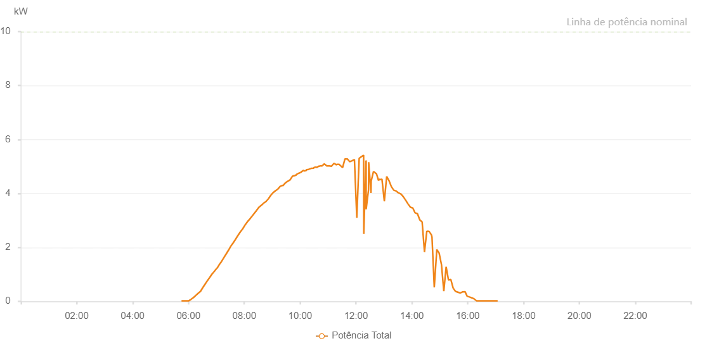

Number | Time | Working State | Alarm Code | Total Inverter Power(W)
1 | 25/07/2023 05:43:05 (UTC-4:00) | Normal |  | 20.000
2 | 25/07/2023 05:48:06 (UTC-4:00) | Normal |  | 20.000
3 | 25/07/2023 05:53:06 (UTC-4:00) | Normal |  | 20.000
4 | 25/07/2023 05:58:07 (UTC-4:00) | Normal |  | 20.000
5 | 25/07/2023 06:03:12 (UTC-4:00) | Normal |  | 30.000
6 | 25/07/2023 06:08:17 (UTC-4:00) | Normal |  | 20.000
7 | 25/07/2023 06:13:23 (UTC-4:00) | Normal |  | 140.000
8 | 25/07/2023 06:18:25 (UTC-4:00) | Normal |  | 240.000
9 | 25/07/2023 06:23:26 (UTC-4:00) | Normal |  | 300.000
10 | 25/07/2023 06:28:26 (UTC-4:00) | Normal |  | 410.000
11 | 25/07/2023 06:33:26 (UTC-4:00) | Normal |  | 500.000
12 | 25/07/2023 06:38:27 (UTC-4:00) | Normal |  | 620.000
13 | 25/07/2023 06:43:27 (UTC-4:00) | Normal |  | 720.000
14 | 25/07/2023 06:48:28 (UTC-4:00) | Normal |  | 850.000
15 | 25/07/2023 06:53:28 (UTC-4:00) | Normal |  | 980.000
16 | 25/07/2023 06:58:30 (UTC-4:00) | Normal |  | 1110.000
17 | 25/07/2023 07:03:31 (UTC-4:00) | Normal |  | 1230.000
18 | 25/07/2023 07:08:31 (UTC-4:00) | Normal |  | 1370.000
19 | 25/07/2023 07:13:35 (UTC-4:00) | Normal |  | 1510.000
20 | 25/07/2023 07:18:35 (UTC-4:00) | Normal |  | 1630.000
21 | 25/07/2023 07:23:36 (UTC-4:00) | Normal |  | 1770.000
22 | 25/07/2023 07:28:40 (UTC-4:00) | Normal |  | 1910.000
23 | 25/07/2023 07:33:47 (UTC-4:00) | Normal |  | 2030.000
24 | 25/07/2023 07:38:50 (UTC-4:00) | Normal |  | 2170.000
25 | 25/07/2023 07:43:55 (UTC-4:00) | Normal |  | 2300.000
26 | 25/07/2023 07:49:00 (UTC-4:00) | Normal |  | 2410.000
27 | 25/07/2023 07:54:05 (UTC-4:00) | Normal |  | 2550.000
28 | 25/07/2023 07:59:11 (UTC-4:00) | Normal |  | 2670.000
29 | 25/07/2023 08:04:13 (UTC-4:00) | Normal |  | 2790.000
30 | 25/07/2023 08:09:13 (UTC-4:00) | Normal |  | 2870.000
31 | 25/07/2023 08:14:14 (UTC-4:00) | Normal |  | 2990.000
32 | 25/07/2023 08:19:14 (UTC-4:00) | Normal |  | 3090.000
33 | 25/07/2023 08:24:15 (UTC-4:00) | Normal |  | 3190.000
34 | 25/07/2023 08:29:16 (UTC-4:00) | Normal |  | 3290.000
35 | 25/07/2023 08:34:16 (UTC-4:00) | Normal |  | 3410.000
36 | 25/07/2023 08:39:17 (UTC-4:00) | Normal |  | 3540.000
37 | 25/07/2023 08:44:17 (UTC-4:00) | Normal |  | 3620.000
38 | 25/07/2023 08:49:18 (UTC-4:00) | Normal |  | 3780.000
39 | 25/07/2023 08:54:18 (UTC-4:00) | Normal |  | 3870.000
40 | 25/07/2023 08:59:19 (UTC-4:00) | Normal |  | 3920.000
41 | 25/07/2023 09:04:21 (UTC-4:00) | Normal |  | 4080.000
42 | 25/07/2023 09:09:26 (UTC-4:00) | Normal |  | 4140.000
43 | 25/07/2023 09:14:30 (UTC-4:00) | Normal |  | 4250.000
44 | 25/07/2023 09:19:36 (UTC-4:00) | Normal |  | 4360.000
45 | 25/07/2023 09:24:39 (UTC-4:00) | Normal |  | 4410.000
46 | 25/07/2023 09:29:44 (UTC-4:00) | Normal |  | 4500.000
47 | 25/07/2023 09:34:52 (UTC-4:00) | Normal |  | 4570.000
48 | 25/07/2023 09:39:57 (UTC-4:00) | Normal |  | 4610.000
49 | 25/07/2023 09:45:02 (UTC-4:00) | Normal |  | 4640.000
50 | 25/07/2023 09:50:08 (UTC-4:00) | Normal |  | 4720.000
51 | 25/07/2023 09:55:10 (UTC-4:00) | Normal |  | 4770.000
52 | 25/07/2023 10:00:14 (UTC-4:00) | Normal |  | 4830.000
53 | 25/07/2023 10:05:19 (UTC-4:00) | Normal |  | 4870.000
54 | 25/07/2023 10:10:24 (UTC-4:00) | Normal |  | 4920.000
55 | 25/07/2023 10:15:30 (UTC-4:00) | Normal |  | 5000.000
56 | 25/07/2023 10:20:33 (UTC-4:00) | Normal |  | 4970.000
57 | 25/07/2023 10:25:37 (UTC-4:00) | Normal |  | 5000.000
58 | 25/07/2023 10:30:42 (UTC-4:00) | Normal |  | 5030.000
59 | 25/07/2023 10:35:47 (UTC-4:00) | Normal |  | 5060.000
60 | 25/07/2023 10:35:59 (UTC-4:00) | Normal |  | 5060.000
61 | 25/07/2023 10:40:50 (UTC-4:00) | Normal |  | 5130.000
62 | 25/07/2023 10:45:55 (UTC-4:00) | Normal |  | 5150.000
63 | 25/07/2023 10:50:59 (UTC-4:00) | Normal |  | 5150.000
64 | 25/07/2023 10:56:05 (UTC-4:00) | Normal |  | 5150.000
65 | 25/07/2023 11:01:09 (UTC-4:00) | Normal |  | 5170.000
66 | 25/07/2023 11:06:14 (UTC-4:00) | Normal |  | 5220.000
67 | 25/07/2023 11:11:20 (UTC-4:00) | Normal |  | 5160.000
68 | 25/07/2023 11:16:25 (UTC-4:00) | Normal |  | 5190.000
69 | 25/07/2023 11:21:29 (UTC-4:00) | Normal |  | 5240.000
70 | 25/07/2023 11:26:34 (UTC-4:00) | Normal |  | 5300.000
71 | 25/07/2023 11:31:40 (UTC-4:00) | Normal |  | 5180.000
72 | 25/07/2023 11:36:46 (UTC-4:00) | Normal |  | 5170.000
73 | 25/07/2023 11:41:50 (UTC-4:00) | Normal |  | 5540.000
74 | 25/07/2023 11:46:54 (UTC-4:00) | Normal |  | 5600.000
75 | 25/07/2023 11:51:58 (UTC-4:00) | Normal |  | 5250.000
76 | 25/07/2023 11:57:02 (UTC-4:00) | Normal |  | 5340.000
77 | 25/07/2023 12:02:07 (UTC-4:00) | Normal |  | 5540.000
78 | 25/07/2023 12:07:14 (UTC-4:00) | Normal |  | 2180.000
79 | 25/07/2023 12:12:16 (UTC-4:00) | Normal |  | 5700.000
80 | 25/07/2023 12:17:21 (UTC-4:00) | Normal |  | 5640.000
81 | 25/07/2023 12:22:27 (UTC-4:00) | Normal |  | 5670.000
82 | 25/07/2023 12:27:30 (UTC-4:00) | Normal |  | 1750.000
83 | 25/07/2023 12:32:36 (UTC-4:00) | Normal |  | 5610.000
84 | 25/07/2023 12:37:40 (UTC-4:00) | Normal |  | 5370.000
85 | 25/07/2023 12:42:45 (UTC-4:00) | Normal |  | 1200.000
86 | 25/07/2023 12:47:50 (UTC-4:00) | Normal |  | 1280.000
87 | 25/07/2023 12:52:57 (UTC-4:00) | Normal |  | 1190.000
88 | 25/07/2023 12:58:00 (UTC-4:00) | Normal |  | 980.000
89 | 25/07/2023 13:03:06 (UTC-4:00) | Normal |  | 1360.000
90 | 25/07/2023 13:08:12 (UTC-4:00) | Normal |  | 2050.000
91 | 25/07/2023 13:13:13 (UTC-4:00) | Normal |  | 1450.000
92 | 25/07/2023 13:18:18 (UTC-4:00) | Normal |  | 1440.000
93 | 25/07/2023 13:23:18 (UTC-4:00) | Normal |  | 1490.000
94 | 25/07/2023 13:28:19 (UTC-4:00) | Normal |  | 1650.000
95 | 25/07/2023 13:33:21 (UTC-4:00) | Normal |  | 4970.000
96 | 25/07/2023 13:38:29 (UTC-4:00) | Normal |  | 1520.000
97 | 25/07/2023 13:43:30 (UTC-4:00) | Normal |  | 1040.000
98 | 25/07/2023 13:48:30 (UTC-4:00) | Normal |  | 840.000
99 | 25/07/2023 13:53:31 (UTC-4:00) | Normal |  | 830.000
100 | 25/07/2023 13:58:31 (UTC-4:00) | Normal |  | 800.000
101 | 25/07/2023 14:03:32 (UTC-4:00) | Normal |  | 1150.000
102 | 25/07/2023 14:08:32 (UTC-4:00) | Normal |  | 1140.000
103 | 25/07/2023 14:13:35 (UTC-4:00) | Normal |  | 1120.000
104 | 25/07/2023 14:18:35 (UTC-4:00) | Normal |  | 1130.000
105 | 25/07/2023 14:23:35 (UTC-4:00) | Normal |  | 3400.000
106 | 25/07/2023 14:28:38 (UTC-4:00) | Normal |  | 2720.000
107 | 25/07/2023 14:33:38 (UTC-4:00) | Normal |  | 920.000
108 | 25/07/2023 14:38:39 (UTC-4:00) | Normal |  | 2600.000
109 | 25/07/2023 14:43:39 (UTC-4:00) | Normal |  | 530.000
110 | 25/07/2023 14:48:41 (UTC-4:00) | Normal |  | 350.000
111 | 25/07/2023 14:53:46 (UTC-4:00) | Normal |  | 320.000
112 | 25/07/2023 14:58:51 (UTC-4:00) | Normal |  | 320.000
113 | 25/07/2023 15:03:55 (UTC-4:00) | Normal |  | 360.000
114 | 25/07/2023 15:09:01 (UTC-4:00) | Normal |  | 440.000
115 | 25/07/2023 15:14:06 (UTC-4:00) | Normal |  | 610.000
116 | 25/07/2023 15:19:08 (UTC-4:00) | Normal |  | 450.000
117 | 25/07/2023 15:24:14 (UTC-4:00) | Normal |  | 420.000
118 | 25/07/2023 15:29:17 (UTC-4:00) | Normal |  | 360.000
119 | 25/07/2023 15:34:22 (UTC-4:00) | Normal |  | 290.000
120 | 25/07/2023 15:39:26 (UTC-4:00) | Normal |  | 240.000
121 | 25/07/2023 15:44:37 (UTC-4:00) | Normal |  | 180.000
122 | 25/07/2023 15:49:54 (UTC-4:00) | Normal |  | 290.000
123 | 25/07/2023 15:54:54 (UTC-4:00) | Normal |  | 310.000
124 | 25/07/2023 15:59:56 (UTC-4:00) | Normal |  | 360.000
125 | 25/07/2023 16:04:56 (UTC-4:00) | Normal |  | 340.000
126 | 25/07/2023 16:09:55 (UTC-4:00) | Normal |  | 230.000
127 | 25/07/2023 16:14:55 (UTC-4:00) | Normal |  | 160.000
128 | 25/07/2023 16:19:57 (UTC-4:00) | Normal |  | 100.000
129 | 25/07/2023 16:25:02 (UTC-4:00) | Normal |  | 30.000
130 | 25/07/2023 16:30:07 (UTC-4:00) | Normal |  | 20.000
131 | 25/07/2023 16:35:11 (UTC-4:00) | Normal |  | 20.000
132 | 25/07/2023 16:40:14 (UTC-4:00) | Normal |  | 20.000
133 | 25/07/2023 16:45:14 (UTC-4:00) | Normal |  | 20.000
134 | 25/07/2023 16:50:14 (UTC-4:00) | Normal |  | 20.000
135 | 25/07/2023 16:55:16 (UTC-4:00) | Normal |  | 20.000
136 | 25/07/2023 17:00:16 (UTC-4:00) | Normal |  | 20.000
137 | 25/07/2023 17:05:17 (UTC-4:00) | Normal |  | 20.000

