Inverter History Report__17-08-
Inverter History Report_26/07/2023_Report

Inverter SN:054B7020C020042 |  | Inverter type:B7
Collector SN:4046045654 |  | Full Load Hours(h):3.13
Rated Power:10000Wp

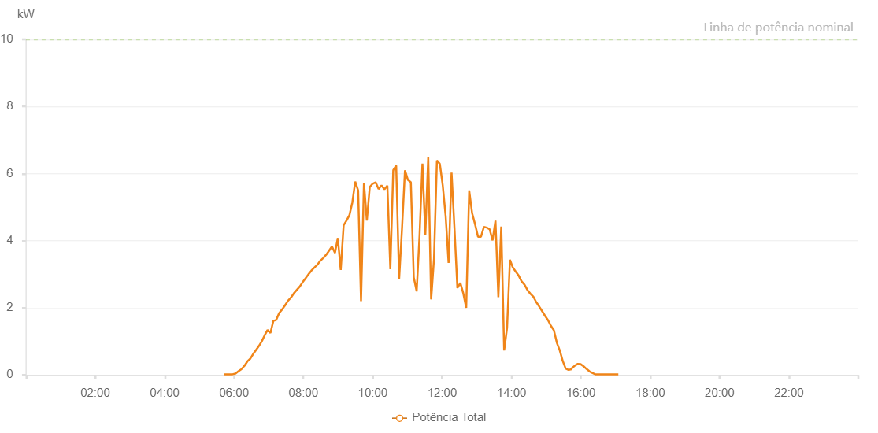

Number | Time | Working State | Alarm Code | Total Inverter Power(W)
1 | 26/07/2023 05:42:20 (UTC-4:00) | Normal |  | 20.000
2 | 26/07/2023 05:47:21 (UTC-4:00) | Normal |  | 20.000
3 | 26/07/2023 05:52:22 (UTC-4:00) | Normal |  | 20.000
4 | 26/07/2023 05:57:26 (UTC-4:00) | Normal |  | 20.000
5 | 26/07/2023 06:02:31 (UTC-4:00) | Normal |  | 40.000
6 | 26/07/2023 06:07:38 (UTC-4:00) | Normal |  | 110.000
7 | 26/07/2023 06:12:43 (UTC-4:00) | Normal |  | 170.000
8 | 26/07/2023 06:17:48 (UTC-4:00) | Normal |  | 270.000
9 | 26/07/2023 06:18:00 (UTC-4:00) | Normal |  | 270.000
10 | 26/07/2023 06:22:53 (UTC-4:00) | Normal |  | 400.000
11 | 26/07/2023 06:27:53 (UTC-4:00) | Normal |  | 480.000
12 | 26/07/2023 06:32:54 (UTC-4:00) | Normal |  | 620.000
13 | 26/07/2023 06:37:55 (UTC-4:00) | Normal |  | 740.000
14 | 26/07/2023 06:42:56 (UTC-4:00) | Normal |  | 860.000
15 | 26/07/2023 06:47:56 (UTC-4:00) | Normal |  | 1000.000
16 | 26/07/2023 06:52:57 (UTC-4:00) | Normal |  | 1180.000
17 | 26/07/2023 06:57:58 (UTC-4:00) | Normal |  | 1340.000
18 | 26/07/2023 07:02:59 (UTC-4:00) | Normal |  | 1250.000
19 | 26/07/2023 07:08:00 (UTC-4:00) | Normal |  | 1610.000
20 | 26/07/2023 07:13:01 (UTC-4:00) | Normal |  | 1640.000
21 | 26/07/2023 07:18:01 (UTC-4:00) | Normal |  | 1840.000
22 | 26/07/2023 07:23:03 (UTC-4:00) | Normal |  | 1950.000
23 | 26/07/2023 07:28:08 (UTC-4:00) | Normal |  | 2070.000
24 | 26/07/2023 07:33:13 (UTC-4:00) | Normal |  | 2210.000
25 | 26/07/2023 07:38:18 (UTC-4:00) | Normal |  | 2300.000
26 | 26/07/2023 07:43:25 (UTC-4:00) | Normal |  | 2430.000
27 | 26/07/2023 07:48:27 (UTC-4:00) | Normal |  | 2530.000
28 | 26/07/2023 07:53:32 (UTC-4:00) | Normal |  | 2630.000
29 | 26/07/2023 07:58:38 (UTC-4:00) | Normal |  | 2760.000
30 | 26/07/2023 08:03:43 (UTC-4:00) | Normal |  | 2880.000
31 | 26/07/2023 08:08:46 (UTC-4:00) | Normal |  | 3000.000
32 | 26/07/2023 08:13:53 (UTC-4:00) | Normal |  | 3110.000
33 | 26/07/2023 08:18:55 (UTC-4:00) | Normal |  | 3200.000
34 | 26/07/2023 08:24:00 (UTC-4:00) | Normal |  | 3280.000
35 | 26/07/2023 08:29:05 (UTC-4:00) | Normal |  | 3400.000
36 | 26/07/2023 08:34:10 (UTC-4:00) | Normal |  | 3480.000
37 | 26/07/2023 08:39:16 (UTC-4:00) | Normal |  | 3580.000
38 | 26/07/2023 08:44:22 (UTC-4:00) | Normal |  | 3700.000
39 | 26/07/2023 08:49:25 (UTC-4:00) | Normal |  | 3830.000
40 | 26/07/2023 08:54:30 (UTC-4:00) | Normal |  | 3640.000
41 | 26/07/2023 08:54:42 (UTC-4:00) | Normal |  | 3640.000
42 | 26/07/2023 08:59:35 (UTC-4:00) | Normal |  | 4080.000
43 | 26/07/2023 09:04:35 (UTC-4:00) | Normal |  | 3130.000
44 | 26/07/2023 09:09:37 (UTC-4:00) | Normal |  | 4460.000
45 | 26/07/2023 09:14:38 (UTC-4:00) | Normal |  | 4600.000
46 | 26/07/2023 09:19:39 (UTC-4:00) | Normal |  | 4760.000
47 | 26/07/2023 09:24:40 (UTC-4:00) | Normal |  | 5140.000
48 | 26/07/2023 09:29:40 (UTC-4:00) | Normal |  | 5760.000
49 | 26/07/2023 09:34:43 (UTC-4:00) | Normal |  | 5500.000
50 | 26/07/2023 09:39:44 (UTC-4:00) | Normal |  | 2200.000
51 | 26/07/2023 09:44:46 (UTC-4:00) | Normal |  | 5720.000
52 | 26/07/2023 09:49:47 (UTC-4:00) | Normal |  | 4600.000
53 | 26/07/2023 09:54:49 (UTC-4:00) | Normal |  | 5600.000
54 | 26/07/2023 09:59:53 (UTC-4:00) | Normal |  | 5700.000
55 | 26/07/2023 10:04:59 (UTC-4:00) | Normal |  | 5740.000
56 | 26/07/2023 10:10:03 (UTC-4:00) | Normal |  | 5540.000
57 | 26/07/2023 10:15:08 (UTC-4:00) | Normal |  | 5650.000
58 | 26/07/2023 10:20:13 (UTC-4:00) | Normal |  | 5530.000
59 | 26/07/2023 10:25:17 (UTC-4:00) | Normal |  | 5640.000
60 | 26/07/2023 10:30:25 (UTC-4:00) | Normal |  | 3150.000
61 | 26/07/2023 10:35:27 (UTC-4:00) | Normal |  | 6100.000
62 | 26/07/2023 10:40:32 (UTC-4:00) | Normal |  | 6240.000
63 | 26/07/2023 10:45:38 (UTC-4:00) | Normal |  | 2850.000
64 | 26/07/2023 10:50:44 (UTC-4:00) | Normal |  | 4400.000
65 | 26/07/2023 10:55:46 (UTC-4:00) | Normal |  | 6100.000
66 | 26/07/2023 11:00:51 (UTC-4:00) | Normal |  | 5810.000
67 | 26/07/2023 11:05:55 (UTC-4:00) | Normal |  | 5740.000
68 | 26/07/2023 11:10:56 (UTC-4:00) | Normal |  | 2910.000
69 | 26/07/2023 11:15:57 (UTC-4:00) | Normal |  | 2490.000
70 | 26/07/2023 11:20:57 (UTC-4:00) | Normal |  | 4150.000
71 | 26/07/2023 11:25:58 (UTC-4:00) | Normal |  | 6300.000
72 | 26/07/2023 11:30:59 (UTC-4:00) | Normal |  | 4180.000
73 | 26/07/2023 11:35:59 (UTC-4:00) | Normal |  | 6490.000
74 | 26/07/2023 11:41:00 (UTC-4:00) | Normal |  | 2250.000
75 | 26/07/2023 11:46:00 (UTC-4:00) | Normal |  | 3470.000
76 | 26/07/2023 11:51:02 (UTC-4:00) | Normal |  | 6390.000
77 | 26/07/2023 11:56:03 (UTC-4:00) | Normal |  | 6290.000
78 | 26/07/2023 12:01:03 (UTC-4:00) | Normal |  | 5650.000
79 | 26/07/2023 12:06:09 (UTC-4:00) | Normal |  | 4730.000
80 | 26/07/2023 12:11:12 (UTC-4:00) | Normal |  | 3340.000
81 | 26/07/2023 12:16:20 (UTC-4:00) | Normal |  | 6030.000
82 | 26/07/2023 12:21:21 (UTC-4:00) | Normal |  | 4380.000
83 | 26/07/2023 12:26:25 (UTC-4:00) | Normal |  | 2590.000
84 | 26/07/2023 12:31:32 (UTC-4:00) | Normal |  | 2740.000
85 | 26/07/2023 12:36:39 (UTC-4:00) | Normal |  | 2430.000
86 | 26/07/2023 12:41:43 (UTC-4:00) | Normal |  | 2000.000
87 | 26/07/2023 12:46:49 (UTC-4:00) | Normal |  | 5500.000
88 | 26/07/2023 12:51:54 (UTC-4:00) | Normal |  | 4820.000
89 | 26/07/2023 12:57:00 (UTC-4:00) | Normal |  | 4490.000
90 | 26/07/2023 13:02:06 (UTC-4:00) | Normal |  | 4120.000
91 | 26/07/2023 13:07:13 (UTC-4:00) | Normal |  | 4120.000
92 | 26/07/2023 13:12:14 (UTC-4:00) | Normal |  | 4410.000
93 | 26/07/2023 13:17:15 (UTC-4:00) | Normal |  | 4390.000
94 | 26/07/2023 13:22:15 (UTC-4:00) | Normal |  | 4340.000
95 | 26/07/2023 13:27:17 (UTC-4:00) | Normal |  | 4010.000
96 | 26/07/2023 13:32:17 (UTC-4:00) | Normal |  | 4600.000
97 | 26/07/2023 13:37:18 (UTC-4:00) | Normal |  | 2320.000
98 | 26/07/2023 13:42:19 (UTC-4:00) | Normal |  | 4420.000
99 | 26/07/2023 13:47:19 (UTC-4:00) | Normal |  | 730.000
100 | 26/07/2023 13:52:20 (UTC-4:00) | Normal |  | 1400.000
101 | 26/07/2023 13:57:20 (UTC-4:00) | Normal |  | 3430.000
102 | 26/07/2023 14:02:21 (UTC-4:00) | Normal |  | 3200.000
103 | 26/07/2023 14:07:21 (UTC-4:00) | Normal |  | 3080.000
104 | 26/07/2023 14:12:25 (UTC-4:00) | Normal |  | 2960.000
105 | 26/07/2023 14:17:28 (UTC-4:00) | Normal |  | 2790.000
106 | 26/07/2023 14:22:33 (UTC-4:00) | Normal |  | 2690.000
107 | 26/07/2023 14:27:39 (UTC-4:00) | Normal |  | 2530.000
108 | 26/07/2023 14:32:44 (UTC-4:00) | Normal |  | 2420.000
109 | 26/07/2023 14:37:48 (UTC-4:00) | Normal |  | 2330.000
110 | 26/07/2023 14:42:53 (UTC-4:00) | Normal |  | 2170.000
111 | 26/07/2023 14:47:57 (UTC-4:00) | Normal |  | 2040.000
112 | 26/07/2023 14:53:03 (UTC-4:00) | Normal |  | 1900.000
113 | 26/07/2023 14:58:06 (UTC-4:00) | Normal |  | 1760.000
114 | 26/07/2023 15:03:13 (UTC-4:00) | Normal |  | 1630.000
115 | 26/07/2023 15:08:19 (UTC-4:00) | Normal |  | 1460.000
116 | 26/07/2023 15:13:21 (UTC-4:00) | Normal |  | 1330.000
117 | 26/07/2023 15:18:27 (UTC-4:00) | Normal |  | 960.000
118 | 26/07/2023 15:23:32 (UTC-4:00) | Normal |  | 730.000
119 | 26/07/2023 15:28:37 (UTC-4:00) | Normal |  | 420.000
120 | 26/07/2023 15:33:43 (UTC-4:00) | Normal |  | 190.000
121 | 26/07/2023 15:38:46 (UTC-4:00) | Normal |  | 150.000
122 | 26/07/2023 15:43:52 (UTC-4:00) | Normal |  | 170.000
123 | 26/07/2023 15:44:25 (UTC-4:00) | Normal |  | 200.000
124 | 26/07/2023 15:49:41 (UTC-4:00) | Normal |  | 280.000
125 | 26/07/2023 15:54:41 (UTC-4:00) | Normal |  | 330.000
126 | 26/07/2023 15:59:41 (UTC-4:00) | Normal |  | 320.000
127 | 26/07/2023 16:04:41 (UTC-4:00) | Normal |  | 260.000
128 | 26/07/2023 16:09:41 (UTC-4:00) | Normal |  | 180.000
129 | 26/07/2023 16:14:43 (UTC-4:00) | Normal |  | 110.000
130 | 26/07/2023 16:19:43 (UTC-4:00) | Normal |  | 60.000
131 | 26/07/2023 16:24:48 (UTC-4:00) | Normal |  | 20.000
132 | 26/07/2023 16:29:50 (UTC-4:00) | Normal |  | 20.000
133 | 26/07/2023 16:34:50 (UTC-4:00) | Normal |  | 20.000
134 | 26/07/2023 16:39:50 (UTC-4:00) | Normal |  | 20.000
135 | 26/07/2023 16:44:50 (UTC-4:00) | Normal |  | 20.000
136 | 26/07/2023 16:49:50 (UTC-4:00) | Normal |  | 20.000
137 | 26/07/2023 16:54:50 (UTC-4:00) | Normal |  | 20.000
138 | 26/07/2023 16:59:50 (UTC-4:00) | Normal |  | 20.000
139 | 26/07/2023 17:04:50 (UTC-4:00) | Normal |  | 20.000

