Inverter History Report__17-08-
Inverter History Report_27/07/2023_Report

Inverter SN:054B7020C020042 |  | Inverter type:B7
Collector SN:4046045654 |  | Full Load Hours(h):2.69
Rated Power:10000Wp

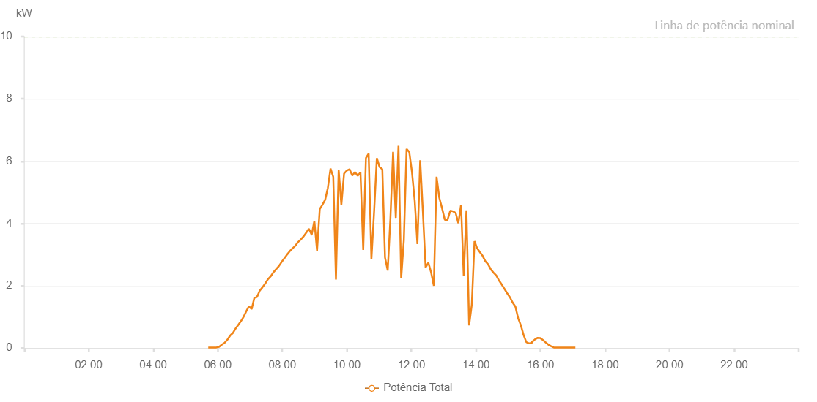

Number | Time | Working State | Alarm Code | Total Inverter Power(W)
1 | 27/07/2023 05:42:38 (UTC-4:00) | Normal |  | 20.000
2 | 27/07/2023 05:57:46 (UTC-4:00) | Normal |  | 20.000
3 | 27/07/2023 06:02:51 (UTC-4:00) | Normal |  | 30.000
4 | 27/07/2023 06:07:58 (UTC-4:00) | Normal |  | 100.000
5 | 27/07/2023 06:13:00 (UTC-4:00) | Normal |  | 140.000
6 | 27/07/2023 06:18:06 (UTC-4:00) | Normal |  | 220.000
7 | 27/07/2023 06:23:11 (UTC-4:00) | Normal |  | 330.000
8 | 27/07/2023 06:28:14 (UTC-4:00) | Normal |  | 420.000
9 | 27/07/2023 06:33:19 (UTC-4:00) | Normal |  | 540.000
10 | 27/07/2023 06:38:26 (UTC-4:00) | Normal |  | 650.000
11 | 27/07/2023 06:43:28 (UTC-4:00) | Normal |  | 780.000
12 | 27/07/2023 06:48:33 (UTC-4:00) | Normal |  | 910.000
13 | 27/07/2023 06:53:38 (UTC-4:00) | Normal |  | 1050.000
14 | 27/07/2023 06:58:43 (UTC-4:00) | Normal |  | 1180.000
15 | 27/07/2023 07:03:48 (UTC-4:00) | Normal |  | 1320.000
16 | 27/07/2023 07:08:55 (UTC-4:00) | Normal |  | 1440.000
17 | 27/07/2023 07:13:59 (UTC-4:00) | Normal |  | 1570.000
18 | 27/07/2023 07:19:06 (UTC-4:00) | Normal |  | 1700.000
19 | 27/07/2023 07:24:08 (UTC-4:00) | Normal |  | 1810.000
20 | 27/07/2023 07:29:09 (UTC-4:00) | Normal |  | 1910.000
21 | 27/07/2023 07:34:11 (UTC-4:00) | Normal |  | 2040.000
22 | 27/07/2023 07:39:13 (UTC-4:00) | Normal |  | 2180.000
23 | 27/07/2023 07:44:15 (UTC-4:00) | Normal |  | 2270.000
24 | 27/07/2023 07:49:18 (UTC-4:00) | Normal |  | 2420.000
25 | 27/07/2023 07:54:19 (UTC-4:00) | Normal |  | 2510.000
26 | 27/07/2023 07:59:19 (UTC-4:00) | Normal |  | 2630.000
27 | 27/07/2023 08:04:20 (UTC-4:00) | Normal |  | 2740.000
28 | 27/07/2023 08:09:20 (UTC-4:00) | Normal |  | 2840.000
29 | 27/07/2023 08:14:22 (UTC-4:00) | Normal |  | 2960.000
30 | 27/07/2023 08:19:23 (UTC-4:00) | Normal |  | 3070.000
31 | 27/07/2023 08:24:24 (UTC-4:00) | Normal |  | 3170.000
32 | 27/07/2023 08:29:25 (UTC-4:00) | Normal |  | 3290.000
33 | 27/07/2023 08:34:28 (UTC-4:00) | Normal |  | 3380.000
34 | 27/07/2023 08:39:35 (UTC-4:00) | Normal |  | 3490.000
35 | 27/07/2023 08:44:37 (UTC-4:00) | Normal |  | 3600.000
36 | 27/07/2023 08:49:42 (UTC-4:00) | Normal |  | 3670.000
37 | 27/07/2023 08:54:46 (UTC-4:00) | Normal |  | 3760.000
38 | 27/07/2023 08:59:53 (UTC-4:00) | Normal |  | 3840.000
39 | 27/07/2023 09:04:58 (UTC-4:00) | Normal |  | 3920.000
40 | 27/07/2023 09:05:10 (UTC-4:00) | Normal |  | 3920.000
41 | 27/07/2023 09:10:01 (UTC-4:00) | Normal |  | 3970.000
42 | 27/07/2023 09:15:07 (UTC-4:00) | Normal |  | 4000.000
43 | 27/07/2023 09:15:19 (UTC-4:00) | Normal |  | 4000.000
44 | 27/07/2023 09:20:12 (UTC-4:00) | Normal |  | 4150.000
45 | 27/07/2023 09:25:17 (UTC-4:00) | Normal |  | 4250.000
46 | 27/07/2023 09:30:21 (UTC-4:00) | Normal |  | 4290.000
47 | 27/07/2023 09:35:27 (UTC-4:00) | Normal |  | 4350.000
48 | 27/07/2023 09:40:31 (UTC-4:00) | Normal |  | 4460.000
49 | 27/07/2023 09:45:35 (UTC-4:00) | Normal |  | 4500.000
50 | 27/07/2023 09:50:41 (UTC-4:00) | Normal |  | 4540.000
51 | 27/07/2023 09:55:46 (UTC-4:00) | Normal |  | 4640.000
52 | 27/07/2023 10:00:48 (UTC-4:00) | Normal |  | 4670.000
53 | 27/07/2023 10:05:48 (UTC-4:00) | Normal |  | 4720.000
54 | 27/07/2023 10:10:49 (UTC-4:00) | Normal |  | 4720.000
55 | 27/07/2023 10:15:50 (UTC-4:00) | Normal |  | 4780.000
56 | 27/07/2023 10:20:50 (UTC-4:00) | Normal |  | 4830.000
57 | 27/07/2023 10:25:51 (UTC-4:00) | Normal |  | 4860.000
58 | 27/07/2023 10:30:52 (UTC-4:00) | Normal |  | 4820.000
59 | 27/07/2023 10:35:52 (UTC-4:00) | Normal |  | 4920.000
60 | 27/07/2023 10:40:53 (UTC-4:00) | Normal |  | 4900.000
61 | 27/07/2023 10:45:54 (UTC-4:00) | Normal |  | 4900.000
62 | 27/07/2023 10:50:55 (UTC-4:00) | Normal |  | 4920.000
63 | 27/07/2023 10:55:56 (UTC-4:00) | Normal |  | 4990.000
64 | 27/07/2023 11:01:00 (UTC-4:00) | Normal |  | 4850.000
65 | 27/07/2023 11:06:06 (UTC-4:00) | Normal |  | 4900.000
66 | 27/07/2023 11:11:09 (UTC-4:00) | Normal |  | 4910.000
67 | 27/07/2023 11:16:10 (UTC-4:00) | Normal |  | 5020.000
68 | 27/07/2023 11:21:11 (UTC-4:00) | Normal |  | 5080.000
69 | 27/07/2023 11:26:11 (UTC-4:00) | Normal |  | 5050.000
70 | 27/07/2023 11:31:12 (UTC-4:00) | Normal |  | 5090.000
71 | 27/07/2023 11:36:13 (UTC-4:00) | Normal |  | 5060.000
72 | 27/07/2023 11:41:14 (UTC-4:00) | Normal |  | 4960.000
73 | 27/07/2023 11:46:15 (UTC-4:00) | Normal |  | 4950.000
74 | 27/07/2023 11:51:16 (UTC-4:00) | Normal |  | 2760.000
75 | 27/07/2023 11:56:17 (UTC-4:00) | Normal |  | 750.000
76 | 27/07/2023 12:01:18 (UTC-4:00) | Normal |  | 850.000
77 | 27/07/2023 12:06:18 (UTC-4:00) | Normal |  | 860.000
78 | 27/07/2023 12:11:23 (UTC-4:00) | Normal |  | 800.000
79 | 27/07/2023 12:16:27 (UTC-4:00) | Normal |  | 3390.000
80 | 27/07/2023 12:21:31 (UTC-4:00) | Normal |  | 1010.000
81 | 27/07/2023 12:26:37 (UTC-4:00) | Normal |  | 1440.000
82 | 27/07/2023 12:31:41 (UTC-4:00) | Normal |  | 1220.000
83 | 27/07/2023 12:32:08 (UTC-4:00) | Normal |  | 1220.000
84 | 27/07/2023 12:36:44 (UTC-4:00) | Normal |  | 1750.000
85 | 27/07/2023 12:41:49 (UTC-4:00) | Normal |  | 3430.000
86 | 27/07/2023 12:46:54 (UTC-4:00) | Normal |  | 1680.000
87 | 27/07/2023 12:51:59 (UTC-4:00) | Normal |  | 950.000
88 | 27/07/2023 12:57:05 (UTC-4:00) | Normal |  | 4500.000
89 | 27/07/2023 13:02:10 (UTC-4:00) | Normal |  | 4170.000
90 | 27/07/2023 13:07:15 (UTC-4:00) | Normal |  | 3850.000
91 | 27/07/2023 13:12:20 (UTC-4:00) | Normal |  | 4130.000
92 | 27/07/2023 13:17:26 (UTC-4:00) | Normal |  | 4010.000
93 | 27/07/2023 13:22:30 (UTC-4:00) | Normal |  | 4020.000
94 | 27/07/2023 13:27:37 (UTC-4:00) | Normal |  | 3880.000
95 | 27/07/2023 13:32:38 (UTC-4:00) | Normal |  | 3860.000
96 | 27/07/2023 13:37:39 (UTC-4:00) | Normal |  | 3760.000
97 | 27/07/2023 13:42:40 (UTC-4:00) | Normal |  | 3570.000
98 | 27/07/2023 13:47:40 (UTC-4:00) | Normal |  | 3430.000
99 | 27/07/2023 13:52:41 (UTC-4:00) | Normal |  | 3250.000
100 | 27/07/2023 13:57:42 (UTC-4:00) | Normal |  | 3180.000
101 | 27/07/2023 14:02:43 (UTC-4:00) | Normal |  | 3070.000
102 | 27/07/2023 14:07:43 (UTC-4:00) | Normal |  | 3020.000
103 | 27/07/2023 14:12:44 (UTC-4:00) | Normal |  | 2870.000
104 | 27/07/2023 14:17:58 (UTC-4:00) | Normal |  | 740.000
105 | 27/07/2023 14:22:46 (UTC-4:00) | Normal |  | 2630.000
106 | 27/07/2023 14:27:49 (UTC-4:00) | Normal |  | 2560.000
107 | 27/07/2023 14:33:11 (UTC-4:00) | Normal |  | 780.000
108 | 27/07/2023 14:33:36 (UTC-4:00) | Normal |  | 780.000
109 | 27/07/2023 14:39:00 (UTC-4:00) | Normal |  | 790.000
110 | 27/07/2023 14:44:01 (UTC-4:00) | Normal |  | 740.000
111 | 27/07/2023 14:49:01 (UTC-4:00) | Normal |  | 770.000
112 | 27/07/2023 14:54:53 (UTC-4:00) | Normal |  | 730.000
113 | 27/07/2023 14:59:26 (UTC-4:00) | Normal |  | 700.000
114 | 27/07/2023 14:59:27 (UTC-4:00) | Normal |  | 700.000
115 | 27/07/2023 15:04:05 (UTC-4:00) | Normal |  | 670.000
116 | 27/07/2023 15:09:05 (UTC-4:00) | Normal |  | 610.000
117 | 27/07/2023 15:14:05 (UTC-4:00) | Normal |  | 480.000
118 | 27/07/2023 15:19:06 (UTC-4:00) | Normal |  | 370.000
119 | 27/07/2023 15:24:06 (UTC-4:00) | Normal |  | 330.000
120 | 27/07/2023 15:29:06 (UTC-4:00) | Normal |  | 310.000
121 | 27/07/2023 15:34:09 (UTC-4:00) | Normal |  | 270.000
122 | 27/07/2023 15:39:09 (UTC-4:00) | Normal |  | 170.000
123 | 27/07/2023 15:44:16 (UTC-4:00) | Normal |  | 60.000
124 | 27/07/2023 15:44:27 (UTC-4:00) | Normal |  | 60.000
125 | 27/07/2023 15:49:18 (UTC-4:00) | Normal |  | 40.000
126 | 27/07/2023 15:54:22 (UTC-4:00) | Normal |  | 20.000
127 | 27/07/2023 15:54:34 (UTC-4:00) | Normal |  | 20.000
128 | 27/07/2023 15:59:26 (UTC-4:00) | Normal |  | 20.000
129 | 27/07/2023 16:04:32 (UTC-4:00) | Normal |  | 60.000
130 | 27/07/2023 16:04:59 (UTC-4:00) | Normal |  | 60.000
131 | 27/07/2023 16:09:34 (UTC-4:00) | Normal |  | 20.000
132 | 27/07/2023 16:14:52 (UTC-4:00) | Normal |  | 20.000
133 | 27/07/2023 16:19:45 (UTC-4:00) | Normal |  | 30.000
134 | 27/07/2023 16:24:45 (UTC-4:00) | Normal |  | 20.000
135 | 27/07/2023 16:29:47 (UTC-4:00) | Normal |  | 20.000
136 | 27/07/2023 16:34:49 (UTC-4:00) | Normal |  | 20.000
137 | 27/07/2023 16:39:48 (UTC-4:00) | Normal |  | 20.000
138 | 27/07/2023 16:44:49 (UTC-4:00) | Normal |  | 20.000
139 | 27/07/2023 16:49:51 (UTC-4:00) | Normal |  | 20.000
140 | 27/07/2023 16:54:50 (UTC-4:00) | Normal |  | 20.000
141 | 27/07/2023 16:59:51 (UTC-4:00) | Normal |  | 20.000

