Inverter History Report__17-08-
Inverter History Report_28/07/2023_Report

Inverter SN:054B7020C020042 |  | Inverter type:B7
Collector SN:4046045654 |  | Full Load Hours(h):3.08
Rated Power:10000Wp

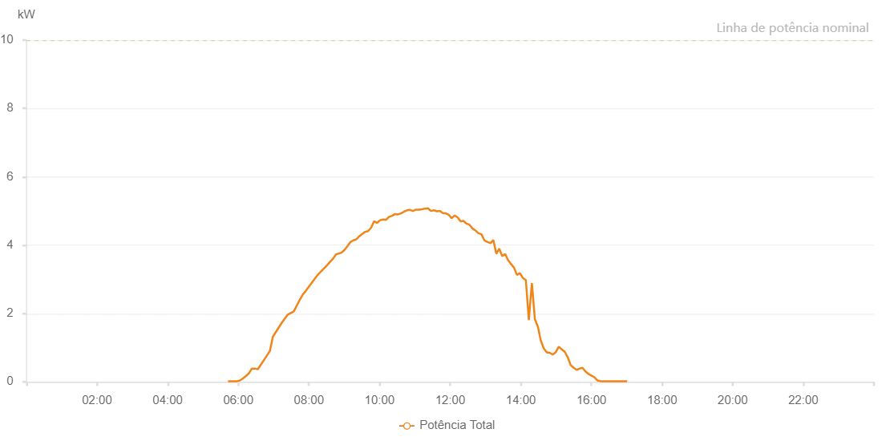

Number | Time | Working State | Alarm Code | Total Inverter Power(W)
1 | 28/07/2023 05:42:35 (UTC-4:00) | Normal |  | 20.000
2 | 28/07/2023 05:47:36 (UTC-4:00) | Normal |  | 20.000
3 | 28/07/2023 05:52:41 (UTC-4:00) | Normal |  | 20.000
4 | 28/07/2023 05:57:39 (UTC-4:00) | Normal |  | 20.000
5 | 28/07/2023 06:02:43 (UTC-4:00) | Normal |  | 40.000
6 | 28/07/2023 06:07:48 (UTC-4:00) | Normal |  | 100.000
7 | 28/07/2023 06:12:55 (UTC-4:00) | Normal |  | 170.000
8 | 28/07/2023 06:17:58 (UTC-4:00) | Normal |  | 250.000
9 | 28/07/2023 06:23:03 (UTC-4:00) | Normal |  | 390.000
10 | 28/07/2023 06:28:08 (UTC-4:00) | Normal |  | 390.000
11 | 28/07/2023 06:33:12 (UTC-4:00) | Normal |  | 370.000
12 | 28/07/2023 06:53:36 (UTC-4:00) | Normal |  | 900.000
13 | 28/07/2023 06:58:41 (UTC-4:00) | Normal |  | 1320.000
14 | 28/07/2023 07:13:55 (UTC-4:00) | Normal |  | 1730.000
15 | 28/07/2023 07:24:06 (UTC-4:00) | Normal |  | 1970.000
16 | 28/07/2023 07:34:17 (UTC-4:00) | Normal |  | 2060.000
17 | 28/07/2023 07:44:25 (UTC-4:00) | Normal |  | 2400.000
18 | 28/07/2023 07:49:30 (UTC-4:00) | Normal |  | 2550.000
19 | 28/07/2023 07:54:37 (UTC-4:00) | Normal |  | 2660.000
20 | 28/07/2023 08:14:54 (UTC-4:00) | Normal |  | 3130.000
21 | 28/07/2023 08:19:57 (UTC-4:00) | Normal |  | 3220.000
22 | 28/07/2023 08:30:10 (UTC-4:00) | Normal |  | 3400.000
23 | 28/07/2023 08:35:13 (UTC-4:00) | Normal |  | 3500.000
24 | 28/07/2023 08:40:18 (UTC-4:00) | Normal |  | 3590.000
25 | 28/07/2023 08:46:01 (UTC-4:00) | Normal |  | 3730.000
26 | 28/07/2023 08:55:25 (UTC-4:00) | Normal |  | 3780.000
27 | 28/07/2023 09:00:25 (UTC-4:00) | Normal |  | 3860.000
28 | 28/07/2023 09:05:27 (UTC-4:00) | Normal |  | 3970.000
29 | 28/07/2023 09:10:28 (UTC-4:00) | Normal |  | 4090.000
30 | 28/07/2023 09:15:30 (UTC-4:00) | Normal |  | 4140.000
31 | 28/07/2023 09:20:30 (UTC-4:00) | Normal |  | 4170.000
32 | 28/07/2023 09:25:31 (UTC-4:00) | Normal |  | 4260.000
33 | 28/07/2023 09:30:32 (UTC-4:00) | Normal |  | 4330.000
34 | 28/07/2023 09:35:33 (UTC-4:00) | Normal |  | 4390.000
35 | 28/07/2023 09:40:35 (UTC-4:00) | Normal |  | 4410.000
36 | 28/07/2023 09:45:37 (UTC-4:00) | Normal |  | 4510.000
37 | 28/07/2023 09:50:41 (UTC-4:00) | Normal |  | 4700.000
38 | 28/07/2023 09:55:47 (UTC-4:00) | Normal |  | 4650.000
39 | 28/07/2023 10:00:53 (UTC-4:00) | Normal |  | 4730.000
40 | 28/07/2023 10:05:58 (UTC-4:00) | Normal |  | 4750.000
41 | 28/07/2023 10:11:01 (UTC-4:00) | Normal |  | 4740.000
42 | 28/07/2023 10:16:11 (UTC-4:00) | Normal |  | 4830.000
43 | 28/07/2023 10:21:12 (UTC-4:00) | Normal |  | 4860.000
44 | 28/07/2023 10:26:18 (UTC-4:00) | Normal |  | 4910.000
45 | 28/07/2023 10:31:22 (UTC-4:00) | Normal |  | 4900.000
46 | 28/07/2023 10:36:27 (UTC-4:00) | Normal |  | 4930.000
47 | 28/07/2023 10:41:39 (UTC-4:00) | Normal |  | 4980.000
48 | 28/07/2023 10:46:38 (UTC-4:00) | Normal |  | 5020.000
49 | 28/07/2023 10:51:48 (UTC-4:00) | Normal |  | 5030.000
50 | 28/07/2023 10:56:50 (UTC-4:00) | Normal |  | 5000.000
51 | 28/07/2023 11:01:53 (UTC-4:00) | Normal |  | 5040.000
52 | 28/07/2023 11:06:59 (UTC-4:00) | Normal |  | 5040.000
53 | 28/07/2023 11:12:03 (UTC-4:00) | Normal |  | 5050.000
54 | 28/07/2023 11:17:07 (UTC-4:00) | Normal |  | 5070.000
55 | 28/07/2023 11:22:14 (UTC-4:00) | Normal |  | 5080.000
56 | 28/07/2023 11:27:18 (UTC-4:00) | Normal |  | 5000.000
57 | 28/07/2023 11:32:23 (UTC-4:00) | Normal |  | 5020.000
58 | 28/07/2023 11:37:28 (UTC-4:00) | Normal |  | 4990.000
59 | 28/07/2023 11:42:28 (UTC-4:00) | Normal |  | 5000.000
60 | 28/07/2023 11:47:39 (UTC-4:00) | Normal |  | 4940.000
61 | 28/07/2023 11:52:38 (UTC-4:00) | Normal |  | 4930.000
62 | 28/07/2023 11:57:32 (UTC-4:00) | Normal |  | 4890.000
63 | 28/07/2023 12:02:32 (UTC-4:00) | Normal |  | 4790.000
64 | 28/07/2023 12:07:33 (UTC-4:00) | Normal |  | 4870.000
65 | 28/07/2023 12:12:47 (UTC-4:00) | Normal |  | 4810.000
66 | 28/07/2023 12:17:35 (UTC-4:00) | Normal |  | 4700.000
67 | 28/07/2023 12:22:35 (UTC-4:00) | Normal |  | 4710.000
68 | 28/07/2023 12:27:36 (UTC-4:00) | Normal |  | 4630.000
69 | 28/07/2023 12:32:40 (UTC-4:00) | Normal |  | 4600.000
70 | 28/07/2023 12:37:45 (UTC-4:00) | Normal |  | 4490.000
71 | 28/07/2023 12:42:51 (UTC-4:00) | Normal |  | 4430.000
72 | 28/07/2023 12:47:56 (UTC-4:00) | Normal |  | 4350.000
73 | 28/07/2023 12:53:03 (UTC-4:00) | Normal |  | 4320.000
74 | 28/07/2023 12:58:10 (UTC-4:00) | Normal |  | 4140.000
75 | 28/07/2023 13:03:36 (UTC-4:00) | Normal |  | 4090.000
76 | 28/07/2023 13:08:36 (UTC-4:00) | Normal |  | 4060.000
77 | 28/07/2023 13:08:37 (UTC-4:00) | Normal |  | 4060.000
78 | 28/07/2023 13:08:41 (UTC-4:00) | Normal |  | 4060.000
79 | 28/07/2023 13:13:18 (UTC-4:00) | Normal |  | 4150.000
80 | 28/07/2023 13:18:25 (UTC-4:00) | Normal |  | 3750.000
81 | 28/07/2023 13:23:20 (UTC-4:00) | Normal |  | 3900.000
82 | 28/07/2023 13:28:20 (UTC-4:00) | Normal |  | 3680.000
83 | 28/07/2023 13:33:27 (UTC-4:00) | Normal |  | 3740.000
84 | 28/07/2023 13:38:23 (UTC-4:00) | Normal |  | 3560.000
85 | 28/07/2023 13:43:24 (UTC-4:00) | Normal |  | 3450.000
86 | 28/07/2023 13:48:26 (UTC-4:00) | Normal |  | 3340.000
87 | 28/07/2023 13:53:25 (UTC-4:00) | Normal |  | 3130.000
88 | 28/07/2023 13:58:26 (UTC-4:00) | Normal |  | 3180.000
89 | 28/07/2023 14:03:34 (UTC-4:00) | Normal |  | 3040.000
90 | 28/07/2023 14:08:34 (UTC-4:00) | Normal |  | 2980.000
91 | 28/07/2023 14:13:37 (UTC-4:00) | Normal |  | 1810.000
92 | 28/07/2023 14:18:48 (UTC-4:00) | Normal |  | 2890.000
93 | 28/07/2023 14:23:50 (UTC-4:00) | Normal |  | 1840.000
94 | 28/07/2023 14:28:52 (UTC-4:00) | Normal |  | 1620.000
95 | 28/07/2023 14:29:03 (UTC-4:00) | Normal |  | 1620.000
96 | 28/07/2023 14:33:55 (UTC-4:00) | Normal |  | 1210.000
97 | 28/07/2023 14:39:01 (UTC-4:00) | Normal |  | 980.000
98 | 28/07/2023 14:44:08 (UTC-4:00) | Normal |  | 860.000
99 | 28/07/2023 14:49:13 (UTC-4:00) | Normal |  | 850.000
100 | 28/07/2023 14:54:15 (UTC-4:00) | Normal |  | 800.000
101 | 28/07/2023 14:59:26 (UTC-4:00) | Normal |  | 870.000
102 | 28/07/2023 15:04:27 (UTC-4:00) | Normal |  | 1030.000
103 | 28/07/2023 15:09:33 (UTC-4:00) | Normal |  | 950.000
104 | 28/07/2023 15:14:40 (UTC-4:00) | Normal |  | 880.000
105 | 28/07/2023 15:19:43 (UTC-4:00) | Normal |  | 720.000
106 | 28/07/2023 15:24:47 (UTC-4:00) | Normal |  | 490.000
107 | 28/07/2023 15:29:53 (UTC-4:00) | Normal |  | 410.000
108 | 28/07/2023 15:34:58 (UTC-4:00) | Normal |  | 350.000
109 | 28/07/2023 15:40:01 (UTC-4:00) | Normal |  | 390.000
110 | 28/07/2023 15:44:50 (UTC-4:00) | Normal |  | 410.000
111 | 28/07/2023 15:50:14 (UTC-4:00) | Normal |  | 300.000
112 | 28/07/2023 15:55:14 (UTC-4:00) | Normal |  | 230.000
113 | 28/07/2023 16:00:21 (UTC-4:00) | Normal |  | 180.000
114 | 28/07/2023 16:05:15 (UTC-4:00) | Normal |  | 130.000
115 | 28/07/2023 16:10:17 (UTC-4:00) | Normal |  | 40.000
116 | 28/07/2023 16:15:16 (UTC-4:00) | Normal |  | 20.000
117 | 28/07/2023 16:20:16 (UTC-4:00) | Normal |  | 20.000
118 | 28/07/2023 16:25:16 (UTC-4:00) | Normal |  | 20.000
119 | 28/07/2023 16:30:17 (UTC-4:00) | Normal |  | 20.000
120 | 28/07/2023 16:35:22 (UTC-4:00) | Normal |  | 20.000
121 | 28/07/2023 16:35:34 (UTC-4:00) | Normal |  | 20.000
122 | 28/07/2023 16:40:26 (UTC-4:00) | Normal |  | 20.000
123 | 28/07/2023 16:45:31 (UTC-4:00) | Normal |  | 20.000
124 | 28/07/2023 16:45:42 (UTC-4:00) | Normal |  | 20.000
125 | 28/07/2023 16:50:34 (UTC-4:00) | Normal |  | 20.000
126 | 28/07/2023 16:55:39 (UTC-4:00) | Normal |  | 20.000
127 | 28/07/2023 16:55:55 (UTC-4:00) | Normal |  | 20.000
128 | 28/07/2023 17:00:39 (UTC-4:00) | Normal |  | 20.000

