Inverter History Report__17-08-
Inverter History Report_29/07/2023_Report

Inverter SN:054B7020C020042 |  | Inverter type:B7
Collector SN:4046045654 |  | Full Load Hours(h):2.93
Rated Power:10000Wp

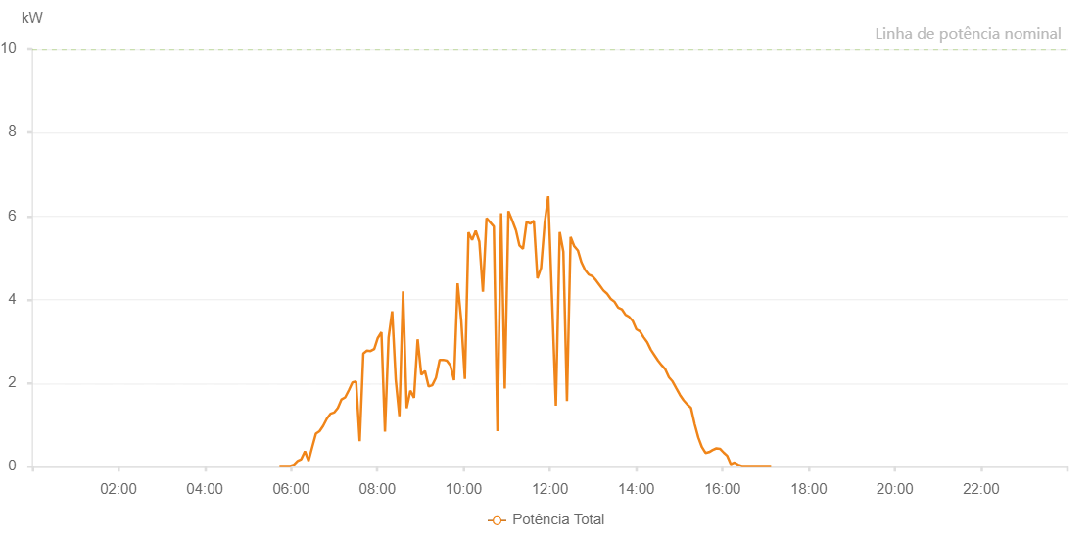

Number | Time | Working State | Alarm Code | Total Inverter Power(W)
1 | 29/07/2023 05:43:51 (UTC-4:00) | Normal |  | 20.000
2 | 29/07/2023 05:48:52 (UTC-4:00) | Normal |  | 20.000
3 | 29/07/2023 05:53:53 (UTC-4:00) | Normal |  | 20.000
4 | 29/07/2023 05:58:56 (UTC-4:00) | Normal |  | 20.000
5 | 29/07/2023 06:04:03 (UTC-4:00) | Normal |  | 50.000
6 | 29/07/2023 06:09:07 (UTC-4:00) | Normal |  | 140.000
7 | 29/07/2023 06:14:12 (UTC-4:00) | Normal |  | 180.000
8 | 29/07/2023 06:19:18 (UTC-4:00) | Normal |  | 370.000
9 | 29/07/2023 06:24:23 (UTC-4:00) | Normal |  | 140.000
10 | 29/07/2023 06:29:26 (UTC-4:00) | Normal |  | 470.000
11 | 29/07/2023 06:34:31 (UTC-4:00) | Normal |  | 790.000
12 | 29/07/2023 06:39:36 (UTC-4:00) | Normal |  | 850.000
13 | 29/07/2023 06:44:41 (UTC-4:00) | Normal |  | 980.000
14 | 29/07/2023 06:49:48 (UTC-4:00) | Normal |  | 1150.000
15 | 29/07/2023 06:54:52 (UTC-4:00) | Normal |  | 1270.000
16 | 29/07/2023 06:59:59 (UTC-4:00) | Normal |  | 1300.000
17 | 29/07/2023 07:00:10 (UTC-4:00) | Normal |  | 1300.000
18 | 29/07/2023 07:05:05 (UTC-4:00) | Normal |  | 1410.000
19 | 29/07/2023 07:10:10 (UTC-4:00) | Normal |  | 1610.000
20 | 29/07/2023 07:15:14 (UTC-4:00) | Normal |  | 1660.000
21 | 29/07/2023 07:20:20 (UTC-4:00) | Normal |  | 1830.000
22 | 29/07/2023 07:25:24 (UTC-4:00) | Normal |  | 2020.000
23 | 29/07/2023 07:30:30 (UTC-4:00) | Normal |  | 2040.000
24 | 29/07/2023 07:35:30 (UTC-4:00) | Normal |  | 610.000
25 | 29/07/2023 07:40:31 (UTC-4:00) | Normal |  | 2710.000
26 | 29/07/2023 07:45:33 (UTC-4:00) | Normal |  | 2780.000
27 | 29/07/2023 07:50:32 (UTC-4:00) | Normal |  | 2770.000
28 | 29/07/2023 07:55:41 (UTC-4:00) | Normal |  | 2820.000
29 | 29/07/2023 08:00:34 (UTC-4:00) | Normal |  | 3080.000
30 | 29/07/2023 08:05:41 (UTC-4:00) | Normal |  | 3220.000
31 | 29/07/2023 08:10:36 (UTC-4:00) | Normal |  | 840.000
32 | 29/07/2023 08:15:37 (UTC-4:00) | Normal |  | 3090.000
33 | 29/07/2023 08:20:37 (UTC-4:00) | Normal |  | 3720.000
34 | 29/07/2023 08:25:37 (UTC-4:00) | Normal |  | 2080.000
35 | 29/07/2023 08:30:39 (UTC-4:00) | Normal |  | 1210.000
36 | 29/07/2023 08:35:46 (UTC-4:00) | Normal |  | 4200.000
37 | 29/07/2023 08:40:50 (UTC-4:00) | Normal |  | 1400.000
38 | 29/07/2023 08:45:54 (UTC-4:00) | Normal |  | 1820.000
39 | 29/07/2023 08:51:00 (UTC-4:00) | Normal |  | 1650.000
40 | 29/07/2023 08:56:04 (UTC-4:00) | Normal |  | 3050.000
41 | 29/07/2023 09:01:10 (UTC-4:00) | Normal |  | 2200.000
42 | 29/07/2023 09:06:15 (UTC-4:00) | Normal |  | 2290.000
43 | 29/07/2023 09:11:21 (UTC-4:00) | Normal |  | 1920.000
44 | 29/07/2023 09:16:26 (UTC-4:00) | Normal |  | 1950.000
45 | 29/07/2023 09:21:33 (UTC-4:00) | Normal |  | 2130.000
46 | 29/07/2023 09:26:39 (UTC-4:00) | Normal |  | 2560.000
47 | 29/07/2023 09:31:40 (UTC-4:00) | Normal |  | 2560.000
48 | 29/07/2023 09:36:41 (UTC-4:00) | Normal |  | 2540.000
49 | 29/07/2023 09:41:42 (UTC-4:00) | Normal |  | 2420.000
50 | 29/07/2023 09:46:42 (UTC-4:00) | Normal |  | 2070.000
51 | 29/07/2023 09:51:43 (UTC-4:00) | Normal |  | 4390.000
52 | 29/07/2023 09:56:45 (UTC-4:00) | Normal |  | 3500.000
53 | 29/07/2023 10:01:46 (UTC-4:00) | Normal |  | 2100.000
54 | 29/07/2023 10:06:46 (UTC-4:00) | Normal |  | 5610.000
55 | 29/07/2023 10:11:48 (UTC-4:00) | Normal |  | 5430.000
56 | 29/07/2023 10:16:49 (UTC-4:00) | Normal |  | 5650.000
57 | 29/07/2023 10:21:52 (UTC-4:00) | Normal |  | 5390.000
58 | 29/07/2023 10:26:52 (UTC-4:00) | Normal |  | 4190.000
59 | 29/07/2023 10:31:53 (UTC-4:00) | Normal |  | 5950.000
60 | 29/07/2023 10:36:57 (UTC-4:00) | Normal |  | 5850.000
61 | 29/07/2023 10:42:03 (UTC-4:00) | Normal |  | 5750.000
62 | 29/07/2023 10:47:05 (UTC-4:00) | Normal |  | 850.000
63 | 29/07/2023 10:52:11 (UTC-4:00) | Normal |  | 6070.000
64 | 29/07/2023 10:57:17 (UTC-4:00) | Normal |  | 1870.000
65 | 29/07/2023 11:02:22 (UTC-4:00) | Normal |  | 6120.000
66 | 29/07/2023 11:07:33 (UTC-4:00) | Normal |  | 5900.000
67 | 29/07/2023 11:12:50 (UTC-4:00) | Normal |  | 5660.000
68 | 29/07/2023 11:12:51 (UTC-4:00) | Normal |  | 5660.000
69 | 29/07/2023 11:17:36 (UTC-4:00) | Normal |  | 5300.000
70 | 29/07/2023 11:22:36 (UTC-4:00) | Normal |  | 5220.000
71 | 29/07/2023 11:27:37 (UTC-4:00) | Normal |  | 5860.000
72 | 29/07/2023 11:32:40 (UTC-4:00) | Normal |  | 5820.000
73 | 29/07/2023 11:37:41 (UTC-4:00) | Normal |  | 5890.000
74 | 29/07/2023 11:42:41 (UTC-4:00) | Normal |  | 4510.000
75 | 29/07/2023 11:47:44 (UTC-4:00) | Normal |  | 4760.000
76 | 29/07/2023 11:52:45 (UTC-4:00) | Normal |  | 5830.000
77 | 29/07/2023 11:57:45 (UTC-4:00) | Normal |  | 6480.000
78 | 29/07/2023 12:02:47 (UTC-4:00) | Normal |  | 4110.000
79 | 29/07/2023 12:08:21 (UTC-4:00) | Normal |  | 1460.000
80 | 29/07/2023 12:13:43 (UTC-4:00) | Normal |  | 5620.000
81 | 29/07/2023 12:18:45 (UTC-4:00) | Normal |  | 5150.000
82 | 29/07/2023 12:23:47 (UTC-4:00) | Normal |  | 1570.000
83 | 29/07/2023 12:28:51 (UTC-4:00) | Normal |  | 5500.000
84 | 29/07/2023 12:33:53 (UTC-4:00) | Normal |  | 5280.000
85 | 29/07/2023 12:38:55 (UTC-4:00) | Normal |  | 5180.000
86 | 29/07/2023 12:43:57 (UTC-4:00) | Normal |  | 4890.000
87 | 29/07/2023 12:49:01 (UTC-4:00) | Normal |  | 4710.000
88 | 29/07/2023 12:54:08 (UTC-4:00) | Normal |  | 4600.000
89 | 29/07/2023 12:59:12 (UTC-4:00) | Normal |  | 4560.000
90 | 29/07/2023 13:04:19 (UTC-4:00) | Normal |  | 4460.000
91 | 29/07/2023 13:09:24 (UTC-4:00) | Normal |  | 4340.000
92 | 29/07/2023 13:14:30 (UTC-4:00) | Normal |  | 4220.000
93 | 29/07/2023 13:19:38 (UTC-4:00) | Normal |  | 4140.000
94 | 29/07/2023 13:24:44 (UTC-4:00) | Normal |  | 4020.000
95 | 29/07/2023 13:29:52 (UTC-4:00) | Normal |  | 3950.000
96 | 29/07/2023 13:34:59 (UTC-4:00) | Normal |  | 3810.000
97 | 29/07/2023 13:40:06 (UTC-4:00) | Normal |  | 3770.000
98 | 29/07/2023 13:45:10 (UTC-4:00) | Normal |  | 3640.000
99 | 29/07/2023 13:50:12 (UTC-4:00) | Normal |  | 3590.000
100 | 29/07/2023 13:55:14 (UTC-4:00) | Normal |  | 3490.000
101 | 29/07/2023 14:00:18 (UTC-4:00) | Normal |  | 3290.000
102 | 29/07/2023 14:05:20 (UTC-4:00) | Normal |  | 3240.000
103 | 29/07/2023 14:10:22 (UTC-4:00) | Normal |  | 3100.000
104 | 29/07/2023 14:15:24 (UTC-4:00) | Normal |  | 2980.000
105 | 29/07/2023 14:20:27 (UTC-4:00) | Normal |  | 2800.000
106 | 29/07/2023 14:25:29 (UTC-4:00) | Normal |  | 2670.000
107 | 29/07/2023 14:30:31 (UTC-4:00) | Normal |  | 2540.000
108 | 29/07/2023 14:35:33 (UTC-4:00) | Normal |  | 2430.000
109 | 29/07/2023 14:40:37 (UTC-4:00) | Normal |  | 2330.000
110 | 29/07/2023 14:45:39 (UTC-4:00) | Normal |  | 2140.000
111 | 29/07/2023 14:50:42 (UTC-4:00) | Normal |  | 2040.000
112 | 29/07/2023 14:55:47 (UTC-4:00) | Normal |  | 1880.000
113 | 29/07/2023 15:00:54 (UTC-4:00) | Normal |  | 1720.000
114 | 29/07/2023 15:06:02 (UTC-4:00) | Normal |  | 1590.000
115 | 29/07/2023 15:11:09 (UTC-4:00) | Normal |  | 1490.000
116 | 29/07/2023 15:16:15 (UTC-4:00) | Normal |  | 1410.000
117 | 29/07/2023 15:21:22 (UTC-4:00) | Normal |  | 1020.000
118 | 29/07/2023 15:26:26 (UTC-4:00) | Normal |  | 700.000
119 | 29/07/2023 15:31:28 (UTC-4:00) | Normal |  | 470.000
120 | 29/07/2023 15:36:30 (UTC-4:00) | Normal |  | 330.000
121 | 29/07/2023 15:41:32 (UTC-4:00) | Normal |  | 350.000
122 | 29/07/2023 15:46:34 (UTC-4:00) | Normal |  | 400.000
123 | 29/07/2023 15:51:36 (UTC-4:00) | Normal |  | 440.000
124 | 29/07/2023 15:56:38 (UTC-4:00) | Normal |  | 430.000
125 | 29/07/2023 16:01:40 (UTC-4:00) | Normal |  | 340.000
126 | 29/07/2023 16:06:44 (UTC-4:00) | Normal |  | 260.000
127 | 29/07/2023 16:11:46 (UTC-4:00) | Normal |  | 60.000
128 | 29/07/2023 16:16:49 (UTC-4:00) | Normal |  | 100.000
129 | 29/07/2023 16:21:51 (UTC-4:00) | Normal |  | 50.000
130 | 29/07/2023 16:26:53 (UTC-4:00) | Normal |  | 20.000
131 | 29/07/2023 16:32:00 (UTC-4:00) | Normal |  | 20.000
132 | 29/07/2023 16:37:07 (UTC-4:00) | Normal |  | 20.000
133 | 29/07/2023 16:42:14 (UTC-4:00) | Normal |  | 20.000
134 | 29/07/2023 16:47:21 (UTC-4:00) | Normal |  | 20.000
135 | 29/07/2023 16:52:26 (UTC-4:00) | Normal |  | 20.000
136 | 29/07/2023 16:57:33 (UTC-4:00) | Normal |  | 20.000
137 | 29/07/2023 17:02:39 (UTC-4:00) | Normal |  | 20.000
138 | 29/07/2023 17:07:45 (UTC-4:00) | Normal |  | 20.000

