Inverter History Report__17-08-
Inverter History Report_30/07/2023_Report

Inverter SN:054B7020C020042 |  | Inverter type:B7
Collector SN:4046045654 |  | Full Load Hours(h):3.17
Rated Power:10000Wp

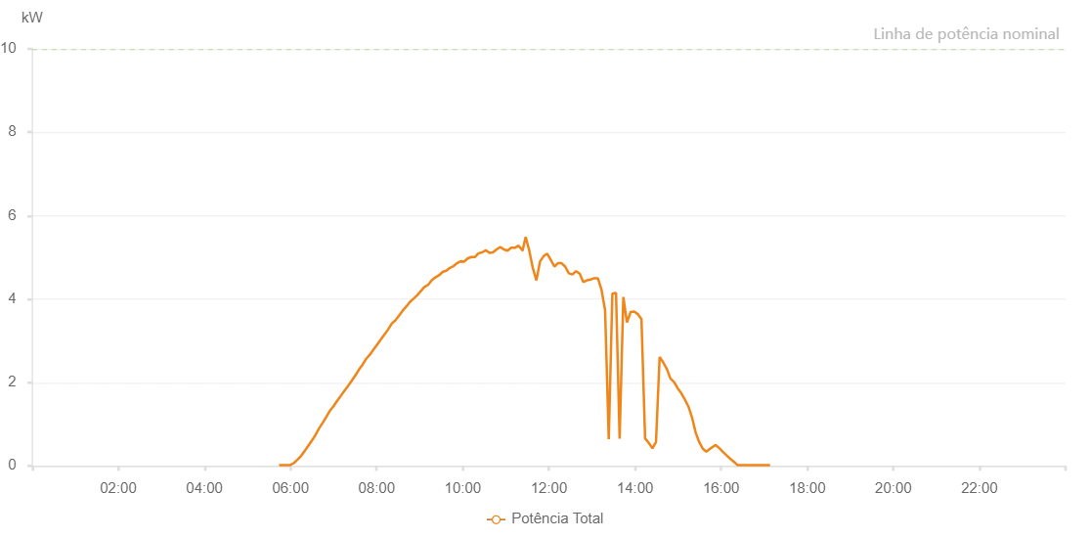

Number | Time | Working State | Alarm Code | Total Inverter Power(W)
1 | 30/07/2023 05:44:01 (UTC-4:00) | Normal |  | 20.000
2 | 30/07/2023 05:44:41 (UTC-4:00) | Normal |  | 20.000
3 | 30/07/2023 05:49:44 (UTC-4:00) | Normal |  | 20.000
4 | 30/07/2023 05:54:44 (UTC-4:00) | Normal |  | 20.000
5 | 30/07/2023 05:59:44 (UTC-4:00) | Normal |  | 20.000
6 | 30/07/2023 06:04:44 (UTC-4:00) | Normal |  | 70.000
7 | 30/07/2023 06:09:43 (UTC-4:00) | Normal |  | 150.000
8 | 30/07/2023 06:14:44 (UTC-4:00) | Normal |  | 240.000
9 | 30/07/2023 06:19:44 (UTC-4:00) | Normal |  | 360.000
10 | 30/07/2023 06:24:43 (UTC-4:00) | Normal |  | 480.000
11 | 30/07/2023 06:29:52 (UTC-4:00) | Normal |  | 610.000
12 | 30/07/2023 06:34:43 (UTC-4:00) | Normal |  | 740.000
13 | 30/07/2023 06:39:47 (UTC-4:00) | Normal |  | 900.000
14 | 30/07/2023 06:44:42 (UTC-4:00) | Normal |  | 1030.000
15 | 30/07/2023 06:49:45 (UTC-4:00) | Normal |  | 1170.000
16 | 30/07/2023 06:54:50 (UTC-4:00) | Normal |  | 1320.000
17 | 30/07/2023 06:59:54 (UTC-4:00) | Normal |  | 1430.000
18 | 30/07/2023 07:04:59 (UTC-4:00) | Normal |  | 1560.000
19 | 30/07/2023 07:10:04 (UTC-4:00) | Normal |  | 1680.000
20 | 30/07/2023 07:15:07 (UTC-4:00) | Normal |  | 1800.000
21 | 30/07/2023 07:20:13 (UTC-4:00) | Normal |  | 1920.000
22 | 30/07/2023 07:25:14 (UTC-4:00) | Normal |  | 2040.000
23 | 30/07/2023 07:30:19 (UTC-4:00) | Normal |  | 2170.000
24 | 30/07/2023 07:35:23 (UTC-4:00) | Normal |  | 2310.000
25 | 30/07/2023 07:40:29 (UTC-4:00) | Normal |  | 2430.000
26 | 30/07/2023 07:45:33 (UTC-4:00) | Normal |  | 2570.000
27 | 30/07/2023 07:50:40 (UTC-4:00) | Normal |  | 2670.000
28 | 30/07/2023 07:55:42 (UTC-4:00) | Normal |  | 2790.000
29 | 30/07/2023 08:00:45 (UTC-4:00) | Normal |  | 2910.000
30 | 30/07/2023 08:05:50 (UTC-4:00) | Normal |  | 3030.000
31 | 30/07/2023 08:10:52 (UTC-4:00) | Normal |  | 3150.000
32 | 30/07/2023 08:15:55 (UTC-4:00) | Normal |  | 3270.000
33 | 30/07/2023 08:21:00 (UTC-4:00) | Normal |  | 3410.000
34 | 30/07/2023 08:26:05 (UTC-4:00) | Normal |  | 3490.000
35 | 30/07/2023 08:31:10 (UTC-4:00) | Normal |  | 3600.000
36 | 30/07/2023 08:36:12 (UTC-4:00) | Normal |  | 3720.000
37 | 30/07/2023 08:41:17 (UTC-4:00) | Normal |  | 3820.000
38 | 30/07/2023 08:46:19 (UTC-4:00) | Normal |  | 3930.000
39 | 30/07/2023 08:51:25 (UTC-4:00) | Normal |  | 4010.000
40 | 30/07/2023 08:56:27 (UTC-4:00) | Normal |  | 4090.000
41 | 30/07/2023 09:01:32 (UTC-4:00) | Normal |  | 4190.000
42 | 30/07/2023 09:06:34 (UTC-4:00) | Normal |  | 4290.000
43 | 30/07/2023 09:11:40 (UTC-4:00) | Normal |  | 4340.000
44 | 30/07/2023 09:16:46 (UTC-4:00) | Normal |  | 4450.000
45 | 30/07/2023 09:21:47 (UTC-4:00) | Normal |  | 4520.000
46 | 30/07/2023 09:26:51 (UTC-4:00) | Normal |  | 4570.000
47 | 30/07/2023 09:31:56 (UTC-4:00) | Normal |  | 4650.000
48 | 30/07/2023 09:37:02 (UTC-4:00) | Normal |  | 4680.000
49 | 30/07/2023 09:42:04 (UTC-4:00) | Normal |  | 4750.000
50 | 30/07/2023 09:47:04 (UTC-4:00) | Normal |  | 4790.000
51 | 30/07/2023 09:52:04 (UTC-4:00) | Normal |  | 4860.000
52 | 30/07/2023 09:57:04 (UTC-4:00) | Normal |  | 4910.000
53 | 30/07/2023 10:02:03 (UTC-4:00) | Normal |  | 4900.000
54 | 30/07/2023 10:07:11 (UTC-4:00) | Normal |  | 4980.000
55 | 30/07/2023 10:12:03 (UTC-4:00) | Normal |  | 5010.000
56 | 30/07/2023 10:17:03 (UTC-4:00) | Normal |  | 5010.000
57 | 30/07/2023 10:22:03 (UTC-4:00) | Normal |  | 5100.000
58 | 30/07/2023 10:27:05 (UTC-4:00) | Normal |  | 5120.000
59 | 30/07/2023 10:32:04 (UTC-4:00) | Normal |  | 5170.000
60 | 30/07/2023 10:37:11 (UTC-4:00) | Normal |  | 5110.000
61 | 30/07/2023 10:42:06 (UTC-4:00) | Normal |  | 5120.000
62 | 30/07/2023 10:47:10 (UTC-4:00) | Normal |  | 5190.000
63 | 30/07/2023 10:52:14 (UTC-4:00) | Normal |  | 5250.000
64 | 30/07/2023 10:57:18 (UTC-4:00) | Normal |  | 5190.000
65 | 30/07/2023 11:02:23 (UTC-4:00) | Normal |  | 5160.000
66 | 30/07/2023 11:07:26 (UTC-4:00) | Normal |  | 5230.000
67 | 30/07/2023 11:12:29 (UTC-4:00) | Normal |  | 5230.000
68 | 30/07/2023 11:17:35 (UTC-4:00) | Normal |  | 5280.000
69 | 30/07/2023 11:23:13 (UTC-4:00) | Normal |  | 5170.000
70 | 30/07/2023 11:23:26 (UTC-4:00) | Normal |  | 5170.000
71 | 30/07/2023 11:27:38 (UTC-4:00) | Normal |  | 5490.000
72 | 30/07/2023 11:32:38 (UTC-4:00) | Normal |  | 5170.000
73 | 30/07/2023 11:37:40 (UTC-4:00) | Normal |  | 4740.000
74 | 30/07/2023 11:42:40 (UTC-4:00) | Normal |  | 4450.000
75 | 30/07/2023 11:47:39 (UTC-4:00) | Normal |  | 4900.000
76 | 30/07/2023 11:52:43 (UTC-4:00) | Normal |  | 5030.000
77 | 30/07/2023 11:57:40 (UTC-4:00) | Normal |  | 5090.000
78 | 30/07/2023 12:02:39 (UTC-4:00) | Normal |  | 4940.000
79 | 30/07/2023 12:07:39 (UTC-4:00) | Normal |  | 4780.000
80 | 30/07/2023 12:12:38 (UTC-4:00) | Normal |  | 4860.000
81 | 30/07/2023 12:17:39 (UTC-4:00) | Normal |  | 4860.000
82 | 30/07/2023 12:22:41 (UTC-4:00) | Normal |  | 4780.000
83 | 30/07/2023 12:27:42 (UTC-4:00) | Normal |  | 4620.000
84 | 30/07/2023 12:32:47 (UTC-4:00) | Normal |  | 4590.000
85 | 30/07/2023 12:37:52 (UTC-4:00) | Normal |  | 4670.000
86 | 30/07/2023 12:42:54 (UTC-4:00) | Normal |  | 4610.000
87 | 30/07/2023 12:47:59 (UTC-4:00) | Normal |  | 4410.000
88 | 30/07/2023 12:53:01 (UTC-4:00) | Normal |  | 4450.000
89 | 30/07/2023 12:58:06 (UTC-4:00) | Normal |  | 4470.000
90 | 30/07/2023 13:03:13 (UTC-4:00) | Normal |  | 4500.000
91 | 30/07/2023 13:08:12 (UTC-4:00) | Normal |  | 4500.000
92 | 30/07/2023 13:13:16 (UTC-4:00) | Normal |  | 4230.000
93 | 30/07/2023 13:18:21 (UTC-4:00) | Normal |  | 3730.000
94 | 30/07/2023 13:23:27 (UTC-4:00) | Normal |  | 640.000
95 | 30/07/2023 13:28:27 (UTC-4:00) | Normal |  | 4130.000
96 | 30/07/2023 13:33:34 (UTC-4:00) | Normal |  | 4150.000
97 | 30/07/2023 13:38:35 (UTC-4:00) | Normal |  | 650.000
98 | 30/07/2023 13:43:47 (UTC-4:00) | Normal |  | 4050.000
99 | 30/07/2023 13:48:44 (UTC-4:00) | Normal |  | 3440.000
100 | 30/07/2023 13:53:53 (UTC-4:00) | Normal |  | 3690.000
101 | 30/07/2023 13:58:51 (UTC-4:00) | Normal |  | 3700.000
102 | 30/07/2023 14:03:55 (UTC-4:00) | Normal |  | 3640.000
103 | 30/07/2023 14:09:02 (UTC-4:00) | Normal |  | 3520.000
104 | 30/07/2023 14:14:04 (UTC-4:00) | Normal |  | 660.000
105 | 30/07/2023 14:19:09 (UTC-4:00) | Normal |  | 550.000
106 | 30/07/2023 14:24:20 (UTC-4:00) | Normal |  | 420.000
107 | 30/07/2023 14:29:15 (UTC-4:00) | Normal |  | 570.000
108 | 30/07/2023 14:34:21 (UTC-4:00) | Normal |  | 2610.000
109 | 30/07/2023 14:39:24 (UTC-4:00) | Normal |  | 2480.000
110 | 30/07/2023 14:44:29 (UTC-4:00) | Normal |  | 2320.000
111 | 30/07/2023 14:49:31 (UTC-4:00) | Normal |  | 2090.000
112 | 30/07/2023 14:54:31 (UTC-4:00) | Normal |  | 2010.000
113 | 30/07/2023 14:59:31 (UTC-4:00) | Normal |  | 1860.000
114 | 30/07/2023 15:04:31 (UTC-4:00) | Normal |  | 1740.000
115 | 30/07/2023 15:09:31 (UTC-4:00) | Normal |  | 1590.000
116 | 30/07/2023 15:14:31 (UTC-4:00) | Normal |  | 1420.000
117 | 30/07/2023 15:19:31 (UTC-4:00) | Normal |  | 1160.000
118 | 30/07/2023 15:24:30 (UTC-4:00) | Normal |  | 800.000
119 | 30/07/2023 15:29:30 (UTC-4:00) | Normal |  | 570.000
120 | 30/07/2023 15:34:30 (UTC-4:00) | Normal |  | 410.000
121 | 30/07/2023 15:39:30 (UTC-4:00) | Normal |  | 340.000
122 | 30/07/2023 15:44:29 (UTC-4:00) | Normal |  | 410.000
123 | 30/07/2023 15:49:31 (UTC-4:00) | Normal |  | 470.000
124 | 30/07/2023 15:52:26 (UTC-4:00) | Normal |  | 500.000
125 | 30/07/2023 15:57:50 (UTC-4:00) | Normal |  | 420.000
126 | 30/07/2023 16:02:44 (UTC-4:00) | Normal |  | 330.000
127 | 30/07/2023 16:07:44 (UTC-4:00) | Normal |  | 250.000
128 | 30/07/2023 16:12:44 (UTC-4:00) | Normal |  | 170.000
129 | 30/07/2023 16:17:45 (UTC-4:00) | Normal |  | 100.000
130 | 30/07/2023 16:22:44 (UTC-4:00) | Normal |  | 20.000
131 | 30/07/2023 16:27:45 (UTC-4:00) | Normal |  | 20.000
132 | 30/07/2023 16:32:45 (UTC-4:00) | Normal |  | 20.000
133 | 30/07/2023 16:37:48 (UTC-4:00) | Normal |  | 20.000
134 | 30/07/2023 16:42:54 (UTC-4:00) | Normal |  | 20.000
135 | 30/07/2023 16:47:59 (UTC-4:00) | Normal |  | 20.000
136 | 30/07/2023 16:53:01 (UTC-4:00) | Normal |  | 20.000
137 | 30/07/2023 16:58:06 (UTC-4:00) | Normal |  | 20.000
138 | 30/07/2023 17:03:10 (UTC-4:00) | Normal |  | 20.000
139 | 30/07/2023 17:08:16 (UTC-4:00) | Normal |  | 20.000

