Inverter History Report__17-08-
Inverter History Report_02/08/2023_Report

Inverter SN:054B7020C020042 |  | Inverter type:B7
Collector SN:4046045654 |  | Full Load Hours(h):3.35
Rated Power:10000Wp

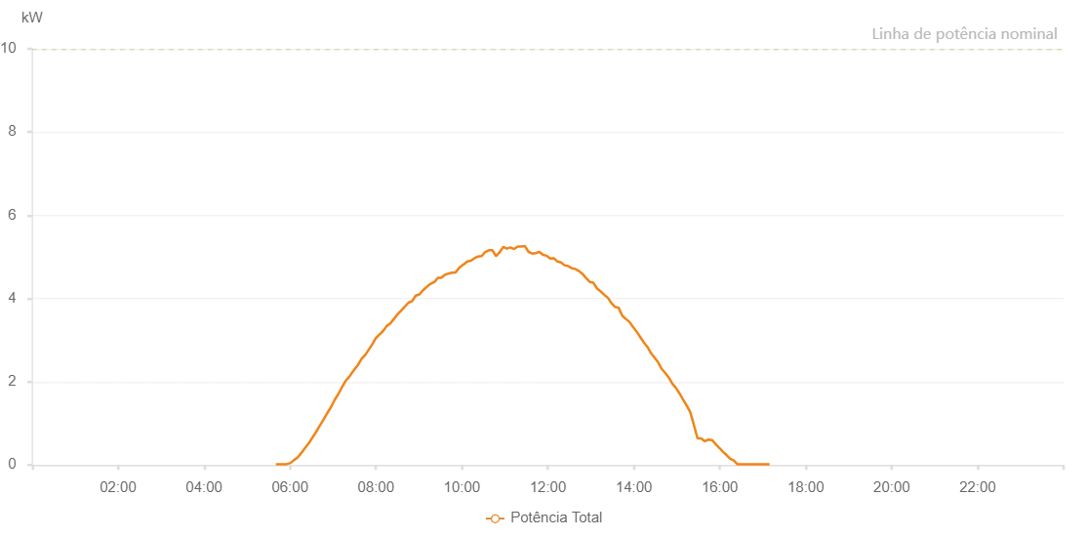

Number | Time | Working State | Alarm Code | Total Inverter Power(W)
1 | 02/08/2023 05:40:17 (UTC-4:00) | Normal |  | 20.000
2 | 02/08/2023 05:40:18 (UTC-4:00) | Normal |  | 20.000
3 | 02/08/2023 05:45:11 (UTC-4:00) | Normal |  | 20.000
4 | 02/08/2023 05:50:10 (UTC-4:00) | Normal |  | 20.000
5 | 02/08/2023 05:55:11 (UTC-4:00) | Normal |  | 20.000
6 | 02/08/2023 06:00:51 (UTC-4:00) | Normal |  | 50.000
7 | 02/08/2023 06:05:38 (UTC-4:00) | Normal |  | 120.000
8 | 02/08/2023 06:10:43 (UTC-4:00) | Normal |  | 180.000
9 | 02/08/2023 06:15:49 (UTC-4:00) | Normal |  | 290.000
10 | 02/08/2023 06:21:03 (UTC-4:00) | Normal |  | 410.000
11 | 02/08/2023 06:26:07 (UTC-4:00) | Normal |  | 520.000
12 | 02/08/2023 06:30:59 (UTC-4:00) | Normal |  | 650.000
13 | 02/08/2023 06:35:54 (UTC-4:00) | Normal |  | 780.000
14 | 02/08/2023 06:41:00 (UTC-4:00) | Normal |  | 930.000
15 | 02/08/2023 06:46:07 (UTC-4:00) | Normal |  | 1070.000
16 | 02/08/2023 06:46:44 (UTC-4:00) | Normal |  | 1090.000
17 | 02/08/2023 06:52:09 (UTC-4:00) | Normal |  | 1250.000
18 | 02/08/2023 06:57:11 (UTC-4:00) | Normal |  | 1390.000
19 | 02/08/2023 07:02:12 (UTC-4:00) | Normal |  | 1560.000
20 | 02/08/2023 07:07:38 (UTC-4:00) | Normal |  | 1710.000
21 | 02/08/2023 07:12:17 (UTC-4:00) | Normal |  | 1860.000
22 | 02/08/2023 07:17:19 (UTC-4:00) | Normal |  | 2010.000
23 | 02/08/2023 07:22:34 (UTC-4:00) | Normal |  | 2120.000
24 | 02/08/2023 07:22:48 (UTC-4:00) | Normal |  | 2120.000
25 | 02/08/2023 07:27:31 (UTC-4:00) | Normal |  | 2240.000
26 | 02/08/2023 07:27:42 (UTC-4:00) | Normal |  | 2240.000
27 | 02/08/2023 07:29:14 (UTC-4:00) | Normal |  | 2280.000
28 | 02/08/2023 07:34:47 (UTC-4:00) | Normal |  | 2400.000
29 | 02/08/2023 07:39:50 (UTC-4:00) | Normal |  | 2550.000
30 | 02/08/2023 07:45:41 (UTC-4:00) | Normal |  | 2660.000
31 | 02/08/2023 07:49:53 (UTC-4:00) | Normal |  | 2770.000
32 | 02/08/2023 07:54:54 (UTC-4:00) | Normal |  | 2900.000
33 | 02/08/2023 07:59:56 (UTC-4:00) | Normal |  | 3050.000
34 | 02/08/2023 08:05:16 (UTC-4:00) | Normal |  | 3140.000
35 | 02/08/2023 08:09:59 (UTC-4:00) | Normal |  | 3220.000
36 | 02/08/2023 08:15:00 (UTC-4:00) | Normal |  | 3340.000
37 | 02/08/2023 08:20:02 (UTC-4:00) | Normal |  | 3400.000
38 | 02/08/2023 08:25:06 (UTC-4:00) | Normal |  | 3510.000
39 | 02/08/2023 08:30:07 (UTC-4:00) | Normal |  | 3620.000
40 | 02/08/2023 08:35:10 (UTC-4:00) | Normal |  | 3710.000
41 | 02/08/2023 08:45:23 (UTC-4:00) | Normal |  | 3900.000
42 | 02/08/2023 08:50:35 (UTC-4:00) | Normal |  | 3940.000
43 | 02/08/2023 08:55:36 (UTC-4:00) | Normal |  | 4070.000
44 | 02/08/2023 09:00:42 (UTC-4:00) | Normal |  | 4100.000
45 | 02/08/2023 09:05:45 (UTC-4:00) | Normal |  | 4200.000
46 | 02/08/2023 09:10:52 (UTC-4:00) | Normal |  | 4280.000
47 | 02/08/2023 09:16:00 (UTC-4:00) | Normal |  | 4350.000
48 | 02/08/2023 09:21:53 (UTC-4:00) | Normal |  | 4400.000
49 | 02/08/2023 09:26:21 (UTC-4:00) | Normal |  | 4500.000
50 | 02/08/2023 09:26:22 (UTC-4:00) | Normal |  | 4500.000
51 | 02/08/2023 09:31:07 (UTC-4:00) | Normal |  | 4500.000
52 | 02/08/2023 09:36:09 (UTC-4:00) | Normal |  | 4570.000
53 | 02/08/2023 09:41:13 (UTC-4:00) | Normal |  | 4600.000
54 | 02/08/2023 09:46:17 (UTC-4:00) | Normal |  | 4620.000
55 | 02/08/2023 09:51:14 (UTC-4:00) | Normal |  | 4630.000
56 | 02/08/2023 09:56:16 (UTC-4:00) | Normal |  | 4740.000
57 | 02/08/2023 10:01:19 (UTC-4:00) | Normal |  | 4810.000
58 | 02/08/2023 10:01:45 (UTC-4:00) | Normal |  | 4810.000
59 | 02/08/2023 10:07:37 (UTC-4:00) | Normal |  | 4890.000
60 | 02/08/2023 10:12:33 (UTC-4:00) | Normal |  | 4910.000
61 | 02/08/2023 10:17:32 (UTC-4:00) | Normal |  | 4970.000
62 | 02/08/2023 10:22:32 (UTC-4:00) | Normal |  | 5010.000
63 | 02/08/2023 10:27:33 (UTC-4:00) | Normal |  | 5020.000
64 | 02/08/2023 10:32:32 (UTC-4:00) | Normal |  | 5120.000
65 | 02/08/2023 10:37:34 (UTC-4:00) | Normal |  | 5160.000
66 | 02/08/2023 10:42:34 (UTC-4:00) | Normal |  | 5160.000
67 | 02/08/2023 10:47:34 (UTC-4:00) | Normal |  | 5020.000
68 | 02/08/2023 10:52:34 (UTC-4:00) | Normal |  | 5110.000
69 | 02/08/2023 10:57:41 (UTC-4:00) | Normal |  | 5240.000
70 | 02/08/2023 11:02:42 (UTC-4:00) | Normal |  | 5200.000
71 | 02/08/2023 11:07:50 (UTC-4:00) | Normal |  | 5230.000
72 | 02/08/2023 11:12:52 (UTC-4:00) | Normal |  | 5190.000
73 | 02/08/2023 11:17:55 (UTC-4:00) | Normal |  | 5250.000
74 | 02/08/2023 11:23:01 (UTC-4:00) | Normal |  | 5250.000
75 | 02/08/2023 11:28:03 (UTC-4:00) | Normal |  | 5260.000
76 | 02/08/2023 11:33:07 (UTC-4:00) | Normal |  | 5120.000
77 | 02/08/2023 11:38:11 (UTC-4:00) | Normal |  | 5080.000
78 | 02/08/2023 11:43:11 (UTC-4:00) | Normal |  | 5090.000
79 | 02/08/2023 11:48:11 (UTC-4:00) | Normal |  | 5120.000
80 | 02/08/2023 11:53:11 (UTC-4:00) | Normal |  | 5050.000
81 | 02/08/2023 11:58:12 (UTC-4:00) | Normal |  | 5030.000
82 | 02/08/2023 12:03:12 (UTC-4:00) | Normal |  | 4960.000
83 | 02/08/2023 12:08:14 (UTC-4:00) | Normal |  | 4970.000
84 | 02/08/2023 12:13:13 (UTC-4:00) | Normal |  | 4890.000
85 | 02/08/2023 12:18:13 (UTC-4:00) | Normal |  | 4870.000
86 | 02/08/2023 12:23:13 (UTC-4:00) | Normal |  | 4800.000
87 | 02/08/2023 12:28:13 (UTC-4:00) | Normal |  | 4780.000
88 | 02/08/2023 12:33:13 (UTC-4:00) | Normal |  | 4730.000
89 | 02/08/2023 12:38:15 (UTC-4:00) | Normal |  | 4710.000
90 | 02/08/2023 12:43:19 (UTC-4:00) | Normal |  | 4660.000
91 | 02/08/2023 12:48:26 (UTC-4:00) | Normal |  | 4590.000
92 | 02/08/2023 12:53:26 (UTC-4:00) | Normal |  | 4490.000
93 | 02/08/2023 12:58:31 (UTC-4:00) | Normal |  | 4400.000
94 | 02/08/2023 13:03:35 (UTC-4:00) | Normal |  | 4380.000
95 | 02/08/2023 13:08:41 (UTC-4:00) | Normal |  | 4240.000
96 | 02/08/2023 13:13:42 (UTC-4:00) | Normal |  | 4170.000
97 | 02/08/2023 13:18:42 (UTC-4:00) | Normal |  | 4090.000
98 | 02/08/2023 13:23:42 (UTC-4:00) | Normal |  | 4020.000
99 | 02/08/2023 13:28:44 (UTC-4:00) | Normal |  | 3890.000
100 | 02/08/2023 13:33:44 (UTC-4:00) | Normal |  | 3800.000
101 | 02/08/2023 13:38:44 (UTC-4:00) | Normal |  | 3780.000
102 | 02/08/2023 13:43:44 (UTC-4:00) | Normal |  | 3590.000
103 | 02/08/2023 13:48:45 (UTC-4:00) | Normal |  | 3510.000
104 | 02/08/2023 13:53:45 (UTC-4:00) | Normal |  | 3440.000
105 | 02/08/2023 13:58:46 (UTC-4:00) | Normal |  | 3320.000
106 | 02/08/2023 14:03:46 (UTC-4:00) | Normal |  | 3210.000
107 | 02/08/2023 14:08:45 (UTC-4:00) | Normal |  | 3080.000
108 | 02/08/2023 14:13:45 (UTC-4:00) | Normal |  | 2950.000
109 | 02/08/2023 14:18:46 (UTC-4:00) | Normal |  | 2840.000
110 | 02/08/2023 14:18:58 (UTC-4:00) | Normal |  | 2840.000
111 | 02/08/2023 14:23:50 (UTC-4:00) | Normal |  | 2690.000
112 | 02/08/2023 14:28:50 (UTC-4:00) | Normal |  | 2580.000
113 | 02/08/2023 14:33:52 (UTC-4:00) | Normal |  | 2470.000
114 | 02/08/2023 14:38:49 (UTC-4:00) | Normal |  | 2310.000
115 | 02/08/2023 14:43:49 (UTC-4:00) | Normal |  | 2210.000
116 | 02/08/2023 14:48:49 (UTC-4:00) | Normal |  | 2100.000
117 | 02/08/2023 14:53:53 (UTC-4:00) | Normal |  | 1950.000
118 | 02/08/2023 14:58:49 (UTC-4:00) | Normal |  | 1850.000
119 | 02/08/2023 15:03:50 (UTC-4:00) | Normal |  | 1720.000
120 | 02/08/2023 15:08:50 (UTC-4:00) | Normal |  | 1570.000
121 | 02/08/2023 15:13:49 (UTC-4:00) | Normal |  | 1430.000
122 | 02/08/2023 15:18:49 (UTC-4:00) | Normal |  | 1270.000
123 | 02/08/2023 15:23:54 (UTC-4:00) | Normal |  | 960.000
124 | 02/08/2023 15:28:56 (UTC-4:00) | Normal |  | 640.000
125 | 02/08/2023 15:33:59 (UTC-4:00) | Normal |  | 640.000
126 | 02/08/2023 15:39:04 (UTC-4:00) | Normal |  | 570.000
127 | 02/08/2023 15:44:09 (UTC-4:00) | Normal |  | 610.000
128 | 02/08/2023 15:49:10 (UTC-4:00) | Normal |  | 600.000
129 | 02/08/2023 15:54:16 (UTC-4:00) | Normal |  | 500.000
130 | 02/08/2023 15:59:19 (UTC-4:00) | Normal |  | 410.000
131 | 02/08/2023 15:59:31 (UTC-4:00) | Normal |  | 410.000
132 | 02/08/2023 16:04:22 (UTC-4:00) | Normal |  | 320.000
133 | 02/08/2023 16:09:28 (UTC-4:00) | Normal |  | 240.000
134 | 02/08/2023 16:14:30 (UTC-4:00) | Normal |  | 150.000
135 | 02/08/2023 16:19:30 (UTC-4:00) | Normal |  | 110.000
136 | 02/08/2023 16:24:30 (UTC-4:00) | Normal |  | 20.000
137 | 02/08/2023 16:29:29 (UTC-4:00) | Normal |  | 20.000
138 | 02/08/2023 16:34:31 (UTC-4:00) | Normal |  | 20.000
139 | 02/08/2023 16:39:31 (UTC-4:00) | Normal |  | 20.000
140 | 02/08/2023 16:44:31 (UTC-4:00) | Normal |  | 20.000
141 | 02/08/2023 16:49:31 (UTC-4:00) | Normal |  | 20.000
142 | 02/08/2023 16:54:30 (UTC-4:00) | Normal |  | 20.000
143 | 02/08/2023 16:59:30 (UTC-4:00) | Normal |  | 20.000
144 | 02/08/2023 17:04:32 (UTC-4:00) | Normal |  | 20.000
145 | 02/08/2023 17:09:32 (UTC-4:00) | Normal |  | 20.000

