Inverter History Report__17-08-
Inverter History Report_04/08/2023_Report

Inverter SN:054B7020C020042 |  | Inverter type:B7
Collector SN:4046045654 |  | Full Load Hours(h):3.31
Rated Power:10000Wp

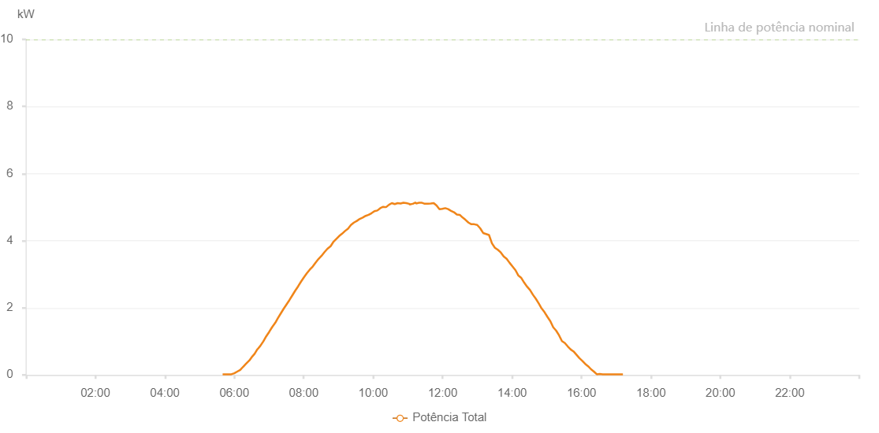

Number | Time | Working State | Alarm Code | Total Inverter Power(W)
1 | 04/08/2023 05:39:52 (UTC-4:00) | Normal |  | 20.000
2 | 04/08/2023 05:44:53 (UTC-4:00) | Normal |  | 20.000
3 | 04/08/2023 05:49:53 (UTC-4:00) | Normal |  | 20.000
4 | 04/08/2023 05:54:55 (UTC-4:00) | Normal |  | 20.000
5 | 04/08/2023 05:59:59 (UTC-4:00) | Normal |  | 50.000
6 | 04/08/2023 06:05:05 (UTC-4:00) | Normal |  | 100.000
7 | 04/08/2023 06:10:15 (UTC-4:00) | Normal |  | 150.000
8 | 04/08/2023 06:15:06 (UTC-4:00) | Normal |  | 240.000
9 | 04/08/2023 06:20:07 (UTC-4:00) | Normal |  | 330.000
10 | 04/08/2023 06:25:55 (UTC-4:00) | Normal |  | 430.000
11 | 04/08/2023 06:30:08 (UTC-4:00) | Normal |  | 530.000
12 | 04/08/2023 06:35:09 (UTC-4:00) | Normal |  | 630.000
13 | 04/08/2023 06:40:02 (UTC-4:00) | Normal |  | 770.000
14 | 04/08/2023 06:40:20 (UTC-4:00) | Normal |  | 770.000
15 | 04/08/2023 06:45:09 (UTC-4:00) | Normal |  | 870.000
16 | 04/08/2023 06:50:10 (UTC-4:00) | Normal |  | 1000.000
17 | 04/08/2023 06:55:10 (UTC-4:00) | Normal |  | 1150.000
18 | 04/08/2023 07:00:11 (UTC-4:00) | Normal |  | 1280.000
19 | 04/08/2023 07:05:11 (UTC-4:00) | Normal |  | 1420.000
20 | 04/08/2023 07:10:59 (UTC-4:00) | Normal |  | 1560.000
21 | 04/08/2023 07:15:19 (UTC-4:00) | Normal |  | 1690.000
22 | 04/08/2023 07:20:13 (UTC-4:00) | Normal |  | 1830.000
23 | 04/08/2023 07:25:13 (UTC-4:00) | Normal |  | 1970.000
24 | 04/08/2023 07:30:14 (UTC-4:00) | Normal |  | 2100.000
25 | 04/08/2023 07:35:14 (UTC-4:00) | Normal |  | 2230.000
26 | 04/08/2023 07:40:14 (UTC-4:00) | Normal |  | 2370.000
27 | 04/08/2023 07:45:15 (UTC-4:00) | Normal |  | 2510.000
28 | 04/08/2023 07:50:19 (UTC-4:00) | Normal |  | 2640.000
29 | 04/08/2023 07:55:18 (UTC-4:00) | Normal |  | 2780.000
30 | 04/08/2023 08:00:20 (UTC-4:00) | Normal |  | 2910.000
31 | 04/08/2023 08:05:27 (UTC-4:00) | Normal |  | 3030.000
32 | 04/08/2023 08:10:28 (UTC-4:00) | Normal |  | 3140.000
33 | 04/08/2023 08:15:33 (UTC-4:00) | Normal |  | 3230.000
34 | 04/08/2023 08:20:36 (UTC-4:00) | Normal |  | 3350.000
35 | 04/08/2023 08:25:41 (UTC-4:00) | Normal |  | 3460.000
36 | 04/08/2023 08:30:45 (UTC-4:00) | Normal |  | 3550.000
37 | 04/08/2023 08:35:50 (UTC-4:00) | Normal |  | 3660.000
38 | 04/08/2023 08:40:57 (UTC-4:00) | Normal |  | 3760.000
39 | 04/08/2023 08:45:59 (UTC-4:00) | Normal |  | 3830.000
40 | 04/08/2023 08:46:11 (UTC-4:00) | Normal |  | 3830.000
41 | 04/08/2023 08:51:03 (UTC-4:00) | Normal |  | 3960.000
42 | 04/08/2023 08:56:08 (UTC-4:00) | Normal |  | 4050.000
43 | 04/08/2023 09:01:14 (UTC-4:00) | Normal |  | 4140.000
44 | 04/08/2023 09:06:19 (UTC-4:00) | Normal |  | 4210.000
45 | 04/08/2023 09:11:24 (UTC-4:00) | Normal |  | 4290.000
46 | 04/08/2023 09:16:30 (UTC-4:00) | Normal |  | 4360.000
47 | 04/08/2023 09:21:34 (UTC-4:00) | Normal |  | 4470.000
48 | 04/08/2023 09:26:38 (UTC-4:00) | Normal |  | 4540.000
49 | 04/08/2023 09:31:45 (UTC-4:00) | Normal |  | 4590.000
50 | 04/08/2023 09:36:50 (UTC-4:00) | Normal |  | 4650.000
51 | 04/08/2023 09:41:54 (UTC-4:00) | Normal |  | 4690.000
52 | 04/08/2023 09:47:01 (UTC-4:00) | Normal |  | 4740.000
53 | 04/08/2023 09:52:03 (UTC-4:00) | Normal |  | 4770.000
54 | 04/08/2023 09:57:09 (UTC-4:00) | Normal |  | 4820.000
55 | 04/08/2023 10:02:11 (UTC-4:00) | Normal |  | 4880.000
56 | 04/08/2023 10:07:11 (UTC-4:00) | Normal |  | 4900.000
57 | 04/08/2023 10:12:14 (UTC-4:00) | Normal |  | 4970.000
58 | 04/08/2023 10:17:12 (UTC-4:00) | Normal |  | 5010.000
59 | 04/08/2023 10:22:13 (UTC-4:00) | Normal |  | 5000.000
60 | 04/08/2023 10:27:13 (UTC-4:00) | Normal |  | 5070.000
61 | 04/08/2023 10:32:14 (UTC-4:00) | Normal |  | 5120.000
62 | 04/08/2023 10:37:14 (UTC-4:00) | Normal |  | 5090.000
63 | 04/08/2023 10:42:15 (UTC-4:00) | Normal |  | 5120.000
64 | 04/08/2023 10:47:15 (UTC-4:00) | Normal |  | 5110.000
65 | 04/08/2023 10:52:16 (UTC-4:00) | Normal |  | 5130.000
66 | 04/08/2023 10:57:16 (UTC-4:00) | Normal |  | 5120.000
67 | 04/08/2023 11:02:21 (UTC-4:00) | Normal |  | 5100.000
68 | 04/08/2023 11:02:56 (UTC-4:00) | Normal |  | 5080.000
69 | 04/08/2023 11:08:26 (UTC-4:00) | Normal |  | 5100.000
70 | 04/08/2023 11:13:37 (UTC-4:00) | Normal |  | 5140.000
71 | 04/08/2023 11:14:00 (UTC-4:00) | Normal |  | 5110.000
72 | 04/08/2023 11:19:28 (UTC-4:00) | Normal |  | 5130.000
73 | 04/08/2023 11:24:10 (UTC-4:00) | Normal |  | 5130.000
74 | 04/08/2023 11:24:21 (UTC-4:00) | Normal |  | 5130.000
75 | 04/08/2023 11:29:11 (UTC-4:00) | Normal |  | 5100.000
76 | 04/08/2023 11:34:15 (UTC-4:00) | Normal |  | 5100.000
77 | 04/08/2023 11:39:26 (UTC-4:00) | Normal |  | 5110.000
78 | 04/08/2023 11:44:26 (UTC-4:00) | Normal |  | 5120.000
79 | 04/08/2023 11:44:38 (UTC-4:00) | Normal |  | 5120.000
80 | 04/08/2023 11:49:30 (UTC-4:00) | Normal |  | 5050.000
81 | 04/08/2023 11:54:30 (UTC-4:00) | Normal |  | 4940.000
82 | 04/08/2023 11:59:31 (UTC-4:00) | Normal |  | 4950.000
83 | 04/08/2023 12:04:33 (UTC-4:00) | Normal |  | 4970.000
84 | 04/08/2023 12:09:33 (UTC-4:00) | Normal |  | 4940.000
85 | 04/08/2023 12:14:34 (UTC-4:00) | Normal |  | 4890.000
86 | 04/08/2023 12:19:35 (UTC-4:00) | Normal |  | 4850.000
87 | 04/08/2023 12:24:35 (UTC-4:00) | Normal |  | 4780.000
88 | 04/08/2023 12:29:36 (UTC-4:00) | Normal |  | 4770.000
89 | 04/08/2023 12:34:36 (UTC-4:00) | Normal |  | 4690.000
90 | 04/08/2023 12:39:39 (UTC-4:00) | Normal |  | 4620.000
91 | 04/08/2023 12:44:40 (UTC-4:00) | Normal |  | 4540.000
92 | 04/08/2023 12:49:41 (UTC-4:00) | Normal |  | 4490.000
93 | 04/08/2023 12:54:43 (UTC-4:00) | Normal |  | 4490.000
94 | 04/08/2023 12:59:49 (UTC-4:00) | Normal |  | 4470.000
95 | 04/08/2023 13:04:57 (UTC-4:00) | Normal |  | 4370.000
96 | 04/08/2023 13:10:01 (UTC-4:00) | Normal |  | 4230.000
97 | 04/08/2023 13:15:04 (UTC-4:00) | Normal |  | 4200.000
98 | 04/08/2023 13:20:08 (UTC-4:00) | Normal |  | 4170.000
99 | 04/08/2023 13:25:16 (UTC-4:00) | Normal |  | 3920.000
100 | 04/08/2023 13:30:21 (UTC-4:00) | Normal |  | 3790.000
101 | 04/08/2023 13:35:24 (UTC-4:00) | Normal |  | 3730.000
102 | 04/08/2023 13:40:30 (UTC-4:00) | Normal |  | 3650.000
103 | 04/08/2023 13:45:34 (UTC-4:00) | Normal |  | 3530.000
104 | 04/08/2023 13:50:39 (UTC-4:00) | Normal |  | 3460.000
105 | 04/08/2023 13:55:46 (UTC-4:00) | Normal |  | 3340.000
106 | 04/08/2023 14:00:48 (UTC-4:00) | Normal |  | 3230.000
107 | 04/08/2023 14:05:56 (UTC-4:00) | Normal |  | 3120.000
108 | 04/08/2023 14:10:58 (UTC-4:00) | Normal |  | 2960.000
109 | 04/08/2023 14:15:59 (UTC-4:00) | Normal |  | 2890.000
110 | 04/08/2023 14:20:59 (UTC-4:00) | Normal |  | 2750.000
111 | 04/08/2023 14:26:01 (UTC-4:00) | Normal |  | 2630.000
112 | 04/08/2023 14:31:02 (UTC-4:00) | Normal |  | 2530.000
113 | 04/08/2023 14:36:02 (UTC-4:00) | Normal |  | 2390.000
114 | 04/08/2023 14:41:04 (UTC-4:00) | Normal |  | 2270.000
115 | 04/08/2023 14:46:04 (UTC-4:00) | Normal |  | 2130.000
116 | 04/08/2023 14:51:05 (UTC-4:00) | Normal |  | 1980.000
117 | 04/08/2023 14:56:06 (UTC-4:00) | Normal |  | 1870.000
118 | 04/08/2023 15:01:08 (UTC-4:00) | Normal |  | 1730.000
119 | 04/08/2023 15:06:09 (UTC-4:00) | Normal |  | 1600.000
120 | 04/08/2023 15:11:09 (UTC-4:00) | Normal |  | 1420.000
121 | 04/08/2023 15:16:11 (UTC-4:00) | Normal |  | 1320.000
122 | 04/08/2023 15:21:12 (UTC-4:00) | Normal |  | 1180.000
123 | 04/08/2023 15:26:12 (UTC-4:00) | Normal |  | 1010.000
124 | 04/08/2023 15:31:14 (UTC-4:00) | Normal |  | 950.000
125 | 04/08/2023 15:36:14 (UTC-4:00) | Normal |  | 850.000
126 | 04/08/2023 15:41:17 (UTC-4:00) | Normal |  | 760.000
127 | 04/08/2023 15:46:18 (UTC-4:00) | Normal |  | 700.000
128 | 04/08/2023 15:51:18 (UTC-4:00) | Normal |  | 600.000
129 | 04/08/2023 15:56:18 (UTC-4:00) | Normal |  | 500.000
130 | 04/08/2023 16:01:22 (UTC-4:00) | Normal |  | 420.000
131 | 04/08/2023 16:06:22 (UTC-4:00) | Normal |  | 330.000
132 | 04/08/2023 16:11:22 (UTC-4:00) | Normal |  | 260.000
133 | 04/08/2023 16:16:23 (UTC-4:00) | Normal |  | 170.000
134 | 04/08/2023 16:21:26 (UTC-4:00) | Normal |  | 100.000
135 | 04/08/2023 16:26:28 (UTC-4:00) | Normal |  | 20.000
136 | 04/08/2023 16:31:28 (UTC-4:00) | Normal |  | 30.000
137 | 04/08/2023 16:36:29 (UTC-4:00) | Normal |  | 20.000
138 | 04/08/2023 16:41:29 (UTC-4:00) | Normal |  | 20.000
139 | 04/08/2023 16:46:30 (UTC-4:00) | Normal |  | 20.000
140 | 04/08/2023 16:51:31 (UTC-4:00) | Normal |  | 20.000
141 | 04/08/2023 16:56:31 (UTC-4:00) | Normal |  | 20.000
142 | 04/08/2023 17:01:34 (UTC-4:00) | Normal |  | 20.000
143 | 04/08/2023 17:06:33 (UTC-4:00) | Normal |  | 20.000
144 | 04/08/2023 17:11:33 (UTC-4:00) | Normal |  | 20.000

