Inverter History Report__17-08-
Inverter History Report_06/08/2023_Report

Inverter SN:054B7020C020042 |  | Inverter type:B7
Collector SN:4046045654 |  | Full Load Hours(h):3.28
Rated Power:10000Wp

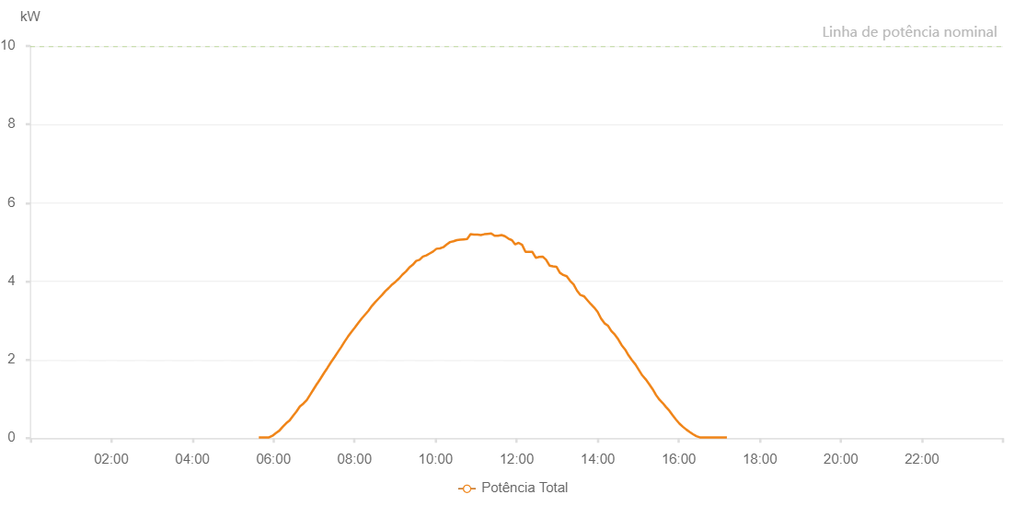

Number | Time | Working State | Alarm Code | Total Inverter Power(W)
1 | 06/08/2023 05:38:19 (UTC-4:00) | Normal |  | 20.000
2 | 06/08/2023 05:43:20 (UTC-4:00) | Normal |  | 20.000
3 | 06/08/2023 05:48:21 (UTC-4:00) | Normal |  | 20.000
4 | 06/08/2023 05:53:24 (UTC-4:00) | Normal |  | 20.000
5 | 06/08/2023 05:58:29 (UTC-4:00) | Normal |  | 60.000
6 | 06/08/2023 06:03:32 (UTC-4:00) | Normal |  | 130.000
7 | 06/08/2023 06:08:38 (UTC-4:00) | Normal |  | 190.000
8 | 06/08/2023 06:13:45 (UTC-4:00) | Normal |  | 290.000
9 | 06/08/2023 06:18:48 (UTC-4:00) | Normal |  | 380.000
10 | 06/08/2023 06:23:53 (UTC-4:00) | Normal |  | 450.000
11 | 06/08/2023 06:28:58 (UTC-4:00) | Normal |  | 570.000
12 | 06/08/2023 06:34:04 (UTC-4:00) | Normal |  | 680.000
13 | 06/08/2023 06:39:08 (UTC-4:00) | Normal |  | 810.000
14 | 06/08/2023 06:44:15 (UTC-4:00) | Normal |  | 880.000
15 | 06/08/2023 06:49:18 (UTC-4:00) | Normal |  | 970.000
16 | 06/08/2023 06:54:26 (UTC-4:00) | Normal |  | 1110.000
17 | 06/08/2023 06:59:28 (UTC-4:00) | Normal |  | 1250.000
18 | 06/08/2023 07:04:34 (UTC-4:00) | Normal |  | 1390.000
19 | 06/08/2023 07:04:46 (UTC-4:00) | Normal |  | 1390.000
20 | 06/08/2023 07:09:39 (UTC-4:00) | Normal |  | 1520.000
21 | 06/08/2023 07:14:47 (UTC-4:00) | Normal |  | 1660.000
22 | 06/08/2023 07:19:50 (UTC-4:00) | Normal |  | 1790.000
23 | 06/08/2023 07:24:54 (UTC-4:00) | Normal |  | 1930.000
24 | 06/08/2023 07:30:02 (UTC-4:00) | Normal |  | 2060.000
25 | 06/08/2023 07:35:06 (UTC-4:00) | Normal |  | 2190.000
26 | 06/08/2023 07:40:09 (UTC-4:00) | Normal |  | 2320.000
27 | 06/08/2023 07:45:16 (UTC-4:00) | Normal |  | 2460.000
28 | 06/08/2023 07:50:19 (UTC-4:00) | Normal |  | 2590.000
29 | 06/08/2023 07:55:27 (UTC-4:00) | Normal |  | 2710.000
30 | 06/08/2023 08:00:29 (UTC-4:00) | Normal |  | 2820.000
31 | 06/08/2023 08:05:34 (UTC-4:00) | Normal |  | 2940.000
32 | 06/08/2023 08:10:35 (UTC-4:00) | Normal |  | 3050.000
33 | 06/08/2023 08:15:36 (UTC-4:00) | Normal |  | 3150.000
34 | 06/08/2023 08:20:37 (UTC-4:00) | Normal |  | 3250.000
35 | 06/08/2023 08:25:40 (UTC-4:00) | Normal |  | 3370.000
36 | 06/08/2023 08:30:39 (UTC-4:00) | Normal |  | 3470.000
37 | 06/08/2023 08:35:40 (UTC-4:00) | Normal |  | 3560.000
38 | 06/08/2023 08:40:41 (UTC-4:00) | Normal |  | 3650.000
39 | 06/08/2023 08:45:42 (UTC-4:00) | Normal |  | 3750.000
40 | 06/08/2023 08:50:43 (UTC-4:00) | Normal |  | 3830.000
41 | 06/08/2023 08:55:44 (UTC-4:00) | Normal |  | 3920.000
42 | 06/08/2023 09:00:45 (UTC-4:00) | Normal |  | 3990.000
43 | 06/08/2023 09:05:49 (UTC-4:00) | Normal |  | 4070.000
44 | 06/08/2023 09:10:53 (UTC-4:00) | Normal |  | 4170.000
45 | 06/08/2023 09:16:00 (UTC-4:00) | Normal |  | 4250.000
46 | 06/08/2023 09:21:05 (UTC-4:00) | Normal |  | 4350.000
47 | 06/08/2023 09:26:09 (UTC-4:00) | Normal |  | 4420.000
48 | 06/08/2023 09:31:14 (UTC-4:00) | Normal |  | 4520.000
49 | 06/08/2023 09:36:15 (UTC-4:00) | Normal |  | 4550.000
50 | 06/08/2023 09:41:16 (UTC-4:00) | Normal |  | 4630.000
51 | 06/08/2023 09:46:17 (UTC-4:00) | Normal |  | 4660.000
52 | 06/08/2023 09:51:18 (UTC-4:00) | Normal |  | 4710.000
53 | 06/08/2023 09:56:19 (UTC-4:00) | Normal |  | 4760.000
54 | 06/08/2023 10:01:21 (UTC-4:00) | Normal |  | 4830.000
55 | 06/08/2023 10:06:21 (UTC-4:00) | Normal |  | 4840.000
56 | 06/08/2023 10:11:24 (UTC-4:00) | Normal |  | 4870.000
57 | 06/08/2023 10:16:25 (UTC-4:00) | Normal |  | 4940.000
58 | 06/08/2023 10:21:26 (UTC-4:00) | Normal |  | 5000.000
59 | 06/08/2023 10:26:27 (UTC-4:00) | Normal |  | 5020.000
60 | 06/08/2023 10:31:28 (UTC-4:00) | Normal |  | 5050.000
61 | 06/08/2023 10:36:35 (UTC-4:00) | Normal |  | 5060.000
62 | 06/08/2023 10:41:40 (UTC-4:00) | Normal |  | 5070.000
63 | 06/08/2023 10:46:44 (UTC-4:00) | Normal |  | 5080.000
64 | 06/08/2023 10:51:48 (UTC-4:00) | Normal |  | 5200.000
65 | 06/08/2023 10:56:53 (UTC-4:00) | Normal |  | 5190.000
66 | 06/08/2023 11:01:58 (UTC-4:00) | Normal |  | 5190.000
67 | 06/08/2023 11:07:03 (UTC-4:00) | Normal |  | 5180.000
68 | 06/08/2023 11:12:09 (UTC-4:00) | Normal |  | 5200.000
69 | 06/08/2023 11:17:12 (UTC-4:00) | Normal |  | 5210.000
70 | 06/08/2023 11:22:17 (UTC-4:00) | Normal |  | 5220.000
71 | 06/08/2023 11:27:23 (UTC-4:00) | Normal |  | 5160.000
72 | 06/08/2023 11:32:28 (UTC-4:00) | Normal |  | 5160.000
73 | 06/08/2023 11:37:34 (UTC-4:00) | Normal |  | 5180.000
74 | 06/08/2023 11:42:37 (UTC-4:00) | Normal |  | 5150.000
75 | 06/08/2023 11:47:43 (UTC-4:00) | Normal |  | 5090.000
76 | 06/08/2023 11:52:47 (UTC-4:00) | Normal |  | 5050.000
77 | 06/08/2023 11:52:59 (UTC-4:00) | Normal |  | 5050.000
78 | 06/08/2023 11:57:52 (UTC-4:00) | Normal |  | 4940.000
79 | 06/08/2023 12:02:57 (UTC-4:00) | Normal |  | 4980.000
80 | 06/08/2023 12:08:05 (UTC-4:00) | Normal |  | 4930.000
81 | 06/08/2023 12:13:07 (UTC-4:00) | Normal |  | 4750.000
82 | 06/08/2023 12:18:11 (UTC-4:00) | Normal |  | 4750.000
83 | 06/08/2023 12:23:16 (UTC-4:00) | Normal |  | 4750.000
84 | 06/08/2023 12:28:22 (UTC-4:00) | Normal |  | 4600.000
85 | 06/08/2023 12:33:28 (UTC-4:00) | Normal |  | 4620.000
86 | 06/08/2023 12:38:31 (UTC-4:00) | Normal |  | 4630.000
87 | 06/08/2023 12:43:36 (UTC-4:00) | Normal |  | 4550.000
88 | 06/08/2023 12:48:42 (UTC-4:00) | Normal |  | 4400.000
89 | 06/08/2023 12:53:47 (UTC-4:00) | Normal |  | 4380.000
90 | 06/08/2023 12:58:52 (UTC-4:00) | Normal |  | 4370.000
91 | 06/08/2023 13:03:57 (UTC-4:00) | Normal |  | 4220.000
92 | 06/08/2023 13:09:03 (UTC-4:00) | Normal |  | 4160.000
93 | 06/08/2023 13:14:06 (UTC-4:00) | Normal |  | 4130.000
94 | 06/08/2023 13:19:11 (UTC-4:00) | Normal |  | 4010.000
95 | 06/08/2023 13:24:18 (UTC-4:00) | Normal |  | 3920.000
96 | 06/08/2023 13:29:23 (UTC-4:00) | Normal |  | 3760.000
97 | 06/08/2023 13:34:29 (UTC-4:00) | Normal |  | 3650.000
98 | 06/08/2023 13:39:32 (UTC-4:00) | Normal |  | 3620.000
99 | 06/08/2023 13:44:39 (UTC-4:00) | Normal |  | 3520.000
100 | 06/08/2023 13:49:43 (UTC-4:00) | Normal |  | 3420.000
101 | 06/08/2023 13:54:48 (UTC-4:00) | Normal |  | 3330.000
102 | 06/08/2023 13:59:52 (UTC-4:00) | Normal |  | 3220.000
103 | 06/08/2023 14:04:58 (UTC-4:00) | Normal |  | 3050.000
104 | 06/08/2023 14:10:02 (UTC-4:00) | Normal |  | 2930.000
105 | 06/08/2023 14:15:07 (UTC-4:00) | Normal |  | 2870.000
106 | 06/08/2023 14:20:14 (UTC-4:00) | Normal |  | 2730.000
107 | 06/08/2023 14:25:20 (UTC-4:00) | Normal |  | 2640.000
108 | 06/08/2023 14:30:23 (UTC-4:00) | Normal |  | 2520.000
109 | 06/08/2023 14:35:29 (UTC-4:00) | Normal |  | 2370.000
110 | 06/08/2023 14:40:37 (UTC-4:00) | Normal |  | 2260.000
111 | 06/08/2023 14:45:42 (UTC-4:00) | Normal |  | 2110.000
112 | 06/08/2023 14:50:45 (UTC-4:00) | Normal |  | 1990.000
113 | 06/08/2023 14:55:50 (UTC-4:00) | Normal |  | 1880.000
114 | 06/08/2023 15:00:55 (UTC-4:00) | Normal |  | 1740.000
115 | 06/08/2023 15:06:00 (UTC-4:00) | Normal |  | 1600.000
116 | 06/08/2023 15:11:06 (UTC-4:00) | Normal |  | 1500.000
117 | 06/08/2023 15:16:10 (UTC-4:00) | Normal |  | 1380.000
118 | 06/08/2023 15:21:16 (UTC-4:00) | Normal |  | 1250.000
119 | 06/08/2023 15:26:22 (UTC-4:00) | Normal |  | 1100.000
120 | 06/08/2023 15:31:25 (UTC-4:00) | Normal |  | 980.000
121 | 06/08/2023 15:36:30 (UTC-4:00) | Normal |  | 890.000
122 | 06/08/2023 15:40:47 (UTC-4:00) | Normal |  | 800.000
123 | 06/08/2023 15:46:04 (UTC-4:00) | Normal |  | 700.000
124 | 06/08/2023 15:51:05 (UTC-4:00) | Normal |  | 580.000
125 | 06/08/2023 15:56:05 (UTC-4:00) | Normal |  | 470.000
126 | 06/08/2023 16:01:05 (UTC-4:00) | Normal |  | 370.000
127 | 06/08/2023 16:06:05 (UTC-4:00) | Normal |  | 290.000
128 | 06/08/2023 16:11:05 (UTC-4:00) | Normal |  | 220.000
129 | 06/08/2023 16:16:05 (UTC-4:00) | Normal |  | 160.000
130 | 06/08/2023 16:21:07 (UTC-4:00) | Normal |  | 100.000
131 | 06/08/2023 16:26:09 (UTC-4:00) | Normal |  | 50.000
132 | 06/08/2023 16:31:09 (UTC-4:00) | Normal |  | 20.000
133 | 06/08/2023 16:36:09 (UTC-4:00) | Normal |  | 20.000
134 | 06/08/2023 16:41:09 (UTC-4:00) | Normal |  | 20.000
135 | 06/08/2023 16:46:12 (UTC-4:00) | Normal |  | 20.000
136 | 06/08/2023 16:51:12 (UTC-4:00) | Normal |  | 20.000
137 | 06/08/2023 16:56:14 (UTC-4:00) | Normal |  | 20.000
138 | 06/08/2023 17:01:14 (UTC-4:00) | Normal |  | 20.000
139 | 06/08/2023 17:06:14 (UTC-4:00) | Normal |  | 20.000
140 | 06/08/2023 17:11:16 (UTC-4:00) | Normal |  | 20.000

