Inverter History Report__17-08-
Inverter History Report_12/08/2023_Report

Inverter SN:054B7020C020042 |  | Inverter type:B7
Collector SN:4046045654 |  | Full Load Hours(h):2.55
Rated Power:10000Wp

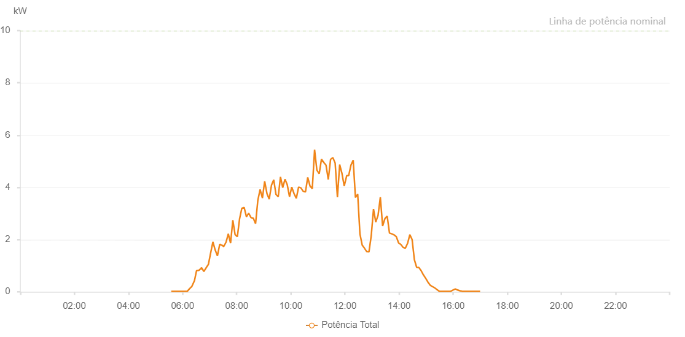

Number | Time | Working State | Alarm Code | Total Inverter Power(W)
1 | 12/08/2023 05:34:51 (UTC-4:00) | Normal |  | 20.000
2 | 12/08/2023 05:39:49 (UTC-4:00) | Normal |  | 20.000
3 | 12/08/2023 05:44:57 (UTC-4:00) | Normal |  | 20.000
4 | 12/08/2023 05:50:03 (UTC-4:00) | Normal |  | 20.000
5 | 12/08/2023 05:55:38 (UTC-4:00) | Normal |  | 20.000
6 | 12/08/2023 05:55:39 (UTC-4:00) | Normal |  | 20.000
7 | 12/08/2023 06:00:12 (UTC-4:00) | Normal |  | 20.000
8 | 12/08/2023 06:05:18 (UTC-4:00) | Normal |  | 20.000
9 | 12/08/2023 06:10:24 (UTC-4:00) | Normal |  | 20.000
10 | 12/08/2023 06:15:31 (UTC-4:00) | Normal |  | 120.000
11 | 12/08/2023 06:20:39 (UTC-4:00) | Normal |  | 210.000
12 | 12/08/2023 06:25:53 (UTC-4:00) | Normal |  | 410.000
13 | 12/08/2023 06:26:09 (UTC-4:00) | Normal |  | 410.000
14 | 12/08/2023 06:30:56 (UTC-4:00) | Normal |  | 810.000
15 | 12/08/2023 06:36:00 (UTC-4:00) | Normal |  | 820.000
16 | 12/08/2023 06:41:14 (UTC-4:00) | Normal |  | 900.000
17 | 12/08/2023 06:41:49 (UTC-4:00) | Normal |  | 930.000
18 | 12/08/2023 06:47:13 (UTC-4:00) | Normal |  | 780.000
19 | 12/08/2023 06:52:14 (UTC-4:00) | Normal |  | 920.000
20 | 12/08/2023 06:57:14 (UTC-4:00) | Normal |  | 1050.000
21 | 12/08/2023 07:02:15 (UTC-4:00) | Normal |  | 1490.000
22 | 12/08/2023 07:07:15 (UTC-4:00) | Normal |  | 1910.000
23 | 12/08/2023 07:12:18 (UTC-4:00) | Normal |  | 1600.000
24 | 12/08/2023 07:17:18 (UTC-4:00) | Normal |  | 1380.000
25 | 12/08/2023 07:22:20 (UTC-4:00) | Normal |  | 1820.000
26 | 12/08/2023 07:27:45 (UTC-4:00) | Normal |  | 1780.000
27 | 12/08/2023 07:28:09 (UTC-4:00) | Normal |  | 1780.000
28 | 12/08/2023 07:31:04 (UTC-4:00) | Normal |  | 1730.000
29 | 12/08/2023 07:36:22 (UTC-4:00) | Normal |  | 1900.000
30 | 12/08/2023 07:41:24 (UTC-4:00) | Normal |  | 2220.000
31 | 12/08/2023 07:46:24 (UTC-4:00) | Normal |  | 1860.000
32 | 12/08/2023 07:51:25 (UTC-4:00) | Normal |  | 2740.000
33 | 12/08/2023 07:56:25 (UTC-4:00) | Normal |  | 2190.000
34 | 12/08/2023 08:01:25 (UTC-4:00) | Normal |  | 2110.000
35 | 12/08/2023 08:06:25 (UTC-4:00) | Normal |  | 2800.000
36 | 12/08/2023 08:11:25 (UTC-4:00) | Normal |  | 3200.000
37 | 12/08/2023 08:16:30 (UTC-4:00) | Normal |  | 3230.000
38 | 12/08/2023 08:21:35 (UTC-4:00) | Normal |  | 2870.000
39 | 12/08/2023 08:26:37 (UTC-4:00) | Normal |  | 3010.000
40 | 12/08/2023 08:31:43 (UTC-4:00) | Normal |  | 2840.000
41 | 12/08/2023 08:36:44 (UTC-4:00) | Normal |  | 2820.000
42 | 12/08/2023 08:41:50 (UTC-4:00) | Normal |  | 2610.000
43 | 12/08/2023 08:46:54 (UTC-4:00) | Normal |  | 3510.000
44 | 12/08/2023 08:51:55 (UTC-4:00) | Normal |  | 3920.000
45 | 12/08/2023 08:57:00 (UTC-4:00) | Normal |  | 3590.000
46 | 12/08/2023 09:02:03 (UTC-4:00) | Normal |  | 4230.000
47 | 12/08/2023 09:07:07 (UTC-4:00) | Normal |  | 3760.000
48 | 12/08/2023 09:12:06 (UTC-4:00) | Normal |  | 3550.000
49 | 12/08/2023 09:17:06 (UTC-4:00) | Normal |  | 4080.000
50 | 12/08/2023 09:22:06 (UTC-4:00) | Normal |  | 4290.000
51 | 12/08/2023 09:27:05 (UTC-4:00) | Normal |  | 3730.000
52 | 12/08/2023 09:32:05 (UTC-4:00) | Normal |  | 3640.000
53 | 12/08/2023 09:37:05 (UTC-4:00) | Normal |  | 4400.000
54 | 12/08/2023 09:42:05 (UTC-4:00) | Normal |  | 3990.000
55 | 12/08/2023 09:47:05 (UTC-4:00) | Normal |  | 4310.000
56 | 12/08/2023 09:52:05 (UTC-4:00) | Normal |  | 4100.000
57 | 12/08/2023 09:57:06 (UTC-4:00) | Normal |  | 3640.000
58 | 12/08/2023 10:02:05 (UTC-4:00) | Normal |  | 4010.000
59 | 12/08/2023 10:07:09 (UTC-4:00) | Normal |  | 3760.000
60 | 12/08/2023 10:12:11 (UTC-4:00) | Normal |  | 3580.000
61 | 12/08/2023 10:17:15 (UTC-4:00) | Normal |  | 4010.000
62 | 12/08/2023 10:22:20 (UTC-4:00) | Normal |  | 3980.000
63 | 12/08/2023 10:27:22 (UTC-4:00) | Normal |  | 3850.000
64 | 12/08/2023 10:32:28 (UTC-4:00) | Normal |  | 3820.000
65 | 12/08/2023 10:37:30 (UTC-4:00) | Normal |  | 4380.000
66 | 12/08/2023 10:42:35 (UTC-4:00) | Normal |  | 4050.000
67 | 12/08/2023 10:47:37 (UTC-4:00) | Normal |  | 3950.000
68 | 12/08/2023 10:52:42 (UTC-4:00) | Normal |  | 5440.000
69 | 12/08/2023 10:57:46 (UTC-4:00) | Normal |  | 4660.000
70 | 12/08/2023 11:02:56 (UTC-4:00) | Normal |  | 4520.000
71 | 12/08/2023 11:07:57 (UTC-4:00) | Normal |  | 5080.000
72 | 12/08/2023 11:13:10 (UTC-4:00) | Normal |  | 4950.000
73 | 12/08/2023 11:18:02 (UTC-4:00) | Normal |  | 4850.000
74 | 12/08/2023 11:23:06 (UTC-4:00) | Normal |  | 4300.000
75 | 12/08/2023 11:28:10 (UTC-4:00) | Normal |  | 5070.000
76 | 12/08/2023 11:33:14 (UTC-4:00) | Normal |  | 5140.000
77 | 12/08/2023 11:38:18 (UTC-4:00) | Normal |  | 4930.000
78 | 12/08/2023 11:43:20 (UTC-4:00) | Normal |  | 3620.000
79 | 12/08/2023 11:48:20 (UTC-4:00) | Normal |  | 4870.000
80 | 12/08/2023 11:53:20 (UTC-4:00) | Normal |  | 4540.000
81 | 12/08/2023 11:58:23 (UTC-4:00) | Normal |  | 4050.000
82 | 12/08/2023 12:04:02 (UTC-4:00) | Normal |  | 4450.000
83 | 12/08/2023 12:08:19 (UTC-4:00) | Normal |  | 4450.000
84 | 12/08/2023 12:13:19 (UTC-4:00) | Normal |  | 4850.000
85 | 12/08/2023 12:18:18 (UTC-4:00) | Normal |  | 5040.000
86 | 12/08/2023 12:23:18 (UTC-4:00) | Normal |  | 3610.000
87 | 12/08/2023 12:28:18 (UTC-4:00) | Normal |  | 3740.000
88 | 12/08/2023 12:33:18 (UTC-4:00) | Normal |  | 2210.000
89 | 12/08/2023 12:38:17 (UTC-4:00) | Normal |  | 1790.000
90 | 12/08/2023 12:43:17 (UTC-4:00) | Normal |  | 1670.000
91 | 12/08/2023 12:48:17 (UTC-4:00) | Normal |  | 1540.000
92 | 12/08/2023 12:53:17 (UTC-4:00) | Normal |  | 1530.000
93 | 12/08/2023 12:58:17 (UTC-4:00) | Normal |  | 2140.000
94 | 12/08/2023 13:03:22 (UTC-4:00) | Normal |  | 3170.000
95 | 12/08/2023 13:08:22 (UTC-4:00) | Normal |  | 2670.000
96 | 12/08/2023 13:13:28 (UTC-4:00) | Normal |  | 2930.000
97 | 12/08/2023 13:18:30 (UTC-4:00) | Normal |  | 3620.000
98 | 12/08/2023 13:23:33 (UTC-4:00) | Normal |  | 2520.000
99 | 12/08/2023 13:28:38 (UTC-4:00) | Normal |  | 2800.000
100 | 12/08/2023 13:33:41 (UTC-4:00) | Normal |  | 2900.000
101 | 12/08/2023 13:38:47 (UTC-4:00) | Normal |  | 2250.000
102 | 12/08/2023 13:43:49 (UTC-4:00) | Normal |  | 2220.000
103 | 12/08/2023 13:48:52 (UTC-4:00) | Normal |  | 2180.000
104 | 12/08/2023 13:53:58 (UTC-4:00) | Normal |  | 2110.000
105 | 12/08/2023 13:59:00 (UTC-4:00) | Normal |  | 1870.000
106 | 12/08/2023 14:03:59 (UTC-4:00) | Normal |  | 1810.000
107 | 12/08/2023 14:08:59 (UTC-4:00) | Normal |  | 1700.000
108 | 12/08/2023 14:13:59 (UTC-4:00) | Normal |  | 1670.000
109 | 12/08/2023 14:18:59 (UTC-4:00) | Normal |  | 1860.000
110 | 12/08/2023 14:23:58 (UTC-4:00) | Normal |  | 2190.000
111 | 12/08/2023 14:28:58 (UTC-4:00) | Normal |  | 2000.000
112 | 12/08/2023 14:33:58 (UTC-4:00) | Normal |  | 1230.000
113 | 12/08/2023 14:38:58 (UTC-4:00) | Normal |  | 940.000
114 | 12/08/2023 14:43:57 (UTC-4:00) | Normal |  | 930.000
115 | 12/08/2023 14:48:57 (UTC-4:00) | Normal |  | 810.000
116 | 12/08/2023 14:53:57 (UTC-4:00) | Normal |  | 650.000
117 | 12/08/2023 14:58:58 (UTC-4:00) | Normal |  | 520.000
118 | 12/08/2023 15:04:03 (UTC-4:00) | Normal |  | 370.000
119 | 12/08/2023 15:09:08 (UTC-4:00) | Normal |  | 250.000
120 | 12/08/2023 15:14:10 (UTC-4:00) | Normal |  | 200.000
121 | 12/08/2023 15:19:16 (UTC-4:00) | Normal |  | 150.000
122 | 12/08/2023 15:24:17 (UTC-4:00) | Normal |  | 80.000
123 | 12/08/2023 15:29:21 (UTC-4:00) | Normal |  | 20.000
124 | 12/08/2023 15:29:33 (UTC-4:00) | Normal |  | 20.000
125 | 12/08/2023 15:34:25 (UTC-4:00) | Normal |  | 20.000
126 | 12/08/2023 15:39:30 (UTC-4:00) | Normal |  | 20.000
127 | 12/08/2023 15:44:34 (UTC-4:00) | Normal |  | 20.000
128 | 12/08/2023 15:49:36 (UTC-4:00) | Normal |  | 20.000
129 | 12/08/2023 15:54:41 (UTC-4:00) | Normal |  | 20.000
130 | 12/08/2023 15:59:44 (UTC-4:00) | Normal |  | 70.000
131 | 12/08/2023 16:04:47 (UTC-4:00) | Normal |  | 110.000
132 | 12/08/2023 16:09:46 (UTC-4:00) | Normal |  | 70.000
133 | 12/08/2023 16:14:46 (UTC-4:00) | Normal |  | 40.000
134 | 12/08/2023 16:19:46 (UTC-4:00) | Normal |  | 20.000
135 | 12/08/2023 16:24:46 (UTC-4:00) | Normal |  | 20.000
136 | 12/08/2023 16:29:46 (UTC-4:00) | Normal |  | 20.000
137 | 12/08/2023 16:34:46 (UTC-4:00) | Normal |  | 20.000
138 | 12/08/2023 16:39:46 (UTC-4:00) | Normal |  | 20.000
139 | 12/08/2023 16:44:46 (UTC-4:00) | Normal |  | 20.000
140 | 12/08/2023 16:49:46 (UTC-4:00) | Normal |  | 20.000
141 | 12/08/2023 16:54:46 (UTC-4:00) | Normal |  | 20.000
142 | 12/08/2023 16:59:46 (UTC-4:00) | Normal |  | 20.000

