Inverter History Report__17-08-
Inverter History Report_13/08/2023_Report

Inverter SN:054B7020C020042 |  | Inverter type:B7
Collector SN:4046045654 |  | Full Load Hours(h):2.27
Rated Power:10000Wp

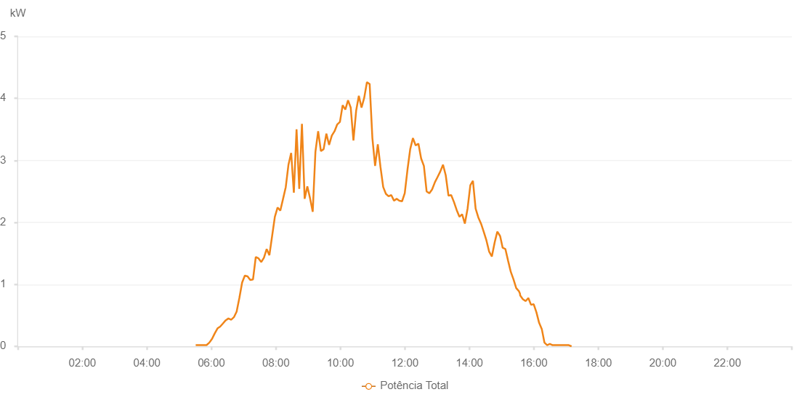

Number | Time | Working State | Alarm Code | Total Inverter Power(W)
1 | 13/08/2023 05:30:53 (UTC-4:00) | Normal |  | 20.000
2 | 13/08/2023 05:35:55 (UTC-4:00) | Normal |  | 20.000
3 | 13/08/2023 05:40:55 (UTC-4:00) | Normal |  | 20.000
4 | 13/08/2023 05:46:00 (UTC-4:00) | Normal |  | 20.000
5 | 13/08/2023 05:51:04 (UTC-4:00) | Normal |  | 20.000
6 | 13/08/2023 05:56:12 (UTC-4:00) | Normal |  | 60.000
7 | 13/08/2023 06:01:14 (UTC-4:00) | Normal |  | 120.000
8 | 13/08/2023 06:06:20 (UTC-4:00) | Normal |  | 210.000
9 | 13/08/2023 06:11:26 (UTC-4:00) | Normal |  | 290.000
10 | 13/08/2023 06:16:29 (UTC-4:00) | Normal |  | 320.000
11 | 13/08/2023 06:21:35 (UTC-4:00) | Normal |  | 370.000
12 | 13/08/2023 06:26:40 (UTC-4:00) | Normal |  | 420.000
13 | 13/08/2023 06:31:45 (UTC-4:00) | Normal |  | 450.000
14 | 13/08/2023 06:36:50 (UTC-4:00) | Normal |  | 430.000
15 | 13/08/2023 06:41:56 (UTC-4:00) | Normal |  | 470.000
16 | 13/08/2023 06:47:02 (UTC-4:00) | Normal |  | 560.000
17 | 13/08/2023 06:52:05 (UTC-4:00) | Normal |  | 780.000
18 | 13/08/2023 06:57:14 (UTC-4:00) | Normal |  | 1030.000
19 | 13/08/2023 07:02:16 (UTC-4:00) | Normal |  | 1140.000
20 | 13/08/2023 07:07:20 (UTC-4:00) | Normal |  | 1130.000
21 | 13/08/2023 07:12:26 (UTC-4:00) | Normal |  | 1070.000
22 | 13/08/2023 07:17:30 (UTC-4:00) | Normal |  | 1080.000
23 | 13/08/2023 07:22:36 (UTC-4:00) | Normal |  | 1440.000
24 | 13/08/2023 07:27:41 (UTC-4:00) | Normal |  | 1420.000
25 | 13/08/2023 07:32:46 (UTC-4:00) | Normal |  | 1360.000
26 | 13/08/2023 07:37:50 (UTC-4:00) | Normal |  | 1430.000
27 | 13/08/2023 07:42:55 (UTC-4:00) | Normal |  | 1570.000
28 | 13/08/2023 07:47:58 (UTC-4:00) | Normal |  | 1470.000
29 | 13/08/2023 07:53:03 (UTC-4:00) | Normal |  | 1780.000
30 | 13/08/2023 07:58:08 (UTC-4:00) | Normal |  | 2090.000
31 | 13/08/2023 08:03:12 (UTC-4:00) | Normal |  | 2240.000
32 | 13/08/2023 08:08:19 (UTC-4:00) | Normal |  | 2190.000
33 | 13/08/2023 08:13:25 (UTC-4:00) | Normal |  | 2380.000
34 | 13/08/2023 08:18:27 (UTC-4:00) | Normal |  | 2570.000
35 | 13/08/2023 08:23:28 (UTC-4:00) | Normal |  | 2930.000
36 | 13/08/2023 08:28:29 (UTC-4:00) | Normal |  | 3120.000
37 | 13/08/2023 08:33:29 (UTC-4:00) | Normal |  | 2480.000
38 | 13/08/2023 08:38:30 (UTC-4:00) | Normal |  | 3500.000
39 | 13/08/2023 08:43:31 (UTC-4:00) | Normal |  | 2540.000
40 | 13/08/2023 08:48:32 (UTC-4:00) | Normal |  | 3590.000
41 | 13/08/2023 08:53:34 (UTC-4:00) | Normal |  | 2380.000
42 | 13/08/2023 08:58:35 (UTC-4:00) | Normal |  | 2580.000
43 | 13/08/2023 09:03:36 (UTC-4:00) | Normal |  | 2390.000
44 | 13/08/2023 09:08:37 (UTC-4:00) | Normal |  | 2170.000
45 | 13/08/2023 09:13:38 (UTC-4:00) | Normal |  | 3140.000
46 | 13/08/2023 09:18:42 (UTC-4:00) | Normal |  | 3470.000
47 | 13/08/2023 09:23:48 (UTC-4:00) | Normal |  | 3150.000
48 | 13/08/2023 09:28:52 (UTC-4:00) | Normal |  | 3180.000
49 | 13/08/2023 09:33:59 (UTC-4:00) | Normal |  | 3430.000
50 | 13/08/2023 09:39:04 (UTC-4:00) | Normal |  | 3250.000
51 | 13/08/2023 09:44:09 (UTC-4:00) | Normal |  | 3400.000
52 | 13/08/2023 09:49:12 (UTC-4:00) | Normal |  | 3470.000
53 | 13/08/2023 09:54:12 (UTC-4:00) | Normal |  | 3580.000
54 | 13/08/2023 09:59:13 (UTC-4:00) | Normal |  | 3620.000
55 | 13/08/2023 10:04:16 (UTC-4:00) | Normal |  | 3890.000
56 | 13/08/2023 10:09:17 (UTC-4:00) | Normal |  | 3820.000
57 | 13/08/2023 10:14:18 (UTC-4:00) | Normal |  | 3970.000
58 | 13/08/2023 10:19:19 (UTC-4:00) | Normal |  | 3850.000
59 | 13/08/2023 10:24:21 (UTC-4:00) | Normal |  | 3320.000
60 | 13/08/2023 10:29:22 (UTC-4:00) | Normal |  | 3800.000
61 | 13/08/2023 10:34:23 (UTC-4:00) | Normal |  | 4040.000
62 | 13/08/2023 10:39:24 (UTC-4:00) | Normal |  | 3850.000
63 | 13/08/2023 10:44:25 (UTC-4:00) | Normal |  | 4010.000
64 | 13/08/2023 10:49:27 (UTC-4:00) | Normal |  | 4260.000
65 | 13/08/2023 10:54:31 (UTC-4:00) | Normal |  | 4230.000
66 | 13/08/2023 10:59:35 (UTC-4:00) | Normal |  | 3360.000
67 | 13/08/2023 11:04:40 (UTC-4:00) | Normal |  | 2910.000
68 | 13/08/2023 11:09:41 (UTC-4:00) | Normal |  | 3260.000
69 | 13/08/2023 11:14:42 (UTC-4:00) | Normal |  | 2890.000
70 | 13/08/2023 11:19:43 (UTC-4:00) | Normal |  | 2570.000
71 | 13/08/2023 11:24:43 (UTC-4:00) | Normal |  | 2460.000
72 | 13/08/2023 11:29:44 (UTC-4:00) | Normal |  | 2420.000
73 | 13/08/2023 11:34:45 (UTC-4:00) | Normal |  | 2440.000
74 | 13/08/2023 11:39:46 (UTC-4:00) | Normal |  | 2350.000
75 | 13/08/2023 11:44:47 (UTC-4:00) | Normal |  | 2380.000
76 | 13/08/2023 11:49:48 (UTC-4:00) | Normal |  | 2350.000
77 | 13/08/2023 11:54:48 (UTC-4:00) | Normal |  | 2340.000
78 | 13/08/2023 11:59:49 (UTC-4:00) | Normal |  | 2470.000
79 | 13/08/2023 12:04:54 (UTC-4:00) | Normal |  | 2850.000
80 | 13/08/2023 12:09:58 (UTC-4:00) | Normal |  | 3180.000
81 | 13/08/2023 12:15:03 (UTC-4:00) | Normal |  | 3360.000
82 | 13/08/2023 12:20:08 (UTC-4:00) | Normal |  | 3240.000
83 | 13/08/2023 12:25:14 (UTC-4:00) | Normal |  | 3270.000
84 | 13/08/2023 12:30:19 (UTC-4:00) | Normal |  | 3030.000
85 | 13/08/2023 12:35:25 (UTC-4:00) | Normal |  | 2910.000
86 | 13/08/2023 12:40:30 (UTC-4:00) | Normal |  | 2500.000
87 | 13/08/2023 12:45:36 (UTC-4:00) | Normal |  | 2470.000
88 | 13/08/2023 12:50:41 (UTC-4:00) | Normal |  | 2530.000
89 | 13/08/2023 12:56:02 (UTC-4:00) | Normal |  | 2650.000
90 | 13/08/2023 13:00:48 (UTC-4:00) | Normal |  | 2730.000
91 | 13/08/2023 13:05:54 (UTC-4:00) | Normal |  | 2820.000
92 | 13/08/2023 13:11:01 (UTC-4:00) | Normal |  | 2930.000
93 | 13/08/2023 13:16:04 (UTC-4:00) | Normal |  | 2760.000
94 | 13/08/2023 13:21:11 (UTC-4:00) | Normal |  | 2430.000
95 | 13/08/2023 13:26:13 (UTC-4:00) | Normal |  | 2440.000
96 | 13/08/2023 13:31:18 (UTC-4:00) | Normal |  | 2330.000
97 | 13/08/2023 13:36:23 (UTC-4:00) | Normal |  | 2200.000
98 | 13/08/2023 13:41:31 (UTC-4:00) | Normal |  | 2090.000
99 | 13/08/2023 13:46:33 (UTC-4:00) | Normal |  | 2130.000
100 | 13/08/2023 13:51:38 (UTC-4:00) | Normal |  | 1980.000
101 | 13/08/2023 13:56:40 (UTC-4:00) | Normal |  | 2220.000
102 | 13/08/2023 14:01:51 (UTC-4:00) | Normal |  | 2600.000
103 | 13/08/2023 14:06:40 (UTC-4:00) | Normal |  | 2670.000
104 | 13/08/2023 14:11:41 (UTC-4:00) | Normal |  | 2220.000
105 | 13/08/2023 14:16:42 (UTC-4:00) | Normal |  | 2080.000
106 | 13/08/2023 14:21:43 (UTC-4:00) | Normal |  | 1980.000
107 | 13/08/2023 14:26:44 (UTC-4:00) | Normal |  | 1850.000
108 | 13/08/2023 14:31:44 (UTC-4:00) | Normal |  | 1710.000
109 | 13/08/2023 14:36:45 (UTC-4:00) | Normal |  | 1530.000
110 | 13/08/2023 14:41:51 (UTC-4:00) | Normal |  | 1450.000
111 | 13/08/2023 14:47:12 (UTC-4:00) | Normal |  | 1680.000
112 | 13/08/2023 14:51:59 (UTC-4:00) | Normal |  | 1850.000
113 | 13/08/2023 14:57:13 (UTC-4:00) | Normal |  | 1780.000
114 | 13/08/2023 14:57:14 (UTC-4:00) | Normal |  | 1780.000
115 | 13/08/2023 15:02:00 (UTC-4:00) | Normal |  | 1590.000
116 | 13/08/2023 15:07:04 (UTC-4:00) | Normal |  | 1570.000
117 | 13/08/2023 15:12:07 (UTC-4:00) | Normal |  | 1380.000
118 | 13/08/2023 15:17:09 (UTC-4:00) | Normal |  | 1200.000
119 | 13/08/2023 15:22:08 (UTC-4:00) | Normal |  | 1080.000
120 | 13/08/2023 15:27:12 (UTC-4:00) | Normal |  | 940.000
121 | 13/08/2023 15:32:13 (UTC-4:00) | Normal |  | 890.000
122 | 13/08/2023 15:34:12 (UTC-4:00) | Normal |  | 850.000
123 | 13/08/2023 15:34:36 (UTC-4:00) | Normal |  | 820.000
124 | 13/08/2023 15:39:38 (UTC-4:00) | Normal |  | 760.000
125 | 13/08/2023 15:44:46 (UTC-4:00) | Normal |  | 730.000
126 | 13/08/2023 15:49:46 (UTC-4:00) | Normal |  | 780.000
127 | 13/08/2023 15:54:46 (UTC-4:00) | Normal |  | 670.000
128 | 13/08/2023 15:59:46 (UTC-4:00) | Normal |  | 680.000
129 | 13/08/2023 16:04:47 (UTC-4:00) | Normal |  | 550.000
130 | 13/08/2023 16:09:47 (UTC-4:00) | Normal |  | 380.000
131 | 13/08/2023 16:14:47 (UTC-4:00) | Normal |  | 280.000
132 | 13/08/2023 16:19:47 (UTC-4:00) | Normal |  | 60.000
133 | 13/08/2023 16:24:47 (UTC-4:00) | Normal |  | 20.000
134 | 13/08/2023 16:29:47 (UTC-4:00) | Normal |  | 40.000
135 | 13/08/2023 16:34:47 (UTC-4:00) | Normal |  | 20.000
136 | 13/08/2023 16:39:48 (UTC-4:00) | Normal |  | 20.000
137 | 13/08/2023 16:44:47 (UTC-4:00) | Normal |  | 20.000
138 | 13/08/2023 16:49:49 (UTC-4:00) | Normal |  | 20.000
139 | 13/08/2023 16:54:54 (UTC-4:00) | Normal |  | 20.000
140 | 13/08/2023 16:59:57 (UTC-4:00) | Normal |  | 20.000
141 | 13/08/2023 17:05:02 (UTC-4:00) | Normal |  | 20.000
142 | 13/08/2023 17:10:08 (UTC-4:00) | Normal |  | 0.000

