Inverter History Report__17-08-
Inverter History Report_16/08/2023_Report

Inverter SN:054B7020C020042 |  | Inverter type:B7
Collector SN:4046045654 |  | Full Load Hours(h):2.00
Rated Power:10000Wp

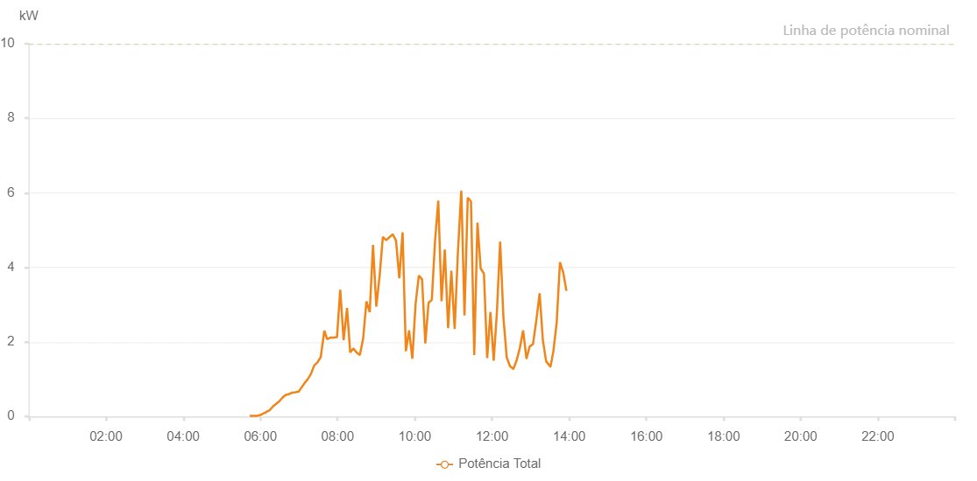

Number | Time | Working State | Alarm Code | Total Inverter Power(W)
1 | 16/08/2023 05:43:24 (UTC-4:00) | Normal |  | 20.000
2 | 16/08/2023 05:49:31 (UTC-4:00) | Normal |  | 20.000
3 | 16/08/2023 05:55:00 (UTC-4:00) | Normal |  | 20.000
4 | 16/08/2023 05:55:01 (UTC-4:00) | Normal |  | 20.000
5 | 16/08/2023 05:55:12 (UTC-4:00) | Normal |  | 20.000
6 | 16/08/2023 05:59:54 (UTC-4:00) | Normal |  | 40.000
7 | 16/08/2023 06:06:50 (UTC-4:00) | Normal |  | 100.000
8 | 16/08/2023 06:07:51 (UTC-4:00) | Normal |  | 100.000
9 | 16/08/2023 06:08:44 (UTC-4:00) | Normal |  | 120.000
10 | 16/08/2023 06:09:27 (UTC-4:00) | Normal |  | 130.000
11 | 16/08/2023 06:09:39 (UTC-4:00) | Normal |  | 130.000
12 | 16/08/2023 06:14:28 (UTC-4:00) | Normal |  | 170.000
13 | 16/08/2023 06:19:28 (UTC-4:00) | Normal |  | 270.000
14 | 16/08/2023 06:24:28 (UTC-4:00) | Normal |  | 340.000
15 | 16/08/2023 06:29:29 (UTC-4:00) | Normal |  | 410.000
16 | 16/08/2023 06:34:29 (UTC-4:00) | Normal |  | 510.000
17 | 16/08/2023 06:39:29 (UTC-4:00) | Normal |  | 580.000
18 | 16/08/2023 06:44:36 (UTC-4:00) | Normal |  | 600.000
19 | 16/08/2023 06:49:29 (UTC-4:00) | Normal |  | 640.000
20 | 16/08/2023 06:54:35 (UTC-4:00) | Normal |  | 650.000
21 | 16/08/2023 06:59:31 (UTC-4:00) | Normal |  | 670.000
22 | 16/08/2023 07:03:08 (UTC-4:00) | Normal |  | 760.000
23 | 16/08/2023 07:08:28 (UTC-4:00) | Normal |  | 890.000
24 | 16/08/2023 07:13:30 (UTC-4:00) | Normal |  | 1000.000
25 | 16/08/2023 07:18:33 (UTC-4:00) | Normal |  | 1140.000
26 | 16/08/2023 07:23:36 (UTC-4:00) | Normal |  | 1370.000
27 | 16/08/2023 07:28:42 (UTC-4:00) | Normal |  | 1450.000
28 | 16/08/2023 07:33:42 (UTC-4:00) | Normal |  | 1590.000
29 | 16/08/2023 07:39:24 (UTC-4:00) | Normal |  | 2300.000
30 | 16/08/2023 07:43:49 (UTC-4:00) | Normal |  | 2070.000
31 | 16/08/2023 07:48:58 (UTC-4:00) | Normal |  | 2120.000
32 | 16/08/2023 07:54:02 (UTC-4:00) | Normal |  | 2120.000
33 | 16/08/2023 07:59:05 (UTC-4:00) | Normal |  | 2130.000
34 | 16/08/2023 08:04:06 (UTC-4:00) | Normal |  | 3400.000
35 | 16/08/2023 08:09:20 (UTC-4:00) | Normal |  | 2050.000
36 | 16/08/2023 08:14:42 (UTC-4:00) | Normal |  | 2910.000
37 | 16/08/2023 08:19:33 (UTC-4:00) | Normal |  | 1720.000
38 | 16/08/2023 08:24:24 (UTC-4:00) | Normal |  | 1820.000
39 | 16/08/2023 08:24:35 (UTC-4:00) | Normal |  | 1820.000
40 | 16/08/2023 08:29:31 (UTC-4:00) | Normal |  | 1720.000
41 | 16/08/2023 08:34:37 (UTC-4:00) | Normal |  | 1650.000
42 | 16/08/2023 08:39:46 (UTC-4:00) | Normal |  | 2100.000
43 | 16/08/2023 08:44:50 (UTC-4:00) | Normal |  | 3090.000
44 | 16/08/2023 08:49:56 (UTC-4:00) | Normal |  | 2800.000
45 | 16/08/2023 08:55:04 (UTC-4:00) | Normal |  | 4600.000
46 | 16/08/2023 09:00:09 (UTC-4:00) | Normal |  | 2950.000
47 | 16/08/2023 09:05:18 (UTC-4:00) | Normal |  | 3770.000
48 | 16/08/2023 09:10:22 (UTC-4:00) | Normal |  | 4820.000
49 | 16/08/2023 09:15:28 (UTC-4:00) | Normal |  | 4730.000
50 | 16/08/2023 09:20:36 (UTC-4:00) | Normal |  | 4810.000
51 | 16/08/2023 09:25:44 (UTC-4:00) | Normal |  | 4890.000
52 | 16/08/2023 09:30:50 (UTC-4:00) | Normal |  | 4720.000
53 | 16/08/2023 09:35:55 (UTC-4:00) | Normal |  | 3710.000
54 | 16/08/2023 09:41:03 (UTC-4:00) | Normal |  | 4940.000
55 | 16/08/2023 09:46:07 (UTC-4:00) | Normal |  | 1750.000
56 | 16/08/2023 09:51:09 (UTC-4:00) | Normal |  | 2310.000
57 | 16/08/2023 09:56:12 (UTC-4:00) | Normal |  | 1550.000
58 | 16/08/2023 10:01:14 (UTC-4:00) | Normal |  | 3020.000
59 | 16/08/2023 10:06:18 (UTC-4:00) | Normal |  | 3780.000
60 | 16/08/2023 10:11:18 (UTC-4:00) | Normal |  | 3680.000
61 | 16/08/2023 10:16:21 (UTC-4:00) | Normal |  | 1960.000
62 | 16/08/2023 10:21:23 (UTC-4:00) | Normal |  | 3050.000
63 | 16/08/2023 10:26:28 (UTC-4:00) | Normal |  | 3130.000
64 | 16/08/2023 10:31:30 (UTC-4:00) | Normal |  | 4710.000
65 | 16/08/2023 10:36:32 (UTC-4:00) | Normal |  | 5790.000
66 | 16/08/2023 10:41:34 (UTC-4:00) | Normal |  | 3090.000
67 | 16/08/2023 10:46:40 (UTC-4:00) | Normal |  | 4480.000
68 | 16/08/2023 10:51:49 (UTC-4:00) | Normal |  | 2370.000
69 | 16/08/2023 10:56:50 (UTC-4:00) | Normal |  | 3910.000
70 | 16/08/2023 11:01:59 (UTC-4:00) | Normal |  | 2350.000
71 | 16/08/2023 11:07:03 (UTC-4:00) | Normal |  | 4420.000
72 | 16/08/2023 11:12:12 (UTC-4:00) | Normal |  | 6040.000
73 | 16/08/2023 11:12:24 (UTC-4:00) | Normal |  | 6040.000
74 | 16/08/2023 11:17:17 (UTC-4:00) | Normal |  | 2710.000
75 | 16/08/2023 11:22:19 (UTC-4:00) | Normal |  | 5870.000
76 | 16/08/2023 11:27:21 (UTC-4:00) | Normal |  | 5770.000
77 | 16/08/2023 11:32:26 (UTC-4:00) | Normal |  | 1650.000
78 | 16/08/2023 11:37:26 (UTC-4:00) | Normal |  | 5200.000
79 | 16/08/2023 11:42:28 (UTC-4:00) | Normal |  | 3970.000
80 | 16/08/2023 11:47:32 (UTC-4:00) | Normal |  | 3830.000
81 | 16/08/2023 11:52:34 (UTC-4:00) | Normal |  | 1570.000
82 | 16/08/2023 11:57:36 (UTC-4:00) | Normal |  | 2800.000
83 | 16/08/2023 12:02:39 (UTC-4:00) | Normal |  | 1500.000
84 | 16/08/2023 12:07:41 (UTC-4:00) | Normal |  | 2800.000
85 | 16/08/2023 12:12:43 (UTC-4:00) | Normal |  | 4690.000
86 | 16/08/2023 12:17:46 (UTC-4:00) | Normal |  | 2660.000
87 | 16/08/2023 12:22:55 (UTC-4:00) | Normal |  | 1590.000
88 | 16/08/2023 12:28:02 (UTC-4:00) | Normal |  | 1350.000
89 | 16/08/2023 12:33:07 (UTC-4:00) | Normal |  | 1280.000
90 | 16/08/2023 12:33:23 (UTC-4:00) | Normal |  | 1280.000
91 | 16/08/2023 12:38:15 (UTC-4:00) | Normal |  | 1500.000
92 | 16/08/2023 12:43:21 (UTC-4:00) | Normal |  | 1840.000
93 | 16/08/2023 12:48:28 (UTC-4:00) | Normal |  | 2310.000
94 | 16/08/2023 12:53:33 (UTC-4:00) | Normal |  | 1560.000
95 | 16/08/2023 12:53:46 (UTC-4:00) | Normal |  | 1560.000
96 | 16/08/2023 12:58:39 (UTC-4:00) | Normal |  | 1880.000
97 | 16/08/2023 13:03:45 (UTC-4:00) | Normal |  | 1940.000
98 | 16/08/2023 13:08:53 (UTC-4:00) | Normal |  | 2570.000
99 | 16/08/2023 13:13:58 (UTC-4:00) | Normal |  | 3290.000
100 | 16/08/2023 13:14:10 (UTC-4:00) | Normal |  | 3290.000
101 | 16/08/2023 13:19:06 (UTC-4:00) | Normal |  | 2050.000
102 | 16/08/2023 13:24:11 (UTC-4:00) | Normal |  | 1480.000
103 | 16/08/2023 13:30:51 (UTC-4:00) | Normal |  | 1340.000
104 | 16/08/2023 13:30:52 (UTC-4:00) | Normal |  | 1340.000
105 | 16/08/2023 13:31:02 (UTC-4:00) | Normal |  | 1340.000
106 | 16/08/2023 13:35:27 (UTC-4:00) | Normal |  | 1750.000
107 | 16/08/2023 13:40:33 (UTC-4:00) | Normal |  | 2510.000
108 | 16/08/2023 13:45:42 (UTC-4:00) | Normal |  | 4140.000
109 | 16/08/2023 13:50:41 (UTC-4:00) | Normal |  | 3870.000
110 | 16/08/2023 13:55:44 (UTC-4:00) | Normal |  | 3370.000

