Inverter History Report__17-08-
Inverter History Report_04/06/2022_Report

Inverter SN:054B7020C020044 |  | Inverter type:B7
Collector SN:4045086367 |  | Full Load Hours(h):3.72
Rated Power:10000Wp

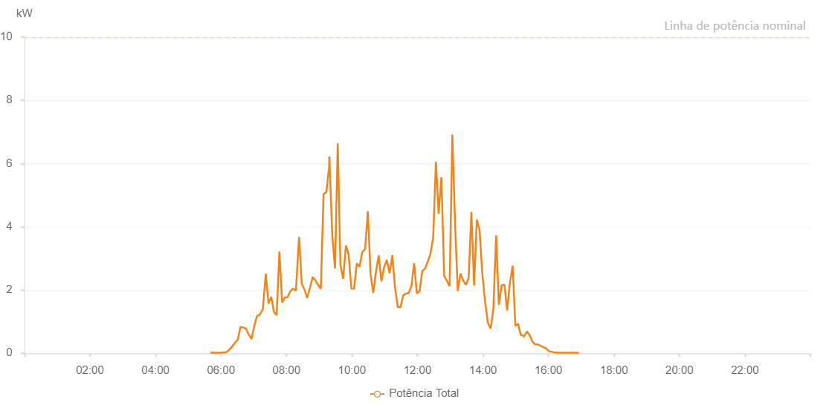

Number | Time | Working State | Alarm Code | Total Inverter Power(W)
1 | 04/06/2022 05:37:24 (UTC-4:00) | Normal |  | 20.000
2 | 04/06/2022 05:42:25 (UTC-4:00) | Normal |  | 20.000
3 | 04/06/2022 05:47:25 (UTC-4:00) | Normal |  | 20.000
4 | 04/06/2022 05:52:29 (UTC-4:00) | Normal |  | 20.000
5 | 04/06/2022 05:57:31 (UTC-4:00) | Normal |  | 20.000
6 | 04/06/2022 06:02:36 (UTC-4:00) | Normal |  | 60.000
7 | 04/06/2022 06:07:40 (UTC-4:00) | Normal |  | 110.000
8 | 04/06/2022 06:12:46 (UTC-4:00) | Normal |  | 180.000
9 | 04/06/2022 06:17:50 (UTC-4:00) | Normal |  | 290.000
10 | 04/06/2022 06:22:51 (UTC-4:00) | Normal |  | 470.000
11 | 04/06/2022 06:27:51 (UTC-4:00) | Normal |  | 420.000
12 | 04/06/2022 06:32:52 (UTC-4:00) | Normal |  | 360.000
13 | 04/06/2022 06:37:53 (UTC-4:00) | Normal |  | 430.000
14 | 04/06/2022 06:42:53 (UTC-4:00) | Normal |  | 500.000
15 | 04/06/2022 06:47:54 (UTC-4:00) | Normal |  | 860.000
16 | 04/06/2022 06:52:54 (UTC-4:00) | Normal |  | 990.000
17 | 04/06/2022 06:57:55 (UTC-4:00) | Normal |  | 1380.000
18 | 04/06/2022 07:02:56 (UTC-4:00) | Normal |  | 1510.000
19 | 04/06/2022 07:07:58 (UTC-4:00) | Normal |  | 1710.000
20 | 04/06/2022 07:12:58 (UTC-4:00) | Normal |  | 1790.000
21 | 04/06/2022 07:18:01 (UTC-4:00) | Normal |  | 1870.000
22 | 04/06/2022 07:23:06 (UTC-4:00) | Normal |  | 2120.000
23 | 04/06/2022 07:28:09 (UTC-4:00) | Normal |  | 2430.000
24 | 04/06/2022 07:33:13 (UTC-4:00) | Normal |  | 2640.000
25 | 04/06/2022 07:38:22 (UTC-4:00) | Normal |  | 2880.000
26 | 04/06/2022 07:43:23 (UTC-4:00) | Normal |  | 3140.000
27 | 04/06/2022 07:48:26 (UTC-4:00) | Normal |  | 3450.000
28 | 04/06/2022 07:53:32 (UTC-4:00) | Normal |  | 3010.000
29 | 04/06/2022 07:58:38 (UTC-4:00) | Normal |  | 3530.000
30 | 04/06/2022 08:03:41 (UTC-4:00) | Normal |  | 3660.000
31 | 04/06/2022 08:03:52 (UTC-4:00) | Normal |  | 3660.000
32 | 04/06/2022 08:08:44 (UTC-4:00) | Normal |  | 3800.000
33 | 04/06/2022 08:13:45 (UTC-4:00) | Normal |  | 3910.000
34 | 04/06/2022 08:18:45 (UTC-4:00) | Normal |  | 4030.000
35 | 04/06/2022 08:23:46 (UTC-4:00) | Normal |  | 4160.000
36 | 04/06/2022 08:28:46 (UTC-4:00) | Normal |  | 4330.000
37 | 04/06/2022 08:33:47 (UTC-4:00) | Normal |  | 4430.000
38 | 04/06/2022 08:38:47 (UTC-4:00) | Normal |  | 4520.000
39 | 04/06/2022 08:43:48 (UTC-4:00) | Normal |  | 4610.000
40 | 04/06/2022 08:48:48 (UTC-4:00) | Normal |  | 4720.000
41 | 04/06/2022 08:53:49 (UTC-4:00) | Normal |  | 4830.000
42 | 04/06/2022 08:58:49 (UTC-4:00) | Normal |  | 4950.000
43 | 04/06/2022 09:03:50 (UTC-4:00) | Normal |  | 5010.000
44 | 04/06/2022 09:08:51 (UTC-4:00) | Normal |  | 5130.000
45 | 04/06/2022 09:13:56 (UTC-4:00) | Normal |  | 5190.000
46 | 04/06/2022 09:19:00 (UTC-4:00) | Normal |  | 5250.000
47 | 04/06/2022 09:24:06 (UTC-4:00) | Normal |  | 5300.000
48 | 04/06/2022 09:29:09 (UTC-4:00) | Normal |  | 5400.000
49 | 04/06/2022 09:34:14 (UTC-4:00) | Normal |  | 5470.000
50 | 04/06/2022 09:39:18 (UTC-4:00) | Normal |  | 5520.000
51 | 04/06/2022 09:44:24 (UTC-4:00) | Normal |  | 5510.000
52 | 04/06/2022 09:44:43 (UTC-4:00) | Normal |  | 5510.000
53 | 04/06/2022 09:49:34 (UTC-4:00) | Normal |  | 5610.000
54 | 04/06/2022 09:54:32 (UTC-4:00) | Normal |  | 5620.000
55 | 04/06/2022 09:59:43 (UTC-4:00) | Normal |  | 5640.000
56 | 04/06/2022 10:04:45 (UTC-4:00) | Normal |  | 5700.000
57 | 04/06/2022 10:05:07 (UTC-4:00) | Normal |  | 5700.000
58 | 04/06/2022 10:09:46 (UTC-4:00) | Normal |  | 5690.000
59 | 04/06/2022 10:14:50 (UTC-4:00) | Normal |  | 5740.000
60 | 04/06/2022 10:15:01 (UTC-4:00) | Normal |  | 5740.000
61 | 04/06/2022 10:19:57 (UTC-4:00) | Normal |  | 5800.000
62 | 04/06/2022 10:25:00 (UTC-4:00) | Normal |  | 5810.000
63 | 04/06/2022 10:25:42 (UTC-4:00) | Normal |  | 5820.000
64 | 04/06/2022 10:31:05 (UTC-4:00) | Normal |  | 5840.000
65 | 04/06/2022 10:36:05 (UTC-4:00) | Normal |  | 5870.000
66 | 04/06/2022 10:41:06 (UTC-4:00) | Normal |  | 5870.000
67 | 04/06/2022 10:46:07 (UTC-4:00) | Normal |  | 5880.000
68 | 04/06/2022 10:51:07 (UTC-4:00) | Normal |  | 5910.000
69 | 04/06/2022 10:56:08 (UTC-4:00) | Normal |  | 5880.000
70 | 04/06/2022 11:01:09 (UTC-4:00) | Normal |  | 5890.000
71 | 04/06/2022 11:06:09 (UTC-4:00) | Normal |  | 5900.000
72 | 04/06/2022 11:11:10 (UTC-4:00) | Normal |  | 5910.000
73 | 04/06/2022 11:16:11 (UTC-4:00) | Normal |  | 5880.000
74 | 04/06/2022 11:21:16 (UTC-4:00) | Normal |  | 5840.000
75 | 04/06/2022 11:26:19 (UTC-4:00) | Normal |  | 5810.000
76 | 04/06/2022 11:31:24 (UTC-4:00) | Normal |  | 5760.000
77 | 04/06/2022 11:36:28 (UTC-4:00) | Normal |  | 5760.000
78 | 04/06/2022 11:41:31 (UTC-4:00) | Normal |  | 5750.000
79 | 04/06/2022 11:46:35 (UTC-4:00) | Normal |  | 5700.000
80 | 04/06/2022 11:51:39 (UTC-4:00) | Normal |  | 5660.000
81 | 04/06/2022 11:56:51 (UTC-4:00) | Normal |  | 5530.000
82 | 04/06/2022 12:01:51 (UTC-4:00) | Normal |  | 5580.000
83 | 04/06/2022 12:06:57 (UTC-4:00) | Normal |  | 5540.000
84 | 04/06/2022 12:12:01 (UTC-4:00) | Normal |  | 5490.000
85 | 04/06/2022 12:17:05 (UTC-4:00) | Normal |  | 5400.000
86 | 04/06/2022 12:22:10 (UTC-4:00) | Normal |  | 5360.000
87 | 04/06/2022 12:27:14 (UTC-4:00) | Normal |  | 5210.000
88 | 04/06/2022 12:32:18 (UTC-4:00) | Normal |  | 5230.000
89 | 04/06/2022 12:37:23 (UTC-4:00) | Normal |  | 5120.000
90 | 04/06/2022 12:42:28 (UTC-4:00) | Normal |  | 5080.000
91 | 04/06/2022 12:47:32 (UTC-4:00) | Normal |  | 5010.000
92 | 04/06/2022 12:47:43 (UTC-4:00) | Normal |  | 5010.000
93 | 04/06/2022 12:52:35 (UTC-4:00) | Normal |  | 4950.000
94 | 04/06/2022 12:57:41 (UTC-4:00) | Normal |  | 4900.000
95 | 04/06/2022 13:02:44 (UTC-4:00) | Normal |  | 4780.000
96 | 04/06/2022 13:07:48 (UTC-4:00) | Normal |  | 4640.000
97 | 04/06/2022 13:08:01 (UTC-4:00) | Normal |  | 4640.000
98 | 04/06/2022 13:12:54 (UTC-4:00) | Normal |  | 4550.000
99 | 04/06/2022 13:18:00 (UTC-4:00) | Normal |  | 4430.000
100 | 04/06/2022 13:23:06 (UTC-4:00) | Normal |  | 4380.000
101 | 04/06/2022 13:28:08 (UTC-4:00) | Normal |  | 4250.000
102 | 04/06/2022 13:33:13 (UTC-4:00) | Normal |  | 4160.000
103 | 04/06/2022 13:38:18 (UTC-4:00) | Normal |  | 4040.000
104 | 04/06/2022 13:43:21 (UTC-4:00) | Normal |  | 3910.000
105 | 04/06/2022 13:48:26 (UTC-4:00) | Normal |  | 3810.000
106 | 04/06/2022 13:53:30 (UTC-4:00) | Normal |  | 3690.000
107 | 04/06/2022 13:58:35 (UTC-4:00) | Normal |  | 3550.000
108 | 04/06/2022 14:03:39 (UTC-4:00) | Normal |  | 3480.000
109 | 04/06/2022 14:08:39 (UTC-4:00) | Normal |  | 3130.000
110 | 04/06/2022 14:13:39 (UTC-4:00) | Normal |  | 3150.000
111 | 04/06/2022 14:18:40 (UTC-4:00) | Normal |  | 3080.000
112 | 04/06/2022 14:23:40 (UTC-4:00) | Normal |  | 2930.000
113 | 04/06/2022 14:28:40 (UTC-4:00) | Normal |  | 2800.000
114 | 04/06/2022 14:33:42 (UTC-4:00) | Normal |  | 2560.000
115 | 04/06/2022 14:38:43 (UTC-4:00) | Normal |  | 2470.000
116 | 04/06/2022 14:43:43 (UTC-4:00) | Normal |  | 2320.000
117 | 04/06/2022 14:48:44 (UTC-4:00) | Normal |  | 2170.000
118 | 04/06/2022 14:53:44 (UTC-4:00) | Normal |  | 2010.000
119 | 04/06/2022 14:58:45 (UTC-4:00) | Normal |  | 1820.000
120 | 04/06/2022 15:03:45 (UTC-4:00) | Normal |  | 1670.000
121 | 04/06/2022 15:08:51 (UTC-4:00) | Normal |  | 1520.000
122 | 04/06/2022 15:13:56 (UTC-4:00) | Normal |  | 1380.000
123 | 04/06/2022 15:19:00 (UTC-4:00) | Normal |  | 1200.000
124 | 04/06/2022 15:24:03 (UTC-4:00) | Normal |  | 1070.000
125 | 04/06/2022 15:29:07 (UTC-4:00) | Normal |  | 890.000
126 | 04/06/2022 15:34:11 (UTC-4:00) | Normal |  | 710.000
127 | 04/06/2022 15:39:19 (UTC-4:00) | Normal |  | 510.000
128 | 04/06/2022 15:39:33 (UTC-4:00) | Normal |  | 510.000
129 | 04/06/2022 15:44:51 (UTC-4:00) | Normal |  | 350.000
130 | 04/06/2022 15:49:51 (UTC-4:00) | Normal |  | 220.000
131 | 04/06/2022 15:54:52 (UTC-4:00) | Normal |  | 140.000
132 | 04/06/2022 15:59:52 (UTC-4:00) | Normal |  | 70.000
133 | 04/06/2022 16:04:53 (UTC-4:00) | Normal |  | 70.000
134 | 04/06/2022 16:09:54 (UTC-4:00) | Normal |  | 40.000
135 | 04/06/2022 16:14:57 (UTC-4:00) | Normal |  | 20.000
136 | 04/06/2022 16:20:01 (UTC-4:00) | Normal |  | 20.000
137 | 04/06/2022 16:25:02 (UTC-4:00) | Normal |  | 20.000
138 | 04/06/2022 16:30:02 (UTC-4:00) | Normal |  | 20.000
139 | 04/06/2022 16:35:03 (UTC-4:00) | Normal |  | 20.000
140 | 04/06/2022 16:40:04 (UTC-4:00) | Normal |  | 20.000
141 | 04/06/2022 16:45:04 (UTC-4:00) | Normal |  | 20.000
142 | 04/06/2022 16:50:05 (UTC-4:00) | Normal |  | 20.000
143 | 04/06/2022 16:55:05 (UTC-4:00) | Normal |  | 20.000

