Inverter History Report__17-08-
Inverter History Report_05/06/2022_Report

Inverter SN:054B7020C020044 |  | Inverter type:B7
Collector SN:4045086367 |  | Full Load Hours(h):3.52
Rated Power:10000Wp

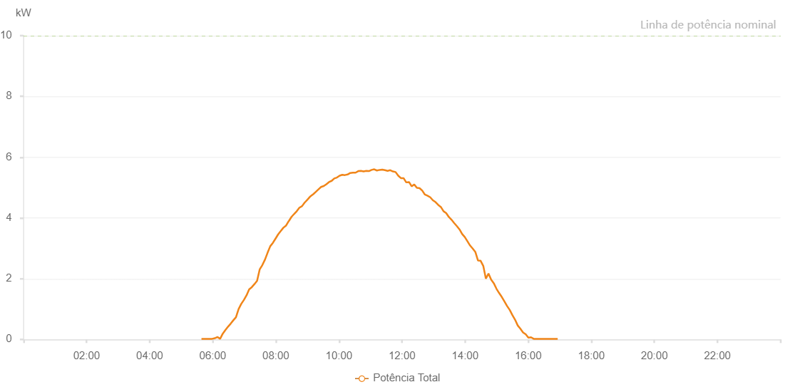

Number | Time | Working State | Alarm Code | Total Inverter Power(W)
1 | 05/06/2022 05:38:34 (UTC-4:00) | Normal |  | 20.000
2 | 05/06/2022 05:43:39 (UTC-4:00) | Normal |  | 20.000
3 | 05/06/2022 05:48:44 (UTC-4:00) | Normal |  | 20.000
4 | 05/06/2022 05:53:42 (UTC-4:00) | Normal |  | 20.000
5 | 05/06/2022 05:58:46 (UTC-4:00) | Normal |  | 20.000
6 | 05/06/2022 06:03:52 (UTC-4:00) | Normal |  | 40.000
7 | 05/06/2022 06:08:56 (UTC-4:00) | Normal |  | 80.000
8 | 05/06/2022 06:14:02 (UTC-4:00) | Normal |  | 20.000
9 | 05/06/2022 06:19:03 (UTC-4:00) | Normal |  | 190.000
10 | 05/06/2022 06:24:08 (UTC-4:00) | Normal |  | 310.000
11 | 05/06/2022 06:29:09 (UTC-4:00) | Normal |  | 420.000
12 | 05/06/2022 06:34:09 (UTC-4:00) | Normal |  | 520.000
13 | 05/06/2022 06:39:10 (UTC-4:00) | Normal |  | 630.000
14 | 05/06/2022 06:44:11 (UTC-4:00) | Normal |  | 730.000
15 | 05/06/2022 06:49:12 (UTC-4:00) | Normal |  | 1000.000
16 | 05/06/2022 06:54:14 (UTC-4:00) | Normal |  | 1170.000
17 | 05/06/2022 06:59:14 (UTC-4:00) | Normal |  | 1300.000
18 | 05/06/2022 07:04:15 (UTC-4:00) | Normal |  | 1450.000
19 | 05/06/2022 07:09:16 (UTC-4:00) | Normal |  | 1650.000
20 | 05/06/2022 07:14:16 (UTC-4:00) | Normal |  | 1720.000
21 | 05/06/2022 07:19:17 (UTC-4:00) | Normal |  | 1820.000
22 | 05/06/2022 07:24:21 (UTC-4:00) | Normal |  | 1930.000
23 | 05/06/2022 07:29:25 (UTC-4:00) | Normal |  | 2310.000
24 | 05/06/2022 07:34:26 (UTC-4:00) | Normal |  | 2450.000
25 | 05/06/2022 07:39:27 (UTC-4:00) | Normal |  | 2630.000
26 | 05/06/2022 07:44:28 (UTC-4:00) | Normal |  | 2860.000
27 | 05/06/2022 07:49:28 (UTC-4:00) | Normal |  | 3070.000
28 | 05/06/2022 07:54:29 (UTC-4:00) | Normal |  | 3180.000
29 | 05/06/2022 07:59:30 (UTC-4:00) | Normal |  | 3320.000
30 | 05/06/2022 08:04:30 (UTC-4:00) | Normal |  | 3460.000
31 | 05/06/2022 08:09:32 (UTC-4:00) | Normal |  | 3570.000
32 | 05/06/2022 08:14:32 (UTC-4:00) | Normal |  | 3680.000
33 | 05/06/2022 08:19:32 (UTC-4:00) | Normal |  | 3750.000
34 | 05/06/2022 08:24:35 (UTC-4:00) | Normal |  | 3900.000
35 | 05/06/2022 08:24:55 (UTC-4:00) | Normal |  | 3900.000
36 | 05/06/2022 08:29:37 (UTC-4:00) | Normal |  | 4030.000
37 | 05/06/2022 08:34:42 (UTC-4:00) | Normal |  | 4130.000
38 | 05/06/2022 08:35:01 (UTC-4:00) | Normal |  | 4130.000
39 | 05/06/2022 08:39:49 (UTC-4:00) | Normal |  | 4220.000
40 | 05/06/2022 08:45:00 (UTC-4:00) | Normal |  | 4340.000
41 | 05/06/2022 08:45:19 (UTC-4:00) | Normal |  | 4340.000
42 | 05/06/2022 08:49:59 (UTC-4:00) | Normal |  | 4390.000
43 | 05/06/2022 08:55:03 (UTC-4:00) | Normal |  | 4510.000
44 | 05/06/2022 08:55:14 (UTC-4:00) | Normal |  | 4510.000
45 | 05/06/2022 09:00:09 (UTC-4:00) | Normal |  | 4600.000
46 | 05/06/2022 09:05:13 (UTC-4:00) | Normal |  | 4700.000
47 | 05/06/2022 09:05:24 (UTC-4:00) | Normal |  | 4700.000
48 | 05/06/2022 09:05:43 (UTC-4:00) | Normal |  | 4710.000
49 | 05/06/2022 09:11:09 (UTC-4:00) | Normal |  | 4780.000
50 | 05/06/2022 09:16:10 (UTC-4:00) | Normal |  | 4860.000
51 | 05/06/2022 09:21:10 (UTC-4:00) | Normal |  | 4940.000
52 | 05/06/2022 09:26:11 (UTC-4:00) | Normal |  | 5020.000
53 | 05/06/2022 09:31:11 (UTC-4:00) | Normal |  | 5050.000
54 | 05/06/2022 09:36:11 (UTC-4:00) | Normal |  | 5110.000
55 | 05/06/2022 09:41:11 (UTC-4:00) | Normal |  | 5180.000
56 | 05/06/2022 09:46:11 (UTC-4:00) | Normal |  | 5220.000
57 | 05/06/2022 09:51:13 (UTC-4:00) | Normal |  | 5300.000
58 | 05/06/2022 09:56:18 (UTC-4:00) | Normal |  | 5330.000
59 | 05/06/2022 10:01:22 (UTC-4:00) | Normal |  | 5390.000
60 | 05/06/2022 10:06:25 (UTC-4:00) | Normal |  | 5420.000
61 | 05/06/2022 10:11:29 (UTC-4:00) | Normal |  | 5410.000
62 | 05/06/2022 10:16:34 (UTC-4:00) | Normal |  | 5430.000
63 | 05/06/2022 10:21:38 (UTC-4:00) | Normal |  | 5480.000
64 | 05/06/2022 10:26:41 (UTC-4:00) | Normal |  | 5490.000
65 | 05/06/2022 10:31:45 (UTC-4:00) | Normal |  | 5490.000
66 | 05/06/2022 10:36:49 (UTC-4:00) | Normal |  | 5540.000
67 | 05/06/2022 10:41:55 (UTC-4:00) | Normal |  | 5550.000
68 | 05/06/2022 10:46:59 (UTC-4:00) | Normal |  | 5530.000
69 | 05/06/2022 10:52:05 (UTC-4:00) | Normal |  | 5550.000
70 | 05/06/2022 10:57:08 (UTC-4:00) | Normal |  | 5540.000
71 | 05/06/2022 11:02:11 (UTC-4:00) | Normal |  | 5580.000
72 | 05/06/2022 11:07:17 (UTC-4:00) | Normal |  | 5600.000
73 | 05/06/2022 11:12:20 (UTC-4:00) | Normal |  | 5560.000
74 | 05/06/2022 11:17:25 (UTC-4:00) | Normal |  | 5580.000
75 | 05/06/2022 11:22:28 (UTC-4:00) | Normal |  | 5590.000
76 | 05/06/2022 11:27:32 (UTC-4:00) | Normal |  | 5570.000
77 | 05/06/2022 11:32:36 (UTC-4:00) | Normal |  | 5550.000
78 | 05/06/2022 11:37:41 (UTC-4:00) | Normal |  | 5570.000
79 | 05/06/2022 11:42:44 (UTC-4:00) | Normal |  | 5530.000
80 | 05/06/2022 11:47:48 (UTC-4:00) | Normal |  | 5510.000
81 | 05/06/2022 11:52:52 (UTC-4:00) | Normal |  | 5390.000
82 | 05/06/2022 11:57:57 (UTC-4:00) | Normal |  | 5310.000
83 | 05/06/2022 12:03:00 (UTC-4:00) | Normal |  | 5310.000
84 | 05/06/2022 12:08:04 (UTC-4:00) | Normal |  | 5170.000
85 | 05/06/2022 12:13:08 (UTC-4:00) | Normal |  | 5180.000
86 | 05/06/2022 12:13:23 (UTC-4:00) | Normal |  | 5180.000
87 | 05/06/2022 12:18:20 (UTC-4:00) | Normal |  | 5040.000
88 | 05/06/2022 12:23:17 (UTC-4:00) | Normal |  | 5100.000
89 | 05/06/2022 12:28:21 (UTC-4:00) | Normal |  | 4990.000
90 | 05/06/2022 12:33:25 (UTC-4:00) | Normal |  | 4980.000
91 | 05/06/2022 12:38:29 (UTC-4:00) | Normal |  | 4900.000
92 | 05/06/2022 12:43:32 (UTC-4:00) | Normal |  | 4770.000
93 | 05/06/2022 12:48:36 (UTC-4:00) | Normal |  | 4730.000
94 | 05/06/2022 12:53:42 (UTC-4:00) | Normal |  | 4680.000
95 | 05/06/2022 12:58:45 (UTC-4:00) | Normal |  | 4580.000
96 | 05/06/2022 13:03:50 (UTC-4:00) | Normal |  | 4520.000
97 | 05/06/2022 13:08:53 (UTC-4:00) | Normal |  | 4430.000
98 | 05/06/2022 13:13:57 (UTC-4:00) | Normal |  | 4360.000
99 | 05/06/2022 13:19:02 (UTC-4:00) | Normal |  | 4220.000
100 | 05/06/2022 13:24:05 (UTC-4:00) | Normal |  | 4160.000
101 | 05/06/2022 13:29:09 (UTC-4:00) | Normal |  | 4030.000
102 | 05/06/2022 13:34:13 (UTC-4:00) | Normal |  | 3940.000
103 | 05/06/2022 13:39:18 (UTC-4:00) | Normal |  | 3830.000
104 | 05/06/2022 13:44:21 (UTC-4:00) | Normal |  | 3730.000
105 | 05/06/2022 13:49:30 (UTC-4:00) | Normal |  | 3620.000
106 | 05/06/2022 13:54:29 (UTC-4:00) | Normal |  | 3470.000
107 | 05/06/2022 13:59:29 (UTC-4:00) | Normal |  | 3370.000
108 | 05/06/2022 14:04:35 (UTC-4:00) | Normal |  | 3230.000
109 | 05/06/2022 14:09:35 (UTC-4:00) | Normal |  | 3090.000
110 | 05/06/2022 14:14:30 (UTC-4:00) | Normal |  | 2990.000
111 | 05/06/2022 14:19:30 (UTC-4:00) | Normal |  | 2880.000
112 | 05/06/2022 14:24:30 (UTC-4:00) | Normal |  | 2600.000
113 | 05/06/2022 14:29:30 (UTC-4:00) | Normal |  | 2590.000
114 | 05/06/2022 14:34:37 (UTC-4:00) | Normal |  | 2420.000
115 | 05/06/2022 14:39:35 (UTC-4:00) | Normal |  | 2000.000
116 | 05/06/2022 14:44:32 (UTC-4:00) | Normal |  | 2170.000
117 | 05/06/2022 14:49:32 (UTC-4:00) | Normal |  | 1970.000
118 | 05/06/2022 14:54:38 (UTC-4:00) | Normal |  | 1850.000
119 | 05/06/2022 14:59:39 (UTC-4:00) | Normal |  | 1670.000
120 | 05/06/2022 15:04:40 (UTC-4:00) | Normal |  | 1530.000
121 | 05/06/2022 15:09:45 (UTC-4:00) | Normal |  | 1400.000
122 | 05/06/2022 15:14:49 (UTC-4:00) | Normal |  | 1250.000
123 | 05/06/2022 15:19:53 (UTC-4:00) | Normal |  | 1100.000
124 | 05/06/2022 15:24:58 (UTC-4:00) | Normal |  | 970.000
125 | 05/06/2022 15:30:01 (UTC-4:00) | Normal |  | 800.000
126 | 05/06/2022 15:35:05 (UTC-4:00) | Normal |  | 650.000
127 | 05/06/2022 15:40:09 (UTC-4:00) | Normal |  | 460.000
128 | 05/06/2022 15:45:14 (UTC-4:00) | Normal |  | 350.000
129 | 05/06/2022 15:50:17 (UTC-4:00) | Normal |  | 230.000
130 | 05/06/2022 15:55:21 (UTC-4:00) | Normal |  | 170.000
131 | 05/06/2022 16:00:25 (UTC-4:00) | Normal |  | 60.000
132 | 05/06/2022 16:05:30 (UTC-4:00) | Normal |  | 70.000
133 | 05/06/2022 16:10:33 (UTC-4:00) | Normal |  | 20.000
134 | 05/06/2022 16:15:36 (UTC-4:00) | Normal |  | 20.000
135 | 05/06/2022 16:20:42 (UTC-4:00) | Normal |  | 20.000
136 | 05/06/2022 16:20:51 (UTC-4:00) | Normal |  | 20.000
137 | 05/06/2022 16:25:45 (UTC-4:00) | Normal |  | 20.000
138 | 05/06/2022 16:30:48 (UTC-4:00) | Normal |  | 20.000
139 | 05/06/2022 16:35:53 (UTC-4:00) | Normal |  | 20.000
140 | 05/06/2022 16:40:58 (UTC-4:00) | Normal |  | 20.000
141 | 05/06/2022 16:46:02 (UTC-4:00) | Normal |  | 20.000
142 | 05/06/2022 16:51:06 (UTC-4:00) | Normal |  | 20.000
143 | 05/06/2022 16:56:10 (UTC-4:00) | Normal |  | 20.000

