Inverter History Report__17-08-
Inverter History Report_07/06/2022_Report

Inverter SN:054B7020C020044 |  | Inverter type:B7
Collector SN:4045086367 |  | Full Load Hours(h):3.05
Rated Power:10000Wp

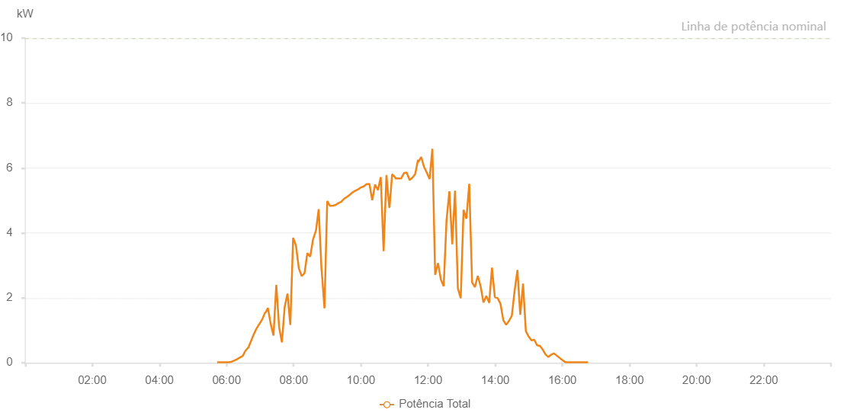

Number | Time | Working State | Alarm Code | Total Inverter Power(W)
1 | 07/06/2022 05:43:11 (UTC-4:00) | Normal |  | 20.000
2 | 07/06/2022 05:48:12 (UTC-4:00) | Normal |  | 20.000
3 | 07/06/2022 05:53:12 (UTC-4:00) | Normal |  | 20.000
4 | 07/06/2022 05:58:16 (UTC-4:00) | Normal |  | 20.000
5 | 07/06/2022 06:03:31 (UTC-4:00) | Normal |  | 20.000
6 | 07/06/2022 06:03:34 (UTC-4:00) | Normal |  | 20.000
7 | 07/06/2022 06:08:24 (UTC-4:00) | Normal |  | 30.000
8 | 07/06/2022 06:13:35 (UTC-4:00) | Normal |  | 70.000
9 | 07/06/2022 06:18:32 (UTC-4:00) | Normal |  | 110.000
10 | 07/06/2022 06:23:37 (UTC-4:00) | Normal |  | 160.000
11 | 07/06/2022 06:28:40 (UTC-4:00) | Normal |  | 210.000
12 | 07/06/2022 06:28:48 (UTC-4:00) | Normal |  | 210.000
13 | 07/06/2022 06:33:39 (UTC-4:00) | Normal |  | 370.000
14 | 07/06/2022 06:38:40 (UTC-4:00) | Normal |  | 470.000
15 | 07/06/2022 06:39:03 (UTC-4:00) | Normal |  | 470.000
16 | 07/06/2022 06:43:39 (UTC-4:00) | Normal |  | 670.000
17 | 07/06/2022 06:48:39 (UTC-4:00) | Normal |  | 880.000
18 | 07/06/2022 06:53:40 (UTC-4:00) | Normal |  | 1060.000
19 | 07/06/2022 06:58:41 (UTC-4:00) | Normal |  | 1200.000
20 | 07/06/2022 06:58:52 (UTC-4:00) | Normal |  | 1200.000
21 | 07/06/2022 07:03:45 (UTC-4:00) | Normal |  | 1340.000
22 | 07/06/2022 07:08:49 (UTC-4:00) | Normal |  | 1550.000
23 | 07/06/2022 07:09:49 (UTC-4:00) | Normal |  | 1550.000
24 | 07/06/2022 07:13:53 (UTC-4:00) | Normal |  | 1690.000
25 | 07/06/2022 07:18:50 (UTC-4:00) | Normal |  | 1200.000
26 | 07/06/2022 07:23:51 (UTC-4:00) | Normal |  | 840.000
27 | 07/06/2022 07:28:51 (UTC-4:00) | Normal |  | 2400.000
28 | 07/06/2022 07:33:51 (UTC-4:00) | Normal |  | 1110.000
29 | 07/06/2022 07:38:52 (UTC-4:00) | Normal |  | 630.000
30 | 07/06/2022 07:43:53 (UTC-4:00) | Normal |  | 1730.000
31 | 07/06/2022 07:48:53 (UTC-4:00) | Normal |  | 2130.000
32 | 07/06/2022 07:53:54 (UTC-4:00) | Normal |  | 1170.000
33 | 07/06/2022 07:58:59 (UTC-4:00) | Normal |  | 3850.000
34 | 07/06/2022 08:04:02 (UTC-4:00) | Normal |  | 3610.000
35 | 07/06/2022 08:09:08 (UTC-4:00) | Normal |  | 2910.000
36 | 07/06/2022 08:14:14 (UTC-4:00) | Normal |  | 2670.000
37 | 07/06/2022 08:19:18 (UTC-4:00) | Normal |  | 2760.000
38 | 07/06/2022 08:24:22 (UTC-4:00) | Normal |  | 3380.000
39 | 07/06/2022 08:29:27 (UTC-4:00) | Normal |  | 3270.000
40 | 07/06/2022 08:34:32 (UTC-4:00) | Normal |  | 3800.000
41 | 07/06/2022 08:39:35 (UTC-4:00) | Normal |  | 4070.000
42 | 07/06/2022 08:39:45 (UTC-4:00) | Normal |  | 4070.000
43 | 07/06/2022 08:44:38 (UTC-4:00) | Normal |  | 4730.000
44 | 07/06/2022 08:49:43 (UTC-4:00) | Normal |  | 2860.000
45 | 07/06/2022 08:49:54 (UTC-4:00) | Normal |  | 2860.000
46 | 07/06/2022 08:54:56 (UTC-4:00) | Normal |  | 1680.000
47 | 07/06/2022 08:59:52 (UTC-4:00) | Normal |  | 4980.000
48 | 07/06/2022 09:04:56 (UTC-4:00) | Normal |  | 4830.000
49 | 07/06/2022 09:09:56 (UTC-4:00) | Normal |  | 4840.000
50 | 07/06/2022 09:14:57 (UTC-4:00) | Normal |  | 4860.000
51 | 07/06/2022 09:19:57 (UTC-4:00) | Normal |  | 4920.000
52 | 07/06/2022 09:24:58 (UTC-4:00) | Normal |  | 4960.000
53 | 07/06/2022 09:29:58 (UTC-4:00) | Normal |  | 5050.000
54 | 07/06/2022 09:35:00 (UTC-4:00) | Normal |  | 5110.000
55 | 07/06/2022 09:40:01 (UTC-4:00) | Normal |  | 5170.000
56 | 07/06/2022 09:45:01 (UTC-4:00) | Normal |  | 5250.000
57 | 07/06/2022 09:50:01 (UTC-4:00) | Normal |  | 5300.000
58 | 07/06/2022 09:55:02 (UTC-4:00) | Normal |  | 5340.000
59 | 07/06/2022 10:00:02 (UTC-4:00) | Normal |  | 5400.000
60 | 07/06/2022 10:05:05 (UTC-4:00) | Normal |  | 5430.000
61 | 07/06/2022 10:10:09 (UTC-4:00) | Normal |  | 5500.000
62 | 07/06/2022 10:15:14 (UTC-4:00) | Normal |  | 5510.000
63 | 07/06/2022 10:20:19 (UTC-4:00) | Normal |  | 5010.000
64 | 07/06/2022 10:25:23 (UTC-4:00) | Normal |  | 5490.000
65 | 07/06/2022 10:30:27 (UTC-4:00) | Normal |  | 5320.000
66 | 07/06/2022 10:35:32 (UTC-4:00) | Normal |  | 5720.000
67 | 07/06/2022 10:40:37 (UTC-4:00) | Normal |  | 3440.000
68 | 07/06/2022 10:45:41 (UTC-4:00) | Normal |  | 5780.000
69 | 07/06/2022 10:50:45 (UTC-4:00) | Normal |  | 4790.000
70 | 07/06/2022 10:51:10 (UTC-4:00) | Normal |  | 4790.000
71 | 07/06/2022 10:55:51 (UTC-4:00) | Normal |  | 5800.000
72 | 07/06/2022 10:56:02 (UTC-4:00) | Normal |  | 5800.000
73 | 07/06/2022 11:00:55 (UTC-4:00) | Normal |  | 5720.000
74 | 07/06/2022 11:01:05 (UTC-4:00) | Normal |  | 5720.000
75 | 07/06/2022 11:01:30 (UTC-4:00) | Normal |  | 5680.000
76 | 07/06/2022 11:06:59 (UTC-4:00) | Normal |  | 5680.000
77 | 07/06/2022 11:11:59 (UTC-4:00) | Normal |  | 5680.000
78 | 07/06/2022 11:16:57 (UTC-4:00) | Normal |  | 5840.000
79 | 07/06/2022 11:21:55 (UTC-4:00) | Normal |  | 5860.000
80 | 07/06/2022 11:27:04 (UTC-4:00) | Normal |  | 5630.000
81 | 07/06/2022 11:32:05 (UTC-4:00) | Normal |  | 5700.000
82 | 07/06/2022 11:37:05 (UTC-4:00) | Normal |  | 5810.000
83 | 07/06/2022 11:42:08 (UTC-4:00) | Normal |  | 6250.000
84 | 07/06/2022 11:42:26 (UTC-4:00) | Normal |  | 6180.000
85 | 07/06/2022 11:47:44 (UTC-4:00) | Normal |  | 6340.000
86 | 07/06/2022 11:52:44 (UTC-4:00) | Normal |  | 6040.000
87 | 07/06/2022 11:57:45 (UTC-4:00) | Normal |  | 5860.000
88 | 07/06/2022 12:02:45 (UTC-4:00) | Normal |  | 5660.000
89 | 07/06/2022 12:07:46 (UTC-4:00) | Normal |  | 6590.000
90 | 07/06/2022 12:12:46 (UTC-4:00) | Normal |  | 2710.000
91 | 07/06/2022 12:17:51 (UTC-4:00) | Normal |  | 3070.000
92 | 07/06/2022 12:22:55 (UTC-4:00) | Normal |  | 2570.000
93 | 07/06/2022 12:27:59 (UTC-4:00) | Normal |  | 2360.000
94 | 07/06/2022 12:33:04 (UTC-4:00) | Normal |  | 4390.000
95 | 07/06/2022 12:38:09 (UTC-4:00) | Normal |  | 5280.000
96 | 07/06/2022 12:43:16 (UTC-4:00) | Normal |  | 3650.000
97 | 07/06/2022 12:48:17 (UTC-4:00) | Normal |  | 5300.000
98 | 07/06/2022 12:53:21 (UTC-4:00) | Normal |  | 2290.000
99 | 07/06/2022 12:58:27 (UTC-4:00) | Normal |  | 1990.000
100 | 07/06/2022 13:03:30 (UTC-4:00) | Normal |  | 4710.000
101 | 07/06/2022 13:08:34 (UTC-4:00) | Normal |  | 4440.000
102 | 07/06/2022 13:13:39 (UTC-4:00) | Normal |  | 5510.000
103 | 07/06/2022 13:18:44 (UTC-4:00) | Normal |  | 2480.000
104 | 07/06/2022 13:23:47 (UTC-4:00) | Normal |  | 2330.000
105 | 07/06/2022 13:28:52 (UTC-4:00) | Normal |  | 2680.000
106 | 07/06/2022 13:33:56 (UTC-4:00) | Normal |  | 2360.000
107 | 07/06/2022 13:39:02 (UTC-4:00) | Normal |  | 1860.000
108 | 07/06/2022 13:44:15 (UTC-4:00) | Normal |  | 2060.000
109 | 07/06/2022 13:49:11 (UTC-4:00) | Normal |  | 1860.000
110 | 07/06/2022 13:49:22 (UTC-4:00) | Normal |  | 1860.000
111 | 07/06/2022 13:54:15 (UTC-4:00) | Normal |  | 2930.000
112 | 07/06/2022 13:59:26 (UTC-4:00) | Normal |  | 2020.000
113 | 07/06/2022 13:59:30 (UTC-4:00) | Normal |  | 2020.000
114 | 07/06/2022 14:04:24 (UTC-4:00) | Normal |  | 1990.000
115 | 07/06/2022 14:09:28 (UTC-4:00) | Normal |  | 1820.000
116 | 07/06/2022 14:14:33 (UTC-4:00) | Normal |  | 1310.000
117 | 07/06/2022 14:19:37 (UTC-4:00) | Normal |  | 1170.000
118 | 07/06/2022 14:24:41 (UTC-4:00) | Normal |  | 1290.000
119 | 07/06/2022 14:29:46 (UTC-4:00) | Normal |  | 1450.000
120 | 07/06/2022 14:34:46 (UTC-4:00) | Normal |  | 2220.000
121 | 07/06/2022 14:39:46 (UTC-4:00) | Normal |  | 2860.000
122 | 07/06/2022 14:44:47 (UTC-4:00) | Normal |  | 1480.000
123 | 07/06/2022 14:49:49 (UTC-4:00) | Normal |  | 2440.000
124 | 07/06/2022 14:54:49 (UTC-4:00) | Normal |  | 970.000
125 | 07/06/2022 14:59:50 (UTC-4:00) | Normal |  | 810.000
126 | 07/06/2022 15:04:50 (UTC-4:00) | Normal |  | 690.000
127 | 07/06/2022 15:09:51 (UTC-4:00) | Normal |  | 710.000
128 | 07/06/2022 15:14:52 (UTC-4:00) | Normal |  | 540.000
129 | 07/06/2022 15:19:52 (UTC-4:00) | Normal |  | 520.000
130 | 07/06/2022 15:24:54 (UTC-4:00) | Normal |  | 410.000
131 | 07/06/2022 15:29:55 (UTC-4:00) | Normal |  | 260.000
132 | 07/06/2022 15:34:59 (UTC-4:00) | Normal |  | 180.000
133 | 07/06/2022 15:40:04 (UTC-4:00) | Normal |  | 250.000
134 | 07/06/2022 15:45:08 (UTC-4:00) | Normal |  | 290.000
135 | 07/06/2022 15:50:12 (UTC-4:00) | Normal |  | 220.000
136 | 07/06/2022 15:55:16 (UTC-4:00) | Normal |  | 150.000
137 | 07/06/2022 16:00:22 (UTC-4:00) | Normal |  | 80.000
138 | 07/06/2022 16:05:36 (UTC-4:00) | Normal |  | 20.000
139 | 07/06/2022 16:05:52 (UTC-4:00) | Normal |  | 20.000
140 | 07/06/2022 16:10:31 (UTC-4:00) | Normal |  | 20.000
141 | 07/06/2022 16:15:36 (UTC-4:00) | Normal |  | 20.000
142 | 07/06/2022 16:20:41 (UTC-4:00) | Normal |  | 20.000
143 | 07/06/2022 16:25:46 (UTC-4:00) | Normal |  | 20.000
144 | 07/06/2022 16:30:49 (UTC-4:00) | Normal |  | 20.000
145 | 07/06/2022 16:35:53 (UTC-4:00) | Normal |  | 20.000
146 | 07/06/2022 16:40:59 (UTC-4:00) | Normal |  | 20.000
147 | 07/06/2022 16:46:02 (UTC-4:00) | Normal |  | 20.000

