Inverter History Report__17-08-
Inverter History Report_08/06/2022_Report

Inverter SN:054B7020C020044 |  | Inverter type:B7
Collector SN:4045086367 |  | Full Load Hours(h):2.01
Rated Power:10000Wp

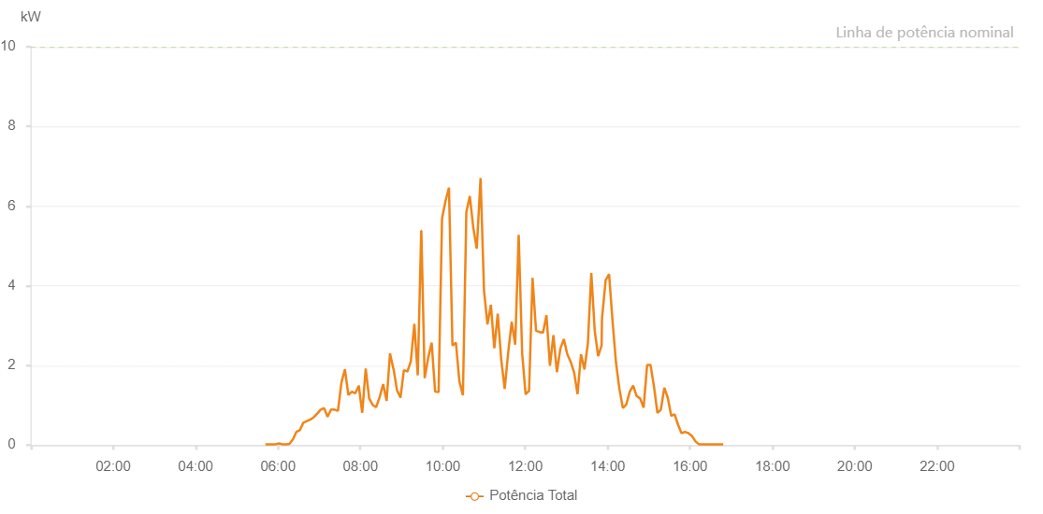

Number | Time | Working State | Alarm Code | Total Inverter Power(W)
1 | 08/06/2022 05:41:36 (UTC-4:00) | Normal |  | 20.000
2 | 08/06/2022 05:46:25 (UTC-4:00) | Normal |  | 20.000
3 | 08/06/2022 05:51:24 (UTC-4:00) | Normal |  | 20.000
4 | 08/06/2022 05:56:24 (UTC-4:00) | Normal |  | 20.000
5 | 08/06/2022 06:01:26 (UTC-4:00) | Normal |  | 40.000
6 | 08/06/2022 06:06:28 (UTC-4:00) | Normal |  | 20.000
7 | 08/06/2022 06:11:31 (UTC-4:00) | Normal |  | 20.000
8 | 08/06/2022 06:16:35 (UTC-4:00) | Normal |  | 30.000
9 | 08/06/2022 06:21:38 (UTC-4:00) | Normal |  | 140.000
10 | 08/06/2022 06:26:40 (UTC-4:00) | Normal |  | 330.000
11 | 08/06/2022 06:31:43 (UTC-4:00) | Normal |  | 370.000
12 | 08/06/2022 06:36:51 (UTC-4:00) | Normal |  | 560.000
13 | 08/06/2022 06:41:53 (UTC-4:00) | Normal |  | 600.000
14 | 08/06/2022 06:47:02 (UTC-4:00) | Normal |  | 640.000
15 | 08/06/2022 06:52:02 (UTC-4:00) | Normal |  | 700.000
16 | 08/06/2022 06:52:06 (UTC-4:00) | Normal |  | 700.000
17 | 08/06/2022 06:57:00 (UTC-4:00) | Normal |  | 790.000
18 | 08/06/2022 07:02:04 (UTC-4:00) | Normal |  | 890.000
19 | 08/06/2022 07:02:14 (UTC-4:00) | Normal |  | 890.000
20 | 08/06/2022 07:07:06 (UTC-4:00) | Normal |  | 930.000
21 | 08/06/2022 07:12:08 (UTC-4:00) | Normal |  | 710.000
22 | 08/06/2022 07:17:13 (UTC-4:00) | Normal |  | 890.000
23 | 08/06/2022 07:22:15 (UTC-4:00) | Normal |  | 890.000
24 | 08/06/2022 07:27:18 (UTC-4:00) | Normal |  | 860.000
25 | 08/06/2022 07:32:21 (UTC-4:00) | Normal |  | 1570.000
26 | 08/06/2022 07:37:25 (UTC-4:00) | Normal |  | 1900.000
27 | 08/06/2022 07:42:27 (UTC-4:00) | Normal |  | 1260.000
28 | 08/06/2022 07:47:31 (UTC-4:00) | Normal |  | 1340.000
29 | 08/06/2022 07:52:34 (UTC-4:00) | Normal |  | 1300.000
30 | 08/06/2022 07:57:38 (UTC-4:00) | Normal |  | 1490.000
31 | 08/06/2022 08:02:40 (UTC-4:00) | Normal |  | 810.000
32 | 08/06/2022 08:07:44 (UTC-4:00) | Normal |  | 1920.000
33 | 08/06/2022 08:12:46 (UTC-4:00) | Normal |  | 1170.000
34 | 08/06/2022 08:17:50 (UTC-4:00) | Normal |  | 1010.000
35 | 08/06/2022 08:22:52 (UTC-4:00) | Normal |  | 950.000
36 | 08/06/2022 08:27:55 (UTC-4:00) | Normal |  | 1200.000
37 | 08/06/2022 08:33:07 (UTC-4:00) | Normal |  | 1530.000
38 | 08/06/2022 08:38:10 (UTC-4:00) | Normal |  | 1110.000
39 | 08/06/2022 08:43:07 (UTC-4:00) | Normal |  | 2300.000
40 | 08/06/2022 08:48:14 (UTC-4:00) | Normal |  | 1900.000
41 | 08/06/2022 08:48:25 (UTC-4:00) | Normal |  | 1900.000
42 | 08/06/2022 08:53:11 (UTC-4:00) | Normal |  | 1380.000
43 | 08/06/2022 08:58:15 (UTC-4:00) | Normal |  | 1200.000
44 | 08/06/2022 08:58:26 (UTC-4:00) | Normal |  | 1200.000
45 | 08/06/2022 09:03:17 (UTC-4:00) | Normal |  | 1880.000
46 | 08/06/2022 09:08:20 (UTC-4:00) | Normal |  | 1850.000
47 | 08/06/2022 09:08:31 (UTC-4:00) | Normal |  | 1850.000
48 | 08/06/2022 09:13:23 (UTC-4:00) | Normal |  | 2100.000
49 | 08/06/2022 09:18:34 (UTC-4:00) | Normal |  | 3040.000
50 | 08/06/2022 09:23:31 (UTC-4:00) | Normal |  | 1750.000
51 | 08/06/2022 09:28:33 (UTC-4:00) | Normal |  | 5380.000
52 | 08/06/2022 09:28:44 (UTC-4:00) | Normal |  | 5380.000
53 | 08/06/2022 09:33:36 (UTC-4:00) | Normal |  | 1680.000
54 | 08/06/2022 09:38:41 (UTC-4:00) | Normal |  | 2190.000
55 | 08/06/2022 09:43:45 (UTC-4:00) | Normal |  | 2570.000
56 | 08/06/2022 09:48:48 (UTC-4:00) | Normal |  | 1340.000
57 | 08/06/2022 09:53:51 (UTC-4:00) | Normal |  | 1330.000
58 | 08/06/2022 09:58:54 (UTC-4:00) | Normal |  | 5690.000
59 | 08/06/2022 10:03:57 (UTC-4:00) | Normal |  | 6130.000
60 | 08/06/2022 10:08:59 (UTC-4:00) | Normal |  | 6460.000
61 | 08/06/2022 10:14:03 (UTC-4:00) | Normal |  | 2500.000
62 | 08/06/2022 10:19:05 (UTC-4:00) | Normal |  | 2570.000
63 | 08/06/2022 10:24:08 (UTC-4:00) | Normal |  | 1600.000
64 | 08/06/2022 10:29:18 (UTC-4:00) | Normal |  | 1250.000
65 | 08/06/2022 10:34:16 (UTC-4:00) | Normal |  | 5850.000
66 | 08/06/2022 10:39:21 (UTC-4:00) | Normal |  | 6250.000
67 | 08/06/2022 10:44:23 (UTC-4:00) | Normal |  | 5460.000
68 | 08/06/2022 10:49:25 (UTC-4:00) | Normal |  | 4930.000
69 | 08/06/2022 10:49:44 (UTC-4:00) | Normal |  | 5010.000
70 | 08/06/2022 10:55:00 (UTC-4:00) | Normal |  | 6700.000
71 | 08/06/2022 11:00:00 (UTC-4:00) | Normal |  | 3880.000
72 | 08/06/2022 11:05:00 (UTC-4:00) | Normal |  | 3030.000
73 | 08/06/2022 11:10:00 (UTC-4:00) | Normal |  | 3520.000
74 | 08/06/2022 11:15:00 (UTC-4:00) | Normal |  | 2430.000
75 | 08/06/2022 11:20:00 (UTC-4:00) | Normal |  | 3300.000
76 | 08/06/2022 11:25:03 (UTC-4:00) | Normal |  | 2150.000
77 | 08/06/2022 11:30:07 (UTC-4:00) | Normal |  | 1410.000
78 | 08/06/2022 11:35:12 (UTC-4:00) | Normal |  | 2320.000
79 | 08/06/2022 11:40:15 (UTC-4:00) | Normal |  | 3080.000
80 | 08/06/2022 11:40:26 (UTC-4:00) | Normal |  | 3080.000
81 | 08/06/2022 11:45:27 (UTC-4:00) | Normal |  | 2520.000
82 | 08/06/2022 11:50:30 (UTC-4:00) | Normal |  | 5280.000
83 | 08/06/2022 11:55:33 (UTC-4:00) | Normal |  | 2310.000
84 | 08/06/2022 12:00:32 (UTC-4:00) | Normal |  | 1280.000
85 | 08/06/2022 12:00:43 (UTC-4:00) | Normal |  | 1280.000
86 | 08/06/2022 12:05:36 (UTC-4:00) | Normal |  | 1360.000
87 | 08/06/2022 12:10:40 (UTC-4:00) | Normal |  | 4200.000
88 | 08/06/2022 12:15:45 (UTC-4:00) | Normal |  | 2870.000
89 | 08/06/2022 12:20:49 (UTC-4:00) | Normal |  | 2840.000
90 | 08/06/2022 12:25:55 (UTC-4:00) | Normal |  | 2820.000
91 | 08/06/2022 12:30:58 (UTC-4:00) | Normal |  | 3260.000
92 | 08/06/2022 12:36:01 (UTC-4:00) | Normal |  | 1990.000
93 | 08/06/2022 12:41:06 (UTC-4:00) | Normal |  | 2760.000
94 | 08/06/2022 12:46:09 (UTC-4:00) | Normal |  | 1830.000
95 | 08/06/2022 12:51:11 (UTC-4:00) | Normal |  | 2420.000
96 | 08/06/2022 12:56:15 (UTC-4:00) | Normal |  | 2660.000
97 | 08/06/2022 13:01:15 (UTC-4:00) | Normal |  | 2280.000
98 | 08/06/2022 13:06:15 (UTC-4:00) | Normal |  | 2090.000
99 | 08/06/2022 13:11:15 (UTC-4:00) | Normal |  | 1820.000
100 | 08/06/2022 13:16:15 (UTC-4:00) | Normal |  | 1280.000
101 | 08/06/2022 13:21:15 (UTC-4:00) | Normal |  | 2280.000
102 | 08/06/2022 13:26:14 (UTC-4:00) | Normal |  | 1900.000
103 | 08/06/2022 13:31:14 (UTC-4:00) | Normal |  | 2550.000
104 | 08/06/2022 13:36:14 (UTC-4:00) | Normal |  | 4320.000
105 | 08/06/2022 13:41:14 (UTC-4:00) | Normal |  | 2870.000
106 | 08/06/2022 13:46:14 (UTC-4:00) | Normal |  | 2230.000
107 | 08/06/2022 13:51:14 (UTC-4:00) | Normal |  | 2500.000
108 | 08/06/2022 13:51:49 (UTC-4:00) | Normal |  | 3170.000
109 | 08/06/2022 13:57:09 (UTC-4:00) | Normal |  | 4140.000
110 | 08/06/2022 14:02:09 (UTC-4:00) | Normal |  | 4290.000
111 | 08/06/2022 14:07:10 (UTC-4:00) | Normal |  | 3120.000
112 | 08/06/2022 14:12:11 (UTC-4:00) | Normal |  | 2070.000
113 | 08/06/2022 14:17:11 (UTC-4:00) | Normal |  | 1410.000
114 | 08/06/2022 14:22:11 (UTC-4:00) | Normal |  | 930.000
115 | 08/06/2022 14:27:13 (UTC-4:00) | Normal |  | 1020.000
116 | 08/06/2022 14:32:13 (UTC-4:00) | Normal |  | 1340.000
117 | 08/06/2022 14:37:14 (UTC-4:00) | Normal |  | 1490.000
118 | 08/06/2022 14:42:18 (UTC-4:00) | Normal |  | 1230.000
119 | 08/06/2022 14:47:23 (UTC-4:00) | Normal |  | 1170.000
120 | 08/06/2022 14:52:27 (UTC-4:00) | Normal |  | 940.000
121 | 08/06/2022 14:57:31 (UTC-4:00) | Normal |  | 2010.000
122 | 08/06/2022 15:02:32 (UTC-4:00) | Normal |  | 2010.000
123 | 08/06/2022 15:07:32 (UTC-4:00) | Normal |  | 1470.000
124 | 08/06/2022 15:12:33 (UTC-4:00) | Normal |  | 810.000
125 | 08/06/2022 15:17:34 (UTC-4:00) | Normal |  | 890.000
126 | 08/06/2022 15:22:34 (UTC-4:00) | Normal |  | 1440.000
127 | 08/06/2022 15:27:35 (UTC-4:00) | Normal |  | 1190.000
128 | 08/06/2022 15:32:35 (UTC-4:00) | Normal |  | 740.000
129 | 08/06/2022 15:32:49 (UTC-4:00) | Normal |  | 740.000
130 | 08/06/2022 15:33:01 (UTC-4:00) | Normal |  | 740.000
131 | 08/06/2022 15:37:35 (UTC-4:00) | Normal |  | 770.000
132 | 08/06/2022 15:42:36 (UTC-4:00) | Normal |  | 510.000
133 | 08/06/2022 15:47:36 (UTC-4:00) | Normal |  | 300.000
134 | 08/06/2022 15:52:38 (UTC-4:00) | Normal |  | 330.000
135 | 08/06/2022 15:57:42 (UTC-4:00) | Normal |  | 300.000
136 | 08/06/2022 16:02:47 (UTC-4:00) | Normal |  | 230.000
137 | 08/06/2022 16:08:01 (UTC-4:00) | Normal |  | 90.000
138 | 08/06/2022 16:08:06 (UTC-4:00) | Normal |  | 90.000
139 | 08/06/2022 16:12:56 (UTC-4:00) | Normal |  | 20.000
140 | 08/06/2022 16:18:01 (UTC-4:00) | Normal |  | 20.000
141 | 08/06/2022 16:23:05 (UTC-4:00) | Normal |  | 20.000
142 | 08/06/2022 16:28:10 (UTC-4:00) | Normal |  | 20.000
143 | 08/06/2022 16:33:13 (UTC-4:00) | Normal |  | 20.000
144 | 08/06/2022 16:38:18 (UTC-4:00) | Normal |  | 20.000
145 | 08/06/2022 16:43:22 (UTC-4:00) | Normal |  | 20.000
146 | 08/06/2022 16:48:22 (UTC-4:00) | Normal |  | 20.000

