Inverter History Report__17-08-
Inverter History Report_09/06/2022_Report

Inverter SN:054B7020C020044 |  | Inverter type:B7
Collector SN:4045086367 |  | Full Load Hours(h):0.95
Rated Power:10000Wp

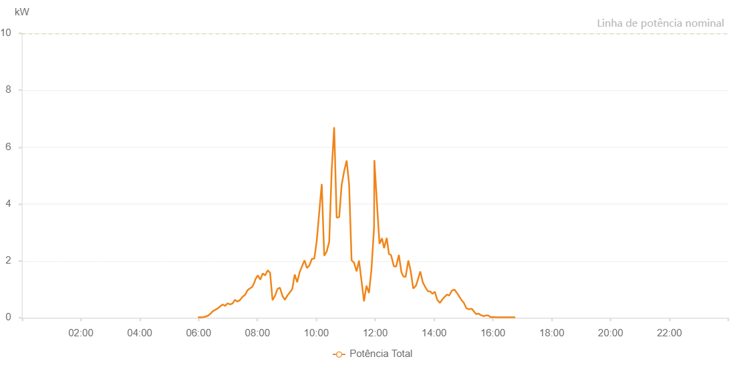

Number | Time | Working State | Alarm Code | Total Inverter Power(W)
1 | 09/06/2022 05:58:47 (UTC-4:00) | Normal |  | 20.000
2 | 09/06/2022 06:03:47 (UTC-4:00) | Normal |  | 20.000
3 | 09/06/2022 06:08:48 (UTC-4:00) | Normal |  | 20.000
4 | 09/06/2022 06:13:52 (UTC-4:00) | Normal |  | 40.000
5 | 09/06/2022 06:18:57 (UTC-4:00) | Normal |  | 70.000
6 | 09/06/2022 06:23:58 (UTC-4:00) | Normal |  | 140.000
7 | 09/06/2022 06:28:58 (UTC-4:00) | Normal |  | 230.000
8 | 09/06/2022 06:34:00 (UTC-4:00) | Normal |  | 280.000
9 | 09/06/2022 06:39:00 (UTC-4:00) | Normal |  | 330.000
10 | 09/06/2022 06:44:01 (UTC-4:00) | Normal |  | 400.000
11 | 09/06/2022 06:49:02 (UTC-4:00) | Normal |  | 470.000
12 | 09/06/2022 06:54:02 (UTC-4:00) | Normal |  | 420.000
13 | 09/06/2022 06:59:03 (UTC-4:00) | Normal |  | 510.000
14 | 09/06/2022 07:04:04 (UTC-4:00) | Normal |  | 470.000
15 | 09/06/2022 07:09:04 (UTC-4:00) | Normal |  | 500.000
16 | 09/06/2022 07:14:06 (UTC-4:00) | Normal |  | 630.000
17 | 09/06/2022 07:19:06 (UTC-4:00) | Normal |  | 570.000
18 | 09/06/2022 07:24:12 (UTC-4:00) | Normal |  | 620.000
19 | 09/06/2022 07:29:28 (UTC-4:00) | Normal |  | 740.000
20 | 09/06/2022 07:29:38 (UTC-4:00) | Normal |  | 740.000
21 | 09/06/2022 07:34:21 (UTC-4:00) | Normal |  | 800.000
22 | 09/06/2022 07:34:44 (UTC-4:00) | Normal |  | 800.000
23 | 09/06/2022 07:39:25 (UTC-4:00) | Normal |  | 960.000
24 | 09/06/2022 07:44:29 (UTC-4:00) | Normal |  | 1030.000
25 | 09/06/2022 07:44:41 (UTC-4:00) | Normal |  | 1030.000
26 | 09/06/2022 07:49:34 (UTC-4:00) | Normal |  | 1090.000
27 | 09/06/2022 07:54:38 (UTC-4:00) | Normal |  | 1280.000
28 | 09/06/2022 07:54:49 (UTC-4:00) | Normal |  | 1280.000
29 | 09/06/2022 07:55:17 (UTC-4:00) | Normal |  | 1340.000
30 | 09/06/2022 08:00:50 (UTC-4:00) | Normal |  | 1490.000
31 | 09/06/2022 08:05:49 (UTC-4:00) | Normal |  | 1340.000
32 | 09/06/2022 08:10:49 (UTC-4:00) | Normal |  | 1560.000
33 | 09/06/2022 08:15:49 (UTC-4:00) | Normal |  | 1490.000
34 | 09/06/2022 08:20:49 (UTC-4:00) | Normal |  | 1670.000
35 | 09/06/2022 08:25:48 (UTC-4:00) | Normal |  | 1580.000
36 | 09/06/2022 08:30:48 (UTC-4:00) | Normal |  | 620.000
37 | 09/06/2022 08:35:48 (UTC-4:00) | Normal |  | 770.000
38 | 09/06/2022 08:40:49 (UTC-4:00) | Normal |  | 1010.000
39 | 09/06/2022 08:45:49 (UTC-4:00) | Normal |  | 1060.000
40 | 09/06/2022 08:50:51 (UTC-4:00) | Normal |  | 780.000
41 | 09/06/2022 08:55:52 (UTC-4:00) | Normal |  | 630.000
42 | 09/06/2022 09:00:56 (UTC-4:00) | Normal |  | 780.000
43 | 09/06/2022 09:05:59 (UTC-4:00) | Normal |  | 890.000
44 | 09/06/2022 09:10:59 (UTC-4:00) | Normal |  | 1010.000
45 | 09/06/2022 09:15:59 (UTC-4:00) | Normal |  | 1520.000
46 | 09/06/2022 09:20:58 (UTC-4:00) | Normal |  | 1250.000
47 | 09/06/2022 09:25:59 (UTC-4:00) | Normal |  | 1600.000
48 | 09/06/2022 09:30:58 (UTC-4:00) | Normal |  | 1810.000
49 | 09/06/2022 09:35:58 (UTC-4:00) | Normal |  | 2020.000
50 | 09/06/2022 09:40:58 (UTC-4:00) | Normal |  | 1750.000
51 | 09/06/2022 09:45:58 (UTC-4:00) | Normal |  | 1840.000
52 | 09/06/2022 09:50:58 (UTC-4:00) | Normal |  | 2070.000
53 | 09/06/2022 09:55:58 (UTC-4:00) | Normal |  | 2080.000
54 | 09/06/2022 10:01:00 (UTC-4:00) | Normal |  | 2720.000
55 | 09/06/2022 10:06:03 (UTC-4:00) | Normal |  | 3720.000
56 | 09/06/2022 10:11:07 (UTC-4:00) | Normal |  | 4700.000
57 | 09/06/2022 10:16:11 (UTC-4:00) | Normal |  | 2180.000
58 | 09/06/2022 10:21:14 (UTC-4:00) | Normal |  | 2330.000
59 | 09/06/2022 10:26:19 (UTC-4:00) | Normal |  | 2670.000
60 | 09/06/2022 10:31:24 (UTC-4:00) | Normal |  | 5190.000
61 | 09/06/2022 10:36:28 (UTC-4:00) | Normal |  | 6700.000
62 | 09/06/2022 10:41:34 (UTC-4:00) | Normal |  | 3520.000
63 | 09/06/2022 10:46:40 (UTC-4:00) | Normal |  | 3540.000
64 | 09/06/2022 10:51:41 (UTC-4:00) | Normal |  | 4670.000
65 | 09/06/2022 10:56:44 (UTC-4:00) | Normal |  | 5150.000
66 | 09/06/2022 11:01:53 (UTC-4:00) | Normal |  | 5530.000
67 | 09/06/2022 11:06:52 (UTC-4:00) | Normal |  | 4700.000
68 | 09/06/2022 11:11:57 (UTC-4:00) | Normal |  | 2020.000
69 | 09/06/2022 11:17:00 (UTC-4:00) | Normal |  | 1940.000
70 | 09/06/2022 11:22:05 (UTC-4:00) | Normal |  | 1630.000
71 | 09/06/2022 11:27:07 (UTC-4:00) | Normal |  | 2010.000
72 | 09/06/2022 11:32:12 (UTC-4:00) | Normal |  | 1300.000
73 | 09/06/2022 11:37:16 (UTC-4:00) | Normal |  | 580.000
74 | 09/06/2022 11:42:18 (UTC-4:00) | Normal |  | 1130.000
75 | 09/06/2022 11:47:23 (UTC-4:00) | Normal |  | 870.000
76 | 09/06/2022 11:52:27 (UTC-4:00) | Normal |  | 1700.000
77 | 09/06/2022 11:57:47 (UTC-4:00) | Normal |  | 3180.000
78 | 09/06/2022 11:58:26 (UTC-4:00) | Normal |  | 5540.000
79 | 09/06/2022 12:03:05 (UTC-4:00) | Normal |  | 4190.000
80 | 09/06/2022 12:08:49 (UTC-4:00) | Normal |  | 2600.000
81 | 09/06/2022 12:13:53 (UTC-4:00) | Normal |  | 2800.000
82 | 09/06/2022 12:18:12 (UTC-4:00) | Normal |  | 2450.000
83 | 09/06/2022 12:23:37 (UTC-4:00) | Normal |  | 2810.000
84 | 09/06/2022 12:28:05 (UTC-4:00) | Normal |  | 2250.000
85 | 09/06/2022 12:32:31 (UTC-4:00) | Normal |  | 2200.000
86 | 09/06/2022 12:38:13 (UTC-4:00) | Normal |  | 1810.000
87 | 09/06/2022 12:42:49 (UTC-4:00) | Normal |  | 1800.000
88 | 09/06/2022 12:48:20 (UTC-4:00) | Normal |  | 2210.000
89 | 09/06/2022 12:53:36 (UTC-4:00) | Normal |  | 1600.000
90 | 09/06/2022 12:57:43 (UTC-4:00) | Normal |  | 1450.000
91 | 09/06/2022 13:02:09 (UTC-4:00) | Normal |  | 1440.000
92 | 09/06/2022 13:07:40 (UTC-4:00) | Normal |  | 2010.000
93 | 09/06/2022 13:12:19 (UTC-4:00) | Normal |  | 1660.000
94 | 09/06/2022 13:17:41 (UTC-4:00) | Normal |  | 1030.000
95 | 09/06/2022 13:23:13 (UTC-4:00) | Normal |  | 1130.000
96 | 09/06/2022 13:27:20 (UTC-4:00) | Normal |  | 1350.000
97 | 09/06/2022 13:31:58 (UTC-4:00) | Normal |  | 1630.000
98 | 09/06/2022 13:37:16 (UTC-4:00) | Normal |  | 1240.000
99 | 09/06/2022 13:42:52 (UTC-4:00) | Normal |  | 1060.000
100 | 09/06/2022 13:47:45 (UTC-4:00) | Normal |  | 930.000
101 | 09/06/2022 13:53:00 (UTC-4:00) | Normal |  | 920.000
102 | 09/06/2022 13:56:58 (UTC-4:00) | Normal |  | 840.000
103 | 09/06/2022 14:01:37 (UTC-4:00) | Normal |  | 920.000
104 | 09/06/2022 14:06:26 (UTC-4:00) | Normal |  | 640.000
105 | 09/06/2022 14:11:55 (UTC-4:00) | Normal |  | 520.000
106 | 09/06/2022 14:17:16 (UTC-4:00) | Normal |  | 650.000
107 | 09/06/2022 14:22:28 (UTC-4:00) | Normal |  | 750.000
108 | 09/06/2022 14:26:35 (UTC-4:00) | Normal |  | 820.000
109 | 09/06/2022 14:30:51 (UTC-4:00) | Normal |  | 780.000
110 | 09/06/2022 14:36:37 (UTC-4:00) | Normal |  | 960.000
111 | 09/06/2022 14:41:41 (UTC-4:00) | Normal |  | 990.000
112 | 09/06/2022 14:46:53 (UTC-4:00) | Normal |  | 870.000
113 | 09/06/2022 14:52:09 (UTC-4:00) | Normal |  | 730.000
114 | 09/06/2022 14:56:14 (UTC-4:00) | Normal |  | 620.000
115 | 09/06/2022 15:00:56 (UTC-4:00) | Normal |  | 520.000
116 | 09/06/2022 15:06:12 (UTC-4:00) | Normal |  | 330.000
117 | 09/06/2022 15:11:20 (UTC-4:00) | Normal |  | 300.000
118 | 09/06/2022 15:16:49 (UTC-4:00) | Normal |  | 320.000
119 | 09/06/2022 15:21:56 (UTC-4:00) | Normal |  | 210.000
120 | 09/06/2022 15:25:53 (UTC-4:00) | Normal |  | 130.000
121 | 09/06/2022 15:30:30 (UTC-4:00) | Normal |  | 150.000
122 | 09/06/2022 15:35:50 (UTC-4:00) | Normal |  | 90.000
123 | 09/06/2022 15:41:12 (UTC-4:00) | Normal |  | 60.000
124 | 09/06/2022 15:45:36 (UTC-4:00) | Normal |  | 80.000
125 | 09/06/2022 15:50:43 (UTC-4:00) | Normal |  | 80.000
126 | 09/06/2022 15:55:34 (UTC-4:00) | Normal |  | 20.000
127 | 09/06/2022 15:59:59 (UTC-4:00) | Normal |  | 30.000
128 | 09/06/2022 16:05:31 (UTC-4:00) | Normal |  | 20.000
129 | 09/06/2022 16:10:44 (UTC-4:00) | Normal |  | 20.000
130 | 09/06/2022 16:15:09 (UTC-4:00) | Normal |  | 20.000
131 | 09/06/2022 16:21:01 (UTC-4:00) | Normal |  | 20.000
132 | 09/06/2022 16:25:12 (UTC-4:00) | Normal |  | 20.000
133 | 09/06/2022 16:29:43 (UTC-4:00) | Normal |  | 20.000
134 | 09/06/2022 16:35:04 (UTC-4:00) | Normal |  | 20.000
135 | 09/06/2022 16:40:09 (UTC-4:00) | Normal |  | 20.000
136 | 09/06/2022 16:45:31 (UTC-4:00) | Normal |  | 20.000

