Inverter History Report__17-08-
Inverter History Report_10/06/2022_Report

Inverter SN:054B7020C020044 |  | Inverter type:B7
Collector SN:4045086367 |  | Full Load Hours(h):1.37
Rated Power:10000Wp

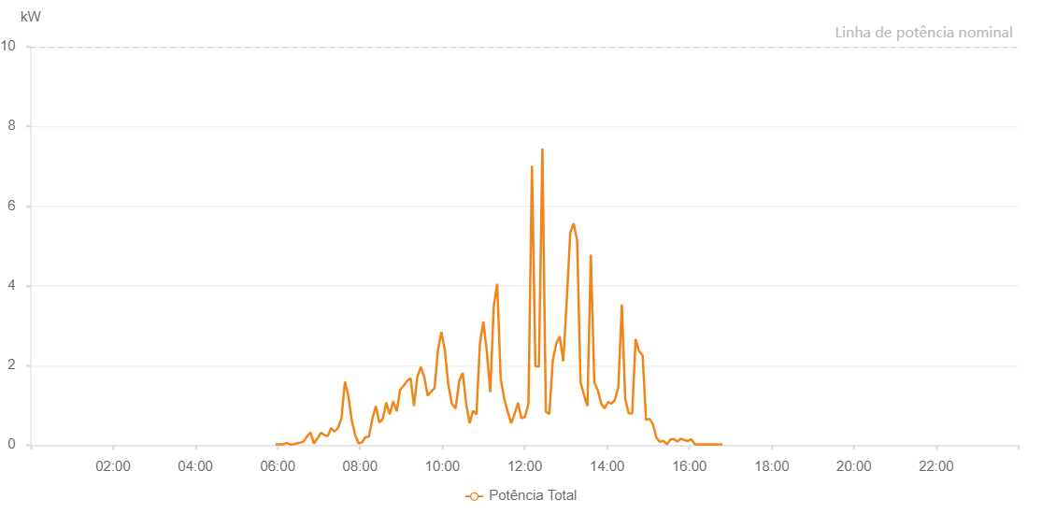

Number | Time | Working State | Alarm Code | Total Inverter Power(W)
1 | 10/06/2022 05:56:43 (UTC-4:00) | Normal |  | 20.000
2 | 10/06/2022 05:57:04 (UTC-4:00) | Normal |  | 20.000
3 | 10/06/2022 06:02:44 (UTC-4:00) | Normal |  | 20.000
4 | 10/06/2022 06:07:50 (UTC-4:00) | Normal |  | 20.000
5 | 10/06/2022 06:12:44 (UTC-4:00) | Normal |  | 50.000
6 | 10/06/2022 06:17:44 (UTC-4:00) | Normal |  | 20.000
7 | 10/06/2022 06:22:46 (UTC-4:00) | Normal |  | 20.000
8 | 10/06/2022 06:27:47 (UTC-4:00) | Normal |  | 40.000
9 | 10/06/2022 06:27:54 (UTC-4:00) | Normal |  | 40.000
10 | 10/06/2022 06:32:46 (UTC-4:00) | Normal |  | 60.000
11 | 10/06/2022 06:37:45 (UTC-4:00) | Normal |  | 90.000
12 | 10/06/2022 06:37:53 (UTC-4:00) | Normal |  | 90.000
13 | 10/06/2022 06:42:48 (UTC-4:00) | Normal |  | 220.000
14 | 10/06/2022 06:47:41 (UTC-4:00) | Normal |  | 310.000
15 | 10/06/2022 06:47:57 (UTC-4:00) | Normal |  | 310.000
16 | 10/06/2022 06:52:43 (UTC-4:00) | Normal |  | 40.000
17 | 10/06/2022 06:57:47 (UTC-4:00) | Normal |  | 170.000
18 | 10/06/2022 06:57:58 (UTC-4:00) | Normal |  | 170.000
19 | 10/06/2022 07:02:51 (UTC-4:00) | Normal |  | 310.000
20 | 10/06/2022 07:07:54 (UTC-4:00) | Normal |  | 250.000
21 | 10/06/2022 07:08:05 (UTC-4:00) | Normal |  | 250.000
22 | 10/06/2022 07:12:53 (UTC-4:00) | Normal |  | 230.000
23 | 10/06/2022 07:17:48 (UTC-4:00) | Normal |  | 420.000
24 | 10/06/2022 07:17:53 (UTC-4:00) | Normal |  | 420.000
25 | 10/06/2022 07:22:52 (UTC-4:00) | Normal |  | 340.000
26 | 10/06/2022 07:27:52 (UTC-4:00) | Normal |  | 430.000
27 | 10/06/2022 07:32:51 (UTC-4:00) | Normal |  | 670.000
28 | 10/06/2022 07:37:55 (UTC-4:00) | Normal |  | 1580.000
29 | 10/06/2022 07:38:02 (UTC-4:00) | Normal |  | 1580.000
30 | 10/06/2022 07:42:50 (UTC-4:00) | Normal |  | 1240.000
31 | 10/06/2022 07:47:51 (UTC-4:00) | Normal |  | 630.000
32 | 10/06/2022 07:52:49 (UTC-4:00) | Normal |  | 260.000
33 | 10/06/2022 07:57:56 (UTC-4:00) | Normal |  | 40.000
34 | 10/06/2022 08:02:49 (UTC-4:00) | Normal |  | 70.000
35 | 10/06/2022 08:07:58 (UTC-4:00) | Normal |  | 200.000
36 | 10/06/2022 08:12:56 (UTC-4:00) | Normal |  | 210.000
37 | 10/06/2022 08:17:57 (UTC-4:00) | Normal |  | 660.000
38 | 10/06/2022 08:22:59 (UTC-4:00) | Normal |  | 980.000
39 | 10/06/2022 08:28:03 (UTC-4:00) | Normal |  | 570.000
40 | 10/06/2022 08:33:07 (UTC-4:00) | Normal |  | 650.000
41 | 10/06/2022 08:38:11 (UTC-4:00) | Normal |  | 1070.000
42 | 10/06/2022 08:43:14 (UTC-4:00) | Normal |  | 770.000
43 | 10/06/2022 08:48:19 (UTC-4:00) | Normal |  | 1090.000
44 | 10/06/2022 08:48:30 (UTC-4:00) | Normal |  | 1090.000
45 | 10/06/2022 08:53:23 (UTC-4:00) | Normal |  | 850.000
46 | 10/06/2022 08:58:26 (UTC-4:00) | Normal |  | 1390.000
47 | 10/06/2022 09:03:30 (UTC-4:00) | Normal |  | 1490.000
48 | 10/06/2022 09:08:35 (UTC-4:00) | Normal |  | 1610.000
49 | 10/06/2022 09:13:37 (UTC-4:00) | Normal |  | 1680.000
50 | 10/06/2022 09:18:37 (UTC-4:00) | Normal |  | 980.000
51 | 10/06/2022 09:23:36 (UTC-4:00) | Normal |  | 1720.000
52 | 10/06/2022 09:28:36 (UTC-4:00) | Normal |  | 1960.000
53 | 10/06/2022 09:33:35 (UTC-4:00) | Normal |  | 1710.000
54 | 10/06/2022 09:38:35 (UTC-4:00) | Normal |  | 1240.000
55 | 10/06/2022 09:43:34 (UTC-4:00) | Normal |  | 1340.000
56 | 10/06/2022 09:48:34 (UTC-4:00) | Normal |  | 1430.000
57 | 10/06/2022 09:53:34 (UTC-4:00) | Normal |  | 2380.000
58 | 10/06/2022 09:58:33 (UTC-4:00) | Normal |  | 2840.000
59 | 10/06/2022 10:03:33 (UTC-4:00) | Normal |  | 2390.000
60 | 10/06/2022 10:08:34 (UTC-4:00) | Normal |  | 1530.000
61 | 10/06/2022 10:13:35 (UTC-4:00) | Normal |  | 1050.000
62 | 10/06/2022 10:18:37 (UTC-4:00) | Normal |  | 930.000
63 | 10/06/2022 10:19:18 (UTC-4:00) | Normal |  | 930.000
64 | 10/06/2022 10:24:41 (UTC-4:00) | Normal |  | 1620.000
65 | 10/06/2022 10:29:41 (UTC-4:00) | Normal |  | 1810.000
66 | 10/06/2022 10:34:41 (UTC-4:00) | Normal |  | 1030.000
67 | 10/06/2022 10:39:41 (UTC-4:00) | Normal |  | 550.000
68 | 10/06/2022 10:44:40 (UTC-4:00) | Normal |  | 860.000
69 | 10/06/2022 10:49:40 (UTC-4:00) | Normal |  | 770.000
70 | 10/06/2022 10:54:40 (UTC-4:00) | Normal |  | 2540.000
71 | 10/06/2022 10:59:39 (UTC-4:00) | Normal |  | 3100.000
72 | 10/06/2022 11:04:44 (UTC-4:00) | Normal |  | 2360.000
73 | 10/06/2022 11:09:49 (UTC-4:00) | Normal |  | 1330.000
74 | 10/06/2022 11:14:52 (UTC-4:00) | Normal |  | 3480.000
75 | 10/06/2022 11:19:55 (UTC-4:00) | Normal |  | 4050.000
76 | 10/06/2022 11:24:59 (UTC-4:00) | Normal |  | 1670.000
77 | 10/06/2022 11:30:02 (UTC-4:00) | Normal |  | 1170.000
78 | 10/06/2022 11:35:10 (UTC-4:00) | Normal |  | 840.000
79 | 10/06/2022 11:40:19 (UTC-4:00) | Normal |  | 550.000
80 | 10/06/2022 11:45:20 (UTC-4:00) | Normal |  | 780.000
81 | 10/06/2022 11:50:17 (UTC-4:00) | Normal |  | 1060.000
82 | 10/06/2022 11:55:22 (UTC-4:00) | Normal |  | 670.000
83 | 10/06/2022 12:00:27 (UTC-4:00) | Normal |  | 710.000
84 | 10/06/2022 12:05:30 (UTC-4:00) | Normal |  | 1040.000
85 | 10/06/2022 12:10:33 (UTC-4:00) | Normal |  | 7010.000
86 | 10/06/2022 12:15:37 (UTC-4:00) | Normal |  | 1980.000
87 | 10/06/2022 12:20:42 (UTC-4:00) | Normal |  | 1970.000
88 | 10/06/2022 12:25:46 (UTC-4:00) | Normal |  | 7440.000
89 | 10/06/2022 12:30:50 (UTC-4:00) | Normal |  | 840.000
90 | 10/06/2022 12:35:56 (UTC-4:00) | Normal |  | 780.000
91 | 10/06/2022 12:40:59 (UTC-4:00) | Normal |  | 2130.000
92 | 10/06/2022 12:46:01 (UTC-4:00) | Normal |  | 2550.000
93 | 10/06/2022 12:51:07 (UTC-4:00) | Normal |  | 2730.000
94 | 10/06/2022 12:56:13 (UTC-4:00) | Normal |  | 2100.000
95 | 10/06/2022 13:01:24 (UTC-4:00) | Normal |  | 3670.000
96 | 10/06/2022 13:06:29 (UTC-4:00) | Normal |  | 5340.000
97 | 10/06/2022 13:06:31 (UTC-4:00) | Normal |  | 5340.000
98 | 10/06/2022 13:11:23 (UTC-4:00) | Normal |  | 5560.000
99 | 10/06/2022 13:16:25 (UTC-4:00) | Normal |  | 5140.000
100 | 10/06/2022 13:21:25 (UTC-4:00) | Normal |  | 1580.000
101 | 10/06/2022 13:26:31 (UTC-4:00) | Normal |  | 1250.000
102 | 10/06/2022 13:31:26 (UTC-4:00) | Normal |  | 980.000
103 | 10/06/2022 13:36:24 (UTC-4:00) | Normal |  | 4780.000
104 | 10/06/2022 13:41:29 (UTC-4:00) | Normal |  | 1570.000
105 | 10/06/2022 13:46:30 (UTC-4:00) | Normal |  | 1380.000
106 | 10/06/2022 13:51:29 (UTC-4:00) | Normal |  | 1040.000
107 | 10/06/2022 13:56:23 (UTC-4:00) | Normal |  | 920.000
108 | 10/06/2022 14:01:30 (UTC-4:00) | Normal |  | 1080.000
109 | 10/06/2022 14:06:32 (UTC-4:00) | Normal |  | 1040.000
110 | 10/06/2022 14:11:21 (UTC-4:00) | Normal |  | 1130.000
111 | 10/06/2022 14:16:33 (UTC-4:00) | Normal |  | 1450.000
112 | 10/06/2022 14:21:35 (UTC-4:00) | Normal |  | 3530.000
113 | 10/06/2022 14:26:34 (UTC-4:00) | Normal |  | 1150.000
114 | 10/06/2022 14:31:35 (UTC-4:00) | Normal |  | 800.000
115 | 10/06/2022 14:36:40 (UTC-4:00) | Normal |  | 790.000
116 | 10/06/2022 14:41:42 (UTC-4:00) | Normal |  | 2660.000
117 | 10/06/2022 14:46:46 (UTC-4:00) | Normal |  | 2360.000
118 | 10/06/2022 14:51:50 (UTC-4:00) | Normal |  | 2250.000
119 | 10/06/2022 14:56:54 (UTC-4:00) | Normal |  | 630.000
120 | 10/06/2022 15:01:59 (UTC-4:00) | Normal |  | 660.000
121 | 10/06/2022 15:07:01 (UTC-4:00) | Normal |  | 520.000
122 | 10/06/2022 15:12:08 (UTC-4:00) | Normal |  | 180.000
123 | 10/06/2022 15:17:11 (UTC-4:00) | Normal |  | 80.000
124 | 10/06/2022 15:22:13 (UTC-4:00) | Normal |  | 110.000
125 | 10/06/2022 15:27:17 (UTC-4:00) | Normal |  | 20.000
126 | 10/06/2022 15:32:23 (UTC-4:00) | Normal |  | 140.000
127 | 10/06/2022 15:37:24 (UTC-4:00) | Normal |  | 150.000
128 | 10/06/2022 15:42:28 (UTC-4:00) | Normal |  | 90.000
129 | 10/06/2022 15:47:37 (UTC-4:00) | Normal |  | 160.000
130 | 10/06/2022 15:52:36 (UTC-4:00) | Normal |  | 130.000
131 | 10/06/2022 15:57:40 (UTC-4:00) | Normal |  | 100.000
132 | 10/06/2022 16:02:44 (UTC-4:00) | Normal |  | 150.000
133 | 10/06/2022 16:07:47 (UTC-4:00) | Normal |  | 20.000
134 | 10/06/2022 16:12:53 (UTC-4:00) | Normal |  | 20.000
135 | 10/06/2022 16:17:57 (UTC-4:00) | Normal |  | 20.000
136 | 10/06/2022 16:22:59 (UTC-4:00) | Normal |  | 20.000
137 | 10/06/2022 16:28:03 (UTC-4:00) | Normal |  | 20.000
138 | 10/06/2022 16:33:07 (UTC-4:00) | Normal |  | 20.000
139 | 10/06/2022 16:38:12 (UTC-4:00) | Normal |  | 20.000
140 | 10/06/2022 16:43:16 (UTC-4:00) | Normal |  | 20.000
141 | 10/06/2022 16:48:17 (UTC-4:00) | Normal |  | 20.000

