Inverter History Report__17-08-
Inverter History Report_11/06/2022_Report

Inverter SN:054B7020C020044 |  | Inverter type:B7
Collector SN:4045086367 |  | Full Load Hours(h):2.45
Rated Power:10000Wp

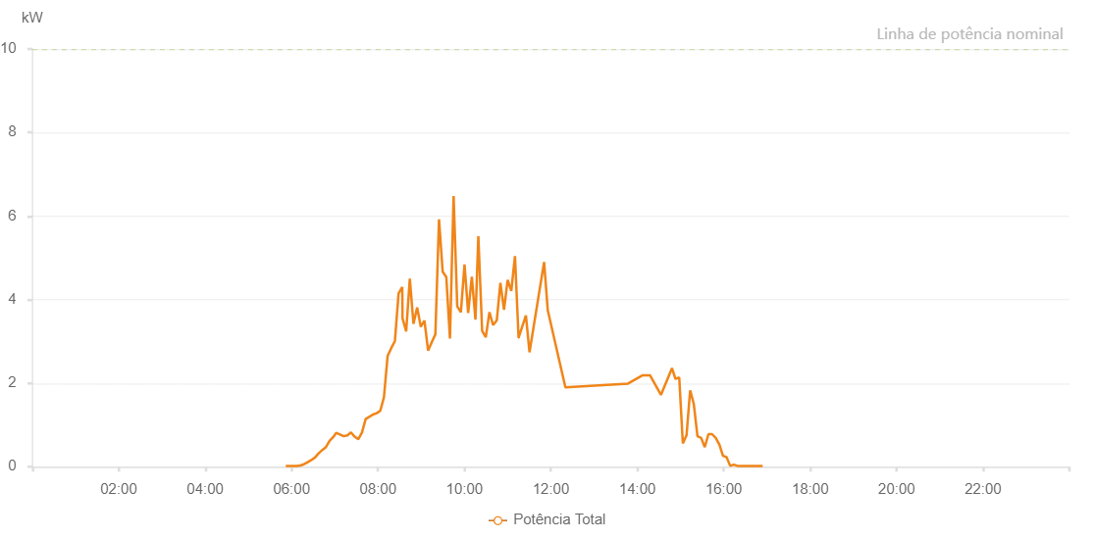

Number | Time | Working State | Alarm Code | Total Inverter Power(W)
1 | 11/06/2022 05:51:56 (UTC-4:00) | Normal |  | 20.000
2 | 11/06/2022 05:56:56 (UTC-4:00) | Normal |  | 20.000
3 | 11/06/2022 06:01:57 (UTC-4:00) | Normal |  | 20.000
4 | 11/06/2022 06:07:01 (UTC-4:00) | Normal |  | 20.000
5 | 11/06/2022 06:12:05 (UTC-4:00) | Normal |  | 30.000
6 | 11/06/2022 06:17:12 (UTC-4:00) | Normal |  | 60.000
7 | 11/06/2022 06:22:17 (UTC-4:00) | Normal |  | 110.000
8 | 11/06/2022 06:27:21 (UTC-4:00) | Normal |  | 160.000
9 | 11/06/2022 06:32:26 (UTC-4:00) | Normal |  | 220.000
10 | 11/06/2022 06:37:30 (UTC-4:00) | Normal |  | 320.000
11 | 11/06/2022 06:42:35 (UTC-4:00) | Normal |  | 400.000
12 | 11/06/2022 06:47:40 (UTC-4:00) | Normal |  | 470.000
13 | 11/06/2022 06:52:45 (UTC-4:00) | Normal |  | 620.000
14 | 11/06/2022 06:57:50 (UTC-4:00) | Normal |  | 710.000
15 | 11/06/2022 07:01:55 (UTC-4:00) | Normal |  | 810.000
16 | 11/06/2022 07:07:12 (UTC-4:00) | Normal |  | 770.000
17 | 11/06/2022 07:12:17 (UTC-4:00) | Normal |  | 730.000
18 | 11/06/2022 07:17:23 (UTC-4:00) | Normal |  | 750.000
19 | 11/06/2022 07:22:27 (UTC-4:00) | Normal |  | 820.000
20 | 11/06/2022 07:27:32 (UTC-4:00) | Normal |  | 720.000
21 | 11/06/2022 07:32:37 (UTC-4:00) | Normal |  | 660.000
22 | 11/06/2022 07:37:42 (UTC-4:00) | Normal |  | 820.000
23 | 11/06/2022 07:42:47 (UTC-4:00) | Normal |  | 1140.000
24 | 11/06/2022 07:52:58 (UTC-4:00) | Normal |  | 1250.000
25 | 11/06/2022 07:58:02 (UTC-4:00) | Normal |  | 1280.000
26 | 11/06/2022 08:03:07 (UTC-4:00) | Normal |  | 1340.000
27 | 11/06/2022 08:08:12 (UTC-4:00) | Normal |  | 1660.000
28 | 11/06/2022 08:13:17 (UTC-4:00) | Normal |  | 2650.000
29 | 11/06/2022 08:18:22 (UTC-4:00) | Normal |  | 2840.000
30 | 11/06/2022 08:23:26 (UTC-4:00) | Normal |  | 3010.000
31 | 11/06/2022 08:28:32 (UTC-4:00) | Normal |  | 4150.000
32 | 11/06/2022 08:33:39 (UTC-4:00) | Normal |  | 4300.000
33 | 11/06/2022 08:34:01 (UTC-4:00) | Normal |  | 3550.000
34 | 11/06/2022 08:39:05 (UTC-4:00) | Normal |  | 3240.000
35 | 11/06/2022 08:44:08 (UTC-4:00) | Normal |  | 4500.000
36 | 11/06/2022 08:49:12 (UTC-4:00) | Normal |  | 3420.000
37 | 11/06/2022 08:54:19 (UTC-4:00) | Normal |  | 3810.000
38 | 11/06/2022 08:59:23 (UTC-4:00) | Normal |  | 3350.000
39 | 11/06/2022 09:04:27 (UTC-4:00) | Normal |  | 3500.000
40 | 11/06/2022 09:09:31 (UTC-4:00) | Normal |  | 2780.000
41 | 11/06/2022 09:14:34 (UTC-4:00) | Normal |  | 2980.000
42 | 11/06/2022 09:19:37 (UTC-4:00) | Normal |  | 3170.000
43 | 11/06/2022 09:24:41 (UTC-4:00) | Normal |  | 5920.000
44 | 11/06/2022 09:29:45 (UTC-4:00) | Normal |  | 4670.000
45 | 11/06/2022 09:34:48 (UTC-4:00) | Normal |  | 4540.000
46 | 11/06/2022 09:39:51 (UTC-4:00) | Normal |  | 3070.000
47 | 11/06/2022 09:44:55 (UTC-4:00) | Normal |  | 6480.000
48 | 11/06/2022 09:49:59 (UTC-4:00) | Normal |  | 3840.000
49 | 11/06/2022 09:55:02 (UTC-4:00) | Normal |  | 3700.000
50 | 11/06/2022 10:00:05 (UTC-4:00) | Normal |  | 4840.000
51 | 11/06/2022 10:05:09 (UTC-4:00) | Normal |  | 3680.000
52 | 11/06/2022 10:10:13 (UTC-4:00) | Normal |  | 4550.000
53 | 11/06/2022 10:15:16 (UTC-4:00) | Normal |  | 3520.000
54 | 11/06/2022 10:19:16 (UTC-4:00) | Normal |  | 5520.000
55 | 11/06/2022 10:24:35 (UTC-4:00) | Normal |  | 3250.000
56 | 11/06/2022 10:29:36 (UTC-4:00) | Normal |  | 3100.000
57 | 11/06/2022 10:34:42 (UTC-4:00) | Normal |  | 3700.000
58 | 11/06/2022 10:39:45 (UTC-4:00) | Normal |  | 3390.000
59 | 11/06/2022 10:44:47 (UTC-4:00) | Normal |  | 3500.000
60 | 11/06/2022 10:44:51 (UTC-4:00) | Normal |  | 3500.000
61 | 11/06/2022 10:49:53 (UTC-4:00) | Normal |  | 4400.000
62 | 11/06/2022 10:54:53 (UTC-4:00) | Normal |  | 3760.000
63 | 11/06/2022 10:59:59 (UTC-4:00) | Normal |  | 4470.000
64 | 11/06/2022 11:05:01 (UTC-4:00) | Normal |  | 4210.000
65 | 11/06/2022 11:10:08 (UTC-4:00) | Normal |  | 5040.000
66 | 11/06/2022 11:15:08 (UTC-4:00) | Normal |  | 3090.000
67 | 11/06/2022 11:15:09 (UTC-4:00) | Normal |  | 3090.000
68 | 11/06/2022 11:25:18 (UTC-4:00) | Normal |  | 3620.000
69 | 11/06/2022 11:30:19 (UTC-4:00) | Normal |  | 2740.000
70 | 11/06/2022 11:50:34 (UTC-4:00) | Normal |  | 4900.000
71 | 11/06/2022 11:55:38 (UTC-4:00) | Normal |  | 3750.000
72 | 11/06/2022 12:20:08 (UTC-4:00) | Normal |  | 1900.000
73 | 11/06/2022 13:47:07 (UTC-4:00) | Normal |  | 1990.000
74 | 11/06/2022 14:07:25 (UTC-4:00) | Normal |  | 2190.000
75 | 11/06/2022 14:17:34 (UTC-4:00) | Normal |  | 2190.000
76 | 11/06/2022 14:32:49 (UTC-4:00) | Normal |  | 1720.000
77 | 11/06/2022 14:48:05 (UTC-4:00) | Normal |  | 2360.000
78 | 11/06/2022 14:53:06 (UTC-4:00) | Normal |  | 2100.000
79 | 11/06/2022 14:58:10 (UTC-4:00) | Normal |  | 2140.000
80 | 11/06/2022 15:03:13 (UTC-4:00) | Normal |  | 560.000
81 | 11/06/2022 15:08:18 (UTC-4:00) | Normal |  | 750.000
82 | 11/06/2022 15:13:22 (UTC-4:00) | Normal |  | 1830.000
83 | 11/06/2022 15:18:26 (UTC-4:00) | Normal |  | 1500.000
84 | 11/06/2022 15:23:30 (UTC-4:00) | Normal |  | 730.000
85 | 11/06/2022 15:28:37 (UTC-4:00) | Normal |  | 690.000
86 | 11/06/2022 15:33:40 (UTC-4:00) | Normal |  | 470.000
87 | 11/06/2022 15:38:44 (UTC-4:00) | Normal |  | 780.000
88 | 11/06/2022 15:43:48 (UTC-4:00) | Normal |  | 780.000
89 | 11/06/2022 15:48:53 (UTC-4:00) | Normal |  | 690.000
90 | 11/06/2022 15:53:56 (UTC-4:00) | Normal |  | 530.000
91 | 11/06/2022 15:58:56 (UTC-4:00) | Normal |  | 260.000
92 | 11/06/2022 16:03:56 (UTC-4:00) | Normal |  | 230.000
93 | 11/06/2022 16:08:56 (UTC-4:00) | Normal |  | 20.000
94 | 11/06/2022 16:13:56 (UTC-4:00) | Normal |  | 50.000
95 | 11/06/2022 16:18:56 (UTC-4:00) | Normal |  | 20.000
96 | 11/06/2022 16:23:56 (UTC-4:00) | Normal |  | 20.000
97 | 11/06/2022 16:28:56 (UTC-4:00) | Normal |  | 20.000
98 | 11/06/2022 16:33:56 (UTC-4:00) | Normal |  | 20.000
99 | 11/06/2022 16:38:57 (UTC-4:00) | Normal |  | 20.000
100 | 11/06/2022 16:43:58 (UTC-4:00) | Normal |  | 20.000
101 | 11/06/2022 16:48:58 (UTC-4:00) | Normal |  | 20.000
102 | 11/06/2022 16:54:00 (UTC-4:00) | Normal |  | 20.000

