Inverter History Report__17-08-
Inverter History Report_16/06/2022_Report

Inverter SN:054B7020C020044 |  | Inverter type:B7
Collector SN:4045086367 |  | Full Load Hours(h):3.45
Rated Power:10000Wp

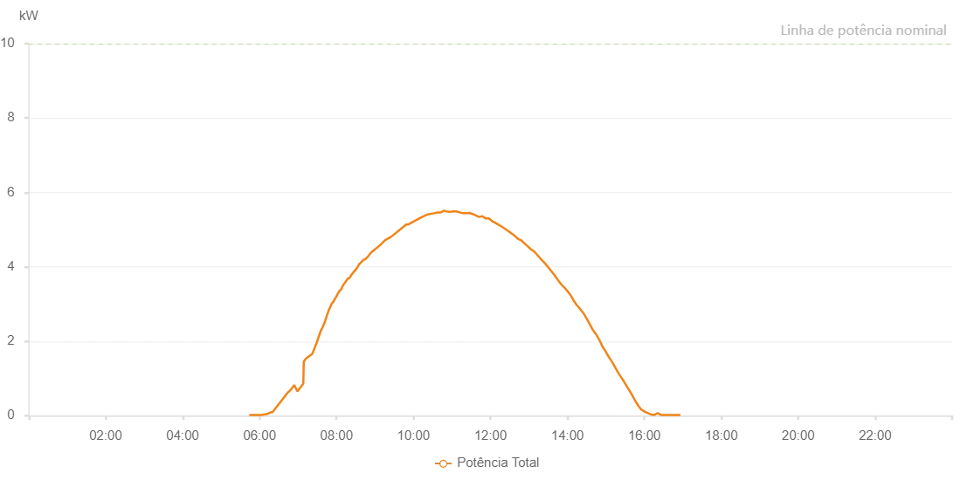

Number | Time | Working State | Alarm Code | Total Inverter Power(W)
1 | 16/06/2022 05:43:54 (UTC-4:00) | Normal |  | 20.000
2 | 16/06/2022 05:48:54 (UTC-4:00) | Normal |  | 20.000
3 | 16/06/2022 05:53:55 (UTC-4:00) | Normal |  | 20.000
4 | 16/06/2022 05:58:58 (UTC-4:00) | Normal |  | 20.000
5 | 16/06/2022 06:04:11 (UTC-4:00) | Normal |  | 20.000
6 | 16/06/2022 06:09:48 (UTC-4:00) | Normal |  | 40.000
7 | 16/06/2022 06:11:06 (UTC-4:00) | Normal |  | 40.000
8 | 16/06/2022 06:14:32 (UTC-4:00) | Normal |  | 70.000
9 | 16/06/2022 06:14:35 (UTC-4:00) | Normal |  | 70.000
10 | 16/06/2022 06:20:22 (UTC-4:00) | Normal |  | 100.000
11 | 16/06/2022 06:44:20 (UTC-4:00) | Normal |  | 630.000
12 | 16/06/2022 06:46:02 (UTC-4:00) | Normal |  | 650.000
13 | 16/06/2022 06:49:10 (UTC-4:00) | Normal |  | 710.000
14 | 16/06/2022 06:54:01 (UTC-4:00) | Normal |  | 820.000
15 | 16/06/2022 06:59:04 (UTC-4:00) | Normal |  | 650.000
16 | 16/06/2022 07:08:10 (UTC-4:00) | Normal |  | 860.000
17 | 16/06/2022 07:08:51 (UTC-4:00) | Normal |  | 1450.000
18 | 16/06/2022 07:12:01 (UTC-4:00) | Normal |  | 1530.000
19 | 16/06/2022 07:22:04 (UTC-4:00) | Normal |  | 1660.000
20 | 16/06/2022 07:23:08 (UTC-4:00) | Normal |  | 1700.000
21 | 16/06/2022 07:29:57 (UTC-4:00) | Normal |  | 2000.000
22 | 16/06/2022 07:30:58 (UTC-4:00) | Normal |  | 2060.000
23 | 16/06/2022 07:35:21 (UTC-4:00) | Normal |  | 2280.000
24 | 16/06/2022 07:37:34 (UTC-4:00) | Normal |  | 2350.000
25 | 16/06/2022 07:41:11 (UTC-4:00) | Normal |  | 2490.000
26 | 16/06/2022 07:44:56 (UTC-4:00) | Normal |  | 2690.000
27 | 16/06/2022 07:47:45 (UTC-4:00) | Normal |  | 2830.000
28 | 16/06/2022 07:52:53 (UTC-4:00) | Normal |  | 3020.000
29 | 16/06/2022 07:55:23 (UTC-4:00) | Normal |  | 3070.000
30 | 16/06/2022 07:56:58 (UTC-4:00) | Normal |  | 3130.000
31 | 16/06/2022 07:57:55 (UTC-4:00) | Normal |  | 3150.000
32 | 16/06/2022 07:59:59 (UTC-4:00) | Normal |  | 3210.000
33 | 16/06/2022 08:03:13 (UTC-4:00) | Normal |  | 3320.000
34 | 16/06/2022 08:03:43 (UTC-4:00) | Normal |  | 3320.000
35 | 16/06/2022 08:04:41 (UTC-4:00) | Normal |  | 3360.000
36 | 16/06/2022 08:06:41 (UTC-4:00) | Normal |  | 3380.000
37 | 16/06/2022 08:08:09 (UTC-4:00) | Normal |  | 3430.000
38 | 16/06/2022 08:09:10 (UTC-4:00) | Normal |  | 3470.000
39 | 16/06/2022 08:11:05 (UTC-4:00) | Normal |  | 3530.000
40 | 16/06/2022 08:12:34 (UTC-4:00) | Normal |  | 3560.000
41 | 16/06/2022 08:16:09 (UTC-4:00) | Normal |  | 3650.000
42 | 16/06/2022 08:17:48 (UTC-4:00) | Normal |  | 3690.000
43 | 16/06/2022 08:20:15 (UTC-4:00) | Normal |  | 3700.000
44 | 16/06/2022 08:23:32 (UTC-4:00) | Normal |  | 3800.000
45 | 16/06/2022 08:24:04 (UTC-4:00) | Normal |  | 3800.000
46 | 16/06/2022 08:24:50 (UTC-4:00) | Normal |  | 3820.000
47 | 16/06/2022 08:27:17 (UTC-4:00) | Normal |  | 3880.000
48 | 16/06/2022 08:27:19 (UTC-4:00) | Normal |  | 3880.000
49 | 16/06/2022 08:27:27 (UTC-4:00) | Normal |  | 3880.000
50 | 16/06/2022 08:27:49 (UTC-4:00) | Normal |  | 3880.000
51 | 16/06/2022 08:32:43 (UTC-4:00) | Normal |  | 3990.000
52 | 16/06/2022 08:34:54 (UTC-4:00) | Normal |  | 4060.000
53 | 16/06/2022 08:42:12 (UTC-4:00) | Normal |  | 4190.000
54 | 16/06/2022 08:44:15 (UTC-4:00) | Normal |  | 4200.000
55 | 16/06/2022 08:49:11 (UTC-4:00) | Normal |  | 4280.000
56 | 16/06/2022 08:53:38 (UTC-4:00) | Normal |  | 4380.000
57 | 16/06/2022 09:08:22 (UTC-4:00) | Normal |  | 4590.000
58 | 16/06/2022 09:16:30 (UTC-4:00) | Normal |  | 4730.000
59 | 16/06/2022 09:17:00 (UTC-4:00) | Normal |  | 4730.000
60 | 16/06/2022 09:24:36 (UTC-4:00) | Normal |  | 4800.000
61 | 16/06/2022 09:47:25 (UTC-4:00) | Normal |  | 5120.000
62 | 16/06/2022 09:47:59 (UTC-4:00) | Normal |  | 5140.000
63 | 16/06/2022 09:51:52 (UTC-4:00) | Normal |  | 5140.000
64 | 16/06/2022 09:52:02 (UTC-4:00) | Normal |  | 5140.000
65 | 16/06/2022 10:06:52 (UTC-4:00) | Normal |  | 5280.000
66 | 16/06/2022 10:11:56 (UTC-4:00) | Normal |  | 5330.000
67 | 16/06/2022 10:11:57 (UTC-4:00) | Normal |  | 5330.000
68 | 16/06/2022 10:17:00 (UTC-4:00) | Normal |  | 5370.000
69 | 16/06/2022 10:22:06 (UTC-4:00) | Normal |  | 5410.000
70 | 16/06/2022 10:32:13 (UTC-4:00) | Normal |  | 5440.000
71 | 16/06/2022 10:37:15 (UTC-4:00) | Normal |  | 5460.000
72 | 16/06/2022 10:42:19 (UTC-4:00) | Normal |  | 5460.000
73 | 16/06/2022 10:47:22 (UTC-4:00) | Normal |  | 5510.000
74 | 16/06/2022 10:51:26 (UTC-4:00) | Normal |  | 5490.000
75 | 16/06/2022 10:56:43 (UTC-4:00) | Normal |  | 5480.000
76 | 16/06/2022 11:02:22 (UTC-4:00) | Normal |  | 5490.000
77 | 16/06/2022 11:06:51 (UTC-4:00) | Normal |  | 5490.000
78 | 16/06/2022 11:17:23 (UTC-4:00) | Normal |  | 5440.000
79 | 16/06/2022 11:22:23 (UTC-4:00) | Normal |  | 5440.000
80 | 16/06/2022 11:27:06 (UTC-4:00) | Normal |  | 5450.000
81 | 16/06/2022 11:32:09 (UTC-4:00) | Normal |  | 5420.000
82 | 16/06/2022 11:37:15 (UTC-4:00) | Normal |  | 5380.000
83 | 16/06/2022 11:42:17 (UTC-4:00) | Normal |  | 5340.000
84 | 16/06/2022 11:47:20 (UTC-4:00) | Normal |  | 5360.000
85 | 16/06/2022 11:52:25 (UTC-4:00) | Normal |  | 5300.000
86 | 16/06/2022 11:57:29 (UTC-4:00) | Normal |  | 5300.000
87 | 16/06/2022 12:02:32 (UTC-4:00) | Normal |  | 5230.000
88 | 16/06/2022 12:07:41 (UTC-4:00) | Normal |  | 5180.000
89 | 16/06/2022 12:17:46 (UTC-4:00) | Normal |  | 5080.000
90 | 16/06/2022 12:22:49 (UTC-4:00) | Normal |  | 5020.000
91 | 16/06/2022 12:27:52 (UTC-4:00) | Normal |  | 4960.000
92 | 16/06/2022 12:38:01 (UTC-4:00) | Normal |  | 4830.000
93 | 16/06/2022 12:43:06 (UTC-4:00) | Normal |  | 4750.000
94 | 16/06/2022 12:48:08 (UTC-4:00) | Normal |  | 4710.000
95 | 16/06/2022 12:53:12 (UTC-4:00) | Normal |  | 4630.000
96 | 16/06/2022 12:58:17 (UTC-4:00) | Normal |  | 4550.000
97 | 16/06/2022 13:03:22 (UTC-4:00) | Normal |  | 4470.000
98 | 16/06/2022 13:08:23 (UTC-4:00) | Normal |  | 4410.000
99 | 16/06/2022 13:13:29 (UTC-4:00) | Normal |  | 4310.000
100 | 16/06/2022 13:18:30 (UTC-4:00) | Normal |  | 4210.000
101 | 16/06/2022 13:23:37 (UTC-4:00) | Normal |  | 4120.000
102 | 16/06/2022 13:28:39 (UTC-4:00) | Normal |  | 4020.000
103 | 16/06/2022 13:33:41 (UTC-4:00) | Normal |  | 3910.000
104 | 16/06/2022 13:38:45 (UTC-4:00) | Normal |  | 3800.000
105 | 16/06/2022 13:43:51 (UTC-4:00) | Normal |  | 3680.000
106 | 16/06/2022 13:48:53 (UTC-4:00) | Normal |  | 3560.000
107 | 16/06/2022 13:53:59 (UTC-4:00) | Normal |  | 3460.000
108 | 16/06/2022 13:54:24 (UTC-4:00) | Normal |  | 3460.000
109 | 16/06/2022 13:59:03 (UTC-4:00) | Normal |  | 3370.000
110 | 16/06/2022 14:04:07 (UTC-4:00) | Normal |  | 3260.000
111 | 16/06/2022 14:04:17 (UTC-4:00) | Normal |  | 3260.000
112 | 16/06/2022 14:09:08 (UTC-4:00) | Normal |  | 3110.000
113 | 16/06/2022 14:14:12 (UTC-4:00) | Normal |  | 2980.000
114 | 16/06/2022 14:19:16 (UTC-4:00) | Normal |  | 2880.000
115 | 16/06/2022 14:24:22 (UTC-4:00) | Normal |  | 2770.000
116 | 16/06/2022 14:29:23 (UTC-4:00) | Normal |  | 2630.000
117 | 16/06/2022 14:34:26 (UTC-4:00) | Normal |  | 2470.000
118 | 16/06/2022 14:39:30 (UTC-4:00) | Normal |  | 2310.000
119 | 16/06/2022 14:44:35 (UTC-4:00) | Normal |  | 2190.000
120 | 16/06/2022 14:49:40 (UTC-4:00) | Normal |  | 2040.000
121 | 16/06/2022 14:54:41 (UTC-4:00) | Normal |  | 1860.000
122 | 16/06/2022 14:59:46 (UTC-4:00) | Normal |  | 1720.000
123 | 16/06/2022 15:04:49 (UTC-4:00) | Normal |  | 1570.000
124 | 16/06/2022 15:09:53 (UTC-4:00) | Normal |  | 1440.000
125 | 16/06/2022 15:14:58 (UTC-4:00) | Normal |  | 1280.000
126 | 16/06/2022 15:20:00 (UTC-4:00) | Normal |  | 1130.000
127 | 16/06/2022 15:25:06 (UTC-4:00) | Normal |  | 1000.000
128 | 16/06/2022 15:30:07 (UTC-4:00) | Normal |  | 860.000
129 | 16/06/2022 15:35:10 (UTC-4:00) | Normal |  | 720.000
130 | 16/06/2022 15:40:18 (UTC-4:00) | Normal |  | 570.000
131 | 16/06/2022 15:45:19 (UTC-4:00) | Normal |  | 410.000
132 | 16/06/2022 15:45:30 (UTC-4:00) | Normal |  | 410.000
133 | 16/06/2022 15:50:21 (UTC-4:00) | Normal |  | 270.000
134 | 16/06/2022 15:55:27 (UTC-4:00) | Normal |  | 160.000
135 | 16/06/2022 16:00:29 (UTC-4:00) | Normal |  | 110.000
136 | 16/06/2022 16:05:34 (UTC-4:00) | Normal |  | 70.000
137 | 16/06/2022 16:10:38 (UTC-4:00) | Normal |  | 30.000
138 | 16/06/2022 16:15:43 (UTC-4:00) | Normal |  | 20.000
139 | 16/06/2022 16:20:47 (UTC-4:00) | Normal |  | 70.000
140 | 16/06/2022 16:25:51 (UTC-4:00) | Normal |  | 20.000
141 | 16/06/2022 16:30:53 (UTC-4:00) | Normal |  | 20.000
142 | 16/06/2022 16:35:57 (UTC-4:00) | Normal |  | 20.000
143 | 16/06/2022 16:41:00 (UTC-4:00) | Normal |  | 20.000
144 | 16/06/2022 16:46:05 (UTC-4:00) | Normal |  | 20.000
145 | 16/06/2022 16:51:09 (UTC-4:00) | Normal |  | 20.000
146 | 16/06/2022 16:56:14 (UTC-4:00) | Normal |  | 20.000

