Inverter History Report__17-08-
Inverter History Report_17/06/2022_Report

Inverter SN:054B7020C020044 |  | Inverter type:B7
Collector SN:4045086367 |  | Full Load Hours(h):3.54
Rated Power:10000Wp

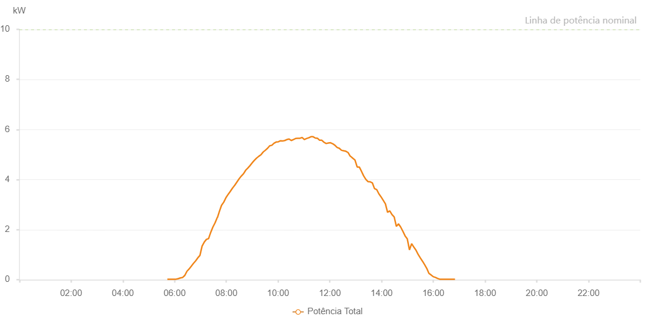

Number | Time | Working State | Alarm Code | Total Inverter Power(W)
1 | 17/06/2022 05:43:14 (UTC-4:00) | Normal |  | 20.000
2 | 17/06/2022 05:48:15 (UTC-4:00) | Normal |  | 20.000
3 | 17/06/2022 05:53:14 (UTC-4:00) | Normal |  | 20.000
4 | 17/06/2022 05:58:16 (UTC-4:00) | Normal |  | 20.000
5 | 17/06/2022 06:03:21 (UTC-4:00) | Normal |  | 20.000
6 | 17/06/2022 06:08:26 (UTC-4:00) | Normal |  | 40.000
7 | 17/06/2022 06:13:31 (UTC-4:00) | Normal |  | 70.000
8 | 17/06/2022 06:18:35 (UTC-4:00) | Normal |  | 90.000
9 | 17/06/2022 06:18:47 (UTC-4:00) | Normal |  | 90.000
10 | 17/06/2022 06:23:40 (UTC-4:00) | Normal |  | 170.000
11 | 17/06/2022 06:28:46 (UTC-4:00) | Normal |  | 340.000
12 | 17/06/2022 06:28:54 (UTC-4:00) | Normal |  | 340.000
13 | 17/06/2022 06:33:44 (UTC-4:00) | Normal |  | 430.000
14 | 17/06/2022 06:38:47 (UTC-4:00) | Normal |  | 540.000
15 | 17/06/2022 06:43:44 (UTC-4:00) | Normal |  | 650.000
16 | 17/06/2022 06:48:47 (UTC-4:00) | Normal |  | 750.000
17 | 17/06/2022 06:53:44 (UTC-4:00) | Normal |  | 870.000
18 | 17/06/2022 06:58:47 (UTC-4:00) | Normal |  | 970.000
19 | 17/06/2022 07:03:44 (UTC-4:00) | Normal |  | 1340.000
20 | 17/06/2022 07:08:45 (UTC-4:00) | Normal |  | 1500.000
21 | 17/06/2022 07:13:47 (UTC-4:00) | Normal |  | 1610.000
22 | 17/06/2022 07:18:45 (UTC-4:00) | Normal |  | 1640.000
23 | 17/06/2022 07:23:48 (UTC-4:00) | Normal |  | 1890.000
24 | 17/06/2022 07:28:45 (UTC-4:00) | Normal |  | 2100.000
25 | 17/06/2022 07:33:49 (UTC-4:00) | Normal |  | 2270.000
26 | 17/06/2022 07:38:56 (UTC-4:00) | Normal |  | 2480.000
27 | 17/06/2022 07:39:18 (UTC-4:00) | Normal |  | 2480.000
28 | 17/06/2022 07:43:57 (UTC-4:00) | Normal |  | 2730.000
29 | 17/06/2022 07:49:03 (UTC-4:00) | Normal |  | 2980.000
30 | 17/06/2022 07:49:14 (UTC-4:00) | Normal |  | 2980.000
31 | 17/06/2022 07:54:06 (UTC-4:00) | Normal |  | 3100.000
32 | 17/06/2022 07:59:10 (UTC-4:00) | Normal |  | 3280.000
33 | 17/06/2022 08:04:14 (UTC-4:00) | Normal |  | 3410.000
34 | 17/06/2022 08:09:20 (UTC-4:00) | Normal |  | 3530.000
35 | 17/06/2022 08:14:23 (UTC-4:00) | Normal |  | 3660.000
36 | 17/06/2022 08:19:27 (UTC-4:00) | Normal |  | 3770.000
37 | 17/06/2022 08:24:31 (UTC-4:00) | Normal |  | 3900.000
38 | 17/06/2022 08:29:36 (UTC-4:00) | Normal |  | 4030.000
39 | 17/06/2022 08:34:41 (UTC-4:00) | Normal |  | 4140.000
40 | 17/06/2022 08:39:46 (UTC-4:00) | Normal |  | 4230.000
41 | 17/06/2022 08:44:49 (UTC-4:00) | Normal |  | 4370.000
42 | 17/06/2022 08:49:55 (UTC-4:00) | Normal |  | 4460.000
43 | 17/06/2022 08:55:01 (UTC-4:00) | Normal |  | 4560.000
44 | 17/06/2022 09:00:03 (UTC-4:00) | Normal |  | 4670.000
45 | 17/06/2022 09:05:10 (UTC-4:00) | Normal |  | 4770.000
46 | 17/06/2022 09:10:11 (UTC-4:00) | Normal |  | 4860.000
47 | 17/06/2022 09:10:22 (UTC-4:00) | Normal |  | 4860.000
48 | 17/06/2022 09:15:15 (UTC-4:00) | Normal |  | 4930.000
49 | 17/06/2022 09:20:19 (UTC-4:00) | Normal |  | 4990.000
50 | 17/06/2022 09:25:24 (UTC-4:00) | Normal |  | 5100.000
51 | 17/06/2022 09:30:27 (UTC-4:00) | Normal |  | 5170.000
52 | 17/06/2022 09:35:31 (UTC-4:00) | Normal |  | 5250.000
53 | 17/06/2022 09:40:35 (UTC-4:00) | Normal |  | 5350.000
54 | 17/06/2022 09:45:35 (UTC-4:00) | Normal |  | 5370.000
55 | 17/06/2022 09:50:35 (UTC-4:00) | Normal |  | 5450.000
56 | 17/06/2022 09:55:37 (UTC-4:00) | Normal |  | 5500.000
57 | 17/06/2022 10:00:36 (UTC-4:00) | Normal |  | 5510.000
58 | 17/06/2022 10:05:36 (UTC-4:00) | Normal |  | 5550.000
59 | 17/06/2022 10:10:36 (UTC-4:00) | Normal |  | 5540.000
60 | 17/06/2022 10:15:36 (UTC-4:00) | Normal |  | 5560.000
61 | 17/06/2022 10:20:36 (UTC-4:00) | Normal |  | 5600.000
62 | 17/06/2022 10:25:37 (UTC-4:00) | Normal |  | 5620.000
63 | 17/06/2022 10:30:37 (UTC-4:00) | Normal |  | 5560.000
64 | 17/06/2022 10:35:38 (UTC-4:00) | Normal |  | 5600.000
65 | 17/06/2022 10:40:38 (UTC-4:00) | Normal |  | 5640.000
66 | 17/06/2022 10:45:40 (UTC-4:00) | Normal |  | 5650.000
67 | 17/06/2022 10:50:44 (UTC-4:00) | Normal |  | 5650.000
68 | 17/06/2022 10:55:49 (UTC-4:00) | Normal |  | 5680.000
69 | 17/06/2022 11:00:52 (UTC-4:00) | Normal |  | 5600.000
70 | 17/06/2022 11:05:56 (UTC-4:00) | Normal |  | 5640.000
71 | 17/06/2022 11:11:00 (UTC-4:00) | Normal |  | 5670.000
72 | 17/06/2022 11:11:12 (UTC-4:00) | Normal |  | 5670.000
73 | 17/06/2022 11:16:05 (UTC-4:00) | Normal |  | 5710.000
74 | 17/06/2022 11:21:14 (UTC-4:00) | Normal |  | 5710.000
75 | 17/06/2022 11:26:13 (UTC-4:00) | Normal |  | 5660.000
76 | 17/06/2022 11:31:18 (UTC-4:00) | Normal |  | 5650.000
77 | 17/06/2022 11:36:22 (UTC-4:00) | Normal |  | 5570.000
78 | 17/06/2022 11:41:25 (UTC-4:00) | Normal |  | 5570.000
79 | 17/06/2022 11:46:29 (UTC-4:00) | Normal |  | 5490.000
80 | 17/06/2022 11:51:33 (UTC-4:00) | Normal |  | 5440.000
81 | 17/06/2022 11:56:38 (UTC-4:00) | Normal |  | 5460.000
82 | 17/06/2022 12:01:41 (UTC-4:00) | Normal |  | 5470.000
83 | 17/06/2022 12:06:46 (UTC-4:00) | Normal |  | 5430.000
84 | 17/06/2022 12:11:50 (UTC-4:00) | Normal |  | 5370.000
85 | 17/06/2022 12:16:55 (UTC-4:00) | Normal |  | 5280.000
86 | 17/06/2022 12:21:58 (UTC-4:00) | Normal |  | 5250.000
87 | 17/06/2022 12:27:02 (UTC-4:00) | Normal |  | 5170.000
88 | 17/06/2022 12:32:06 (UTC-4:00) | Normal |  | 5150.000
89 | 17/06/2022 12:37:11 (UTC-4:00) | Normal |  | 5130.000
90 | 17/06/2022 12:42:14 (UTC-4:00) | Normal |  | 5080.000
91 | 17/06/2022 12:47:21 (UTC-4:00) | Normal |  | 4930.000
92 | 17/06/2022 12:48:03 (UTC-4:00) | Normal |  | 4930.000
93 | 17/06/2022 12:53:22 (UTC-4:00) | Normal |  | 4850.000
94 | 17/06/2022 12:58:21 (UTC-4:00) | Normal |  | 4780.000
95 | 17/06/2022 13:03:27 (UTC-4:00) | Normal |  | 4500.000
96 | 17/06/2022 13:08:22 (UTC-4:00) | Normal |  | 4500.000
97 | 17/06/2022 13:13:23 (UTC-4:00) | Normal |  | 4330.000
98 | 17/06/2022 13:18:21 (UTC-4:00) | Normal |  | 4150.000
99 | 17/06/2022 13:23:25 (UTC-4:00) | Normal |  | 4010.000
100 | 17/06/2022 13:28:23 (UTC-4:00) | Normal |  | 3920.000
101 | 17/06/2022 13:33:30 (UTC-4:00) | Normal |  | 3910.000
102 | 17/06/2022 13:38:31 (UTC-4:00) | Normal |  | 3870.000
103 | 17/06/2022 13:43:36 (UTC-4:00) | Normal |  | 3640.000
104 | 17/06/2022 13:48:39 (UTC-4:00) | Normal |  | 3600.000
105 | 17/06/2022 13:53:43 (UTC-4:00) | Normal |  | 3430.000
106 | 17/06/2022 13:58:46 (UTC-4:00) | Normal |  | 3310.000
107 | 17/06/2022 14:03:51 (UTC-4:00) | Normal |  | 3170.000
108 | 17/06/2022 14:08:54 (UTC-4:00) | Normal |  | 3030.000
109 | 17/06/2022 14:13:58 (UTC-4:00) | Normal |  | 2690.000
110 | 17/06/2022 14:19:02 (UTC-4:00) | Normal |  | 2750.000
111 | 17/06/2022 14:24:09 (UTC-4:00) | Normal |  | 2600.000
112 | 17/06/2022 14:29:12 (UTC-4:00) | Normal |  | 2510.000
113 | 17/06/2022 14:34:16 (UTC-4:00) | Normal |  | 2130.000
114 | 17/06/2022 14:39:20 (UTC-4:00) | Normal |  | 2230.000
115 | 17/06/2022 14:44:25 (UTC-4:00) | Normal |  | 2100.000
116 | 17/06/2022 14:49:31 (UTC-4:00) | Normal |  | 1930.000
117 | 17/06/2022 14:54:32 (UTC-4:00) | Normal |  | 1750.000
118 | 17/06/2022 14:59:37 (UTC-4:00) | Normal |  | 1630.000
119 | 17/06/2022 15:04:40 (UTC-4:00) | Normal |  | 1190.000
120 | 17/06/2022 15:09:43 (UTC-4:00) | Normal |  | 1440.000
121 | 17/06/2022 15:14:47 (UTC-4:00) | Normal |  | 1300.000
122 | 17/06/2022 15:19:47 (UTC-4:00) | Normal |  | 1180.000
123 | 17/06/2022 15:24:47 (UTC-4:00) | Normal |  | 1010.000
124 | 17/06/2022 15:29:48 (UTC-4:00) | Normal |  | 870.000
125 | 17/06/2022 15:34:48 (UTC-4:00) | Normal |  | 740.000
126 | 17/06/2022 15:39:48 (UTC-4:00) | Normal |  | 600.000
127 | 17/06/2022 15:44:48 (UTC-4:00) | Normal |  | 450.000
128 | 17/06/2022 15:49:48 (UTC-4:00) | Normal |  | 250.000
129 | 17/06/2022 15:54:49 (UTC-4:00) | Normal |  | 190.000
130 | 17/06/2022 15:59:52 (UTC-4:00) | Normal |  | 120.000
131 | 17/06/2022 16:04:52 (UTC-4:00) | Normal |  | 90.000
132 | 17/06/2022 16:09:52 (UTC-4:00) | Normal |  | 50.000
133 | 17/06/2022 16:14:53 (UTC-4:00) | Normal |  | 20.000
134 | 17/06/2022 16:19:52 (UTC-4:00) | Normal |  | 20.000
135 | 17/06/2022 16:24:54 (UTC-4:00) | Normal |  | 20.000
136 | 17/06/2022 16:29:59 (UTC-4:00) | Normal |  | 20.000
137 | 17/06/2022 16:35:02 (UTC-4:00) | Normal |  | 20.000
138 | 17/06/2022 16:40:07 (UTC-4:00) | Normal |  | 20.000
139 | 17/06/2022 16:45:11 (UTC-4:00) | Normal |  | 20.000
140 | 17/06/2022 16:50:16 (UTC-4:00) | Normal |  | 20.000

