Inverter History Report__17-08-
Inverter History Report_19/06/2022_Report

Inverter SN:054B7020C020044 |  | Inverter type:B7
Collector SN:4045086367 |  | Full Load Hours(h):2.77
Rated Power:10000Wp

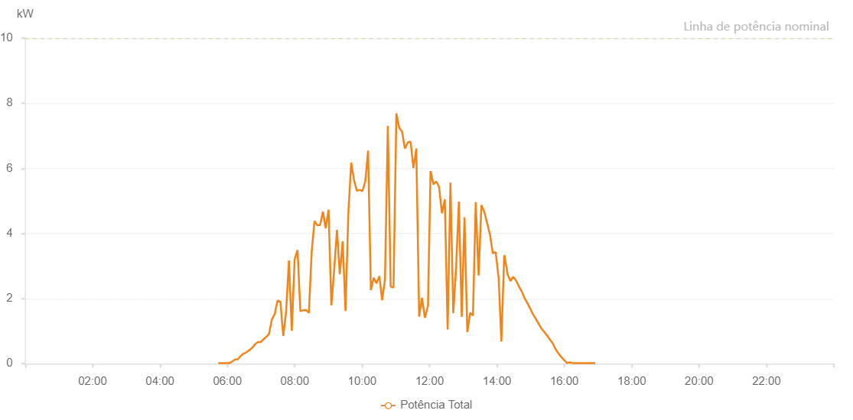

Number | Time | Working State | Alarm Code | Total Inverter Power(W)
1 | 19/06/2022 05:43:42 (UTC-4:00) | Normal |  | 20.000
2 | 19/06/2022 05:48:43 (UTC-4:00) | Normal |  | 20.000
3 | 19/06/2022 05:53:43 (UTC-4:00) | Normal |  | 20.000
4 | 19/06/2022 05:58:47 (UTC-4:00) | Normal |  | 20.000
5 | 19/06/2022 06:03:50 (UTC-4:00) | Normal |  | 20.000
6 | 19/06/2022 06:08:51 (UTC-4:00) | Normal |  | 70.000
7 | 19/06/2022 06:13:51 (UTC-4:00) | Normal |  | 130.000
8 | 19/06/2022 06:18:52 (UTC-4:00) | Normal |  | 140.000
9 | 19/06/2022 06:23:52 (UTC-4:00) | Normal |  | 240.000
10 | 19/06/2022 06:28:52 (UTC-4:00) | Normal |  | 310.000
11 | 19/06/2022 06:33:53 (UTC-4:00) | Normal |  | 350.000
12 | 19/06/2022 06:38:53 (UTC-4:00) | Normal |  | 410.000
13 | 19/06/2022 06:43:53 (UTC-4:00) | Normal |  | 480.000
14 | 19/06/2022 06:48:56 (UTC-4:00) | Normal |  | 590.000
15 | 19/06/2022 06:53:56 (UTC-4:00) | Normal |  | 660.000
16 | 19/06/2022 06:58:56 (UTC-4:00) | Normal |  | 660.000
17 | 19/06/2022 07:03:58 (UTC-4:00) | Normal |  | 740.000
18 | 19/06/2022 07:09:03 (UTC-4:00) | Normal |  | 820.000
19 | 19/06/2022 07:14:08 (UTC-4:00) | Normal |  | 910.000
20 | 19/06/2022 07:19:13 (UTC-4:00) | Normal |  | 1360.000
21 | 19/06/2022 07:24:17 (UTC-4:00) | Normal |  | 1520.000
22 | 19/06/2022 07:29:21 (UTC-4:00) | Normal |  | 1940.000
23 | 19/06/2022 07:34:25 (UTC-4:00) | Normal |  | 1910.000
24 | 19/06/2022 07:39:30 (UTC-4:00) | Normal |  | 850.000
25 | 19/06/2022 07:44:34 (UTC-4:00) | Normal |  | 1590.000
26 | 19/06/2022 07:49:38 (UTC-4:00) | Normal |  | 3170.000
27 | 19/06/2022 07:54:42 (UTC-4:00) | Normal |  | 1010.000
28 | 19/06/2022 07:59:48 (UTC-4:00) | Normal |  | 3220.000
29 | 19/06/2022 07:59:59 (UTC-4:00) | Normal |  | 3220.000
30 | 19/06/2022 08:04:55 (UTC-4:00) | Normal |  | 3490.000
31 | 19/06/2022 08:09:59 (UTC-4:00) | Normal |  | 1610.000
32 | 19/06/2022 08:15:04 (UTC-4:00) | Normal |  | 1640.000
33 | 19/06/2022 08:20:07 (UTC-4:00) | Normal |  | 1650.000
34 | 19/06/2022 08:25:07 (UTC-4:00) | Normal |  | 1560.000
35 | 19/06/2022 08:30:07 (UTC-4:00) | Normal |  | 3440.000
36 | 19/06/2022 08:35:08 (UTC-4:00) | Normal |  | 4380.000
37 | 19/06/2022 08:40:08 (UTC-4:00) | Normal |  | 4250.000
38 | 19/06/2022 08:45:08 (UTC-4:00) | Normal |  | 4260.000
39 | 19/06/2022 08:50:09 (UTC-4:00) | Normal |  | 4670.000
40 | 19/06/2022 08:55:09 (UTC-4:00) | Normal |  | 4160.000
41 | 19/06/2022 09:00:09 (UTC-4:00) | Normal |  | 4730.000
42 | 19/06/2022 09:05:09 (UTC-4:00) | Normal |  | 1790.000
43 | 19/06/2022 09:10:11 (UTC-4:00) | Normal |  | 2880.000
44 | 19/06/2022 09:15:11 (UTC-4:00) | Normal |  | 4110.000
45 | 19/06/2022 09:20:13 (UTC-4:00) | Normal |  | 2750.000
46 | 19/06/2022 09:25:19 (UTC-4:00) | Normal |  | 3760.000
47 | 19/06/2022 09:30:22 (UTC-4:00) | Normal |  | 1620.000
48 | 19/06/2022 09:35:26 (UTC-4:00) | Normal |  | 4630.000
49 | 19/06/2022 09:40:31 (UTC-4:00) | Normal |  | 6180.000
50 | 19/06/2022 09:45:31 (UTC-4:00) | Normal |  | 5640.000
51 | 19/06/2022 09:50:31 (UTC-4:00) | Normal |  | 5310.000
52 | 19/06/2022 09:55:34 (UTC-4:00) | Normal |  | 5340.000
53 | 19/06/2022 10:00:34 (UTC-4:00) | Normal |  | 5300.000
54 | 19/06/2022 10:05:34 (UTC-4:00) | Normal |  | 5600.000
55 | 19/06/2022 10:10:35 (UTC-4:00) | Normal |  | 6540.000
56 | 19/06/2022 10:15:35 (UTC-4:00) | Normal |  | 2260.000
57 | 19/06/2022 10:20:35 (UTC-4:00) | Normal |  | 2640.000
58 | 19/06/2022 10:25:36 (UTC-4:00) | Normal |  | 2470.000
59 | 19/06/2022 10:30:36 (UTC-4:00) | Normal |  | 2690.000
60 | 19/06/2022 10:35:36 (UTC-4:00) | Normal |  | 1950.000
61 | 19/06/2022 10:40:38 (UTC-4:00) | Normal |  | 2580.000
62 | 19/06/2022 10:45:43 (UTC-4:00) | Normal |  | 7310.000
63 | 19/06/2022 10:50:47 (UTC-4:00) | Normal |  | 2370.000
64 | 19/06/2022 10:55:51 (UTC-4:00) | Normal |  | 2340.000
65 | 19/06/2022 11:00:56 (UTC-4:00) | Normal |  | 7690.000
66 | 19/06/2022 11:06:01 (UTC-4:00) | Normal |  | 7240.000
67 | 19/06/2022 11:06:12 (UTC-4:00) | Normal |  | 7240.000
68 | 19/06/2022 11:11:04 (UTC-4:00) | Normal |  | 7130.000
69 | 19/06/2022 11:16:09 (UTC-4:00) | Normal |  | 6610.000
70 | 19/06/2022 11:21:13 (UTC-4:00) | Normal |  | 6800.000
71 | 19/06/2022 11:26:18 (UTC-4:00) | Normal |  | 6820.000
72 | 19/06/2022 11:31:21 (UTC-4:00) | Normal |  | 6010.000
73 | 19/06/2022 11:36:26 (UTC-4:00) | Normal |  | 6610.000
74 | 19/06/2022 11:41:30 (UTC-4:00) | Normal |  | 1450.000
75 | 19/06/2022 11:46:35 (UTC-4:00) | Normal |  | 2020.000
76 | 19/06/2022 11:51:40 (UTC-4:00) | Normal |  | 1410.000
77 | 19/06/2022 11:56:44 (UTC-4:00) | Normal |  | 1750.000
78 | 19/06/2022 11:57:11 (UTC-4:00) | Normal |  | 1750.000
79 | 19/06/2022 12:01:48 (UTC-4:00) | Normal |  | 5920.000
80 | 19/06/2022 12:06:55 (UTC-4:00) | Normal |  | 5510.000
81 | 19/06/2022 12:11:57 (UTC-4:00) | Normal |  | 5600.000
82 | 19/06/2022 12:17:01 (UTC-4:00) | Normal |  | 5430.000
83 | 19/06/2022 12:22:06 (UTC-4:00) | Normal |  | 4620.000
84 | 19/06/2022 12:27:11 (UTC-4:00) | Normal |  | 5050.000
85 | 19/06/2022 12:32:14 (UTC-4:00) | Normal |  | 1050.000
86 | 19/06/2022 12:37:14 (UTC-4:00) | Normal |  | 5560.000
87 | 19/06/2022 12:42:15 (UTC-4:00) | Normal |  | 1550.000
88 | 19/06/2022 12:47:15 (UTC-4:00) | Normal |  | 2920.000
89 | 19/06/2022 12:52:16 (UTC-4:00) | Normal |  | 4980.000
90 | 19/06/2022 12:57:19 (UTC-4:00) | Normal |  | 1440.000
91 | 19/06/2022 13:02:15 (UTC-4:00) | Normal |  | 4500.000
92 | 19/06/2022 13:07:16 (UTC-4:00) | Normal |  | 970.000
93 | 19/06/2022 13:12:16 (UTC-4:00) | Normal |  | 1560.000
94 | 19/06/2022 13:17:16 (UTC-4:00) | Normal |  | 1480.000
95 | 19/06/2022 13:22:17 (UTC-4:00) | Normal |  | 4960.000
96 | 19/06/2022 13:27:18 (UTC-4:00) | Normal |  | 2710.000
97 | 19/06/2022 13:32:25 (UTC-4:00) | Normal |  | 4870.000
98 | 19/06/2022 13:37:26 (UTC-4:00) | Normal |  | 4670.000
99 | 19/06/2022 13:42:31 (UTC-4:00) | Normal |  | 4320.000
100 | 19/06/2022 13:47:35 (UTC-4:00) | Normal |  | 3970.000
101 | 19/06/2022 13:52:40 (UTC-4:00) | Normal |  | 3390.000
102 | 19/06/2022 13:57:44 (UTC-4:00) | Normal |  | 3430.000
103 | 19/06/2022 14:02:48 (UTC-4:00) | Normal |  | 2670.000
104 | 19/06/2022 14:02:59 (UTC-4:00) | Normal |  | 2670.000
105 | 19/06/2022 14:07:53 (UTC-4:00) | Normal |  | 680.000
106 | 19/06/2022 14:12:58 (UTC-4:00) | Normal |  | 3320.000
107 | 19/06/2022 14:13:09 (UTC-4:00) | Normal |  | 3320.000
108 | 19/06/2022 14:13:31 (UTC-4:00) | Normal |  | 3320.000
109 | 19/06/2022 14:19:07 (UTC-4:00) | Normal |  | 2740.000
110 | 19/06/2022 14:24:07 (UTC-4:00) | Normal |  | 2540.000
111 | 19/06/2022 14:29:07 (UTC-4:00) | Normal |  | 2670.000
112 | 19/06/2022 14:34:07 (UTC-4:00) | Normal |  | 2550.000
113 | 19/06/2022 14:39:07 (UTC-4:00) | Normal |  | 2380.000
114 | 19/06/2022 14:44:07 (UTC-4:00) | Normal |  | 2220.000
115 | 19/06/2022 14:49:07 (UTC-4:00) | Normal |  | 2020.000
116 | 19/06/2022 14:54:08 (UTC-4:00) | Normal |  | 1860.000
117 | 19/06/2022 14:59:10 (UTC-4:00) | Normal |  | 1700.000
118 | 19/06/2022 15:04:10 (UTC-4:00) | Normal |  | 1520.000
119 | 19/06/2022 15:09:10 (UTC-4:00) | Normal |  | 1380.000
120 | 19/06/2022 15:14:12 (UTC-4:00) | Normal |  | 1230.000
121 | 19/06/2022 15:19:14 (UTC-4:00) | Normal |  | 1080.000
122 | 19/06/2022 15:24:18 (UTC-4:00) | Normal |  | 980.000
123 | 19/06/2022 15:29:22 (UTC-4:00) | Normal |  | 860.000
124 | 19/06/2022 15:34:26 (UTC-4:00) | Normal |  | 740.000
125 | 19/06/2022 15:39:31 (UTC-4:00) | Normal |  | 620.000
126 | 19/06/2022 15:44:34 (UTC-4:00) | Normal |  | 440.000
127 | 19/06/2022 15:49:40 (UTC-4:00) | Normal |  | 310.000
128 | 19/06/2022 15:54:43 (UTC-4:00) | Normal |  | 200.000
129 | 19/06/2022 15:59:46 (UTC-4:00) | Normal |  | 110.000
130 | 19/06/2022 16:04:50 (UTC-4:00) | Normal |  | 20.000
131 | 19/06/2022 16:09:56 (UTC-4:00) | Normal |  | 40.000
132 | 19/06/2022 16:14:56 (UTC-4:00) | Normal |  | 20.000
133 | 19/06/2022 16:20:00 (UTC-4:00) | Normal |  | 20.000
134 | 19/06/2022 16:25:00 (UTC-4:00) | Normal |  | 20.000
135 | 19/06/2022 16:30:00 (UTC-4:00) | Normal |  | 20.000
136 | 19/06/2022 16:35:00 (UTC-4:00) | Normal |  | 20.000
137 | 19/06/2022 16:40:00 (UTC-4:00) | Normal |  | 20.000
138 | 19/06/2022 16:45:00 (UTC-4:00) | Normal |  | 20.000
139 | 19/06/2022 16:50:00 (UTC-4:00) | Normal |  | 20.000
140 | 19/06/2022 16:55:00 (UTC-4:00) | Normal |  | 20.000

