Inverter History Report__17-08-
Inverter History Report_20/06/2022_Report

Inverter SN:054B7020C020044 |  | Inverter type:B7
Collector SN:4045086367 |  | Full Load Hours(h):1.18
Rated Power:10000Wp

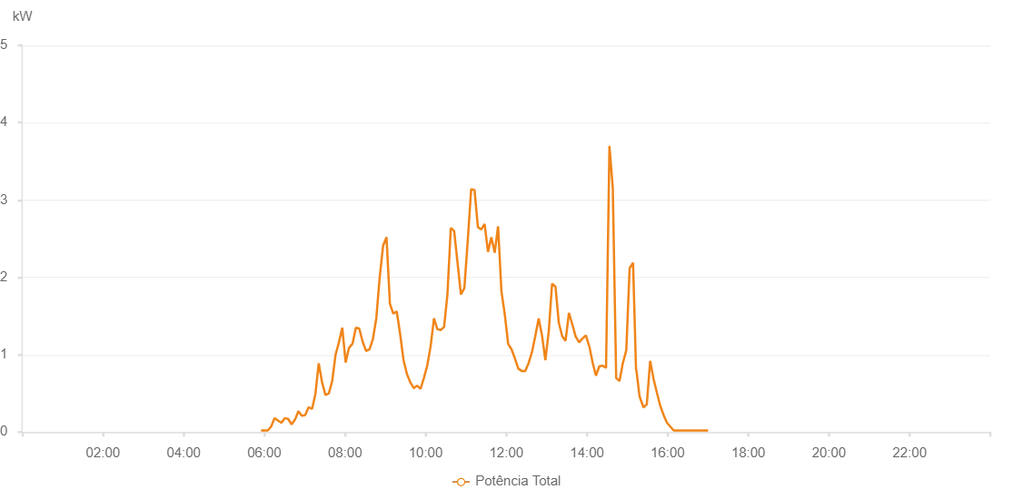

Number | Time | Working State | Alarm Code | Total Inverter Power(W)
1 | 20/06/2022 05:55:02 (UTC-4:00) | Normal |  | 20.000
2 | 20/06/2022 06:00:03 (UTC-4:00) | Normal |  | 20.000
3 | 20/06/2022 06:05:03 (UTC-4:00) | Normal |  | 20.000
4 | 20/06/2022 06:10:07 (UTC-4:00) | Normal |  | 70.000
5 | 20/06/2022 06:15:10 (UTC-4:00) | Normal |  | 180.000
6 | 20/06/2022 06:20:17 (UTC-4:00) | Normal |  | 150.000
7 | 20/06/2022 06:25:19 (UTC-4:00) | Normal |  | 120.000
8 | 20/06/2022 06:30:26 (UTC-4:00) | Normal |  | 180.000
9 | 20/06/2022 06:35:27 (UTC-4:00) | Normal |  | 170.000
10 | 20/06/2022 06:40:33 (UTC-4:00) | Normal |  | 100.000
11 | 20/06/2022 06:45:36 (UTC-4:00) | Normal |  | 160.000
12 | 20/06/2022 06:50:40 (UTC-4:00) | Normal |  | 270.000
13 | 20/06/2022 06:55:43 (UTC-4:00) | Normal |  | 210.000
14 | 20/06/2022 07:00:47 (UTC-4:00) | Normal |  | 220.000
15 | 20/06/2022 07:05:51 (UTC-4:00) | Normal |  | 320.000
16 | 20/06/2022 07:10:57 (UTC-4:00) | Normal |  | 300.000
17 | 20/06/2022 07:15:57 (UTC-4:00) | Normal |  | 490.000
18 | 20/06/2022 07:20:57 (UTC-4:00) | Normal |  | 890.000
19 | 20/06/2022 07:25:58 (UTC-4:00) | Normal |  | 640.000
20 | 20/06/2022 07:30:57 (UTC-4:00) | Normal |  | 480.000
21 | 20/06/2022 07:35:58 (UTC-4:00) | Normal |  | 500.000
22 | 20/06/2022 07:40:58 (UTC-4:00) | Normal |  | 660.000
23 | 20/06/2022 07:45:58 (UTC-4:00) | Normal |  | 1000.000
24 | 20/06/2022 07:50:58 (UTC-4:00) | Normal |  | 1160.000
25 | 20/06/2022 07:55:58 (UTC-4:00) | Normal |  | 1350.000
26 | 20/06/2022 08:00:59 (UTC-4:00) | Normal |  | 900.000
27 | 20/06/2022 08:05:59 (UTC-4:00) | Normal |  | 1090.000
28 | 20/06/2022 08:11:00 (UTC-4:00) | Normal |  | 1140.000
29 | 20/06/2022 08:11:11 (UTC-4:00) | Normal |  | 1140.000
30 | 20/06/2022 08:16:10 (UTC-4:00) | Normal |  | 1350.000
31 | 20/06/2022 08:21:10 (UTC-4:00) | Normal |  | 1340.000
32 | 20/06/2022 08:26:14 (UTC-4:00) | Normal |  | 1170.000
33 | 20/06/2022 08:31:18 (UTC-4:00) | Normal |  | 1050.000
34 | 20/06/2022 08:36:25 (UTC-4:00) | Normal |  | 1070.000
35 | 20/06/2022 08:41:28 (UTC-4:00) | Normal |  | 1200.000
36 | 20/06/2022 08:46:33 (UTC-4:00) | Normal |  | 1470.000
37 | 20/06/2022 08:51:37 (UTC-4:00) | Normal |  | 2000.000
38 | 20/06/2022 08:56:43 (UTC-4:00) | Normal |  | 2410.000
39 | 20/06/2022 09:01:46 (UTC-4:00) | Normal |  | 2520.000
40 | 20/06/2022 09:06:49 (UTC-4:00) | Normal |  | 1660.000
41 | 20/06/2022 09:11:54 (UTC-4:00) | Normal |  | 1530.000
42 | 20/06/2022 09:16:59 (UTC-4:00) | Normal |  | 1560.000
43 | 20/06/2022 09:22:02 (UTC-4:00) | Normal |  | 1270.000
44 | 20/06/2022 09:27:05 (UTC-4:00) | Normal |  | 930.000
45 | 20/06/2022 09:32:10 (UTC-4:00) | Normal |  | 750.000
46 | 20/06/2022 09:37:20 (UTC-4:00) | Normal |  | 640.000
47 | 20/06/2022 09:42:18 (UTC-4:00) | Normal |  | 570.000
48 | 20/06/2022 09:42:30 (UTC-4:00) | Normal |  | 570.000
49 | 20/06/2022 09:47:22 (UTC-4:00) | Normal |  | 600.000
50 | 20/06/2022 09:52:23 (UTC-4:00) | Normal |  | 560.000
51 | 20/06/2022 09:57:23 (UTC-4:00) | Normal |  | 700.000
52 | 20/06/2022 10:02:24 (UTC-4:00) | Normal |  | 860.000
53 | 20/06/2022 10:07:24 (UTC-4:00) | Normal |  | 1110.000
54 | 20/06/2022 10:12:25 (UTC-4:00) | Normal |  | 1470.000
55 | 20/06/2022 10:17:25 (UTC-4:00) | Normal |  | 1330.000
56 | 20/06/2022 10:22:25 (UTC-4:00) | Normal |  | 1320.000
57 | 20/06/2022 10:27:25 (UTC-4:00) | Normal |  | 1360.000
58 | 20/06/2022 10:32:25 (UTC-4:00) | Normal |  | 1780.000
59 | 20/06/2022 10:37:26 (UTC-4:00) | Normal |  | 2640.000
60 | 20/06/2022 10:42:26 (UTC-4:00) | Normal |  | 2600.000
61 | 20/06/2022 10:47:26 (UTC-4:00) | Normal |  | 2190.000
62 | 20/06/2022 10:52:30 (UTC-4:00) | Normal |  | 1780.000
63 | 20/06/2022 10:57:35 (UTC-4:00) | Normal |  | 1860.000
64 | 20/06/2022 11:02:40 (UTC-4:00) | Normal |  | 2480.000
65 | 20/06/2022 11:07:43 (UTC-4:00) | Normal |  | 3140.000
66 | 20/06/2022 11:12:43 (UTC-4:00) | Normal |  | 3130.000
67 | 20/06/2022 11:17:44 (UTC-4:00) | Normal |  | 2650.000
68 | 20/06/2022 11:22:44 (UTC-4:00) | Normal |  | 2620.000
69 | 20/06/2022 11:27:44 (UTC-4:00) | Normal |  | 2690.000
70 | 20/06/2022 11:32:44 (UTC-4:00) | Normal |  | 2330.000
71 | 20/06/2022 11:37:45 (UTC-4:00) | Normal |  | 2520.000
72 | 20/06/2022 11:42:45 (UTC-4:00) | Normal |  | 2320.000
73 | 20/06/2022 11:47:45 (UTC-4:00) | Normal |  | 2660.000
74 | 20/06/2022 11:52:45 (UTC-4:00) | Normal |  | 1820.000
75 | 20/06/2022 11:57:45 (UTC-4:00) | Normal |  | 1520.000
76 | 20/06/2022 12:02:46 (UTC-4:00) | Normal |  | 1140.000
77 | 20/06/2022 12:07:47 (UTC-4:00) | Normal |  | 1070.000
78 | 20/06/2022 12:12:51 (UTC-4:00) | Normal |  | 950.000
79 | 20/06/2022 12:17:55 (UTC-4:00) | Normal |  | 820.000
80 | 20/06/2022 12:23:00 (UTC-4:00) | Normal |  | 790.000
81 | 20/06/2022 12:28:04 (UTC-4:00) | Normal |  | 790.000
82 | 20/06/2022 12:33:04 (UTC-4:00) | Normal |  | 890.000
83 | 20/06/2022 12:38:04 (UTC-4:00) | Normal |  | 1030.000
84 | 20/06/2022 12:43:06 (UTC-4:00) | Normal |  | 1240.000
85 | 20/06/2022 12:48:07 (UTC-4:00) | Normal |  | 1470.000
86 | 20/06/2022 12:53:07 (UTC-4:00) | Normal |  | 1250.000
87 | 20/06/2022 12:58:07 (UTC-4:00) | Normal |  | 930.000
88 | 20/06/2022 13:03:07 (UTC-4:00) | Normal |  | 1300.000
89 | 20/06/2022 13:08:07 (UTC-4:00) | Normal |  | 1920.000
90 | 20/06/2022 13:13:07 (UTC-4:00) | Normal |  | 1880.000
91 | 20/06/2022 13:18:09 (UTC-4:00) | Normal |  | 1410.000
92 | 20/06/2022 13:23:09 (UTC-4:00) | Normal |  | 1240.000
93 | 20/06/2022 13:28:09 (UTC-4:00) | Normal |  | 1180.000
94 | 20/06/2022 13:33:11 (UTC-4:00) | Normal |  | 1540.000
95 | 20/06/2022 13:38:16 (UTC-4:00) | Normal |  | 1390.000
96 | 20/06/2022 13:43:19 (UTC-4:00) | Normal |  | 1230.000
97 | 20/06/2022 13:43:35 (UTC-4:00) | Normal |  | 1230.000
98 | 20/06/2022 13:48:20 (UTC-4:00) | Normal |  | 1160.000
99 | 20/06/2022 13:53:20 (UTC-4:00) | Normal |  | 1210.000
100 | 20/06/2022 13:58:21 (UTC-4:00) | Normal |  | 1250.000
101 | 20/06/2022 14:03:21 (UTC-4:00) | Normal |  | 1110.000
102 | 20/06/2022 14:03:32 (UTC-4:00) | Normal |  | 1110.000
103 | 20/06/2022 14:08:21 (UTC-4:00) | Normal |  | 900.000
104 | 20/06/2022 14:13:21 (UTC-4:00) | Normal |  | 730.000
105 | 20/06/2022 14:18:22 (UTC-4:00) | Normal |  | 850.000
106 | 20/06/2022 14:23:22 (UTC-4:00) | Normal |  | 860.000
107 | 20/06/2022 14:28:22 (UTC-4:00) | Normal |  | 830.000
108 | 20/06/2022 14:33:26 (UTC-4:00) | Normal |  | 3700.000
109 | 20/06/2022 14:38:26 (UTC-4:00) | Normal |  | 3150.000
110 | 20/06/2022 14:43:27 (UTC-4:00) | Normal |  | 700.000
111 | 20/06/2022 14:48:26 (UTC-4:00) | Normal |  | 660.000
112 | 20/06/2022 14:53:31 (UTC-4:00) | Normal |  | 900.000
113 | 20/06/2022 14:53:42 (UTC-4:00) | Normal |  | 900.000
114 | 20/06/2022 14:58:31 (UTC-4:00) | Normal |  | 1060.000
115 | 20/06/2022 15:03:28 (UTC-4:00) | Normal |  | 2120.000
116 | 20/06/2022 15:03:31 (UTC-4:00) | Normal |  | 2120.000
117 | 20/06/2022 15:08:32 (UTC-4:00) | Normal |  | 2190.000
118 | 20/06/2022 15:13:00 (UTC-4:00) | Normal |  | 800.000
119 | 20/06/2022 15:13:32 (UTC-4:00) | Normal |  | 800.000
120 | 20/06/2022 15:18:17 (UTC-4:00) | Normal |  | 460.000
121 | 20/06/2022 15:24:00 (UTC-4:00) | Normal |  | 320.000
122 | 20/06/2022 15:29:00 (UTC-4:00) | Normal |  | 360.000
123 | 20/06/2022 15:34:00 (UTC-4:00) | Normal |  | 920.000
124 | 20/06/2022 15:39:00 (UTC-4:00) | Normal |  | 690.000
125 | 20/06/2022 15:44:00 (UTC-4:00) | Normal |  | 510.000
126 | 20/06/2022 15:49:01 (UTC-4:00) | Normal |  | 340.000
127 | 20/06/2022 15:54:01 (UTC-4:00) | Normal |  | 220.000
128 | 20/06/2022 15:59:02 (UTC-4:00) | Normal |  | 120.000
129 | 20/06/2022 16:04:02 (UTC-4:00) | Normal |  | 70.000
130 | 20/06/2022 16:09:02 (UTC-4:00) | Normal |  | 20.000
131 | 20/06/2022 16:14:02 (UTC-4:00) | Normal |  | 20.000
132 | 20/06/2022 16:19:08 (UTC-4:00) | Normal |  | 20.000
133 | 20/06/2022 16:19:19 (UTC-4:00) | Normal |  | 20.000
134 | 20/06/2022 16:24:10 (UTC-4:00) | Normal |  | 20.000
135 | 20/06/2022 16:29:13 (UTC-4:00) | Normal |  | 20.000
136 | 20/06/2022 16:34:17 (UTC-4:00) | Normal |  | 20.000
137 | 20/06/2022 16:39:22 (UTC-4:00) | Normal |  | 20.000
138 | 20/06/2022 16:39:47 (UTC-4:00) | Normal |  | 20.000
139 | 20/06/2022 16:44:27 (UTC-4:00) | Normal |  | 20.000
140 | 20/06/2022 16:49:30 (UTC-4:00) | Normal |  | 20.000
141 | 20/06/2022 16:49:41 (UTC-4:00) | Normal |  | 20.000
142 | 20/06/2022 16:54:35 (UTC-4:00) | Normal |  | 20.000
143 | 20/06/2022 16:59:41 (UTC-4:00) | Normal |  | 20.000
144 | 20/06/2022 16:59:48 (UTC-4:00) | Normal |  | 20.000
145 | 20/06/2022 17:00:19 (UTC-4:00) | Normal |  | 20.000

