Inverter History Report__17-08-
Inverter History Report_22/06/2022_Report

Inverter SN:054B7020C020044 |  | Inverter type:B7
Collector SN:4045086367 |  | Full Load Hours(h):3.29
Rated Power:10000Wp

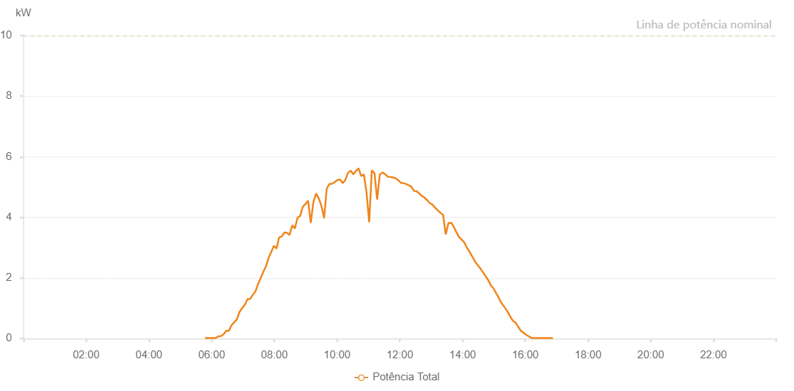

Number | Time | Working State | Alarm Code | Total Inverter Power(W)
1 | 22/06/2022 05:47:29 (UTC-4:00) | Normal |  | 20.000
2 | 22/06/2022 05:52:30 (UTC-4:00) | Normal |  | 20.000
3 | 22/06/2022 05:57:31 (UTC-4:00) | Normal |  | 20.000
4 | 22/06/2022 06:02:34 (UTC-4:00) | Normal |  | 20.000
5 | 22/06/2022 06:07:39 (UTC-4:00) | Normal |  | 20.000
6 | 22/06/2022 06:12:45 (UTC-4:00) | Normal |  | 70.000
7 | 22/06/2022 06:17:48 (UTC-4:00) | Normal |  | 80.000
8 | 22/06/2022 06:22:52 (UTC-4:00) | Normal |  | 140.000
9 | 22/06/2022 06:27:56 (UTC-4:00) | Normal |  | 260.000
10 | 22/06/2022 06:33:01 (UTC-4:00) | Normal |  | 260.000
11 | 22/06/2022 06:38:05 (UTC-4:00) | Normal |  | 440.000
12 | 22/06/2022 06:43:10 (UTC-4:00) | Normal |  | 540.000
13 | 22/06/2022 06:48:14 (UTC-4:00) | Normal |  | 630.000
14 | 22/06/2022 06:53:19 (UTC-4:00) | Normal |  | 880.000
15 | 22/06/2022 06:58:24 (UTC-4:00) | Normal |  | 1010.000
16 | 22/06/2022 07:03:28 (UTC-4:00) | Normal |  | 1110.000
17 | 22/06/2022 07:08:34 (UTC-4:00) | Normal |  | 1300.000
18 | 22/06/2022 07:13:38 (UTC-4:00) | Normal |  | 1310.000
19 | 22/06/2022 07:18:43 (UTC-4:00) | Normal |  | 1440.000
20 | 22/06/2022 07:23:52 (UTC-4:00) | Normal |  | 1560.000
21 | 22/06/2022 07:28:55 (UTC-4:00) | Normal |  | 1800.000
22 | 22/06/2022 07:33:57 (UTC-4:00) | Normal |  | 2000.000
23 | 22/06/2022 07:39:02 (UTC-4:00) | Normal |  | 2210.000
24 | 22/06/2022 07:44:03 (UTC-4:00) | Normal |  | 2390.000
25 | 22/06/2022 07:49:03 (UTC-4:00) | Normal |  | 2670.000
26 | 22/06/2022 07:54:05 (UTC-4:00) | Normal |  | 2860.000
27 | 22/06/2022 07:59:05 (UTC-4:00) | Normal |  | 3060.000
28 | 22/06/2022 08:04:06 (UTC-4:00) | Normal |  | 2970.000
29 | 22/06/2022 08:09:07 (UTC-4:00) | Normal |  | 3340.000
30 | 22/06/2022 08:14:07 (UTC-4:00) | Normal |  | 3370.000
31 | 22/06/2022 08:19:08 (UTC-4:00) | Normal |  | 3500.000
32 | 22/06/2022 08:24:08 (UTC-4:00) | Normal |  | 3490.000
33 | 22/06/2022 08:29:09 (UTC-4:00) | Normal |  | 3420.000
34 | 22/06/2022 08:34:10 (UTC-4:00) | Normal |  | 3740.000
35 | 22/06/2022 08:39:11 (UTC-4:00) | Normal |  | 3630.000
36 | 22/06/2022 08:44:15 (UTC-4:00) | Normal |  | 3990.000
37 | 22/06/2022 08:49:20 (UTC-4:00) | Normal |  | 4050.000
38 | 22/06/2022 08:54:24 (UTC-4:00) | Normal |  | 4350.000
39 | 22/06/2022 08:59:29 (UTC-4:00) | Normal |  | 4440.000
40 | 22/06/2022 09:04:33 (UTC-4:00) | Normal |  | 4550.000
41 | 22/06/2022 09:09:38 (UTC-4:00) | Normal |  | 3820.000
42 | 22/06/2022 09:14:43 (UTC-4:00) | Normal |  | 4510.000
43 | 22/06/2022 09:19:48 (UTC-4:00) | Normal |  | 4790.000
44 | 22/06/2022 09:24:53 (UTC-4:00) | Normal |  | 4630.000
45 | 22/06/2022 09:29:58 (UTC-4:00) | Normal |  | 4380.000
46 | 22/06/2022 09:35:06 (UTC-4:00) | Normal |  | 3980.000
47 | 22/06/2022 09:35:13 (UTC-4:00) | Normal |  | 3980.000
48 | 22/06/2022 09:40:07 (UTC-4:00) | Normal |  | 4950.000
49 | 22/06/2022 09:40:18 (UTC-4:00) | Normal |  | 4950.000
50 | 22/06/2022 09:45:11 (UTC-4:00) | Normal |  | 5100.000
51 | 22/06/2022 09:50:16 (UTC-4:00) | Normal |  | 5110.000
52 | 22/06/2022 09:50:41 (UTC-4:00) | Normal |  | 5110.000
53 | 22/06/2022 09:55:20 (UTC-4:00) | Normal |  | 5160.000
54 | 22/06/2022 10:00:26 (UTC-4:00) | Normal |  | 5230.000
55 | 22/06/2022 10:05:31 (UTC-4:00) | Normal |  | 5250.000
56 | 22/06/2022 10:10:36 (UTC-4:00) | Normal |  | 5130.000
57 | 22/06/2022 10:15:41 (UTC-4:00) | Normal |  | 5230.000
58 | 22/06/2022 10:20:45 (UTC-4:00) | Normal |  | 5470.000
59 | 22/06/2022 10:20:56 (UTC-4:00) | Normal |  | 5470.000
60 | 22/06/2022 10:25:53 (UTC-4:00) | Normal |  | 5540.000
61 | 22/06/2022 10:30:56 (UTC-4:00) | Normal |  | 5420.000
62 | 22/06/2022 10:35:59 (UTC-4:00) | Normal |  | 5530.000
63 | 22/06/2022 10:41:04 (UTC-4:00) | Normal |  | 5610.000
64 | 22/06/2022 10:41:15 (UTC-4:00) | Normal |  | 5610.000
65 | 22/06/2022 10:46:08 (UTC-4:00) | Normal |  | 5360.000
66 | 22/06/2022 10:51:14 (UTC-4:00) | Normal |  | 5420.000
67 | 22/06/2022 10:56:18 (UTC-4:00) | Normal |  | 4820.000
68 | 22/06/2022 11:01:22 (UTC-4:00) | Normal |  | 3840.000
69 | 22/06/2022 11:06:27 (UTC-4:00) | Normal |  | 5550.000
70 | 22/06/2022 11:11:32 (UTC-4:00) | Normal |  | 5460.000
71 | 22/06/2022 11:16:36 (UTC-4:00) | Normal |  | 4590.000
72 | 22/06/2022 11:21:41 (UTC-4:00) | Normal |  | 5410.000
73 | 22/06/2022 11:26:45 (UTC-4:00) | Normal |  | 5480.000
74 | 22/06/2022 11:31:50 (UTC-4:00) | Normal |  | 5430.000
75 | 22/06/2022 11:36:55 (UTC-4:00) | Normal |  | 5340.000
76 | 22/06/2022 11:41:55 (UTC-4:00) | Normal |  | 5330.000
77 | 22/06/2022 11:46:56 (UTC-4:00) | Normal |  | 5320.000
78 | 22/06/2022 11:51:56 (UTC-4:00) | Normal |  | 5290.000
79 | 22/06/2022 11:56:57 (UTC-4:00) | Normal |  | 5230.000
80 | 22/06/2022 12:01:59 (UTC-4:00) | Normal |  | 5140.000
81 | 22/06/2022 12:06:59 (UTC-4:00) | Normal |  | 5130.000
82 | 22/06/2022 12:12:00 (UTC-4:00) | Normal |  | 5100.000
83 | 22/06/2022 12:17:00 (UTC-4:00) | Normal |  | 5060.000
84 | 22/06/2022 12:22:04 (UTC-4:00) | Normal |  | 5010.000
85 | 22/06/2022 12:27:05 (UTC-4:00) | Normal |  | 4870.000
86 | 22/06/2022 12:32:05 (UTC-4:00) | Normal |  | 4860.000
87 | 22/06/2022 12:37:06 (UTC-4:00) | Normal |  | 4790.000
88 | 22/06/2022 12:42:11 (UTC-4:00) | Normal |  | 4710.000
89 | 22/06/2022 12:47:14 (UTC-4:00) | Normal |  | 4650.000
90 | 22/06/2022 12:52:18 (UTC-4:00) | Normal |  | 4570.000
91 | 22/06/2022 12:57:24 (UTC-4:00) | Normal |  | 4470.000
92 | 22/06/2022 13:02:29 (UTC-4:00) | Normal |  | 4420.000
93 | 22/06/2022 13:07:32 (UTC-4:00) | Normal |  | 4320.000
94 | 22/06/2022 13:12:37 (UTC-4:00) | Normal |  | 4230.000
95 | 22/06/2022 13:17:41 (UTC-4:00) | Normal |  | 4150.000
96 | 22/06/2022 13:22:46 (UTC-4:00) | Normal |  | 4080.000
97 | 22/06/2022 13:27:52 (UTC-4:00) | Normal |  | 3440.000
98 | 22/06/2022 13:32:56 (UTC-4:00) | Normal |  | 3810.000
99 | 22/06/2022 13:38:02 (UTC-4:00) | Normal |  | 3820.000
100 | 22/06/2022 13:38:30 (UTC-4:00) | Normal |  | 3820.000
101 | 22/06/2022 13:43:08 (UTC-4:00) | Normal |  | 3690.000
102 | 22/06/2022 13:48:13 (UTC-4:00) | Normal |  | 3510.000
103 | 22/06/2022 13:48:24 (UTC-4:00) | Normal |  | 3510.000
104 | 22/06/2022 13:53:17 (UTC-4:00) | Normal |  | 3350.000
105 | 22/06/2022 13:58:21 (UTC-4:00) | Normal |  | 3270.000
106 | 22/06/2022 14:03:26 (UTC-4:00) | Normal |  | 3170.000
107 | 22/06/2022 14:08:31 (UTC-4:00) | Normal |  | 2990.000
108 | 22/06/2022 14:08:42 (UTC-4:00) | Normal |  | 2990.000
109 | 22/06/2022 14:13:37 (UTC-4:00) | Normal |  | 2860.000
110 | 22/06/2022 14:18:40 (UTC-4:00) | Normal |  | 2700.000
111 | 22/06/2022 14:18:50 (UTC-4:00) | Normal |  | 2700.000
112 | 22/06/2022 14:23:44 (UTC-4:00) | Normal |  | 2540.000
113 | 22/06/2022 14:28:49 (UTC-4:00) | Normal |  | 2430.000
114 | 22/06/2022 14:33:53 (UTC-4:00) | Normal |  | 2320.000
115 | 22/06/2022 14:38:58 (UTC-4:00) | Normal |  | 2190.000
116 | 22/06/2022 14:44:03 (UTC-4:00) | Normal |  | 2060.000
117 | 22/06/2022 14:49:07 (UTC-4:00) | Normal |  | 1930.000
118 | 22/06/2022 14:54:11 (UTC-4:00) | Normal |  | 1750.000
119 | 22/06/2022 14:59:12 (UTC-4:00) | Normal |  | 1660.000
120 | 22/06/2022 15:04:12 (UTC-4:00) | Normal |  | 1500.000
121 | 22/06/2022 15:09:13 (UTC-4:00) | Normal |  | 1350.000
122 | 22/06/2022 15:11:20 (UTC-4:00) | Normal |  | 1260.000
123 | 22/06/2022 15:16:39 (UTC-4:00) | Normal |  | 1120.000
124 | 22/06/2022 15:21:39 (UTC-4:00) | Normal |  | 1000.000
125 | 22/06/2022 15:26:42 (UTC-4:00) | Normal |  | 870.000
126 | 22/06/2022 15:31:42 (UTC-4:00) | Normal |  | 710.000
127 | 22/06/2022 15:36:43 (UTC-4:00) | Normal |  | 580.000
128 | 22/06/2022 15:41:44 (UTC-4:00) | Normal |  | 520.000
129 | 22/06/2022 15:46:46 (UTC-4:00) | Normal |  | 380.000
130 | 22/06/2022 15:51:50 (UTC-4:00) | Normal |  | 250.000
131 | 22/06/2022 15:56:55 (UTC-4:00) | Normal |  | 190.000
132 | 22/06/2022 16:02:00 (UTC-4:00) | Normal |  | 120.000
133 | 22/06/2022 16:07:05 (UTC-4:00) | Normal |  | 70.000
134 | 22/06/2022 16:12:10 (UTC-4:00) | Normal |  | 20.000
135 | 22/06/2022 16:17:14 (UTC-4:00) | Normal |  | 20.000
136 | 22/06/2022 16:22:20 (UTC-4:00) | Normal |  | 20.000
137 | 22/06/2022 16:27:25 (UTC-4:00) | Normal |  | 20.000
138 | 22/06/2022 16:32:30 (UTC-4:00) | Normal |  | 20.000
139 | 22/06/2022 16:37:35 (UTC-4:00) | Normal |  | 20.000
140 | 22/06/2022 16:42:40 (UTC-4:00) | Normal |  | 20.000
141 | 22/06/2022 16:47:48 (UTC-4:00) | Normal |  | 20.000
142 | 22/06/2022 16:52:52 (UTC-4:00) | Normal |  | 20.000

