Inverter History Report__17-08-
Inverter History Report_23/06/2022_Report

Inverter SN:054B7020C020044 |  | Inverter type:B7
Collector SN:4045086367 |  | Full Load Hours(h):3.36
Rated Power:10000Wp

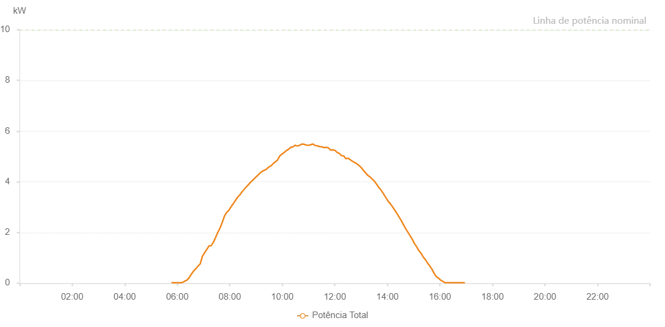

Number | Time | Working State | Alarm Code | Total Inverter Power(W)
1 | 23/06/2022 05:46:44 (UTC-4:00) | Normal |  | 20.000
2 | 23/06/2022 05:51:47 (UTC-4:00) | Normal |  | 20.000
3 | 23/06/2022 05:56:54 (UTC-4:00) | Normal |  | 20.000
4 | 23/06/2022 06:01:57 (UTC-4:00) | Normal |  | 20.000
5 | 23/06/2022 06:07:02 (UTC-4:00) | Normal |  | 20.000
6 | 23/06/2022 06:12:09 (UTC-4:00) | Normal |  | 30.000
7 | 23/06/2022 06:17:10 (UTC-4:00) | Normal |  | 80.000
8 | 23/06/2022 06:17:25 (UTC-4:00) | Normal |  | 80.000
9 | 23/06/2022 06:22:14 (UTC-4:00) | Normal |  | 120.000
10 | 23/06/2022 06:27:19 (UTC-4:00) | Normal |  | 220.000
11 | 23/06/2022 06:27:30 (UTC-4:00) | Normal |  | 220.000
12 | 23/06/2022 06:32:23 (UTC-4:00) | Normal |  | 360.000
13 | 23/06/2022 06:37:24 (UTC-4:00) | Normal |  | 480.000
14 | 23/06/2022 06:42:24 (UTC-4:00) | Normal |  | 570.000
15 | 23/06/2022 06:47:24 (UTC-4:00) | Normal |  | 670.000
16 | 23/06/2022 06:52:25 (UTC-4:00) | Normal |  | 760.000
17 | 23/06/2022 06:57:27 (UTC-4:00) | Normal |  | 1060.000
18 | 23/06/2022 07:02:27 (UTC-4:00) | Normal |  | 1200.000
19 | 23/06/2022 07:07:28 (UTC-4:00) | Normal |  | 1330.000
20 | 23/06/2022 07:12:28 (UTC-4:00) | Normal |  | 1470.000
21 | 23/06/2022 07:17:30 (UTC-4:00) | Normal |  | 1480.000
22 | 23/06/2022 07:22:31 (UTC-4:00) | Normal |  | 1610.000
23 | 23/06/2022 07:27:31 (UTC-4:00) | Normal |  | 1800.000
24 | 23/06/2022 07:32:32 (UTC-4:00) | Normal |  | 2000.000
25 | 23/06/2022 07:37:33 (UTC-4:00) | Normal |  | 2170.000
26 | 23/06/2022 07:42:36 (UTC-4:00) | Normal |  | 2390.000
27 | 23/06/2022 07:47:41 (UTC-4:00) | Normal |  | 2640.000
28 | 23/06/2022 07:52:45 (UTC-4:00) | Normal |  | 2790.000
29 | 23/06/2022 07:57:45 (UTC-4:00) | Normal |  | 2870.000
30 | 23/06/2022 08:02:46 (UTC-4:00) | Normal |  | 3010.000
31 | 23/06/2022 08:07:46 (UTC-4:00) | Normal |  | 3130.000
32 | 23/06/2022 08:12:46 (UTC-4:00) | Normal |  | 3260.000
33 | 23/06/2022 08:17:47 (UTC-4:00) | Normal |  | 3390.000
34 | 23/06/2022 08:22:48 (UTC-4:00) | Normal |  | 3480.000
35 | 23/06/2022 08:27:48 (UTC-4:00) | Normal |  | 3600.000
36 | 23/06/2022 08:32:49 (UTC-4:00) | Normal |  | 3700.000
37 | 23/06/2022 08:37:49 (UTC-4:00) | Normal |  | 3800.000
38 | 23/06/2022 08:42:51 (UTC-4:00) | Normal |  | 3890.000
39 | 23/06/2022 08:47:51 (UTC-4:00) | Normal |  | 3990.000
40 | 23/06/2022 08:52:54 (UTC-4:00) | Normal |  | 4070.000
41 | 23/06/2022 08:57:59 (UTC-4:00) | Normal |  | 4160.000
42 | 23/06/2022 09:03:03 (UTC-4:00) | Normal |  | 4240.000
43 | 23/06/2022 09:08:07 (UTC-4:00) | Normal |  | 4330.000
44 | 23/06/2022 09:13:12 (UTC-4:00) | Normal |  | 4400.000
45 | 23/06/2022 09:18:16 (UTC-4:00) | Normal |  | 4450.000
46 | 23/06/2022 09:23:21 (UTC-4:00) | Normal |  | 4490.000
47 | 23/06/2022 09:28:26 (UTC-4:00) | Normal |  | 4580.000
48 | 23/06/2022 09:33:29 (UTC-4:00) | Normal |  | 4620.000
49 | 23/06/2022 09:33:40 (UTC-4:00) | Normal |  | 4620.000
50 | 23/06/2022 09:38:34 (UTC-4:00) | Normal |  | 4710.000
51 | 23/06/2022 09:43:41 (UTC-4:00) | Normal |  | 4780.000
52 | 23/06/2022 09:48:43 (UTC-4:00) | Normal |  | 4850.000
53 | 23/06/2022 09:53:47 (UTC-4:00) | Normal |  | 5010.000
54 | 23/06/2022 09:58:52 (UTC-4:00) | Normal |  | 5090.000
55 | 23/06/2022 10:03:56 (UTC-4:00) | Normal |  | 5150.000
56 | 23/06/2022 10:09:00 (UTC-4:00) | Normal |  | 5230.000
57 | 23/06/2022 10:14:06 (UTC-4:00) | Normal |  | 5280.000
58 | 23/06/2022 10:14:17 (UTC-4:00) | Normal |  | 5280.000
59 | 23/06/2022 10:19:12 (UTC-4:00) | Normal |  | 5360.000
60 | 23/06/2022 10:24:17 (UTC-4:00) | Normal |  | 5380.000
61 | 23/06/2022 10:29:20 (UTC-4:00) | Normal |  | 5440.000
62 | 23/06/2022 10:34:25 (UTC-4:00) | Normal |  | 5410.000
63 | 23/06/2022 10:39:29 (UTC-4:00) | Normal |  | 5440.000
64 | 23/06/2022 10:44:37 (UTC-4:00) | Normal |  | 5490.000
65 | 23/06/2022 10:49:38 (UTC-4:00) | Normal |  | 5480.000
66 | 23/06/2022 10:54:42 (UTC-4:00) | Normal |  | 5450.000
67 | 23/06/2022 10:59:47 (UTC-4:00) | Normal |  | 5440.000
68 | 23/06/2022 11:04:51 (UTC-4:00) | Normal |  | 5460.000
69 | 23/06/2022 11:09:56 (UTC-4:00) | Normal |  | 5490.000
70 | 23/06/2022 11:15:01 (UTC-4:00) | Normal |  | 5430.000
71 | 23/06/2022 11:20:05 (UTC-4:00) | Normal |  | 5420.000
72 | 23/06/2022 11:25:06 (UTC-4:00) | Normal |  | 5390.000
73 | 23/06/2022 11:30:06 (UTC-4:00) | Normal |  | 5380.000
74 | 23/06/2022 11:35:06 (UTC-4:00) | Normal |  | 5350.000
75 | 23/06/2022 11:40:07 (UTC-4:00) | Normal |  | 5360.000
76 | 23/06/2022 11:45:07 (UTC-4:00) | Normal |  | 5340.000
77 | 23/06/2022 11:50:07 (UTC-4:00) | Normal |  | 5250.000
78 | 23/06/2022 11:55:08 (UTC-4:00) | Normal |  | 5260.000
79 | 23/06/2022 12:00:08 (UTC-4:00) | Normal |  | 5240.000
80 | 23/06/2022 12:05:09 (UTC-4:00) | Normal |  | 5160.000
81 | 23/06/2022 12:10:11 (UTC-4:00) | Normal |  | 5120.000
82 | 23/06/2022 12:15:11 (UTC-4:00) | Normal |  | 5030.000
83 | 23/06/2022 12:20:12 (UTC-4:00) | Normal |  | 5020.000
84 | 23/06/2022 12:25:16 (UTC-4:00) | Normal |  | 4910.000
85 | 23/06/2022 12:30:17 (UTC-4:00) | Normal |  | 4930.000
86 | 23/06/2022 12:35:17 (UTC-4:00) | Normal |  | 4870.000
87 | 23/06/2022 12:40:17 (UTC-4:00) | Normal |  | 4810.000
88 | 23/06/2022 12:45:19 (UTC-4:00) | Normal |  | 4760.000
89 | 23/06/2022 12:50:19 (UTC-4:00) | Normal |  | 4710.000
90 | 23/06/2022 12:55:19 (UTC-4:00) | Normal |  | 4640.000
91 | 23/06/2022 13:00:20 (UTC-4:00) | Normal |  | 4560.000
92 | 23/06/2022 13:05:20 (UTC-4:00) | Normal |  | 4450.000
93 | 23/06/2022 13:10:21 (UTC-4:00) | Normal |  | 4350.000
94 | 23/06/2022 13:15:21 (UTC-4:00) | Normal |  | 4250.000
95 | 23/06/2022 13:20:22 (UTC-4:00) | Normal |  | 4190.000
96 | 23/06/2022 13:25:22 (UTC-4:00) | Normal |  | 4110.000
97 | 23/06/2022 13:30:26 (UTC-4:00) | Normal |  | 4020.000
98 | 23/06/2022 13:35:30 (UTC-4:00) | Normal |  | 3900.000
99 | 23/06/2022 13:40:34 (UTC-4:00) | Normal |  | 3770.000
100 | 23/06/2022 13:40:45 (UTC-4:00) | Normal |  | 3770.000
101 | 23/06/2022 13:45:35 (UTC-4:00) | Normal |  | 3670.000
102 | 23/06/2022 13:50:35 (UTC-4:00) | Normal |  | 3540.000
103 | 23/06/2022 13:55:35 (UTC-4:00) | Normal |  | 3400.000
104 | 23/06/2022 14:00:36 (UTC-4:00) | Normal |  | 3270.000
105 | 23/06/2022 14:01:06 (UTC-4:00) | Normal |  | 3240.000
106 | 23/06/2022 14:06:25 (UTC-4:00) | Normal |  | 3140.000
107 | 23/06/2022 14:11:24 (UTC-4:00) | Normal |  | 3020.000
108 | 23/06/2022 14:16:23 (UTC-4:00) | Normal |  | 2890.000
109 | 23/06/2022 14:21:23 (UTC-4:00) | Normal |  | 2760.000
110 | 23/06/2022 14:26:21 (UTC-4:00) | Normal |  | 2620.000
111 | 23/06/2022 14:31:20 (UTC-4:00) | Normal |  | 2480.000
112 | 23/06/2022 14:36:19 (UTC-4:00) | Normal |  | 2320.000
113 | 23/06/2022 14:41:24 (UTC-4:00) | Normal |  | 2160.000
114 | 23/06/2022 14:46:27 (UTC-4:00) | Normal |  | 2020.000
115 | 23/06/2022 14:51:29 (UTC-4:00) | Normal |  | 1880.000
116 | 23/06/2022 14:56:31 (UTC-4:00) | Normal |  | 1740.000
117 | 23/06/2022 15:01:34 (UTC-4:00) | Normal |  | 1570.000
118 | 23/06/2022 15:06:38 (UTC-4:00) | Normal |  | 1440.000
119 | 23/06/2022 15:11:39 (UTC-4:00) | Normal |  | 1290.000
120 | 23/06/2022 15:16:38 (UTC-4:00) | Normal |  | 1180.000
121 | 23/06/2022 15:21:38 (UTC-4:00) | Normal |  | 1040.000
122 | 23/06/2022 15:26:39 (UTC-4:00) | Normal |  | 930.000
123 | 23/06/2022 15:31:38 (UTC-4:00) | Normal |  | 800.000
124 | 23/06/2022 15:36:36 (UTC-4:00) | Normal |  | 680.000
125 | 23/06/2022 15:41:35 (UTC-4:00) | Normal |  | 560.000
126 | 23/06/2022 15:46:34 (UTC-4:00) | Normal |  | 390.000
127 | 23/06/2022 15:51:33 (UTC-4:00) | Normal |  | 260.000
128 | 23/06/2022 15:56:33 (UTC-4:00) | Normal |  | 200.000
129 | 23/06/2022 16:01:32 (UTC-4:00) | Normal |  | 120.000
130 | 23/06/2022 16:06:31 (UTC-4:00) | Normal |  | 70.000
131 | 23/06/2022 16:11:30 (UTC-4:00) | Normal |  | 20.000
132 | 23/06/2022 16:16:34 (UTC-4:00) | Normal |  | 20.000
133 | 23/06/2022 16:21:37 (UTC-4:00) | Normal |  | 20.000
134 | 23/06/2022 16:26:37 (UTC-4:00) | Normal |  | 20.000
135 | 23/06/2022 16:31:40 (UTC-4:00) | Normal |  | 20.000
136 | 23/06/2022 16:36:43 (UTC-4:00) | Normal |  | 20.000
137 | 23/06/2022 16:41:45 (UTC-4:00) | Normal |  | 20.000
138 | 23/06/2022 16:46:49 (UTC-4:00) | Normal |  | 20.000
139 | 23/06/2022 16:51:52 (UTC-4:00) | Normal |  | 20.000
140 | 23/06/2022 16:56:55 (UTC-4:00) | Normal |  | 20.000

