Inverter History Report__17-08-
Inverter History Report_24/06/2022_Report

Inverter SN:054B7020C020044 |  | Inverter type:B7
Collector SN:4045086367 |  | Full Load Hours(h):3.10
Rated Power:10000Wp

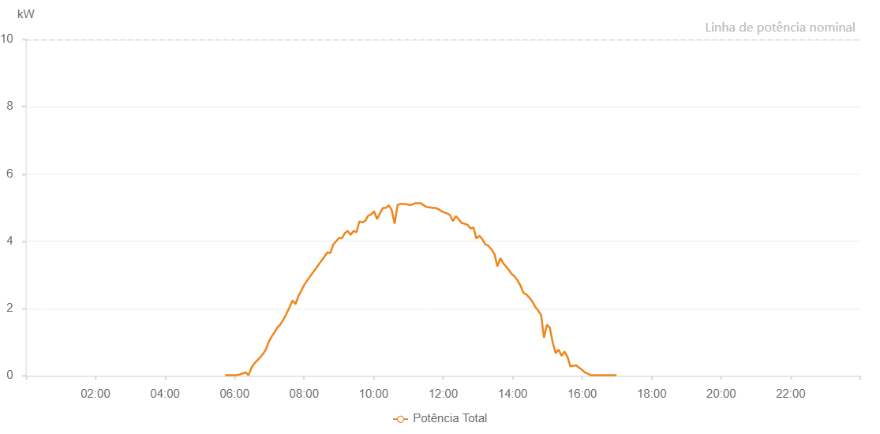

Number | Time | Working State | Alarm Code | Total Inverter Power(W)
1 | 24/06/2022 05:43:49 (UTC-4:00) | Normal |  | 20.000
2 | 24/06/2022 05:48:48 (UTC-4:00) | Normal |  | 20.000
3 | 24/06/2022 05:53:48 (UTC-4:00) | Normal |  | 20.000
4 | 24/06/2022 05:58:52 (UTC-4:00) | Normal |  | 20.000
5 | 24/06/2022 06:03:55 (UTC-4:00) | Normal |  | 20.000
6 | 24/06/2022 06:09:00 (UTC-4:00) | Normal |  | 40.000
7 | 24/06/2022 06:14:03 (UTC-4:00) | Normal |  | 70.000
8 | 24/06/2022 06:19:06 (UTC-4:00) | Normal |  | 100.000
9 | 24/06/2022 06:24:10 (UTC-4:00) | Normal |  | 20.000
10 | 24/06/2022 06:29:13 (UTC-4:00) | Normal |  | 240.000
11 | 24/06/2022 06:34:15 (UTC-4:00) | Normal |  | 370.000
12 | 24/06/2022 06:39:15 (UTC-4:00) | Normal |  | 460.000
13 | 24/06/2022 06:44:13 (UTC-4:00) | Normal |  | 550.000
14 | 24/06/2022 06:49:12 (UTC-4:00) | Normal |  | 650.000
15 | 24/06/2022 06:54:11 (UTC-4:00) | Normal |  | 790.000
16 | 24/06/2022 06:59:11 (UTC-4:00) | Normal |  | 1020.000
17 | 24/06/2022 07:04:10 (UTC-4:00) | Normal |  | 1170.000
18 | 24/06/2022 07:09:09 (UTC-4:00) | Normal |  | 1300.000
19 | 24/06/2022 07:14:08 (UTC-4:00) | Normal |  | 1440.000
20 | 24/06/2022 07:19:08 (UTC-4:00) | Normal |  | 1530.000
21 | 24/06/2022 07:24:07 (UTC-4:00) | Normal |  | 1670.000
22 | 24/06/2022 07:29:07 (UTC-4:00) | Normal |  | 1830.000
23 | 24/06/2022 07:34:39 (UTC-4:00) | Normal |  | 2030.000
24 | 24/06/2022 07:34:47 (UTC-4:00) | Normal |  | 2040.000
25 | 24/06/2022 07:40:10 (UTC-4:00) | Normal |  | 2240.000
26 | 24/06/2022 07:45:10 (UTC-4:00) | Normal |  | 2130.000
27 | 24/06/2022 07:50:11 (UTC-4:00) | Normal |  | 2370.000
28 | 24/06/2022 08:00:12 (UTC-4:00) | Normal |  | 2700.000
29 | 24/06/2022 08:05:12 (UTC-4:00) | Normal |  | 2830.000
30 | 24/06/2022 08:35:18 (UTC-4:00) | Normal |  | 3550.000
31 | 24/06/2022 08:40:18 (UTC-4:00) | Normal |  | 3670.000
32 | 24/06/2022 08:45:19 (UTC-4:00) | Normal |  | 3650.000
33 | 24/06/2022 08:50:19 (UTC-4:00) | Normal |  | 3900.000
34 | 24/06/2022 08:55:19 (UTC-4:00) | Normal |  | 4000.000
35 | 24/06/2022 09:00:19 (UTC-4:00) | Normal |  | 4100.000
36 | 24/06/2022 09:05:19 (UTC-4:00) | Normal |  | 4090.000
37 | 24/06/2022 09:10:19 (UTC-4:00) | Normal |  | 4240.000
38 | 24/06/2022 09:15:21 (UTC-4:00) | Normal |  | 4310.000
39 | 24/06/2022 09:20:21 (UTC-4:00) | Normal |  | 4190.000
40 | 24/06/2022 09:25:21 (UTC-4:00) | Normal |  | 4310.000
41 | 24/06/2022 09:30:22 (UTC-4:00) | Normal |  | 4270.000
42 | 24/06/2022 09:35:27 (UTC-4:00) | Normal |  | 4590.000
43 | 24/06/2022 09:40:31 (UTC-4:00) | Normal |  | 4560.000
44 | 24/06/2022 09:45:35 (UTC-4:00) | Normal |  | 4610.000
45 | 24/06/2022 09:50:39 (UTC-4:00) | Normal |  | 4760.000
46 | 24/06/2022 09:55:46 (UTC-4:00) | Normal |  | 4800.000
47 | 24/06/2022 10:00:48 (UTC-4:00) | Normal |  | 4890.000
48 | 24/06/2022 10:05:52 (UTC-4:00) | Normal |  | 4660.000
49 | 24/06/2022 10:10:57 (UTC-4:00) | Normal |  | 4830.000
50 | 24/06/2022 10:16:00 (UTC-4:00) | Normal |  | 4990.000
51 | 24/06/2022 10:21:04 (UTC-4:00) | Normal |  | 4990.000
52 | 24/06/2022 10:26:08 (UTC-4:00) | Normal |  | 5070.000
53 | 24/06/2022 10:31:12 (UTC-4:00) | Normal |  | 4930.000
54 | 24/06/2022 10:36:17 (UTC-4:00) | Normal |  | 4520.000
55 | 24/06/2022 10:41:21 (UTC-4:00) | Normal |  | 5080.000
56 | 24/06/2022 10:46:25 (UTC-4:00) | Normal |  | 5110.000
57 | 24/06/2022 10:46:36 (UTC-4:00) | Normal |  | 5110.000
58 | 24/06/2022 10:46:47 (UTC-4:00) | Normal |  | 5110.000
59 | 24/06/2022 10:51:25 (UTC-4:00) | Normal |  | 5110.000
60 | 24/06/2022 10:56:26 (UTC-4:00) | Normal |  | 5100.000
61 | 24/06/2022 11:01:26 (UTC-4:00) | Normal |  | 5080.000
62 | 24/06/2022 11:06:26 (UTC-4:00) | Normal |  | 5090.000
63 | 24/06/2022 11:11:26 (UTC-4:00) | Normal |  | 5130.000
64 | 24/06/2022 11:16:26 (UTC-4:00) | Normal |  | 5130.000
65 | 24/06/2022 11:21:27 (UTC-4:00) | Normal |  | 5130.000
66 | 24/06/2022 11:26:27 (UTC-4:00) | Normal |  | 5070.000
67 | 24/06/2022 11:31:27 (UTC-4:00) | Normal |  | 5020.000
68 | 24/06/2022 11:36:28 (UTC-4:00) | Normal |  | 5010.000
69 | 24/06/2022 11:41:27 (UTC-4:00) | Normal |  | 4990.000
70 | 24/06/2022 11:46:28 (UTC-4:00) | Normal |  | 4990.000
71 | 24/06/2022 11:51:32 (UTC-4:00) | Normal |  | 4960.000
72 | 24/06/2022 11:56:36 (UTC-4:00) | Normal |  | 4900.000
73 | 24/06/2022 12:01:40 (UTC-4:00) | Normal |  | 4860.000
74 | 24/06/2022 12:06:44 (UTC-4:00) | Normal |  | 4830.000
75 | 24/06/2022 12:11:48 (UTC-4:00) | Normal |  | 4780.000
76 | 24/06/2022 12:16:53 (UTC-4:00) | Normal |  | 4600.000
77 | 24/06/2022 12:21:57 (UTC-4:00) | Normal |  | 4750.000
78 | 24/06/2022 12:27:02 (UTC-4:00) | Normal |  | 4650.000
79 | 24/06/2022 12:32:05 (UTC-4:00) | Normal |  | 4540.000
80 | 24/06/2022 12:37:10 (UTC-4:00) | Normal |  | 4520.000
81 | 24/06/2022 12:42:13 (UTC-4:00) | Normal |  | 4490.000
82 | 24/06/2022 12:47:17 (UTC-4:00) | Normal |  | 4380.000
83 | 24/06/2022 12:52:22 (UTC-4:00) | Normal |  | 4410.000
84 | 24/06/2022 12:57:26 (UTC-4:00) | Normal |  | 4080.000
85 | 24/06/2022 13:02:30 (UTC-4:00) | Normal |  | 4160.000
86 | 24/06/2022 13:02:55 (UTC-4:00) | Normal |  | 4160.000
87 | 24/06/2022 13:07:34 (UTC-4:00) | Normal |  | 4060.000
88 | 24/06/2022 13:12:39 (UTC-4:00) | Normal |  | 3910.000
89 | 24/06/2022 13:12:49 (UTC-4:00) | Normal |  | 3910.000
90 | 24/06/2022 13:17:45 (UTC-4:00) | Normal |  | 3870.000
91 | 24/06/2022 13:22:47 (UTC-4:00) | Normal |  | 3770.000
92 | 24/06/2022 13:22:57 (UTC-4:00) | Normal |  | 3770.000
93 | 24/06/2022 13:23:27 (UTC-4:00) | Normal |  | 3770.000
94 | 24/06/2022 13:28:47 (UTC-4:00) | Normal |  | 3610.000
95 | 24/06/2022 13:33:46 (UTC-4:00) | Normal |  | 3250.000
96 | 24/06/2022 13:38:44 (UTC-4:00) | Normal |  | 3500.000
97 | 24/06/2022 13:43:43 (UTC-4:00) | Normal |  | 3350.000
98 | 24/06/2022 13:48:42 (UTC-4:00) | Normal |  | 3250.000
99 | 24/06/2022 13:53:41 (UTC-4:00) | Normal |  | 3140.000
100 | 24/06/2022 13:58:39 (UTC-4:00) | Normal |  | 3020.000
101 | 24/06/2022 14:03:41 (UTC-4:00) | Normal |  | 2950.000
102 | 24/06/2022 14:08:43 (UTC-4:00) | Normal |  | 2830.000
103 | 24/06/2022 14:13:45 (UTC-4:00) | Normal |  | 2670.000
104 | 24/06/2022 14:18:50 (UTC-4:00) | Normal |  | 2460.000
105 | 24/06/2022 14:23:50 (UTC-4:00) | Normal |  | 2420.000
106 | 24/06/2022 14:28:52 (UTC-4:00) | Normal |  | 2320.000
107 | 24/06/2022 14:33:55 (UTC-4:00) | Normal |  | 2210.000
108 | 24/06/2022 14:34:06 (UTC-4:00) | Normal |  | 2210.000
109 | 24/06/2022 14:38:58 (UTC-4:00) | Normal |  | 2050.000
110 | 24/06/2022 14:44:01 (UTC-4:00) | Normal |  | 1940.000
111 | 24/06/2022 14:49:03 (UTC-4:00) | Normal |  | 1810.000
112 | 24/06/2022 14:54:07 (UTC-4:00) | Normal |  | 1130.000
113 | 24/06/2022 14:59:09 (UTC-4:00) | Normal |  | 1520.000
114 | 24/06/2022 15:04:12 (UTC-4:00) | Normal |  | 1430.000
115 | 24/06/2022 15:09:14 (UTC-4:00) | Normal |  | 980.000
116 | 24/06/2022 15:14:18 (UTC-4:00) | Normal |  | 670.000
117 | 24/06/2022 15:19:20 (UTC-4:00) | Normal |  | 780.000
118 | 24/06/2022 15:24:25 (UTC-4:00) | Normal |  | 590.000
119 | 24/06/2022 15:29:27 (UTC-4:00) | Normal |  | 720.000
120 | 24/06/2022 15:34:28 (UTC-4:00) | Normal |  | 570.000
121 | 24/06/2022 15:34:38 (UTC-4:00) | Normal |  | 570.000
122 | 24/06/2022 15:39:30 (UTC-4:00) | Normal |  | 280.000
123 | 24/06/2022 15:44:32 (UTC-4:00) | Normal |  | 300.000
124 | 24/06/2022 15:44:58 (UTC-4:00) | Normal |  | 300.000
125 | 24/06/2022 15:49:35 (UTC-4:00) | Normal |  | 310.000
126 | 24/06/2022 15:54:38 (UTC-4:00) | Normal |  | 240.000
127 | 24/06/2022 15:54:49 (UTC-4:00) | Normal |  | 240.000
128 | 24/06/2022 15:59:40 (UTC-4:00) | Normal |  | 180.000
129 | 24/06/2022 16:04:38 (UTC-4:00) | Normal |  | 100.000
130 | 24/06/2022 16:09:37 (UTC-4:00) | Normal |  | 60.000
131 | 24/06/2022 16:14:35 (UTC-4:00) | Normal |  | 20.000
132 | 24/06/2022 16:19:34 (UTC-4:00) | Normal |  | 20.000
133 | 24/06/2022 16:24:33 (UTC-4:00) | Normal |  | 20.000
134 | 24/06/2022 16:29:31 (UTC-4:00) | Normal |  | 20.000
135 | 24/06/2022 16:34:30 (UTC-4:00) | Normal |  | 20.000
136 | 24/06/2022 16:39:29 (UTC-4:00) | Normal |  | 20.000
137 | 24/06/2022 16:44:28 (UTC-4:00) | Normal |  | 20.000
138 | 24/06/2022 16:49:26 (UTC-4:00) | Normal |  | 20.000
139 | 24/06/2022 16:54:27 (UTC-4:00) | Normal |  | 20.000
140 | 24/06/2022 16:59:25 (UTC-4:00) | Normal |  | 20.000

